Fig 2C
Control | Mutant |  | Unpaired t-Test
125231.037 | 695902.565 |  | Table Analyzed | Total ALL Regions
335292 | 1391109.5
367624.5 | 1091016 |  | Column B | Mutant
42422.063 | 580671.096 |  | vs. | vs.
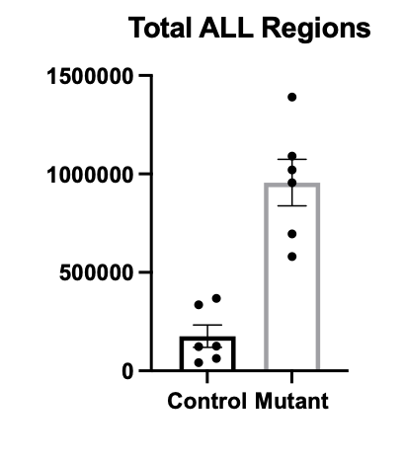
62775.395 | 1020932.2 |  | Column A | Control
122767.62 | 955926.272
176018.76917 | 955926.27217 | Average | Unpaired t test
 |  |  | P value | 0.0001
 |  |  | P value summary | ***
 |  |  | Significantly different (P < 0.05)? | Yes
 |  |  | One- or two-tailed P value? | Two-tailed
 |  |  | t, df | t=5.933, df=10

 |  |  | How big is the difference?
 |  |  | Mean of column A | 176019
 |  |  | Mean of column B | 955926
 |  |  | Difference between means (B - A) ± SEM | 779908 ± 131461
 |  |  | 95% confidence interval | 486995 to 1072820
 |  |  | R squared (eta squared) | 0.7787

 |  |  | F test to compare variances
 |  |  | F, DFn, Dfd | 4.281, 5, 5
 |  |  | P value | 0.1364
 |  |  | P value summary | ns
 |  |  | Significantly different (P < 0.05)? | No

 |  |  | Data analyzed
 |  |  | Sample size, column A | 6
 |  |  | Sample size, column B | 6

