Tel FACS 1A
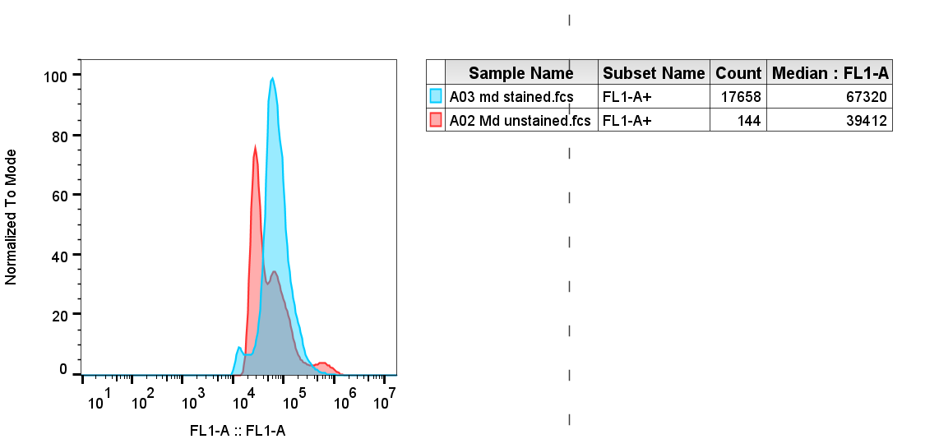
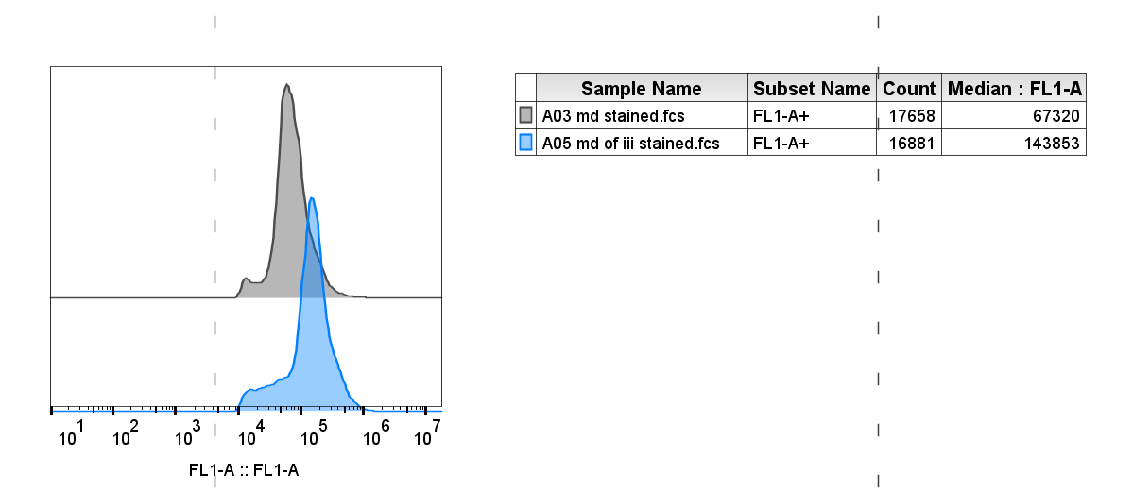

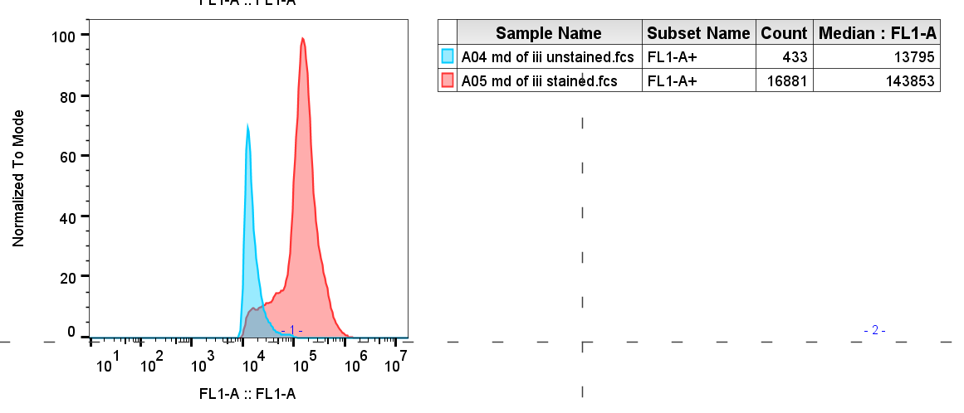

 | Unstained | stained |  | fold change
ut | 39412 | 67320 | 27908
of iii | 13795 | 143853 | 130058 | 4.6602407912

 | OF=GTR Oligo Fed= LT

