tel facs 1A
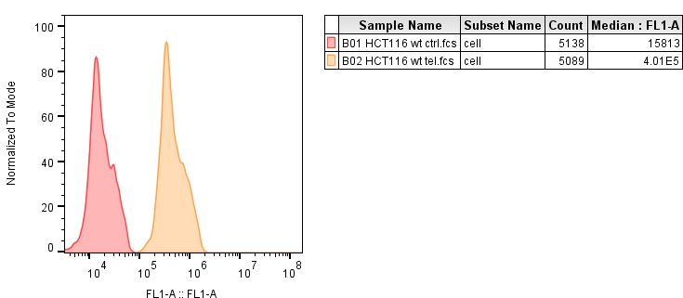
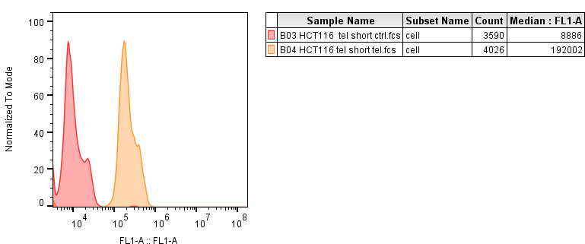
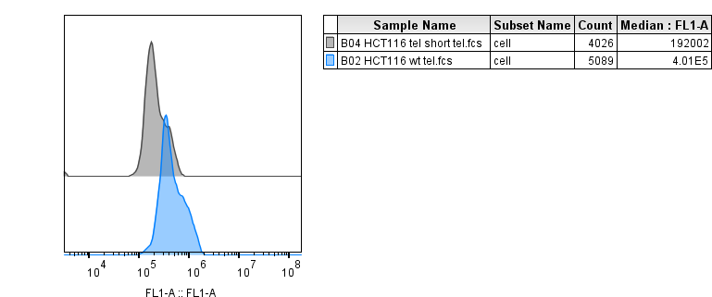
 | unstained | stained
hct tel short | 8886 | 192002 | 183116
hct wt | 15813 | 401000 | 385187 | 2.1035136198

