tel FACS 1A
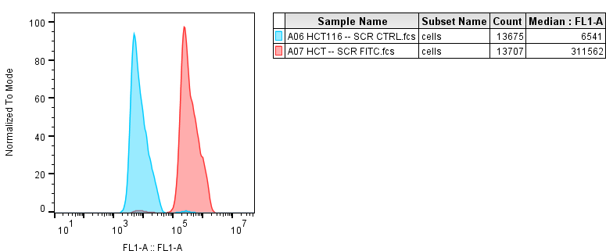

 |  | MEDIAN |  | RTL
hct116 p53 ut | unstained | 6541
 | tel fitc | 311562 | 305021 | 1.4436950369

hct116 p53 htr sil | unstained | 7932
 | tel fitc | 219210 | 211278

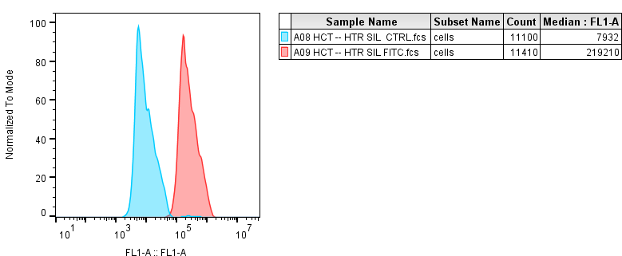

UT=LT
HTR SIL=TERC KNOCKDOWN

