ccr5 wt promoter tel facs 4B
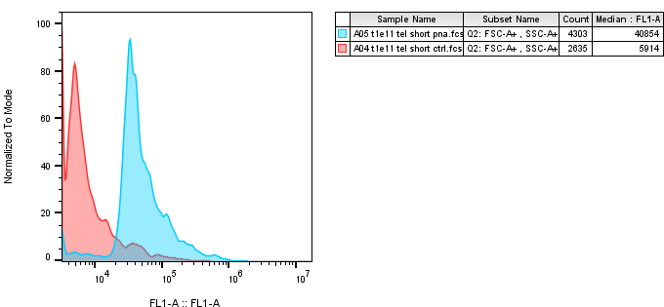
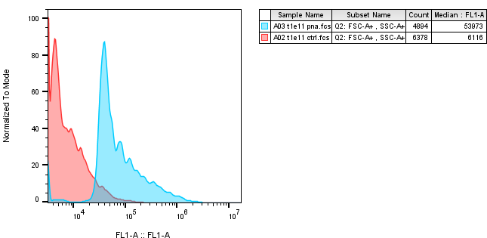
 | T1E11 is the clone name (used internally in lab) for CCR5 WT htert promoter cells

 |  |  |  |  | Short telomere | 1
 |  |  |  |  | Long telomere | 1.3696908987
 | unstained | stained (FITC)
t1e11 short | 5914 | 40854 | 34940
t1e11 | 6116 | 53973 | 47857 | 1.3696908987
