FACS tel length 5B
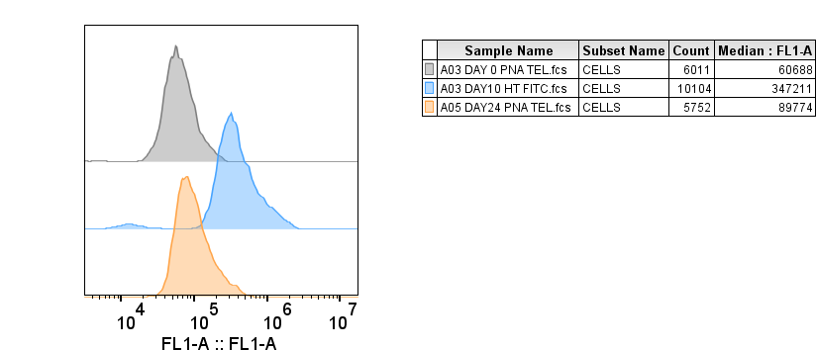
 | median | FITC signal
 | unstained |  | stained |  | fold change
Day 0 | 6595 |  | 60688 | 54093 | 1

day 10 | 12542 |  | 347211 | 334669 | 6.186918825

day 24 | 9296 |  | 89774 | 80478 | 1.487771061

