ccr5 -146 g>a mut tel facs B
146homo is the clone number used internally in lab

 | unstained | stained (FITC) |  |  | Short telomere | 1
146 homo short | 9009 | 30030 | 21021 |  | Long telomere | 1.3174444603
146homo | 8337 | 36031 | 27694 | 1.3174444603

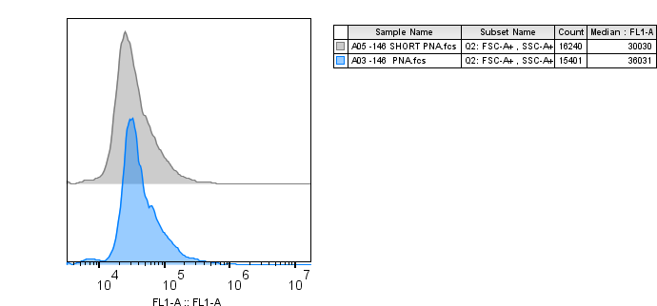

Luciferase activity E
 | Luminescence (a.u.) |  |  | Protein conc. (total) |  | normalised value |  | Fold change wrt resp UT | Fold change wrt WT UT
WT promoter | 6359
 | 6446 | 6402.5 |  | 0.93176267959 |  | 6871.3848926 |  | 1 | 1
wt promoter tel short | 2862
 | 2999 | 2930.5 |  | 0.68849438352 |  | 4256.3891153 |  | 0.6194368649 | 0.6194368649

124 G>A mut prom. | 14806
 | 14759 | 14782.5 |  | 1.634026866 |  | 9046.6688816 |  |  | 1.3165714078
124 G>A mut tel short | 12451
 | 12449 | 12450 |  | 1.3341492044 |  | 9331.7898468 |  | 1.0315166797 | 1.3580653671

146 G>A mut prom. | 28273
 | 30024 | 29148.5 |  | 1.5927174091 |  | 18301.112196 |  |  | 2.6633804512
146 G>A mut tel short | 19352
 | 18212 | 18782 |  | 0.88598529224 |  | 21198.997505 |  | 1.158344765 | 3.0851128029

 | 4292
WT promoter | 4707 | 4499.5 |  | 0.73341480373 |  | 6135.0002442 |  |  | 1
 | 3755
wt promoter tel short | 3881 | 3818 |  | 0.91493275732 |  | 4172.9842652 |  | 0.68019300718 | 0.68019300718

124 G>A mut prom. | 13316
 | 13928 | 13622 |  | 1.4323745138 |  | 9510.0826414 |  |  | 1.5501356582
124 G>A mut tel short | 14770
 | 14560 | 14665 |  | 1.2242963039 |  | 11978.309461 |  | 1.2595378939 | 1.9524546021

146 G>A mut prom. | 30037
 | 28403 | 29220 |  | 1.5177478797 |  | 19252.209402 |  |  | 3.1380943172
146 G>A mut tel short | 20868
 | 18020 | 19444 |  | 0.72674426903 |  | 26754.940945 |  | 1.3897075596 | 4.3610333952

WT promoter | 5485 |  |  |  |  |  |  |  |  | Normalised value of WT prom. | WT TEL | -124 | -124 TEL
 | 5171 | 5328 |  | 0.82548346537 |  | 6454.3994199 |  |  | 1 | 6871.3848926 | 4256.3891153 | 9046.6688816 | 9331.7898468 | 18301.112196 | 21198.997505
wt promoter tel short | 3988 |  |  |  |  |  |  |  |  | 6135.0002442 | 4172.9842652 | 9510.0826414 | 11978.309461 | 19252.209402 | 26754.940945
 | 4426 | 4207 |  | 1.1383108758 |  | 3695.8269392 |  | 0.57260586133 | 0.57260586133 | 6454.3994199 | 3695.8269392 | 8039.5020109 | 9740.198941 | 25533.539366 | 31321.466213
 |  |  |  |  |  |  |  |  |  | 301.50641567 | 246.95151035 | 613.88967606 | 1163.3286892 | 3208.8020402 | 4139.0556259
124 G>A mut prom. | 14505
 | 14450 | 14477.5 |  | 1.800795619 |  | 8039.5020109 |  |  | 1.245584831
124 G>A mut tel short | 16978
 | 16761 | 16869.5 |  | 1.7319461442 |  | 9740.198941 |  | 1.2115425716 | 1.5090790494

146 G>A mut prom. | 30456
 | 30887 | 30671.5 |  | 1.2012239886 |  | 25533.539366 |  |  | 3.9559899699
146 G>A mut tel short | 28570
 | 29737 | 29153.5 |  | 0.93078337398 |  | 31321.466213 |  | 1.226679379 | 4.8527313195

 |  |  |  |  |  |  | ut | TEL SHORT
 |  |  | WT | 1 | 1 | 1 | 1 | 0.6240785778
 |  |  | 124 | 1.3165714078 | 1.5501356582 | 1.245584831 | 1.3707639657 | 1.3450920261
 |  |  | 146 | 2.6633804512 | 3.1380943172 | 3.9559899699 | 3.2524882461 | 4.1743881205

 |  |  |  |  |  |  | TEL SHORT
 |  |  | WT | 0.6194368649 | 0.68019300718 | 0.57260586133 | 0.6240785778 | 0.0067939184282
 |  |  | 124 | 1.3580653671 | 1.9524546021 | 1.5090790494 | 1.6065330062 | 0.32501201946
 |  |  | 146 | 3.0851128029 | 4.3610333952 | 4.8527313195 | 4.0996258392 | 0.26787025444

