Mixing oligos
Sheet 3 Mixing m6Am and Am oligos

 | Am oligo |  |  |  |  | m6Am oligo |  |  |  |  | Mix
Name | Concentration (pmole/ul) | Concentration (ng/ul) | Volume (ul) | Amount (pmoles) | Amoung (ng) | Concentration (pmole/ul) | Concentration (ng/ul) | Volume (ul) | Amount (pmole) | Amoung (ng) | Design m6Am ratio | Expected m6Am ratio (by molar number) | Expected m6Am ratio (by mass)
ERCC-00057-1-TCGTCG | 757 | 42 | 3 | 2271 | 126 | NA | NA | 0 | 0 | 0 | 0 | 0 | 0
ERCC-00057-2-GTTGCG | 807 | 43.5 | 3.5 | 2824.5 | 152.25 | 941 | 51.6 | 1 | 941 | 51.6 | 0.25 | 0.24990041163 | 0.25312729948
ERCC-00057-3-CTCTCG | 738 | 40.8 | 2.1 | 1549.8 | 85.68 | 487 | 28.7 | 3 | 1461 | 86.1 | 0.5 | 0.48525308888 | 0.50122249389
ERCC-00057-4-CGTGCT | 688 | 40 | 1 | 688 | 40 | 625 | 31.6 | 3.8 | 2375 | 120.08 | 0.75 | 0.77538361084 | 0.75012493753
ERCC-00057-5-TTTCGT | NA | NA | 0 | 0 | 0 | 360 | 18.5 | 8 | 2880 | 148 | 1 | 1 | 1

Aligent RNA ScreenTape results
Am oligo |  |  |  |  |  | m6Am oligo

ERCC-00057-1-TCGTCG |  |  |  |  |  | ERCC-00057-2-TCGTCG
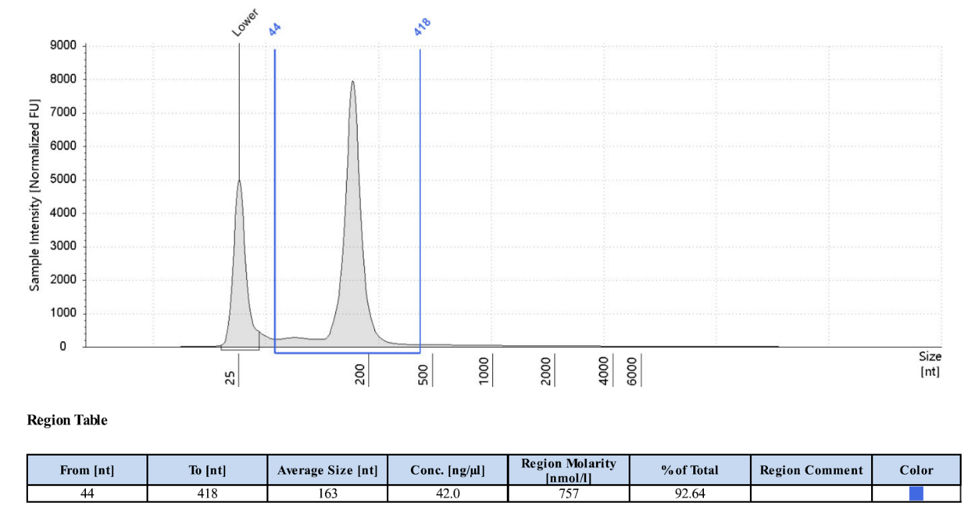

ERCC-00057-2-GTTGCG |  |  |  |  |  | ERCC-00057-3-CTCTCG
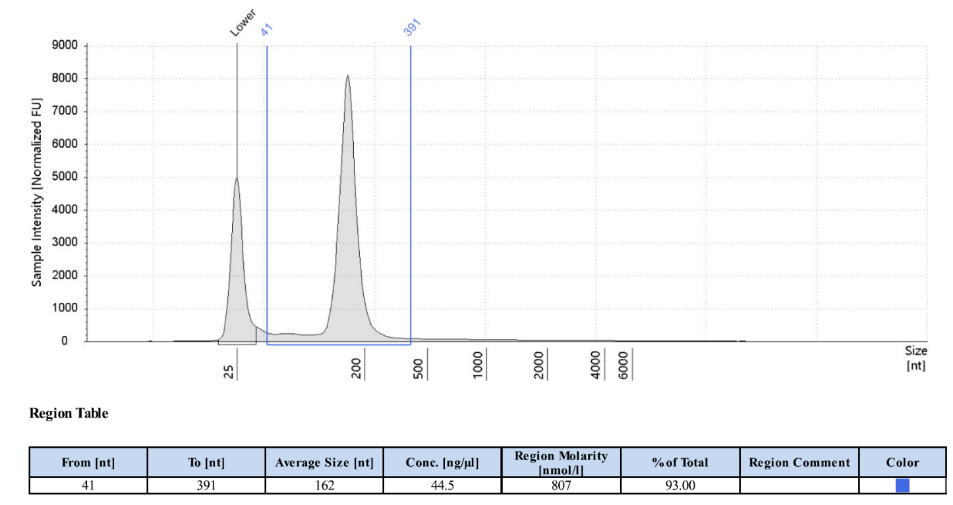

ERCC-00057-3-CTCTCG |  |  |  |  |  | ERCC-00057-4-CGTGCT
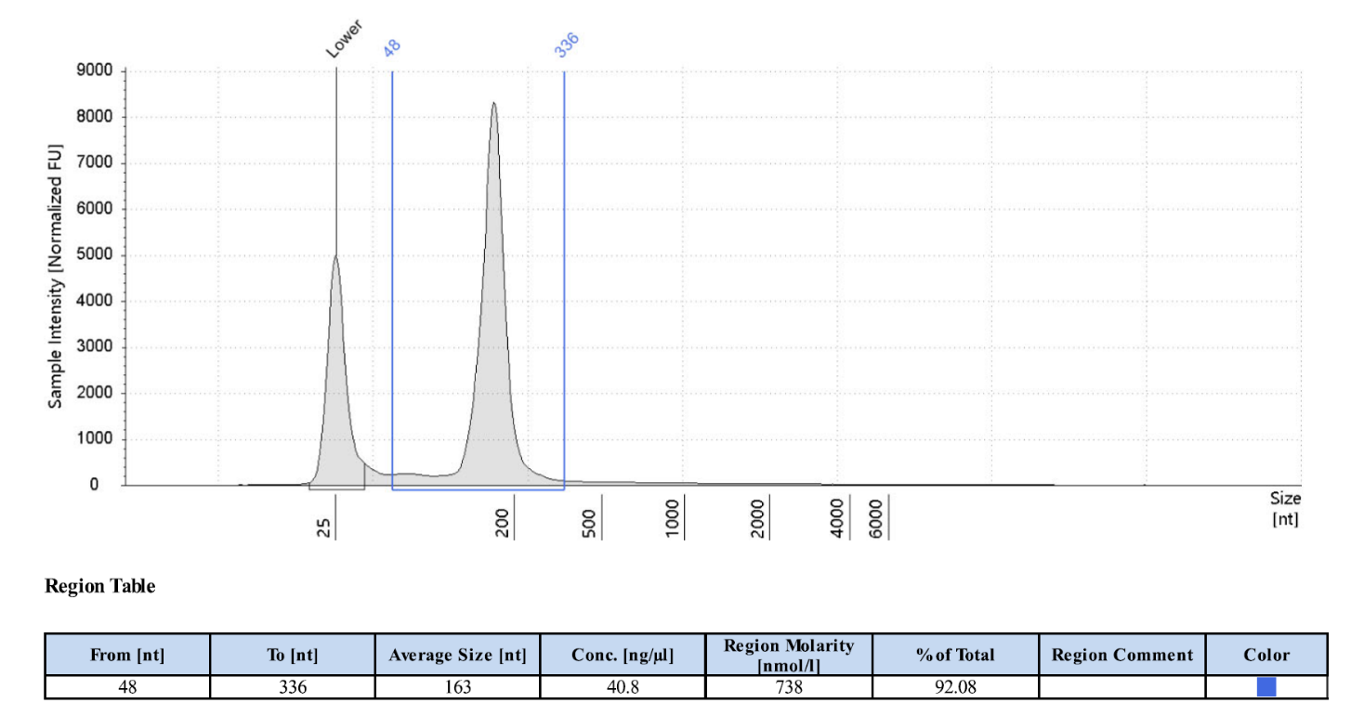

ERCC-00057-4-CGTGCT |  |  |  |  |  | ERCC-00057-5-TTTCGT
