Figure 3E
Myelin length
 |  | PlotsOfDifferences - Plots all Of the Data and Differences
Tract | NL |  | Condition | n | mean | sd | sem | median | MAD | 95CI median
203.38182731 | 32.781691259 | 1 | NL | 52 | 55.38 | 21.91 | 3.07 | 52.45 | 14.04 | 44.45 - 60.84
165.79353286 | 47.041499496 | 2 | Tract | 47 | 181.26 | 47.7 | 7.03 | 194.37 | 28.57 | 171.42 - 202.29
194.36530664 | 66.319018042
173.70655277 | 39.976184799
276.14190211 | 53.662447505 | PlotsOfDifferences - Plots all Of the Data and Differences
125.00616186 | 110.03768804 |  | Condition | difference | CI_lo | CI_hi | p_median
121.77325078 | 55.370532172 | 1 | NL | -138.164 | -153.171 | -115.766 | <0.001
201.04527011 | 42.764275435 | 2 | Tract |  |  |  | 1
106.33351086 | 67.065896595
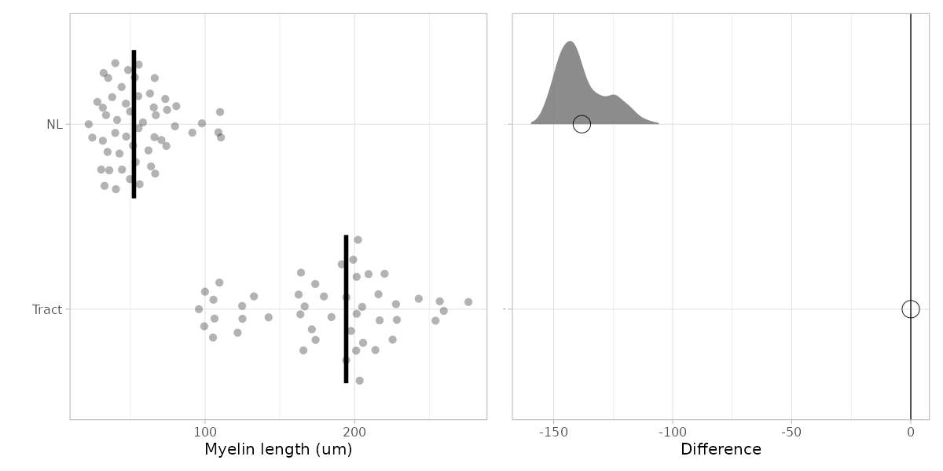
242.86905212 | 40.395913698
99.951181973 | 33.772136807
109.58100832 | 24.579851407
259.64828244 | 74.114790072
171.41783546 | 44.179660209
220.08198207 | 35.223953586
228.25794385 | 110.58599275
191.4099259 | 108.90603741
201.36615543 | 79.885517258
197.57913675 | 34.794563316
132.69962198 | 63.165386689
199.07087827 | 80.754220127
164.17198115 | 65.70540661
209.35129252 | 66.654024264 | Shapiro-Wilk normality test
184.54503998 | 31.619721636 |  | Tract | W = 0.95392, p-value = 0.06175
166.63035965 | 58.447891169 |  | NL | W = 0.93141, p-value = 0.005093
205.06607888 | 32.14407973
179.48220739 | 27.978035499 | Wilcoxon rank sum test with continuity correction
163.73715082 | 66.11743156 |  | W = 2423, p-value < 2.2e-16
95.860228122 | 49.785718933
142.49941929 | 97.880649588
105.31889892 | 37.893348097
173.91555181 | 48.512945849
201.39363466 | 30.554570886
205.67876874 | 62.145923844
225.43093938 | 74.628277865
213.91043057 | 39.918419701
202.29153834 | 70.802902496
216.76691239 | 44.451940231
227.6964506 | 49.882519227
215.95098699 | 41.158889565
256.96605635 | 56.201743527
254.15445358 | 55.522340613
194.52078646 | 47.235204571
162.56329769 | 63.873709369
105.60926504 | 73.403182215
99.453997953 | 55.599811262
124.79335287 | 91.495328264
 | 35.930471429
 | 51.833347691
 | 22.150889538
 | 31.629516638
 | 53.065128888

Figure 3F
Myelin diameter
 |  | PlotsOfDifferences - Plots all Of the Data and Differences
Tract | NL |  | Condition | n | mean | sd | sem | median | MAD | 95CI median
2.03 | 2.62 | 1 | NL | 52 | 1.64 | 0.5 | 0.07 | 1.54 | 0.39 | 1.5 - 1.72
1.98 | 1.12 | 2 | Tract | 47 | 1.69 | 0.35 | 0.05 | 1.67 | 0.29 | 1.53 - 1.76
2.3 | 2.21
1.54 | 1.31
1.55 | 1.18 | PlotsOfDifferences - Plots all Of the Data and Differences
0.88 | 1.09 |  | Condition | difference | CI_lo | CI_hi | p_median
1.16 | 1.33 | 1 | NL | -0.104 | -0.24 | 0.12 | 0.347
1.31 | 2.43 | 2 | Tract |  |  |  | 1
1.33 | 0.88
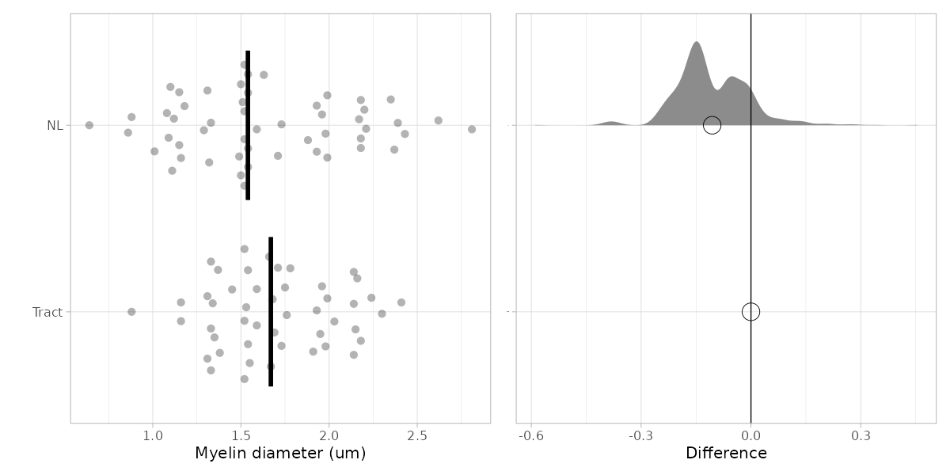
1.71 | 0.86
1.52 | 1.52
1.68 | 2.81
1.59 | 1.52
1.37 | 2.18
1.35 | 2.35
1.66 | 2.39
1.93 | 1.29
1.53 | 1.99
2.14 | 2.37
1.45 | 2.18
1.99 | 2.17
1.69 | 1.71
2.41 | 1.08 | Shapiro-Wilk normality test
1.67 | 1.54 |  | Tract | W = 0.97294, p-value = 0.3413
1.59 | 1.32 |  | NL | W = 0.97121, p-value = 0.2376
2.18 | 1.52
1.33 | 1.15 | Levene's test
1.38 | 1.1 |  | 0.04039
1.54 | 2.2
1.16 | 2.18 | two-tailed Welch's t-test
1.34 | 1.98 |  | t = 0.60143, df = 91.605, p-value = 0.549
2.16 | 1.63
1.78 | 1.11
2.24 | 1.54
2.14 | 0.64
1.52 | 1.54
1.96 | 1.01
2.15 | 1.5
1.76 | 1.96
1.73 | 1.93
2.14 | 1.99
1.33 | 1.93
1.31 | 1.15
1.91 | 1.5
1.75 | 1.16
1.95 | 1.49
1.52 | 1.52
 | 1.51
 | 1.73
 | 1.54
 | 1.59
 | 1.88

Figure 3H
Myelin #/cell
 |  | PlotsOfDifferences - Plots all Of the Data and Differences
Tract | NL |  | Condition | n | mean | sd | sem | median | MAD | 95CI median
4 | 8 | 1 | NL | 18 | 6.61 | 2.43 | 0.59 | 7 | 1.5 | 4.99 - 8
3 | 8 | 2 | Tract | 31 | 3.03 | 0.95 | 0.17 | 3 | 1 | 3 - 4
4 | 8
2 | 7 | PlotsOfDifferences - Plots all Of the Data and Differences
5 | 9 |  | Condition | difference | CI_lo | CI_hi | p_median
3 | 8 | 1 | NL | 3.842 | 1.5 | 5 | <0.001
4 | 7 | 2 | Tract |  |  |  | 1
3 | 8
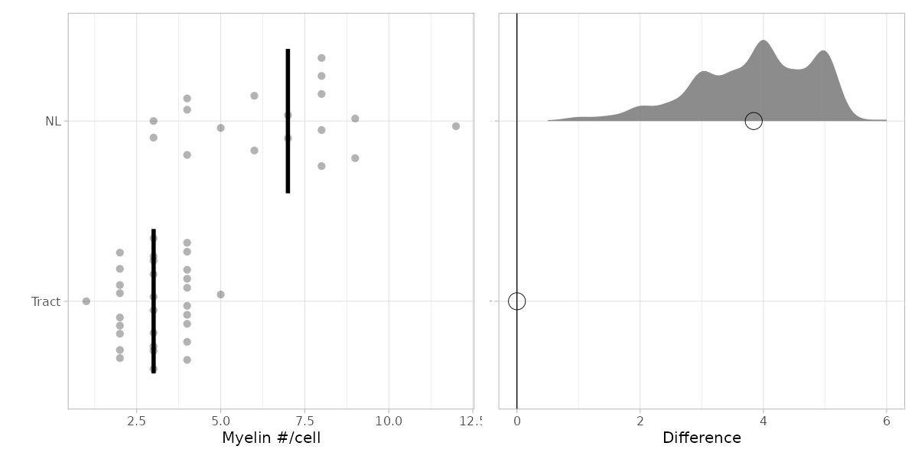
3 | 12
4 | 9
2 | 4
3 | 5
2 | 6
3 | 3
3 | 3
4 | 6
2 | 4
2 | 4
2
2
4
4 |  | Shapiro-Wilk normality test
3 |  |  | Tract | W = 0.89034, p-value = 0.004172
4 |  |  | NL | W = 0.93763, p-value = 0.2638
3
3 |  | Wilcoxon rank sum test with continuity correction
2 |  |  | W = 50.5, p-value = 1.384e-06
2
4
1
4

Figure 3I
Total myelin length/cell (um)
 |  | PlotsOfDifferences - Plots all Of the Data and Differences
Tract | NL |  | Condition | n | mean | sd | sem | median | MAD | 95CI median
532.61809585 | 398.4523094 | 1 | NL | 18 | 394.64 | 122.5 | 29.71 | 377.59 | 95.09 | 302.19 - 480.57
500.22096468 | 462.33703833 | 2 | Tract | 31 | 527.9 | 149.19 | 27.24 | 492.42 | 88.66 | 445.83 - 655.23
487.55389847 | 431.72952932
460.83753441 | 341.70449371 | PlotsOfDifferences - Plots all Of the Data and Differences
720.08007499 | 543.2741217 |  | Condition | difference | CI_lo | CI_hi | p_median
629.58122825 | 436.85548553 | 1 | NL | -119.001 | -218.848 | -11.241 | 0.007
762.24272175 | 524.12685788 | 2 | Tract |  |  |  | 1
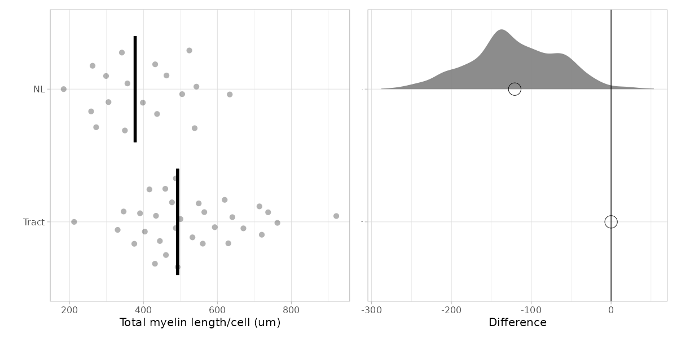
640.5185932 | 272.15213435
390.80636459 | 633.48870516
737.24721959 | 504.76930657
477.18717222 | 356.7272557
619.75776137 | 538.4803151
330.27875873 | 262.44628644
564.60901485 | 305.49313053
560.52669214 | 184.20957455
433.96178297 | 349.81852914
375.30918647 | 298.89564396
431.10970812 | 258.59968739
416.2019689
444.46336299
921.59228337
492.41991356 |  | Shapiro-Wilk normality test
459.12377009 |  |  | Tract | W = 0.97767, p-value = 0.7453
549.51879943 |  |  | NL | W = 0.97125, p-value = 0.8208
403.75751436
713.69713949 |  | Levene's test
487.49265875 |  |  | 0.6399
346.39188527
670.35876053 |  | two-tailed Student's t-test
212.4944361 |  |  | t = 3.2091, df = 47, p-value = 0.0024
592.94078166

Figure 3J
Average myelin length/cell (um)
 |  | PlotsOfDifferences - Plots all Of the Data and Differences
Tract | NL |  | Condition | n | mean | sd | sem | median | MAD | 95CI median
133.15452396 | 49.806538675 | 1 | NL | 18 | 63.59 | 19.43 | 4.71 | 58.05 | 7.42 | 53.38 - 69.69
166.74032156 | 57.792129791 | 2 | Tract | 31 | 181.09 | 39.88 | 7.28 | 186.84 | 33.8 | 128.52 - 144.98
121.88847462 | 53.966191165
230.4187672 | 48.814927673 | PlotsOfDifferences - Plots all Of the Data and Differences
144.016015 | 60.3637913 |  | Condition | difference | CI_lo | CI_hi | p_median
209.86040942 | 54.606935691 | 1 | NL | -125.813 | -151.248 | -103.509 | <0.001
190.56068044 | 74.875265412 | 2 | Tract |  |  |  | 1
213.50619773 | 34.019016794
130.2687882 | 52.79072543
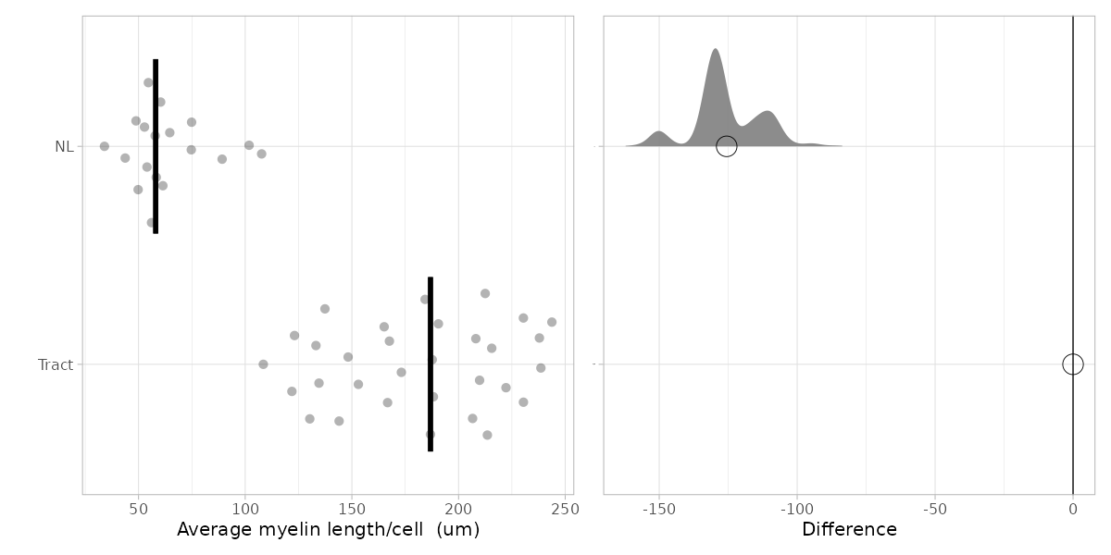
184.3118049 | 56.085478507
238.59358611 | 89.181813926
206.58592046 | 107.69606302
165.13937936 | 43.741047741
188.20300495 | 101.83104351
186.84223071 | 61.403191515
108.49044574 | 58.30308819
187.65459324 | 74.723910989
215.55485406 | 64.649921848
208.10098445
222.23168149
230.39807084
123.10497839 |  | Shapiro-Wilk normality test
153.0412567 |  |  | Tract | W = 0.95101, p-value = 0.1665
137.37969986 |  |  | NL | W = 0.89634, p-value = 0.04962
134.58583812
237.8990465 |  | Wilcoxon rank sum test with continuity correction
243.74632938 |  |  | W = 558, p-value = 1.731e-13
173.19594264
167.58969013
212.4944361
148.23519542

Figure 3K
cell body size |  | PlotsOfDifferences - Plots all Of the Data and Differences
 |  |  | Condition | n | mean | sd | sem | median | IQR | 95CI median
Tract | NL | 1 | NL | 65 | 52.45 | 15.25 | 1.91 | 50.04 | 21.59 | 45.35 - 54.73
110.7854619 | 75.107616068 | 2 | Tract | 38 | 78.18 | 16.48 | 2.71 | 75.58 | 22.73 | 71.49 - 80.55
115.62059011 | 75.107616068
54.125270156 | 45.158454161 | PlotsOfDifferences - Plots all Of the Data and Differences
51.261747624 | 60.696342235 |  | Condition | difference | CI_lo | CI_hi | p_median |  | Ftest | Ttest
63.936355553 | 58.536998273 | 1 | NL | -25.622 | -32.39 | -18.703 | <0.001 |  | 0.57743489202 | 1.9514849447E-12
62.809723738 | 53.936656789 | 2 | Tract |  |  |  | 1
62.105578853 | 66.28247118
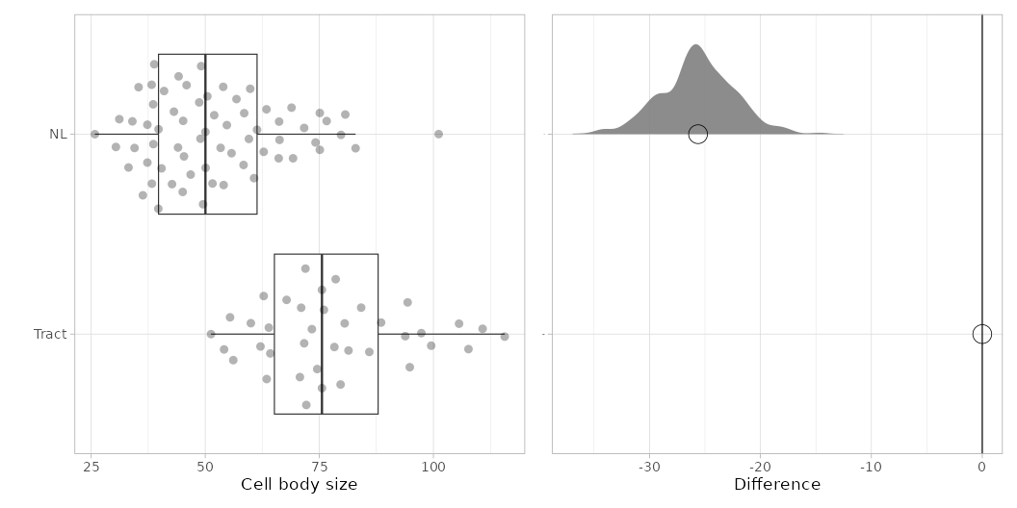
76.000704582 | 76.609768389
63.46692563 | 56.847076912
78.300911206 | 101.16057039
59.993144198 | 74.168770867
64.2649565 | 79.754899812
73.371897012 | 80.693745013
105.62173274 | 44.1726667
88.534483534 | 54.73467521
70.743089441 | 40.981782817
97.359766092 | 50.041902043
81.3991487 | 50.088845665
80.554174838 | 40.418459342
74.54547182 | 38.30599631
85.952618956 | 49.52552219
71.024747395 | 25.818992611 | Shapiro-Wilk normality test
55.439673942 | 45.065878012 |  | Tract | W = 0.96092, p-value = 0.2034
84.168785248 | 36.334364147 |  | NL | W = 0.95801, p-value = 0.02705
78.58256916 | 38.587658048
94.824844507 | 37.320180229 | Wilcoxon rank sum test with continuity correction
99.517052257 | 31.170565625 |  | W = 2167, p-value = 1.932e-10
79.660583811 | 37.320180229
75.576629308 | 44.033118308
71.962094863 | 35.395491689
67.831198354 | 34.503562853
56.143259275 | 42.718696866
75.577464408 | 59.571457497
107.68615115 | 30.419467658
94.354474199 | 34.034126624
71.681234876 | 46.80279206
93.83810643 | 45.910863225
72.150660121 | 38.822376162
 | 66.096621084
 | 48.962198715
 | 33.189141411
 | 59.853119235
 | 63.420834577
 | 53.37489927
 | 50.464394649
 | 49.103029584
 | 51.966590583
 | 39.714304998
 | 58.397866924
 | 39.761248621
 | 38.259052687
 | 62.810567479
 | 43.141189472
 | 51.591041599
 | 48.680536978
 | 54.032109991
 | 38.634601671
 | 82.949381716
 | 55.76902404
 | 61.355315168
 | 45.34753975
 | 68.91323846
 | 69.241843821
 | 71.682912213
 | 66.19050833

