Figure 6G
Unmyelinated segments / traced axon in NL (%)

GFP | A3V | PlotsOfDifferences - Plots all Of the Data and Differences
2.977413499 | 22.622090491 |  | Condition | n | mean | sd | sem | median | MAD | 95CI median
0 | 7.6776342681 | 1 | A3V | 38 | 16.02 | 15.38 | 2.53 | 11.65 | 7.66 | 7.62 - 17.4
0 | 7.2301186508 | 2 | GFP | 29 | 4.55 | 6.57 | 1.24 | 0 | 0 | 0 - 5.72
5.7067246407 | 32.873388984
16.648282937 | 12.664948374
4.8382678653 | 9.1508157457 | PlotsOfDifferences - Plots all Of the Data and Differences
0 | 6.9433138178 |  | Condition | difference | CI_lo | CI_hi | p_median
6.839993635 | 4.8873598178 | 1 | A3V | 10.465 | 4.197 | 16.606 | <0.001
0 | 9.2371767619 | 2 | GFP |  |  |  | 1
0 | 28.909736766
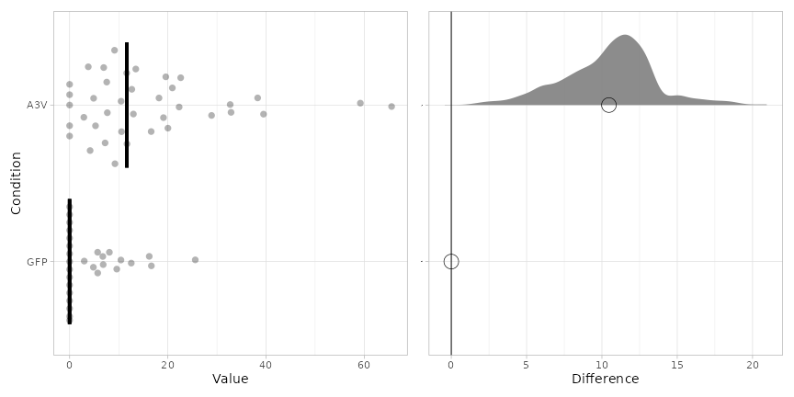
10.44982291 | 38.292684047
8.0991904559 | 12.988544026
0 | 32.699908285
9.5994730496 | 13.475363413
0 | 0
0 | 2.9000385004
0 | 3.8014337257
0 | 10.487364709
16.217938842 | 5.2746255814
25.588270029 | 7.5579041394
5.7203274335 | 16.606255354
0 | 0
0 | 18.202936078
0 | 65.572888902
12.552577989 | 4.1761554231
0 | 0 | Shapiro-Wilk normality test
0 | 0 |  | GFP | W = 0.7425, p-value = 9.108e-06
6.7605443986 | 10.57222709 |  | A3V | W = 0.8444, p-value = 9.638e-05
0 | 11.625119293
 | 0 | Wilcoxon rank sum test with continuity correction
 | 22.301498025 |  | W = 238, p-value = 5.901e-05
 | 19.586823843
 | 39.490205966
 | 19.115733749
 | 11.682292985
 | 20.020994076
 | 59.210638335
 | 20.92111423

> shapiro.test(Group1)

Shapiro-Wilk normality test

data: Group1
W = 0.7425, p-value = 9.108e-06

> shapiro.test(Group2)

Shapiro-Wilk normality test

data: Group2
W = 0.8444, p-value = 9.638e-05

> wilcox.test(Group1, Group2)

Wilcoxon rank sum test with continuity correction

data: Group1 and Group2
W = 238, p-value = 5.901e-05
alternative hypothesis: true location shift is not equal to 0

Figure 6H
Internodal length

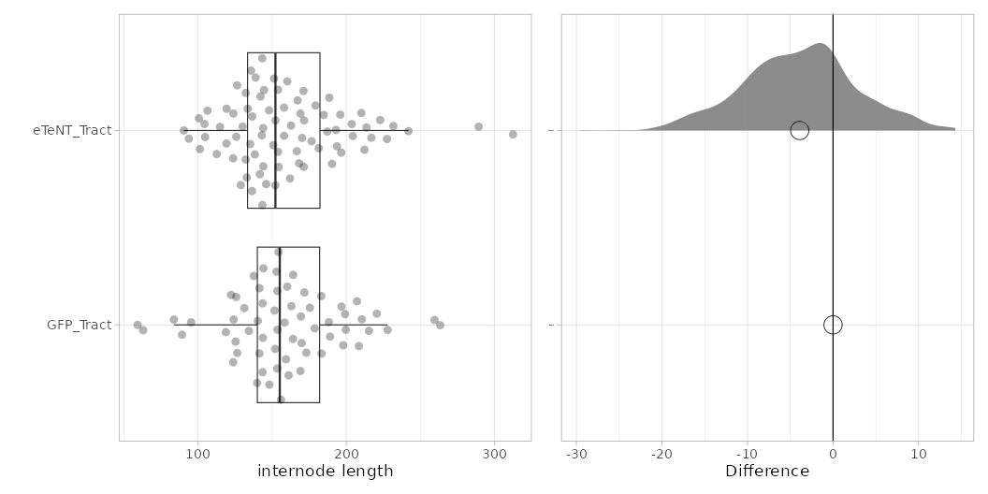
GFP_Tract | eTeNT_Tract | GFP_NL | eTeNT_NL | PlotsOfDifferences - Plots all Of the Data and Differences
153.38979919 | 114.75572001 | 58.074204598 | 119.59740928 |  | Condition | n | mean | sd | sem | median | MAD | 95CI median
215.35253511 | 138.24276413 | 77.514840026 | 99.115759757 | 1 | GFP_Tract | 62 | 159.02 | 40.06 | 5.13 | 155.11 | 20.57 | 143.6 - 165.91
259.56324252 | 138.74567421 | 61.355796488 | 87.593793448 | 2 | eTeNT_Tract | 80 | 159.94 | 41.26 | 4.64 | 152.17 | 21.11 | 147.76 - 166.54
126.31485221 | 104.68886685 | 78.317686891 | 84.441285217
220.61757684 | 184.79128645 | 84.236834438 | 89.082406839
183.12334698 | 193.09719297 | 79.205977655 | 114.00374998 | PlotsOfDifferences - Plots all Of the Data and Differences
210.54062487 | 152.22949441 | 34.235028569 | 113.45747774 |  | Condition | difference | CI_lo | CI_hi | p_median
158.39707322 | 93.749532601 | 68.056127137 | 81.687363226 | 1 | GFP_Tract |  |  |  | 1
152.91648384 | 213.66055732 | 119.52858424 | 93.300232445 | 2 | eTeNT_Tract | -4.15 | -18.133 | 10.953 | 0.502
123.93718345 | 216.99129104 | 89.86365007 | 79.765376804
189.01452358 | 150.7592978 | 36.899943189 | 73.420167571
123.64619391 | 119.13138919 | 89.136161234 | 49.572709821
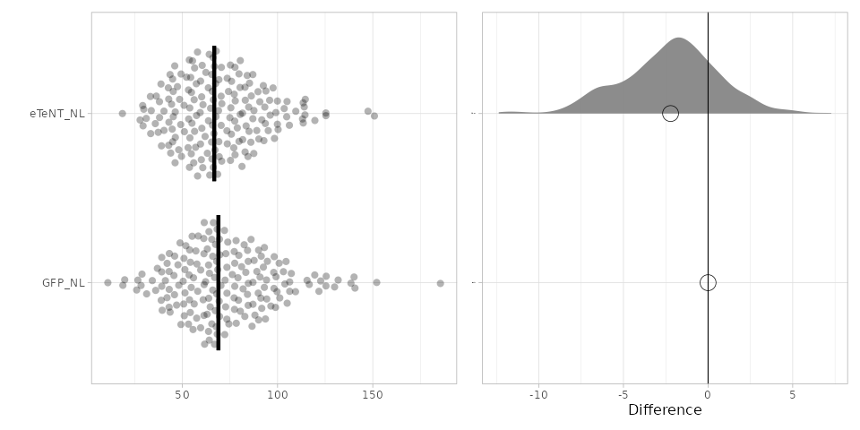
118.69674719 | 227.52133665 | 93.090647394 | 85.036846461 | PlotsOfDifferences - Plots all Of the Data and Differences
141.35824248 | 203.6699046 | 84.654285731 | 75.240015011 |  | Condition | n | mean | sd | sem | median | MAD | 95CI median
161.06929704 | 171.5209616 | 72.27820078 | 97.635809809 | 1 | GFP_NL | 178 | 73.08 | 27.23 | 2.05 | 68.97 | 17.35 | 63.92 - 70.73
207.24521558 | 166.61320049 | 86.073781387 | 70.491531055 | 2 | eTeNT_NL | 178 | 69.8 | 23.56 | 1.77 | 67 | 15.94 | 65.95 - 73.64
199.2140269 | 167.13612537 | 84.193905252 | 63.722310854
122.23592179 | 179.27713166 | 107.22063614 | 68.993587735 | PlotsOfDifferences - Plots all Of the Data and Differences
169.0352453 | 136.34868215 | 115.48393166 | 58.001649899 |  | Condition | difference | CI_lo | CI_hi | p_median
197.91603273 | 168.20661119 | 104.46115473 | 67.141445141 | 1 | GFP_NL |  |  |  | 1
173.05758 | 112.53805928 | 18.778976505 | 82.945672466 | 2 | eTeNT_NL | -2.049 | -7.744 | 3.923 | 0.437
143.70307677 | 132.17158596 | 138.53567909 | 89.731244119
95.231375812 | 147.91763311 | 90.057698592 | 65.476943754
125.24987182 | 176.57562088 | 57.665781243 | 66.854335276
144.06192631 | 132.89469352 | 87.69415617 | 39.047454476
140.23996263 | 106.29703357 | 79.480993457 | 33.237270356 | Shapiro-Wilk normality test
89.096651499 | 104.24386694 | 56.227083172 | 37.335665793 |  | GFP_Tract | W = 0.97605, p-value = 0.2655
169.41229289 | 170.19985851 | 10.89122285 | 42.846939542 |  | eTeNT_Tract | W = 0.93735, p-value = 0.0006967
171.73336464 | 162.72002098 | 99.729033301 | 46.278727171 |  | GFP_NL | W = 0.97124, p-value = 0.0009693
131.15432875 | 181.41180975 | 26.014029624 | 66.134720109 |  | eTeNT_NL | W = 0.97757, p-value = 0.005311
59.055054873 | 135.14066575 | 45.58649761 | 147.48278924
208.53611634 | 135.68945549 | 39.182093535 | 114.56534021 | Wilcoxon rank sum test with continuity correction
164.15224164 | 169.05484971 | 31.26150413 | 73.610600173 |  | Tract | W = 2581, p-value = 0.6793
143.44824956 | 123.59209859 | 57.122979641 | 87.023064499 |  | NL | W = 17190, p-value = 0.2323
154.2875311 | 133.50011174 | 91.703994278 | 109.56826243
263.38995231 | 125.70999405 | 66.92858128 | 43.553708075
143.50841239 | 128.78013446 | 84.588241858 | 67.802694062
141.34025197 | 132.09903961 | 81.11349247 | 59.538132423
227.93719846 | 153.94275789 | 73.403098222 | 77.679850134
188.22107496 | 195.96275975 | 93.643693968 | 47.426237389
160.14663706 | 100.47228384 | 94.320254596 | 65.360600465
137.57553756 | 130.01005792 | 61.696208204 | 49.330043651
175.40819165 | 136.50776053 | 73.4279841 | 29.187654529
125.6517181 | 187.14573014 | 80.471850002 | 75.467320641
159.30144882 | 151.27112276 | 125.52954226 | 60.245849714
148.10491949 | 101.16142007 | 65.959720606 | 96.128015188
199.69658666 | 171.34192765 | 90.804511996 | 57.449298712
162.93226217 | 145.90436605 | 94.649355554 | 113.11277201
183.32545465 | 123.80502932 | 185.52337046 | 45.217772002
164.03702583 | 160.20155036 | 152.06271592 | 84.843072341
153.4592559 | 141.63677012 | 53.757668058 | 55.978398874
83.618254874 | 188.55830457 | 69.655507496 | 75.840150807
178.71363042 | 152.1052811 | 98.231745578 | 70.355147878
62.856433233 | 162.03498165 | 131.81441898 | 67.644876146
139.86262641 | 158.02021383 | 140.64812478 | 81.588189329
153.53431924 | 143.32031987 | 64.24487871 | 50.893937577
155.92341216 | 126.29583166 | 77.522736974 | 31.055279784
134.26575652 | 222.91180512 | 54.669815028 | 46.328307826
169.89607141 | 142.04151137 | 67.795996484 | 104.97986419
151.95131826 | 153.92532893 | 140.16218796 | 64.397843459
196.76777645 | 143.01177697 | 103.83845402 | 70.729291046
151.54390951 | 119.16468646 | 72.841925912 | 56.434638342
 | 144.46380106 | 39.198094791 | 52.202591355
 | 143.88664504 | 48.11588373 | 53.917089982
 | 210.15435054 | 53.851476685 | 87.528907595
 | 143.26844398 | 61.370683534 | 43.884544528
 | 143.98026062 | 87.087520024 | 77.646692095
 | 312.61193733 | 55.148383318 | 74.961729307
 | 190.38159145 | 72.733038943 | 53.018281587
 | 204.41967834 | 63.786836373 | 63.144615024
 | 154.36670006 | 96.486823417 | 33.678242609
 | 193.73487777 | 59.645786967 | 62.351537436
 | 171.10571625 | 26.647762606 | 35.814354995
 | 196.58840883 | 78.223164263 | 48.559991153
 | 90.330564463 | 54.230695494 | 38.788247817
 | 231.80339427 | 42.006293582 | 69.362397064
 | 212.2827465 | 50.711663759 | 29.378218754
 | 157.98454524 | 103.07794028 | 38.039249586
 | 289.42046556 | 63.758931657 | 48.093491232
 | 242.01418824 | 72.136879774 | 56.207596181
 |  | 58.341386146 | 78.867675604
 |  | 90.038932489 | 82.934479633
 |  | 69.53804073 | 100.28542908
 |  | 64.644357244 | 106.21300053
 |  | 91.232268316 | 90.677257156
 |  | 43.570925033 | 86.220703348
 |  | 43.183373305 | 92.826911525
 |  | 72.445485354 | 95.843828016
 |  | 68.285279929 | 93.586819153
 |  | 98.125992541 | 91.721360526
 |  | 67.303354398 | 85.272877765
 |  | 54.1775254 | 42.654912559
 |  | 65.953398405 | 57.332412228
 |  | 84.570044174 | 54.794816863
 |  | 68.334498496 | 63.655060697
 |  | 41.965560681 | 56.431181692
 |  | 76.253603341 | 46.008208419
 |  | 64.144187622 | 33.37833759
 |  | 65.47325601 | 66.600689607
 |  | 49.27361899 | 77.017311344
 |  | 82.812982647 | 90.173040572
 |  | 46.995925023 | 80.309494358
 |  | 109.4280783 | 83.492189158
 |  | 51.348960608 | 56.951056247
 |  | 98.922548382 | 53.749444502
 |  | 101.16837342 | 75.277099632
 |  | 125.41222893 | 49.147881235
 |  | 28.331547456 | 60.148021023
 |  | 122.64252699 | 45.255575271
 |  | 66.949235266 | 98.357517804
 |  | 106.36646743 | 74.238873851
 |  | 99.202616814 | 73.571256862
 |  | 100.81595853 | 69.189461962
 |  | 97.986133737 | 61.952451031
 |  | 63.976908508 | 55.356573302
 |  | 47.712403496 | 77.791030413
 |  | 38.91115432 | 46.192630622
 |  | 77.179884625 | 69.151686651
 |  | 83.326294188 | 66.296343759
 |  | 106.38372946 | 64.123147028
 |  | 129.93814208 | 66.293208066
 |  | 65.459662764 | 53.665793897
 |  | 63.85167961 | 80.437474901
 |  | 55.621284401 | 53.328594156
 |  | 77.389233551 | 104.79742411
 |  | 69.486536581 | 60.849235934
 |  | 51.401875459 | 150.86187346
 |  | 68.033281519 | 83.048962329
 |  | 94.199226333 | 68.549251982
 |  | 88.115294739 | 95.109304564
 |  | 67.443359884 | 92.539953353
 |  | 59.593171763 | 80.411121449
 |  | 62.210392871 | 65.824932572
 |  | 41.097072725 | 44.903940654
 |  | 77.251304789 | 60.428410656
 |  | 68.594290908 | 75.747076951
 |  | 63.04125698 | 99.930629089
 |  | 51.011676591 | 44.677683394
 |  | 87.088112886 | 99.919032632
 |  | 43.070924018 | 55.054241246
 |  | 61.453239024 | 42.842254374
 |  | 28.818746739 | 18.539257699
 |  | 45.97827161 | 65.714291827
 |  | 121.73093035 | 51.060375969
 |  | 91.430773843 | 44.347781902
 |  | 79.667347111 | 42.967108314
 |  | 48.795280382 | 87.019377468
 |  | 69.351033597 | 77.244029744
 |  | 66.309213739 | 54.403806213
 |  | 86.60437954 | 79.750243488
 |  | 70.275366357 | 64.841839987
 |  | 19.740141569 | 81.318407949
 |  | 82.465097146 | 84.052008348
 |  | 74.426590446 | 53.978128693
 |  | 43.105409047 | 57.962261443
 |  | 45.878780314 | 77.518376207
 |  | 36.009275877 | 85.980275794
 |  | 116.64334919 | 60.736754502
 |  | 92.557717925 | 36.328462308
 |  | 105.04782869 | 70.656282207
 |  | 53.552289178 | 59.98242988
 |  | 51.851565705 | 59.36868589
 |  | 55.882216981 | 29.749298799
 |  | 50.42848334 | 40.360889574
 |  | 43.039743835 | 67.492067589
 |  | 93.061736304 | 114.40394678
 |  | 50.843918272 | 70.38123175
 |  | 73.368645314 | 27.823297566
 |  | 63.125566015 | 44.915754844
 |  | 39.432961701 | 59.58487261
 |  | 81.9032493 | 53.23611424
 |  | 61.253270507 | 125.39992501
...

Figure 6I
...
w/o hemi | w/ hemi | unmyyelinated | PlotsOfDifferences - Plots all Of the Data and Differences
84.441285217 | 58.001649899 | 57.967713371 | 2 | w/ hemi | 63 | 65.38 | 20.68 | 2.63 | 64.84 | 13.95 | 58 - 67.49
89.082406839 | 33.237270356 | 45.650704635 | 3 | w/o hemi | 117 | 71.66 | 24.91 | 2.31 | 70.36 | 15.95 | 64.12 - 75.47
114.00374998 | 66.134720109 | 12.303124838
113.45747774 | 73.610600173 | 36.552125646
81.687363226 | 77.679850134 | 26.036980361 | PlotsOfDifferences - Plots all Of the Data and Differences
93.300232445 | 47.426237389 | 21.898639159 |  | Condition | difference | CI_lo | CI_hi | p_median
79.765376804 | 65.360600465 | 48.262968422 | 1 | unmyyelinated | -43.738 | -50.666 | -36.88 | <0.001
73.420167571 | 49.330043651 | 24.321678368 | 2 | w/ hemi | -6.441 | -14.752 | 1.197 | 0.124
49.572709821 | 29.187654529 | 30.879499672 | 3 | w/o hemi |  |  |  | 1
85.036846461 | 96.128015188 | 14.528599039
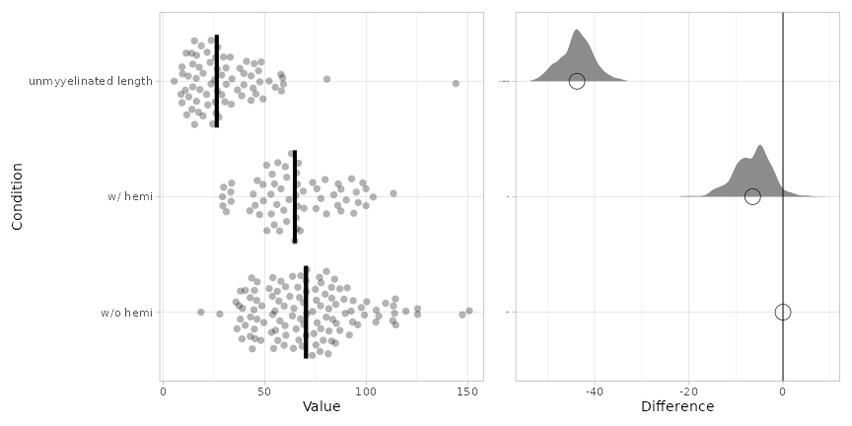
75.240015011 | 55.978398874 | 58.269418873
97.635809809 | 50.893937577 | 44.291658654
70.491531055 | 31.055279784 | 8.7219554635
63.722310854 | 46.328307826 | 47.584312325
67.141445141 | 56.434638342 | 33.474147535
82.945672466 | 87.528907595 | 19.60175464
89.731244119 | 53.018281587 | 23.623428754
65.476943754 | 63.144615024 | 21.312025088
66.854335276 | 33.678242609 | 55.206540258
39.047454476 | 69.362397064 | 43.261929705
37.335665793 | 29.378218754 | 39.687525552
42.846939542 | 86.220703348 | 30.345048434
46.278727171 | 92.826911525 | 46.945121877 | Shapiro-Wilk normality test
147.48278924 | 42.654912559 | 39.679690016 |  | w/o hemi | W = 0.97039, p-value = 0.01087
114.56534021 | 57.332412228 | 58.808124537 |  | w/ hemi | W = 0.97407, p-value = 0.2043
87.023064499 | 54.794816863 | 26.665250163 |  | unmyyelinated | W = 0.79348, p-value = 1.15e-08
109.56826243 | 33.37833759 | 25.547580763
43.553708075 | 66.600689607 | 33.840572713
67.802694062 | 90.173040572 | 15.388184157
59.538132423 | 75.277099632 | 52.11468224 | Kruskal-Wallis test and post hoc Steel-Dwass test.
75.467320641 | 49.147881235 | 14.528180336 |  |  | t p
...

Figure 6K
...
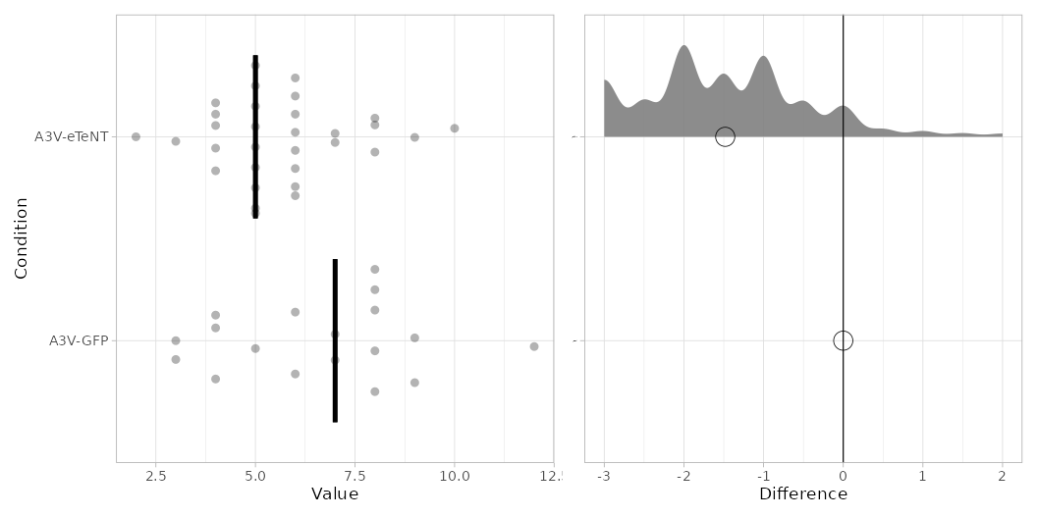
...
mean | sd | sem | median | MAD | 95CI median
6.61 | 2.43 | 0.59 | 7 | 1.5 | 5.0-6
5.65 | 1.72 | 0.31 | 5 | 1 | 4.5 - 8
...
CI_lo | CI_hi | p_median
 |  | 1
-3 | 1 | 0.023
...
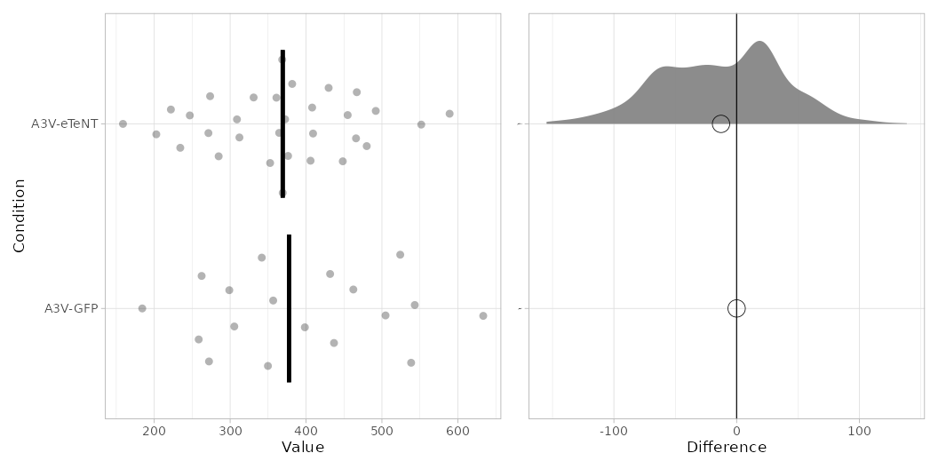
...
mean | sd | sem | median | MAD | 95CI median
394.64 | 122.5 | 29.71 | 377.59 | 95.09 | 330.96 - 408.08
 | 101.85 | 18.59 | 369.28 | 79.14 | 302.19 - 471.05
...
 | CI_hi | p_median
 |  | 1
 | 78.341 | 0.73
...
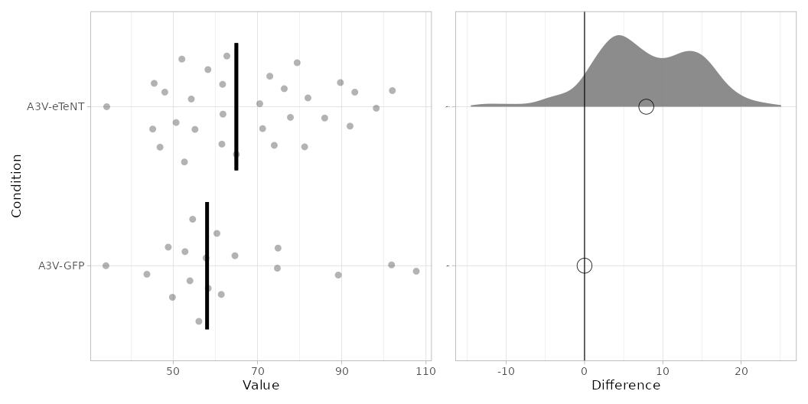
...
 | sd | sem | median | MAD | 95CI median
 | 19.43 | 4.71 | 58.05 | 7.42 | 58.23 - 76.35
 | 17.53 | 3.2 | 64.98 | 12.94 | 53.96 - 69.76
...
 | CI_hi | p_median
 |  | 1
 | 19.546 | 0.25
...

Figure 6M
...
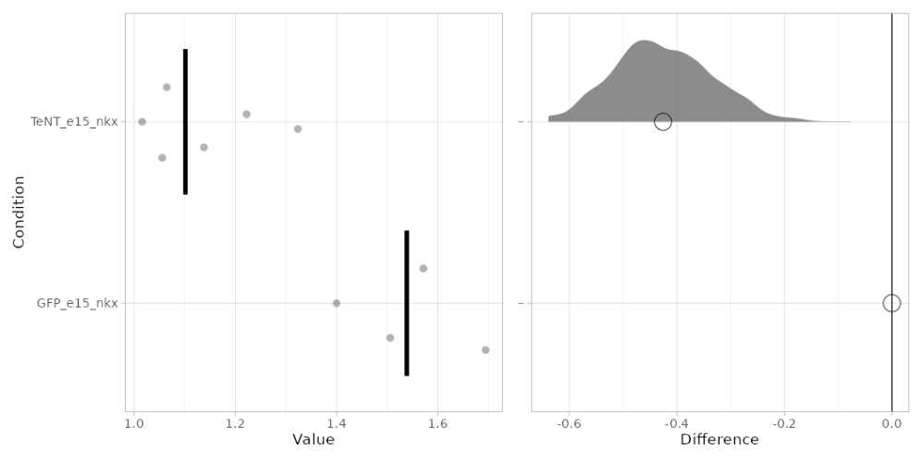
...
mean | sd | sem | median | MAD | 95CI median
1.54 | 0.12 | 0.07 | 1.54 | 0.09 | 1.4 - 1.69
1.14 | 0.12 | 0.05 | 1.1 | 0.07 | 1.04 - 1.27
...
CI_lo | CI_hi | p_median
 |  | 1
-0.593 | -0.255 | 0.027
...
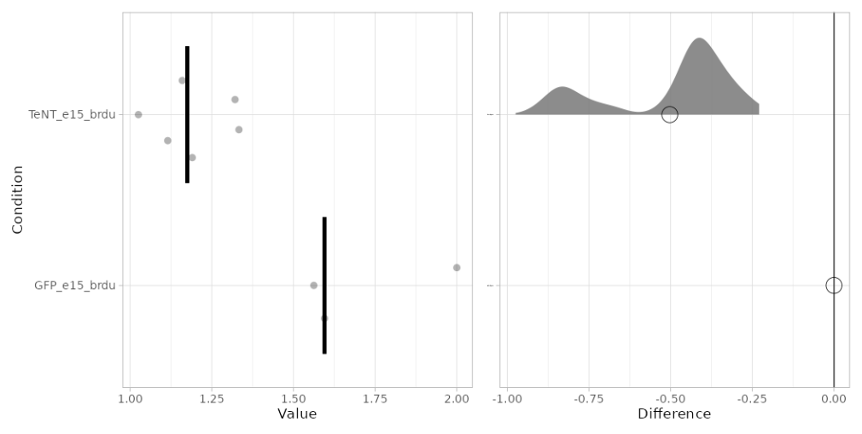
 | sd | sem | median | MAD | 95CI median
 | 0.24 | 0.17 | 1.6 | 0.03 | 1.56 - 2
 | 0.12 | 0.05 | 1.18 | 0.1 | 1.07 - 1.33
...
 | CI_hi | p_median
 |  | 1
 | -0.268 | 0.04
...

Figure 6 - sup1
...
Unmyelinated segments

GFP_NL | sparse_NL | PlotsOfDifferences - Plots all Of the Data and Differences
2.977413499 | 0 |  | Condition | n | mean | sd | sem | median | MAD | 95CI median
0 | 15.977869323 | 1 | GFP_NL | 29 | 4.55 | 6.57 | 1.24 | 0 | 0 | 0 - 5.72
0 | 0 | 2 | sparse_NL | 26 | 2.52 | 5.79 | 1.16 | 0 | 0 | 0 - 0
5.7067246407 | 0 | PlotsOfDifferences - Plots all Of the Data and Differences
16.648282937 | 12.331951728 |  | Condition | difference | CI_lo | CI_hi | p_median
4.8382678653 | 2.3398216742 | 1 | GFP_NL |  |  |  | 1
0 | 22.733823599 | 2 | sparse_NL | -1.237 | -5.72 |  | 1
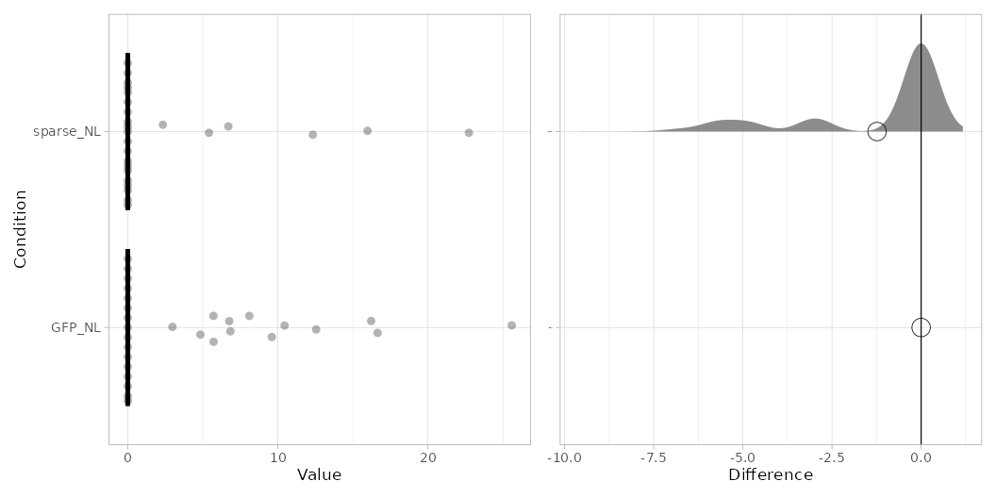
6.839993635 | 0
0 | 0
0 | 0
10.44982291 | 5.4071777691
8.0991904559 | 0
0 | 0
9.5994730496 | 0
0 | 6.6989464242
0 | 0
0 | 0
0 | 0
16.217938842 | 0
25.588270029 | 0 | Shapiro-Wilk normality test
5.7203274335 | 0 |  | GFP_NL | W = 0.7425, p-value = 9.108e-06
0 | 0 |  | sparse_NL | W = 0.51525, p-value = 3.565e-08
0 | 0
0 | 0 | Wilcoxon rank sum test with continuity correction
12.552577989 | 0 |  | W = 461, p-value = 0.09706
0 | 0
0
6.7605443986
...

