Table 1 IFN Filter MvsPq05FC1.5
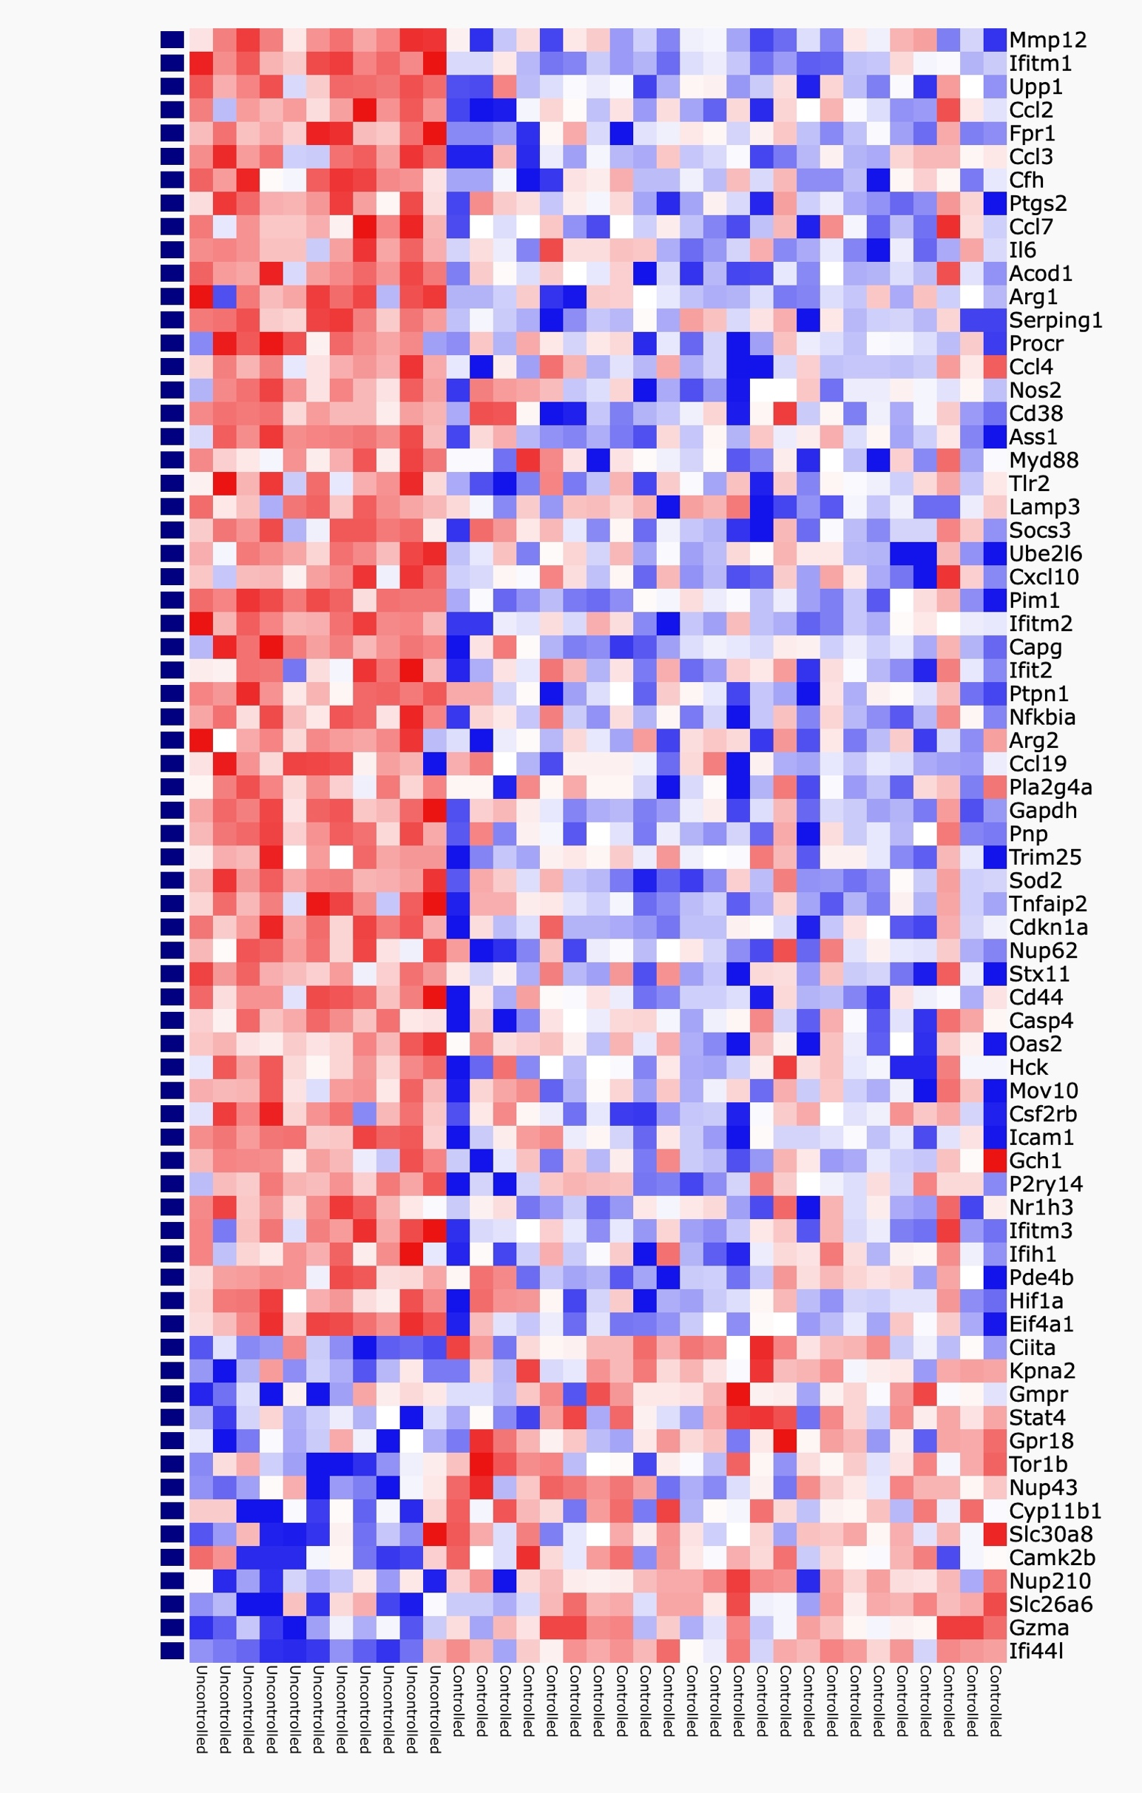
Gene | q-value | Fold change | Up in Multibacillary | Up in Paucibacillary
Mmp12 | 3.45E-05 | 7.5844130127 | Mmp12 | Ciita
Ifitm1 | 2.43E-09 | 4.1727498615 | Ifitm1 | Kpna2
Upp1 | 8.61E-05 | 3.3112577657 | Upp1 | Gmpr
Ccl2 | 0.0032756492481 | 3.2287941257 | Ccl2 | Stat4
Fpr1 | 4.10E-05 | 3.1596142526 | Fpr1 | Gpr18
Ccl3 | 0.00038998616242 | 3.145217393 | Ccl3 | Tor1b
Cfh | 0.00020271761601 | 3.0618608758 | Cfh | Nup43
Ptgs2 | 0.0012669171774 | 2.9571922916 | Ptgs2 | Cyp11b1
Ccl7 | 0.0030434607721 | 2.8413487929 | Ccl7 | Slc30a8
Il6 | 0.006354222263 | 2.5879764747 | Il6 | Camk2b
Acod1 | 8.69E-05 | 2.5839554962 | Acod1 | Nup210
Arg1 | 0.001047299323 | 2.5005638882 | Arg1 | Slc26a6
Serping1 | 4.96E-05 | 2.2939914313 | Serping1 | Gzma
Procr | 0.0038610734526 | 2.2113136348 | Procr | Ifi44l
Ccl4 | 0.018219607769 | 2.1731622909 | Ccl4
Nos2 | 0.0095546863928 | 2.1329541445 | Nos2
Cd38 | 0.0086006891398 | 2.1192589366 | Cd38
Ass1 | 0.00012014903878 | 2.1034834832 | Ass1
Myd88 | 0.021381344943 | 2.077757103 | Myd88
Tlr2 | 0.0068322297576 | 2.0398869944 | Tlr2
Lamp3 | 0.017579035666 | 1.9899198898 | Lamp3
Socs3 | 0.007681579235 | 1.9734841035 | Socs3
Ube2l6 | 0.0011803998953 | 1.9590385966 | Ube2l6
Cxcl10 | 0.020896987017 | 1.9520565503 | Cxcl10
Pim1 | 1.89E-07 | 1.9143681638 | Pim1
Ifitm2 | 1.80E-05 | 1.9011286463 | Ifitm2
Capg | 8.58E-05 | 1.8804808044 | Capg
Ifit2 | 0.033559082677 | 1.8647276581 | Ifit2
Ptpn1 | 0.00021657408586 | 1.8550898809 | Ptpn1
Nfkbia | 0.00038998616242 | 1.8422989899 | Nfkbia
Arg2 | 0.0053347348994 | 1.8412814719 | Arg2
Ccl19 | 0.031878492253 | 1.8270700265 | Ccl19
Pla2g4a | 0.018971049576 | 1.8258112193 | Pla2g4a
Gapdh | 1.00E-05 | 1.8163439629 | Gapdh
Pnp | 8.61E-05 | 1.8009866492 | Pnp
Trim25 | 0.016914671826 | 1.7951705575 | Trim25
Sod2 | 7.55E-05 | 1.7802380541 | Sod2
Tnfaip2 | 0.00022237571249 | 1.7493887366 | Tnfaip2
Cdkn1a | 4.31E-05 | 1.7304303816 | Cdkn1a
Nup62 | 0.0047001722926 | 1.6890915442 | Nup62
Stx11 | 0.0075112601726 | 1.6862200542 | Stx11
Cd44 | 9.32E-05 | 1.6862167102 | Cd44
Casp4 | 0.027598872414 | 1.6807404242 | Casp4
Oas2 | 0.031361624547 | 1.67841075 | Oas2
Hck | 0.021708846787 | 1.6750281352 | Hck
Mov10 | 0.03547875234 | 1.6702135259 | Mov10
Csf2rb | 0.014386113776 | 1.6699647832 | Csf2rb
Icam1 | 0.00012014903878 | 1.6623884458 | Icam1
Gch1 | 0.037211842137 | 1.6521390726 | Gch1
P2ry14 | 0.02808733733 | 1.6513841093 | P2ry14
Nr1h3 | 0.0047001722926 | 1.6244690068 | Nr1h3
Ifitm3 | 0.0025028449924 | 1.6161086521 | Ifitm3
Ifih1 | 0.041456988413 | 1.6059752792 | Ifih1
Pde4b | 0.015734434582 | 1.594355748 | Pde4b
Hif1a | 0.0067036034469 | 1.5472293539 | Hif1a
Eif4a1 | 4.09E-06 | 1.5280137862 | Eif4a1

Ciita | 0.00038998616242 | 0.65842353603
Kpna2 | 0.0037064697813 | 0.61746490882
Gmpr | 0.036025524198 | 0.55113577545
Stat4 | 0.041456988413 | 0.54892170224
Gpr18 | 0.037985858612 | 0.5408295125
Tor1b | 0.015350709861 | 0.53524386906
Nup43 | 0.0095546863928 | 0.50514813815
Cyp11b1 | 0.021708846787 | 0.50460009491
Slc30a8 | 0.025141653236 | 0.49978029491
Camk2b | 0.032961270062 | 0.4919603665
Nup210 | 0.01298710621 | 0.46936506248
Slc26a6 | 0.0021990480422 | 0.37252125018
Gzma | 0.00012014903878 | 0.2463674804
Ifi44l | 2.05E-07 | 0.14576128108

Table 2 HallmrkPwy MvsPq05FC1.5
Term | Overlap | P-value | Adjusted P-value | Odds Ratio | Combined Score | Genes
Interferon Gamma Response | 34 of 200 | 9.33E-55 | 2.89E-53 | 184.13253012 | 22907.74622 | IFITM3;CDKN1A;IFITM2;CFH;TNFAIP2;FPR1;UBE2L6;CSF2RB;PTGS2;HIF1A;IFIT2;ICAM1;IFIH1;SOCS3;PNP;CCL7;CASP4;PIM1;PDE4B;CD38;TRIM25;CCL2;UPP1;PTPN1;GCH1;P2RY14;PLA2G4A;SOD2;NFKBIA;CXCL10;IL6;OAS2;SERPING1;MYD88
TNF-alpha Signaling via NF-kB | 17 of 200 | 3.49E-21 | 5.41E-20 | 47.069777217 | 2217.2035038 | CDKN1A;GCH1;TNFAIP2;PTGS2;SOD2;IFIT2;ICAM1;IFIH1;NFKBIA;SOCS3;CXCL10;IL6;CCL4;PDE4B;CCL2;CD44;TLR2
Inflammatory Response | 14 of 200 | 2.54E-16 | 2.62E-15 | 35.408602151 | 1271.551821 | IFITM1;CDKN1A;GCH1;FPR1;HIF1A;ICAM1;NFKBIA;CXCL10;IL6;CCL7;LAMP3;PDE4B;CCL2;TLR2
IL-6/JAK/STAT3 Signaling | 11 of 87 | 6.96E-16 | 5.39E-15 | 63.902923977 | 2230.2825906 | SOCS3;PTPN1;CXCL10;IL6;CCL7;PIM1;CD38;CSF2RB;CD44;MYD88;TLR2
Interferon Alpha Response | 11 of 97 | 2.42E-15 | 1.50E-14 | 56.443927649 | 1899.5823081 | IFITM3;IFIH1;PROCR;CXCL10;MOV10;IFITM1;IFITM2;LAMP3;TRIM25;UBE2L6;IFIT2
Allograft Rejection | 10 of 200 | 1.90E-10 | 9.84E-10 | 22.601830664 | 505.86235631 | IL6;CCL7;NOS2;CCL4;CCL2;CAPG;CCL19;HIF1A;ICAM1;TLR2
Apoptosis | 8 of 161 | 1.52E-08 | 6.71E-08 | 21.558823529 | 388.16984456 | IFITM3;CDKN1A;IL6;GCH1;CASP4;CD38;SOD2;CD44
Complement | 7 of 200 | 1.38E-06 | 5.34E-06 | 14.619541081 | 197.2789587 | MMP12;IL6;CFH;CASP4;PIM1;PLA2G4A;SERPING1
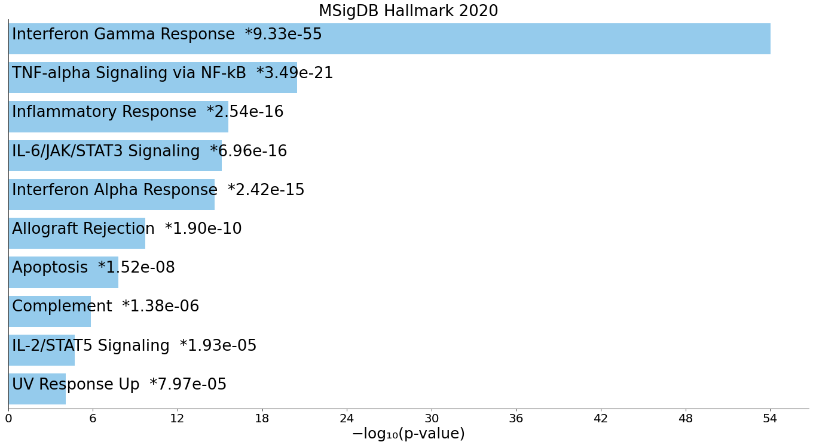
IL-2/STAT5 Signaling | 6 of 199 | 1.93E-05 | 6.65E-05 | 12.280414508 | 133.30074933 | IFITM3;CXCL10;PNP;PIM1;CAPG;CD44
UV Response Up | 5 of 158 | 7.97E-05 | 2.47E-04 | 12.6816609 | 119.68008085 | NFKBIA;IL6;GCH1;SOD2;ICAM1
Hypoxia | 4 of 200 | 0.0023746314271 | 0.0056625826338 | 7.7503924647 | 46.834947706 | CDKN1A;IL6;PIM1;GAPDH
Xenobiotic Metabolism | 4 of 200 | 0.0023746314271 | 0.0056625826338 | 7.7503924647 | 46.834947706 | ARG2;GCH1;ARG1;UPP1
KRAS Signaling Up | 4 of 200 | 0.0023746314271 | 0.0056625826338 | 7.7503924647 | 46.834947706 | CXCL10;CFH;ARG1;PTGS2
mTORC1 Signaling | 3 of 200 | 0.018523163468 | 0.035888629219 | 5.6738818121 | 22.631601045 | CDKN1A;PNP;GAPDH
Epithelial Mesenchymal Transition | 3 of 200 | 0.018523163468 | 0.035888629219 | 5.6738818121 | 22.631601045 | IL6;CAPG;CD44
p53 Pathway | 3 of 200 | 0.018523163468 | 0.035888629219 | 5.6738818121 | 22.631601045 | PROCR;CDKN1A;UPP1
PI3K/AKT/mTOR Signaling | 2 of 105 | 0.034985892559 | 0.063797804078 | 7.1344839986 | 23.920571924 | CDKN1A;MYD88
Unfolded Protein Response | 2 of 113 | 0.039979413023 | 0.06885343354 | 6.6176176176 | 21.304696163 | EIF4A1;CCL2
Coagulation | 2 of 138 | 0.057154069365 | 0.093251376333 | 5.394335512 | 15.438613515 | CFH;SERPING1
DNA Repair | 2 of 150 | 0.066160066965 | 0.1025481038 | 4.953953954 | 13.453344836 | PNP;PDE4B
Estrogen Response Late | 2 of 200 | 0.10799756436 | 0.15942497596 | 3.6936026936 | 8.2206542928 | CD44;ASS1
Reactive Oxygen Species Pathway | 1 of 49 | 0.12851567439 | 0.18109026845 | 7.5363636364 | 15.462390451 | SOD2
Pperoxisome | 1 of 104 | 0.25350201435 | 0.34167662804 | 3.5023830538 | 4.8066127482 | SOD2
Fatty Acid Metabolism | 1 of 158 | 0.35902841135 | 0.43084184972 | 2.2914881297 | 2.3472944665 | UBE2L6
G2-M Checkpoint | 1 of 200 | 0.43084184972 | 0.43084184972 | 1.8040201005 | 1.5190105313 | HIF1A
Estrogen Response Early | 1 of 200 | 0.43084184972 | 0.43084184972 | 1.8040201005 | 1.5190105313 | CD44
Myogenesis | 1 of 200 | 0.43084184972 | 0.43084184972 | 1.8040201005 | 1.5190105313 | CDKN1A
Apical Junction | 1 of 200 | 0.43084184972 | 0.43084184972 | 1.8040201005 | 1.5190105313 | ICAM1
E2F Targets | 1 of 200 | 0.43084184972 | 0.43084184972 | 1.8040201005 | 1.5190105313 | CDKN1A
Myc Targets V1 | 1 of 200 | 0.43084184972 | 0.43084184972 | 1.8040201005 | 1.5190105313 | EIF4A1
Glycolysis | 1 of 200 | 0.43084184972 | 0.43084184972 | 1.8040201005 | 1.5190105313 | CD44

Table 3 TRRUSTTFs MvsPq05FC1.5
Term | Overlap | P-value | Adjusted P-value | Odds Ratio | Combined Score | Genes
RELA human | 18 of 301 | 1.20E-19 | 2.98E-17 | 32.908499163 | 1433.8478868 | CDKN1A;NOS2;PTGS2;SOD2;HIF1A;ICAM1;MMP12;NFKBIA;SOCS3;CXCL10;IL6;CCL4;CCL3;CD38;CCL2;UPP1;CCL19;TLR2
NFKB1 human | 17 of 303 | 4.28E-18 | 5.33E-16 | 29.961090192 | 1198.1996502 | CDKN1A;NOS2;PTGS2;SOD2;HIF1A;ICAM1;NFKBIA;SOCS3;CXCL10;IL6;CCL4;CCL3;CD38;CCL2;UPP1;CCL19;TLR2
STAT1 human | 11 of 84 | 4.65E-16 | 3.86E-14 | 66.539117199 | 2349.198514 | SOCS3;CXCL10;CDKN1A;IL6;NOS2;PIM1;CCL3;CCL2;UPP1;PTGS2;ICAM1
RELA mouse | 11 of 121 | 2.96E-14 | 1.84E-12 | 44.075555556 | 1373.0305511 | PTPN1;CXCL10;IL6;NOS2;CD38;CCL2;UPP1;PTGS2;SOD2;ICAM1;TLR2
NFKB1 mouse | 12 of 200 | 2.73E-13 | 1.36E-11 | 28.659574468 | 829.14938435 | NFKBIA;CXCL10;CDKN1A;IL6;NOS2;CD38;PLA2G4A;CCL2;UPP1;PTGS2;SOD2;TLR2
STAT3 human | 9 of 142 | 2.03E-10 | 8.41E-09 | 28.523276276 | 636.64052272 | SOCS3;CDKN1A;IL6;PIM1;CCL2;PTGS2;HIF1A;MYD88;ICAM1
REL human | 5 of 22 | 3.64E-09 | 1.29E-07 | 114.91926182 | 2233.0496326 | CDKN1A;IL6;CCL2;SOD2;ICAM1
IRF1 mouse | 5 of 25 | 7.30E-09 | 2.27E-07 | 97.666666667 | 1829.8780773 | CXCL10;CDKN1A;NOS2;UPP1;MYD88
IKBKB mouse | 4 of 12 | 2.68E-08 | 7.42E-07 | 191.69230769 | 3341.9512428 | NFKBIA;CXCL10;CCL19;PTGS2
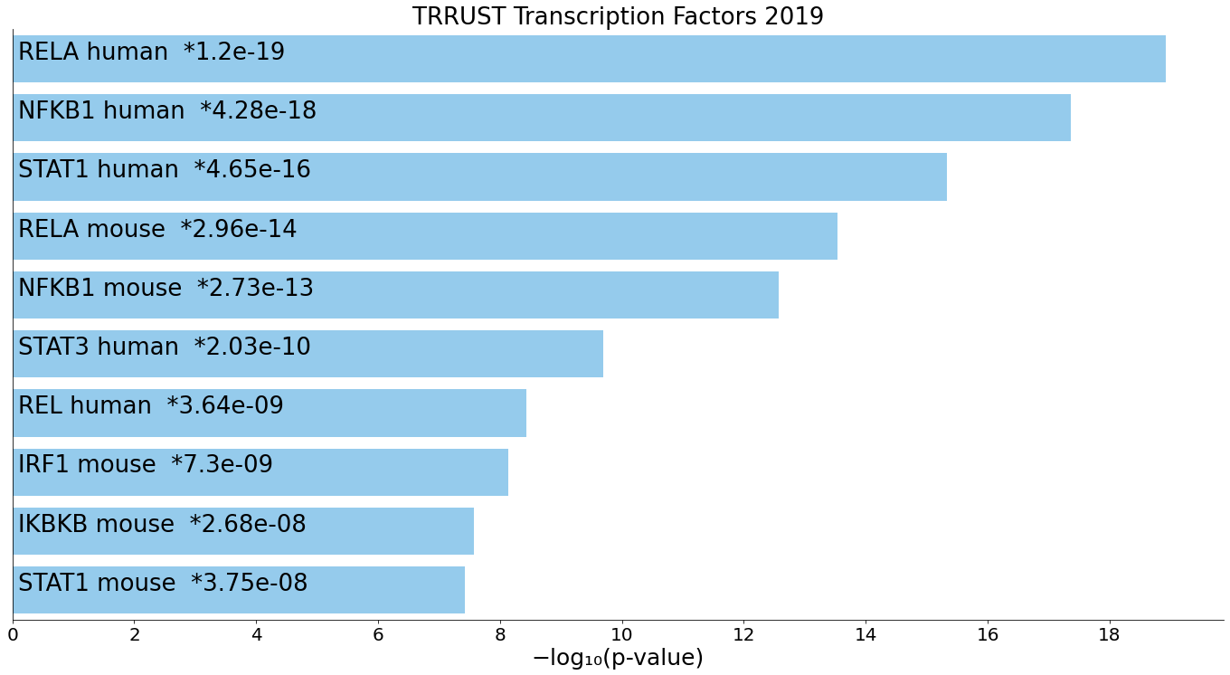
STAT1 mouse | 5 of 34 | 3.75E-08 | 9.33E-07 | 67.325895876 | 1151.2234784 | SOCS3;CXCL10;IL6;NOS2;UPP1
SP1 mouse | 9 of 270 | 5.67E-08 | 1.28E-06 | 14.440939105 | 240.94651813 | SOCS3;CDKN1A;IL6;CCL2;NR1H3;PTGS2;SOD2;ICAM1;TLR2
JUN mouse | 7 of 131 | 7.82E-08 | 1.62E-06 | 22.834101382 | 373.67106956 | MMP12;SOCS3;IL6;NOS2;CCL2;PTGS2;ICAM1
JUN human | 7 of 149 | 1.89E-07 | 3.62E-06 | 19.921529175 | 308.42610956 | MMP12;CDKN1A;IL6;NOS2;CCL2;PTGS2;SOD2
XBP1 human | 4 of 19 | 2.07E-07 | 3.68E-06 | 102.2 | 1572.9063298 | IL6;NOS2;CCL2;SOD2
CEBPA human | 5 of 51 | 3.05E-07 | 5.07E-06 | 42.408354646 | 636.21666199 | SOCS3;IL6;CCL2;GAPDH;ICAM1
EP300 mouse | 5 of 60 | 6.96E-07 | 1.08E-05 | 35.452762923 | 502.63382059 | SOCS3;CDKN1A;IL6;NOS2;PTGS2
HDAC1 mouse | 4 of 28 | 1.07E-06 | 1.57E-05 | 63.846153846 | 877.55110185 | NFKBIA;CDKN1A;IL6;NOS2
JUND human | 4 of 34 | 2.40E-06 | 3.22E-05 | 51.061538462 | 660.71940691 | CDKN1A;IL6;NOS2;PTGS2
HDAC2 mouse | 3 of 10 | 2.46E-06 | 3.22E-05 | 161.21563342 | 2082.1251361 | NFKBIA;CDKN1A;NOS2
STAT3 mouse | 5 of 79 | 2.76E-06 | 3.44E-05 | 26.324854266 | 336.97049558 | SOCS3;IL6;PNP;NOS2;HIF1A
STAT2 human | 3 of 11 | 3.38E-06 | 4.00E-05 | 141.05660377 | 1777.128062 | NOS2;CCL2;PTGS2
PPARA human | 4 of 39 | 4.21E-06 | 4.77E-05 | 43.756043956 | 541.57146182 | NFKBIA;IL6;PTGS2;SOD2
CEBPB mouse | 4 of 42 | 5.70E-06 | 6.17E-05 | 40.295546559 | 486.5768713 | SOCS3;CDKN1A;IL6;PTGS2
AR human | 5 of 93 | 6.18E-06 | 6.41E-05 | 22.121212121 | 265.33713739 | PTPN1;CDKN1A;ARG2;ARG1;PTGS2
PPARA mouse | 4 of 46 | 8.24E-06 | 8.21E-05 | 36.450549451 | 426.70844112 | MMP12;NFKBIA;IL6;PTGS2
SIRT1 human | 4 of 48 | 9.78E-06 | 9.37E-05 | 34.79020979 | 401.29458152 | CDKN1A;CFH;HIF1A;ICAM1
NR1H3 mouse | 3 of 17 | 1.38E-05 | 1.27E-04 | 80.579514825 | 902.04345788 | ARG2;NOS2;NR1H3
SMARCA4 mouse | 3 of 19 | 1.95E-05 | 1.74E-04 | 70.5 | 764.51962947 | NFKBIA;CDKN1A;CD44
AHR mouse | 3 of 22 | 3.08E-05 | 2.65E-04 | 59.359483615 | 616.56293532 | IL6;PLA2G4A;PTGS2
PPARG human | 4 of 66 | 3.49E-05 | 2.90E-04 | 24.667493797 | 253.15441935 | CDKN1A;NR1H3;PTGS2;ICAM1
CEBPA mouse | 3 of 24 | 4.04E-05 | 3.24E-04 | 53.700808625 | 543.32376443 | NOS2;NR1H3;PTGS2
HDAC1 human | 4 of 71 | 4.66E-05 | 3.60E-04 | 22.820895522 | 227.62296593 | CDKN1A;PTGS2;CD44;ICAM1
SP1 human | 8 of 472 | 4.77E-05 | 3.60E-04 | 6.9971264368 | 69.629529741 | CDKN1A;IL6;CCL2;PTGS2;SOD2;CD44;ICAM1;TLR2
RARA human | 3 of 26 | 5.16E-05 | 3.78E-04 | 49.026251025 | 483.94509327 | HCK;CDKN1A;ICAM1
REL mouse | 3 of 28 | 6.48E-05 | 4.61E-04 | 45.099622642 | 434.94072204 | NOS2;CCL2;SOD2
HIF1A human | 4 of 83 | 8.59E-05 | 5.78E-04 | 19.342745862 | 181.08631993 | GAPDH;HIF1A;ASS1;TLR2
SP3 mouse | 4 of 83 | 8.59E-05 | 5.78E-04 | 19.342745862 | 181.08631993 | SOCS3;CDKN1A;IL6;PTGS2
TRP53 mouse | 5 of 167 | 1.04E-04 | 6.78E-04 | 11.97167756 | 109.85057936 | CDKN1A;FPR1;UPP1;PTGS2;SOD2
EGR1 human | 4 of 88 | 1.08E-04 | 6.89E-04 | 18.186813187 | 166.12087889 | CDKN1A;IL6;PTGS2;HIF1A
FOXO4 human | 2 of 6 | 1.15E-04 | 6.96E-04 | 184.62962963 | 1675.2248918 | SOD2;HIF1A
IKBKB human | 2 of 6 | 1.15E-04 | 6.96E-04 | 184.62962963 | 1675.2248918 | NOS2;CD44
ATF4 human | 3 of 35 | 1.28E-04 | 7.57E-04 | 35.221698113 | 315.79094004 | IL6;CCL2;PTGS2
MYC human | 4 of 100 | 1.77E-04 | 0.0010250217729 | 15.903846154 | 137.39800592 | CDKN1A;IL6;CD38;ASS1
KLF4 human | 3 of 40 | 1.91E-04 | 0.0010801599661 | 30.45436002 | 260.80837989 | IFITM3;CDKN1A;IL6
ZFP36 human | 2 of 8 | 2.13E-04 | 0.0011801833758 | 123.07407407 | 1040.3298692 | IL6;HIF1A
EGR2 human | 2 of 9 | 2.74E-04 | 0.0014199872852 | 105.48677249 | 865.34589052 | IL6;PTGS2
HIPK2 human | 2 of 9 | 2.74E-04 | 0.0014199872852 | 105.48677249 | 865.34589052 | CDKN1A;HIF1A
SMARCA4 human | 2 of 9 | 2.74E-04 | 0.0014199872852 | 105.48677249 | 865.34589052 | CDKN1A;CD44
ABL1 human | 2 of 10 | 3.42E-04 | 0.0017356368933 | 92.296296296 | 736.71027803 | CDKN1A;PIM1
NCOA1 mouse | 2 of 11 | 4.17E-04 | 0.0020344838936 | 82.037037037 | 638.50577488 | NFKBIA;CDKN1A
STAT4 human | 2 of 11 | 4.17E-04 | 0.0020344838936 | 82.037037037 | 638.50577488 | SOCS3;PIM1
APC human | 2 of 12 | 4.99E-04 | 0.0023901310426 | 73.82962963 | 561.29834291 | NOS2;PTGS2
EP300 human | 3 of 56 | 5.19E-04 | 0.0023923152756 | 21.243503026 | 160.6850602 | CDKN1A;IL6;PTGS2
FOS mouse | 3 of 56 | 5.19E-04 | 0.0023923152756 | 21.243503026 | 160.6850602 | SOCS3;IL6;NOS2
ATF4 mouse | 2 of 13 | 5.89E-04 | 0.0025722923953 | 67.114478114 | 499.15449627 | CDKN1A;IL6
FLI1 mouse | 2 of 13 | 5.89E-04 | 0.0025722923953 | 67.114478114 | 499.15449627 | CCL2;UPP1
HDAC7 human | 2 of 13 | 5.89E-04 | 0.0025722923953 | 67.114478114 | 499.15449627 | CDKN1A;HIF1A
CEBPB human | 3 of 60 | 6.35E-04 | 0.0027279278963 | 19.748758689 | 145.37501385 | CDKN1A;IL6;PTGS2
TBP human | 2 of 15 | 7.90E-04 | 0.0031720310677 | 56.783475783 | 405.64421205 | CDKN1A;IL6
ING4 human | 2 of 15 | 7.90E-04 | 0.0031720310677 | 56.783475783 | 405.64421205 | CDKN1A;PTGS2
IRF3 human | 2 of 15 | 7.90E-04 | 0.0031720310677 | 56.783475783 | 405.64421205 | CXCL10;CCL2
JUNB human | 2 of 15 | 7.90E-04 | 0.0031720310677 | 56.783475783 | 405.64421205 | CDKN1A;PTGS2
CEBPD human | 2 of 17 | 0.0010193400071 | 0.0039048563349 | 49.207407407 | 338.97014238 | PTGS2;GAPDH
HMGA1 human | 2 of 17 | 0.0010193400071 | 0.0039048563349 | 49.207407407 | 338.97014238 | PTGS2;CD44
MYB mouse | 2 of 17 | 0.0010193400071 | 0.0039048563349 | 49.207407407 | 338.97014238 | CDKN1A;PTGS2
TFAP2A human | 3 of 71 | 0.001038455179 | 0.0039178081753 | 16.544950055 | 113.66415557 | CDKN1A;PTGS2;SOD2
TCF4 mouse | 2 of 19 | 0.0012770751216 | 0.0044787564124 | 43.413943355 | 289.27504399 | PTGS2;CD44
KLF4 mouse | 2 of 19 | 0.0012770751216 | 0.0044787564124 | 43.413943355 | 289.27504399 | NOS2;PTGS2
NFKBIA human | 2 of 19 | 0.0012770751216 | 0.0044787564124 | 43.413943355 | 289.27504399 | NOS2;ICAM1
NR3C1 mouse | 2 of 19 | 0.0012770751216 | 0.0044787564124 | 43.413943355 | 289.27504399 | NFKBIA;PTGS2
PML human | 2 of 19 | 0.0012770751216 | 0.0044787564124 | 43.413943355 | 289.27504399 | HCK;CDKN1A
KLF6 human | 2 of 20 | 0.0014164270511 | 0.0048984768849 | 41 | 268.94432732 | CDKN1A;NOS2
CTNNB1 human | 2 of 22 | 0.001715906184 | 0.005852885477 | 36.896296296 | 234.94875029 | PTGS2;CD44
FOXM1 mouse | 2 of 23 | 0.0018759564643 | 0.0063123399947 | 35.137566138 | 220.61601003 | SOCS3;PTGS2
HDAC4 human | 2 of 24 | 0.0020428295289 | 0.006782194036 | 33.538720539 | 207.71936271 | CDKN1A;PTGS2
TWIST2 human | 2 of 25 | 0.0022164873001 | 0.0071676017887 | 32.078904992 | 196.0608663 | CD44;ICAM1
CREBBP human | 2 of 25 | 0.0022164873001 | 0.0071676017887 | 32.078904992 | 196.0608663 | CDKN1A;PTGS2
ERG human | 2 of 27 | 0.0025840054229 | 0.0081445234215 | 29.50962963 | 175.83060786 | PIM1;ICAM1
HDAC2 human | 2 of 27 | 0.0025840054229 | 0.0081445234215 | 29.50962963 | 175.83060786 | CDKN1A;CCL2
ATF2 human | 2 of 32 | 0.0036188970566 | 0.01085669117 | 24.585185185 | 138.20773235 | CDKN1A;PTGS2
CDX2 human | 2 of 32 | 0.0036188970566 | 0.01085669117 | 24.585185185 | 138.20773235 | CDKN1A;PTGS2
ETS2 human | 2 of 32 | 0.0036188970566 | 0.01085669117 | 24.585185185 | 138.20773235 | CDKN1A;ICAM1
LEF1 mouse | 2 of 32 | 0.0036188970566 | 0.01085669117 | 24.585185185 | 138.20773235 | CCL7;PTGS2
TWIST1 human | 2 of 35 | 0.0043179557537 | 0.012799654556 | 22.346801347 | 121.6777343 | CD44;ICAM1
CREBBP mouse | 2 of 41 | 0.0058872481684 | 0.017246174046 | 18.903133903 | 97.066961124 | SOCS3;IL6
VDR human | 2 of 42 | 0.0061705664583 | 0.01786594242 | 18.42962963 | 93.769303825 | CDKN1A;IL6
MYCN human | 2 of 45 | 0.0070571303521 | 0.020197993766 | 17.141257537 | 84.912935018 | CDKN1A;CD44
USF2 human | 2 of 47 | 0.0076783296703 | 0.021726182817 | 16.377777778 | 79.74918539 | PTGS2;HIF1A
E2F1 mouse | 2 of 49 | 0.0083233296161 | 0.023027878604 | 15.67927502 | 75.08323312 | CDKN1A;NOS2
FOXO1 mouse | 2 of 49 | 0.0083233296161 | 0.023027878604 | 15.67927502 | 75.08323312 | CDKN1A;CCL2
PPARG mouse | 2 of 50 | 0.0086546685435 | 0.023681455685 | 15.351851852 | 72.91602121 | PTGS2;SOD2
IRF1 human | 2 of 51 | 0.0089918543733 | 0.024336649336 | 15.037792895 | 70.849601529 | CXCL10;CDKN1A
BRCA1 human | 2 of 57 | 0.011135852938 | 0.029498163633 | 13.393265993 | 60.237357342 | CDKN1A;HIF1A
FOS human | 2 of 57 | 0.011135852938 | 0.029498163633 | 13.393265993 | 60.237357342 | NOS2;PTGS2
ETS1 mouse | 2 of 59 | 0.011895763445 | 0.031179422083 | 12.92202729 | 57.264906667 | CCL2;PTGS2
CTNNB1 mouse | 2 of 62 | 0.013077132854 | 0.033569134852 | 12.274074074 | 53.231311047 | CCL7;PTGS2
...

