1E
Membrane & ECM
ID | Term | Ontology Source | Term PValue | Term PValue Corrected with Bonferroni step down | Group PValue | Group PValue Corrected with Bonferroni step down | GOLevels | GOGroups | % Associated Genes | Nr. Genes | Associated Genes Found
GO:0098797 | plasma membrane protein complex | GO_CellularComponent-GOA_17.11.2016_10h53 | 0.00 | 0.00 | 0.00 | 0.00 | [3, 4, 5, 6] | Group1 | 6.35 | 4.00 | [aph-2, dys-1, gpa-7, pat-2]
GO:0031012 | extracellular matrix | GO_CellularComponent-GOA_17.11.2016_10h53 | 0.00 | 0.00 | 0.00 | 0.00 | [2, 3] | Group2 | 15.15 | 10.00 | [dig-1, emb-9, fbl-1, gon-1, let-2, mig-6, pxf-1, pxn-1, pxn-2, unc-52]
GO:0044420 | extracellular matrix component | GO_CellularComponent-GOA_17.11.2016_10h53 | 0.00 | 0.00 | 0.00 | 0.00 | [2, 3, 4] | Group2 | 25.00 | 7.00 | [emb-9, fbl-1, gon-1, let-2, mig-6, pxn-2, unc-52]
GO:0005578 | proteinaceous extracellular matrix | GO_CellularComponent-GOA_17.11.2016_10h53 | 0.00 | 0.00 | 0.00 | 0.00 | [3, 4] | Group2 | 15.79 | 9.00 | [dig-1, emb-9, fbl-1, gon-1, let-2, mig-6, pxf-1, pxn-2, unc-52]
GO:0005604 | basement membrane | GO_CellularComponent-GOA_17.11.2016_10h53 | 0.00 | 0.00 | 0.00 | 0.00 | [3, 4, 5] | Group2 | 31.82 | 7.00 | [emb-9, fbl-1, gon-1, let-2, mig-6, pxn-2, unc-52]
GO:0019898 | extrinsic component of membrane | GO_CellularComponent-GOA_17.11.2016_10h53 | 0.01 | 0.05 | 0.00 | 0.00 | [2, 3] | Group06 | 3.51 | 4.00 | [egl-10, hmp-1, hmp-2, jac-1]
GO:0005912 | adherens junction | GO_CellularComponent-GOA_17.11.2016_10h53 | 0.00 | 0.00 | 0.00 | 0.00 | [3] | Group06 | 13.89 | 5.00 | [deb-1, hmp-1, hmp-2, jac-1, let-502]
GO:0005913 | cell-cell adherens junction | GO_CellularComponent-GOA_17.11.2016_10h53 | 0.00 | 0.00 | 0.00 | 0.00 | [3, 4] | Group06 | 28.57 | 4.00 | [hmp-1, hmp-2, jac-1, let-502]
GO:0019897 | extrinsic component of plasma membrane | GO_CellularComponent-GOA_17.11.2016_10h53 | 0.00 | 0.03 | 0.00 | 0.00 | [3, 4, 5, 6] | Group06 | 4.88 | 4.00 | [egl-10, hmp-1, hmp-2, jac-1]
GO:0098797 | plasma membrane protein complex | GO_CellularComponent-GOA_17.11.2016_10h53 | 0.00 | 0.00 | 0.00 | 0.00 | [3, 4, 5, 6] | Group06 | 7.94 | 5.00 | [chc-1, egl-10, hmp-1, hmp-2, jac-1]
GO:0016342 | catenin complex | GO_CellularComponent-GOA_17.11.2016_10h53 | 0.00 | 0.00 | 0.00 | 0.00 | [4, 5, 6, 7] | Group06 | 37.50 | 3.00 | [hmp-1, hmp-2, jac-1]
GO:0008074 | guanylate cyclase complex, soluble | GO_CellularComponent-GOA_17.11.2016_10h53 | 0.00 | 0.00 | 0.00 | 0.00 | [3, 5, 6, 7, 8, 9] | Group1 | 25.81 | 8.00 | [daf-11, gcy-19, gcy-28, gcy-31, gcy-36, gcy-4, gcy-7, odr-1]
GO:1905360 | GTPase complex | GO_CellularComponent-GOA_17.11.2016_10h53 | 0.00 | 0.00 | 0.02 | 0.02 | [3] | Group5 | 12.00 | 3.00 | [goa-1, gpa-2, gpa-5]
GO:0019897 | extrinsic component of plasma membrane | GO_CellularComponent-GOA_17.11.2016_10h53 | 0.01 | 0.02 | 0.02 | 0.02 | [3, 4, 5, 6] | Group5 | 3.66 | 3.00 | [goa-1, gpa-2, gpa-5]
GO:0098797 | plasma membrane protein complex | GO_CellularComponent-GOA_17.11.2016_10h53 | 0.00 | 0.02 | 0.02 | 0.02 | [3, 4, 5, 6] | Group5 | 4.76 | 3.00 | [goa-1, gpa-2, gpa-5]
GO:0031234 | extrinsic component of cytoplasmic side of plasma membrane | GO_CellularComponent-GOA_17.11.2016_10h53 | 0.00 | 0.02 | 0.02 | 0.02 | [3, 4, 5, 6, 7] | Group5 | 4.55 | 3.00 | [goa-1, gpa-2, gpa-5]
GO:0005834 | heterotrimeric G-protein complex | GO_CellularComponent-GOA_17.11.2016_10h53 | 0.00 | 0.00 | 0.02 | 0.02 | [3, 4, 5, 6, 7, 8] | Group5 | 12.00 | 3.00 | [goa-1, gpa-2, gpa-5]
GO:0045177 | apical part of cell | GO_CellularComponent-GOA_17.11.2016_10h53 | 0.00 | 0.00 | 0.00 | 0.00 | [2, 3] | Group09 | 9.09 | 7.00 | [chc-1, dyn-1, ifb-2, lrp-1, mtm-1, par-3, wts-1]
GO:0016324 | apical plasma membrane | GO_CellularComponent-GOA_17.11.2016_10h53 | 0.00 | 0.02 | 0.00 | 0.00 | [3, 4, 5, 6, 7] | Group09 | 6.25 | 4.00 | [chc-1, lrp-1, mtm-1, wts-1]
GO:0045177 | apical part of cell | GO_CellularComponent-GOA_17.11.2016_10h53 | 0.00 | 0.00 | 0.00 | 0.00 | [2, 3] | Group4 | 9.09 | 7.00 | [asp-1, lys-1, noca-1, pan-1, pgp-1, pgp-3, snap-29]
GO:0098590 | plasma membrane region | GO_CellularComponent-GOA_17.11.2016_10h53 | 0.00 | 0.00 | 0.00 | 0.00 | [2, 3, 4, 5, 6] | Group4 | 3.70 | 7.00 | [asp-1, che-3, noca-1, pan-1, pgp-1, pgp-3, snap-29]
GO:0016324 | apical plasma membrane | GO_CellularComponent-GOA_17.11.2016_10h53 | 0.00 | 0.00 | 0.00 | 0.00 | [3, 4, 5, 6, 7] | Group4 | 9.38 | 6.00 | [asp-1, noca-1, pan-1, pgp-1, pgp-3, snap-29]

Cilia & dendrites
ID | Term | Ontology Source | Term PValue | Term PValue Corrected with Bonferroni step down | Group PValue | Group PValue Corrected with Bonferroni step down | GOLevels | GOGroups | % Associated Genes | Nr. Genes | Associated Genes Found
GO:0030425 | dendrite | GO_CellularComponent-GOA_17.11.2016_10h53 | 0.02 | 0.04 | 0.00 | 0.01 | [4, 5] | Group02 | 3.66 | 3.00 | [akt-1, dlk-1, egl-10]
GO:0030425 | dendrite | GO_CellularComponent-GOA_17.11.2016_10h53 | 0.02 | 0.04 | 0.00 | 0.00 | [4, 5] | Group05 | 3.66 | 3.00 | [akt-1, dlk-1, egl-10]
GO:0005929 | cilium | GO_CellularComponent-GOA_17.11.2016_10h53 | 0.00 | 0.02 | 0.00 | 0.01 | [2, 3, 4] | Group2 | 3.10 | 4.00 | [daf-11, gcy-9, gpa-2, odr-1]
GO:0097730 | non-motile cilium | GO_CellularComponent-GOA_17.11.2016_10h53 | 0.00 | 0.00 | 0.00 | 0.01 | [3, 4, 5] | Group2 | 5.63 | 4.00 | [daf-11, gcy-9, gpa-2, odr-1]
GO:0036477 | somatodendritic compartment | GO_CellularComponent-GOA_17.11.2016_10h53 | 0.00 | 0.00 | 0.00 | 0.00 | [3, 4] | Group3 | 4.29 | 9.00 | [daf-11, daf-9, gcy-28, gcy-36, gcy-9, gpa-2, gpa-5, lite-1, tsp-17]
GO:0030425 | dendrite | GO_CellularComponent-GOA_17.11.2016_10h53 | 0.00 | 0.00 | 0.00 | 0.00 | [4, 5] | Group3 | 6.10 | 5.00 | [daf-11, gcy-28, gcy-36, lite-1, tsp-17]
GO:0030425 | dendrite | GO_CellularComponent-GOA_17.11.2016_10h53 | 0.01 | 0.18 | 0.01 | 0.07 | [4, 5] | Group03 | 4.88 | 4.00 | [egl-9, elp-1, uev-1, uev-3]

Cell body & cytoplasm
ID | Term | Ontology Source | Term PValue | Term PValue Corrected with Bonferroni step down | Group PValue | Group PValue Corrected with Bonferroni step down | GOLevels | GOGroups | % Associated Genes | Nr. Genes | Associated Genes Found
...
 |  |  |  |  |  |  | ced-6 | ppm-2 | ads-1 |  |  | Cilia and dendrites |  | 17 | 2.7
 |  |  |  |  |  |  | chc-1 | syd-2 | akt-1 |  |  | Cell body and cytoplasm |  | 177 | 28.1
 |  |  |  |  |  |  | copz-1 |  | ash-2 |  |  | Nucleus |  | 114 | 18.1
 |  |  |  |  |  |  | cpl-1 |  | asp-3 |  |  | Golgi apparatus |  | 25 | 4.0
 |  |  |  |  |  |  | dlk-1 |  | cdc-48.1 |  |  | Cytoskeleton |  | 71 | 11.3
 |  |  |  |  |  |  | dyn-1 |  | ced-6 |  |  | Mitochondria |  | 77 | 12.2
 |  |  |  |  |  |  | gcy-28 |  | chc-1 |  |  | Axon and vesicles |  | 25 | 4.0
 |  |  |  |  |  |  | gpa-2 |  | cpl-1 |  |  | Presynapse |  | 3 | 0.5
 |  |  |  |  |  |  | gpa-5 |  | cpr-4 |  |  | Other |  | 75 | 11.9
 |  |  |  |  |  |  | lin-10 |  | cpr-6 |  |  |  | Sum | 630
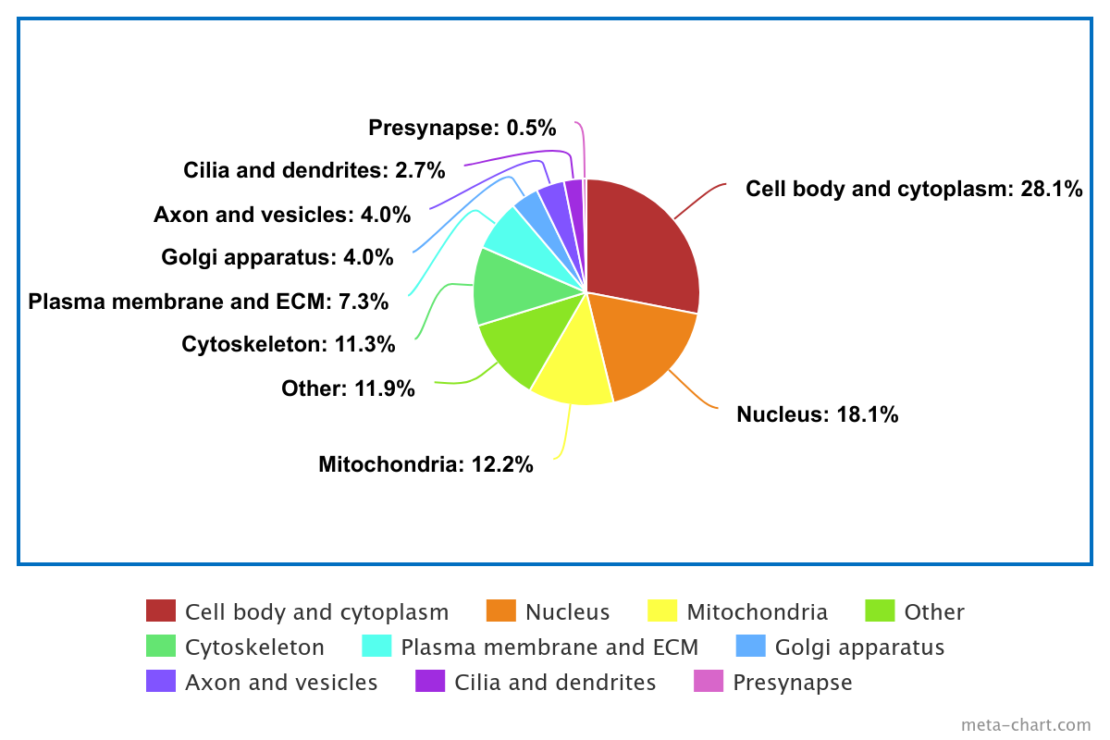
 |  |  |  |  |  |  | lite-1 |  | crt-1
 |  |  |  |  |  |  | lrp-1 |  | daf-22
 |  |  |  |  |  |  | ptp-2 |  | ddo-1
 |  |  |  |  |  |  | rab-10 |  | dyn-1
 |  |  |  |  |  |  | rab-3 |  | egl-10
 |  |  |  |  |  |  | sec-15 |  | fut-8
 |  |  |  |  |  |  | sec-5 |  | gap-2
 |  |  |  |  |  |  | sec-6 |  | gei-17
 |  |  |  |  |  |  | sec-8 |  | gld-1
 |  |  |  |  |  |  | syd-2 |  | glh-1
 |  |  |  |  |  |  | syx-2 |  | gly-13
 |  |  |  |  |  |  | tsp-17 |  | goa-1
 |  |  |  |  |  |  | vps-11 |  | gpa-2
 |  |  |  |  |  |  | vps-52 |  | gpa-5
 |  |  |  |  |  |  |  |  | gstk-2
 |  |  |  |  |  |  |  |  | hsp-3
 |  |  |  |  |  |  |  |  | hsp-4
 |  |  |  |  |  |  |  |  | htz-1
 |  |  |  |  |  |  |  |  | ife-1
 |  |  |  |  |  |  |  |  | laf-1
 |  |  |  |  |  |  |  |  | let-502
 |  |  |  |  |  |  |  |  | let-858
 |  |  |  |  |  |  |  |  | mab-20
 |  |  |  |  |  |  |  |  | mdt-19
 |  |  |  |  |  |  |  |  | mig-22
 |  |  |  |  |  |  |  |  | mrpl-11
 |  |  |  |  |  |  |  |  | mrps-14
 |  |  |  |  |  |  |  |  | mrps-15
 |  |  |  |  |  |  |  |  | npp-10 |  |  | Created with the following website: https://www.meta-chart.com/pie#/display
Cytoplasm (28.1%)
Nucleus (18.1%)
Mitochondria (12.2%)
Other (11.9%)
Cytoskeleton (11.3%)
Plasma membrane & ECM (7.3%)
Golgi apparatus (4.0%)
Axon & vesicles (4.0%)
Cilia & dendrites (2.7%)
Pre-synapse (0.5%)
 |  |  |  |  |  |  |  |  | nsf-1
 |  |  |  |  |  |  |  |  | oma-1
 |  |  |  |  |  |  |  |  | oma-2
 |  |  |  |  |  |  |  |  | paa-1
 |  |  |  |  |  |  |  |  | pad-1
 |  |  |  |  |  |  |  |  | pdi-1
 |  |  |  |  |  |  |  |  | pgam-5
 |  |  |  |  |  |  |  |  | plx-2
 |  |  |  |  |  |  |  |  | prp-19
 |  |  |  |  |  |  |  |  | rab-10
 |  |  |  |  |  |  |  |  | rde-12
 |  |  |  |  |  |  |  |  | rho-1
 |  |  |  |  |  |  |  |  | rpb-8
 |  |  |  |  |  |  |  |  | rps-13
 |  |  |  |  |  |  |  |  | rpt-1
 |  |  |  |  |  |  |  |  | rpt-2
 |  |  |  |  |  |  |  |  | rpt-3
 |  |  |  |  |  |  |  |  | rpt-4
 |  |  |  |  |  |  |  |  | rpt-5 |  |  | Graph on Meta-Chart website adapted using PowerPoint
 |  |  |  |  |  |  |  |  | rpt-6
 |  |  |  |  |  |  |  |  | snap-29
 |  |  |  |  |  |  |  |  | snr-6
 |  |  |  |  |  |  |  |  | T24B1.1
 |  |  |  |  |  |  |  |  | tomm-22
 |  |  |  |  |  |  |  |  | tomm-40
 |  |  |  |  |  |  |  |  | trr-1
...

