Sheet1
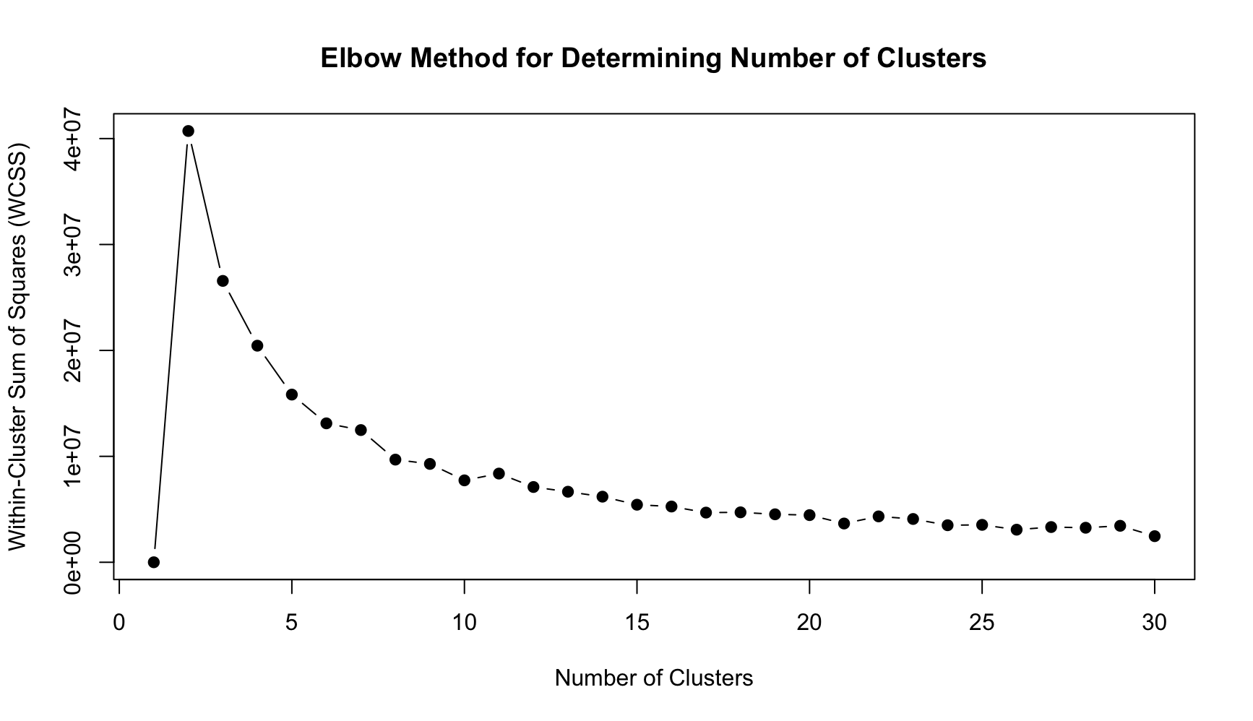
Cluster Number | Within-Cluster Sum of Squares (WCSS) | Percent Change (%)
1 | 2000
2 | 40715969 | 2035698.5%
3 | 26563513 | -34.8%
4 | 20446437 | -23.0%
5 | 15831123 | -22.6%
6 | 13115352 | -17.2%
7 | 12481226 | -4.8%
8 | 9691598 | -22.4%
9 | 9284856 | -4.2%
10 | 7732946 | -16.7%
11 | 8373748 | 8.3%
12 | 7105381 | -15.1%
13 | 6659353 | -6.3%
14 | 6192842 | -7.0%
15 | 5432596 | -12.3%
16 | 5263317 | -3.1%
17 | 4688954 | -10.9%
18 | 4714411 | 0.5%
19 | 4528373 | -3.9%
20 | 4451959 | -1.7%
21 | 3658648 | -17.8%
22 | 4331032 | 18.4%
23 | 4086592 | -5.6%
24 | 3497027 | -14.4%
25 | 3532261 | 1.0%
26 | 3076244 | -12.9%
27 | 3324368 | 8.1%
28 | 3259126 | -2.0%
29 | 3442684 | 5.6%
30 | 2464078 | -28.4%

