Differential Peaks Metrics - 1h
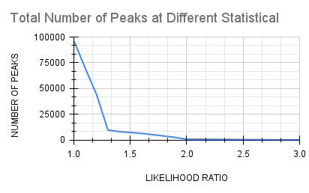
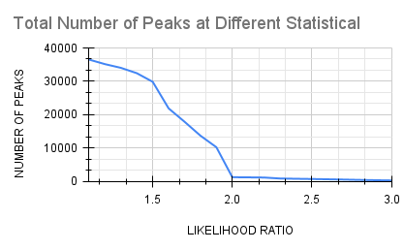
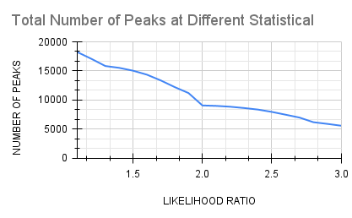
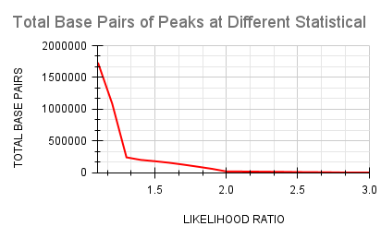
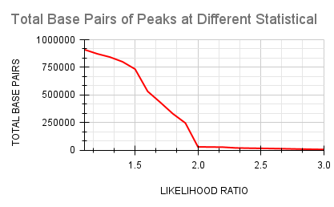
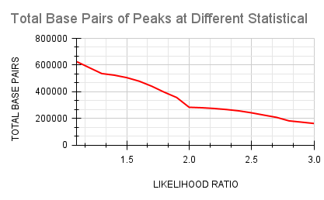
MOA1 | CUTOFF | PEAKS
GAIN | 2 | 751
SHARED | 2 | 9056
LOSS | 2 | 1227

GAIN Peaks |  |  | LOSS Peaks | SHARED Peaks

Differential Peaks Metrics - 3h
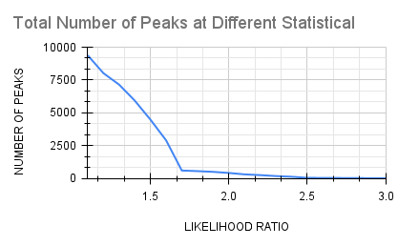

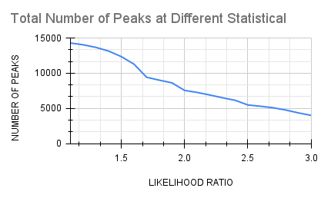
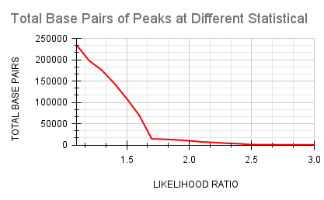

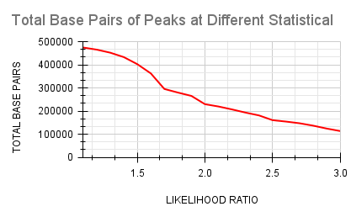
MOA3 | CUTOFF | PEAKS
GAIN | 1.7 | 600
SHARED | 2 | 7555
LOSS | 2 | 1332

GAIN Peaks |  |  | LOSS Peaks | SHARED Peaks

Differential Peaks Metrics - 24
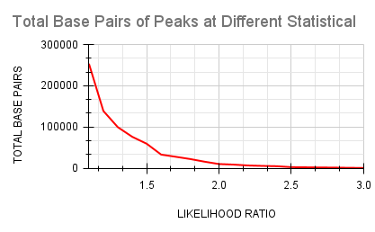
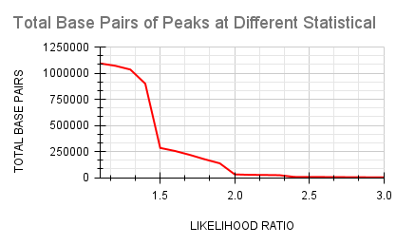
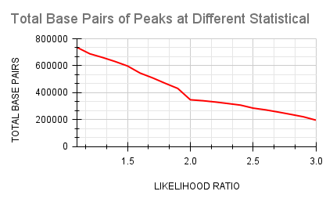
MOA24 | CUTOFF | PEAKS
GAIN | 1.6 | 1289
SHARED | 2 | 10712
LOSS | 2 | 1298

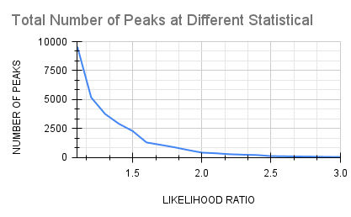
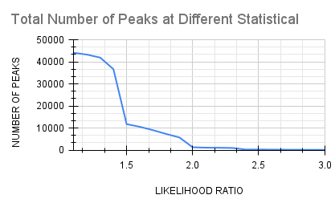
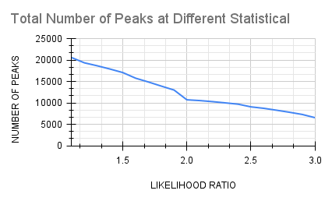
GAIN Peaks |  |  | LOSS Peaks | SHARED Peaks

