ENCODE cCREs
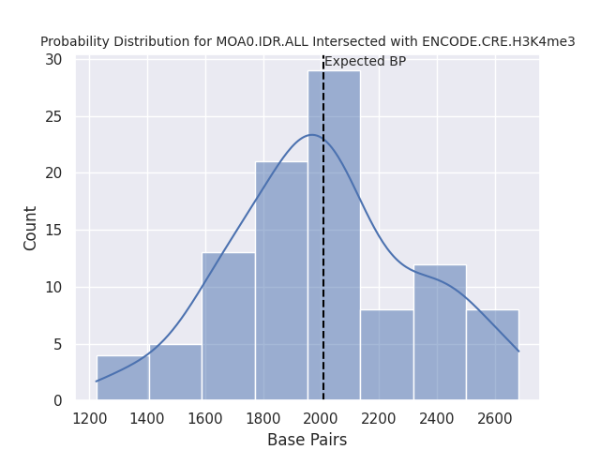
H3K4me3
Average BP (Expected) | 2010
Standard Deviation | 320
Observed BP | 39366
Z-score | 117

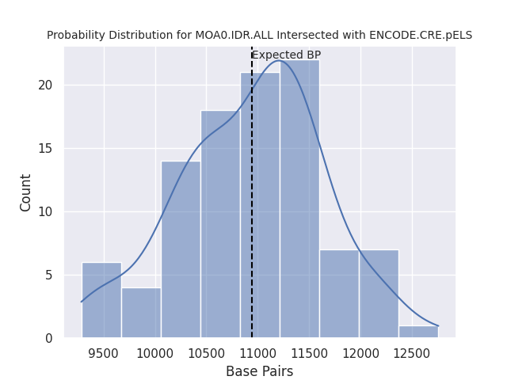
Proximal Enhancer Like Signature
Average BP (Expected) | 10941
Standard Deviation | 702
Observed BP | 55642
Z-score | 64

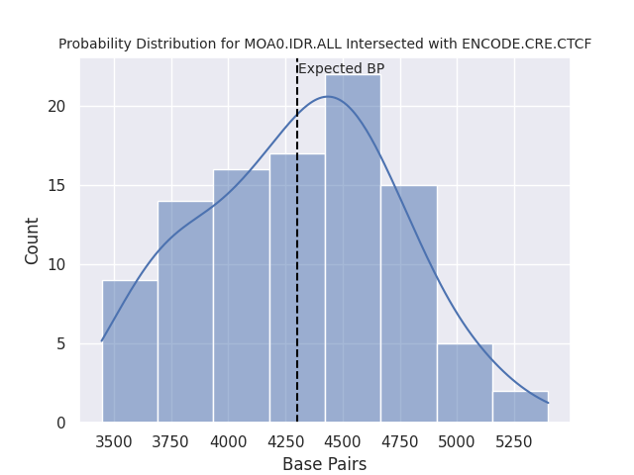
CTCF
Average BP (Expected) | 4304
Standard Deviation | 436
Observed BP | 162440
Z-score | 363

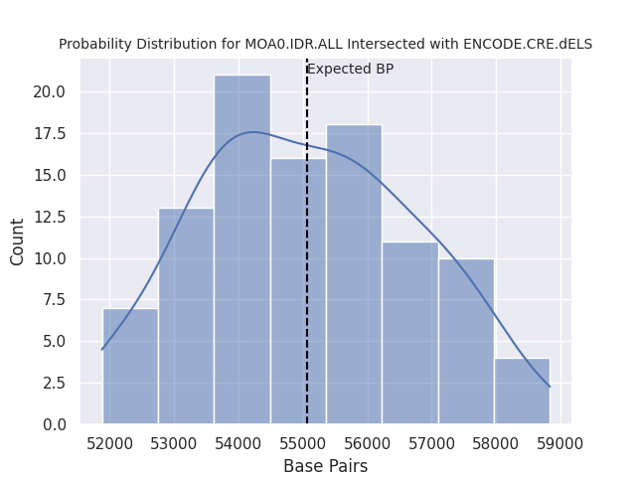
Distal Enhancer Like Signature
Average BP (Expected) | 55058
Standard Deviation | 1666
Observed BP | 413297
Z-score | 215

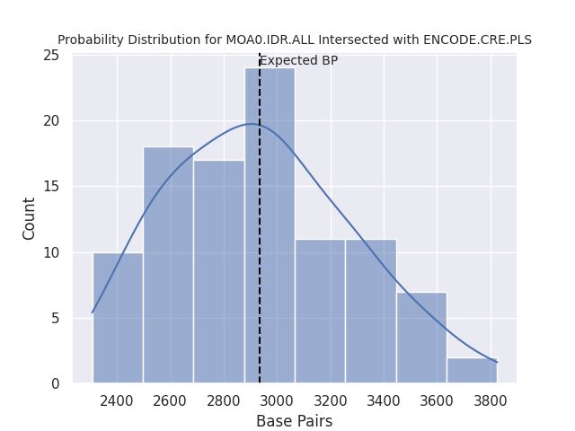
Promoter Like Signature
Average BP (Expected) | 2934
Standard Deviation | 345
Observed BP | 13695
Z-score | 31

DNase
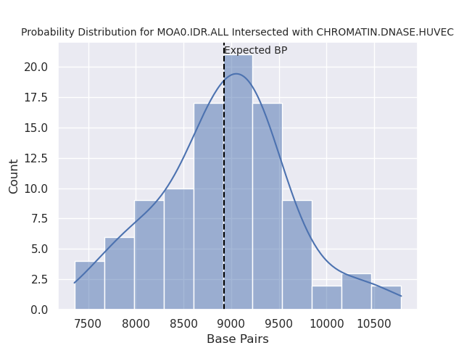
HUVEC
Average BP (Expected) | 8924
Standard Deviation | 683
Observed BP | 631319
Z-score | 912

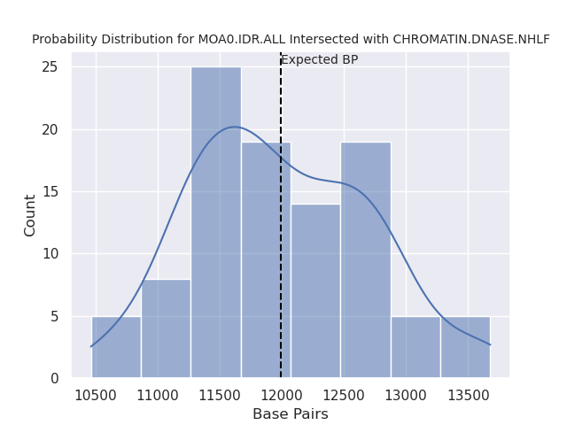
NHLF
Average BP (Expected) | 11993
Standard Deviation | 722
Observed BP | 469790
Z-score | 634

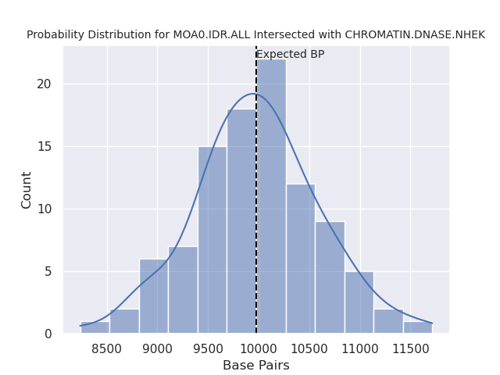
NHEK
Average BP (Expected) | 9979
Standard Deviation | 614
Observed BP | 496721
Z-score | 793

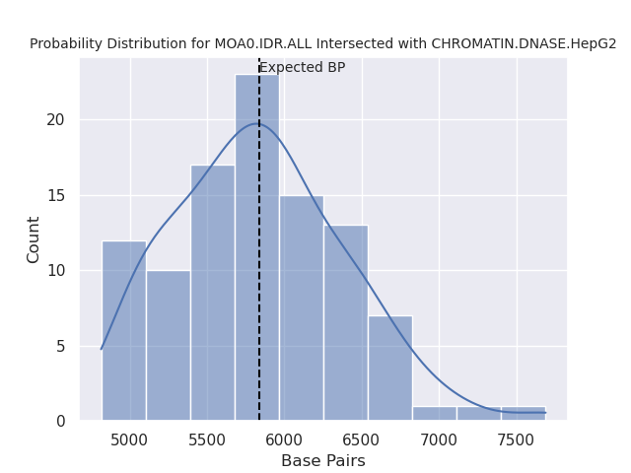
HepG2
Average BP (Expected) | 5839
Standard Deviation | 552
Observed BP | 270379
Z-score | 479

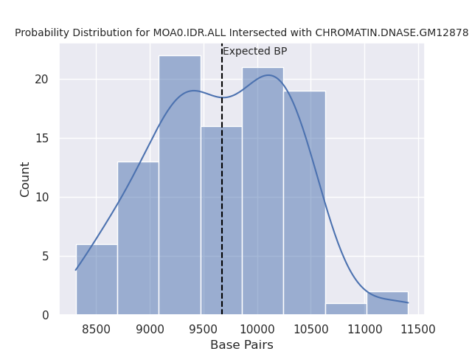
GM12878
Average BP (Expected) | 9675
Standard Deviation | 644
Observed BP | 559474
Z-score | 854

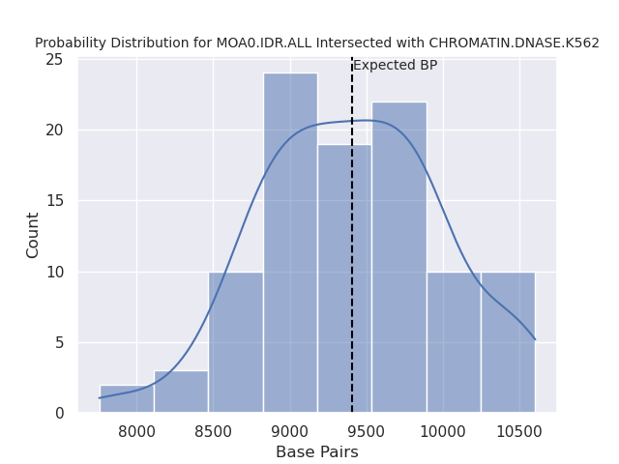
K562
Average BP (Expected) | 9410
Standard Deviation | 593
Observed BP | 477366
Z-score | 789

