1-ES-ccr2
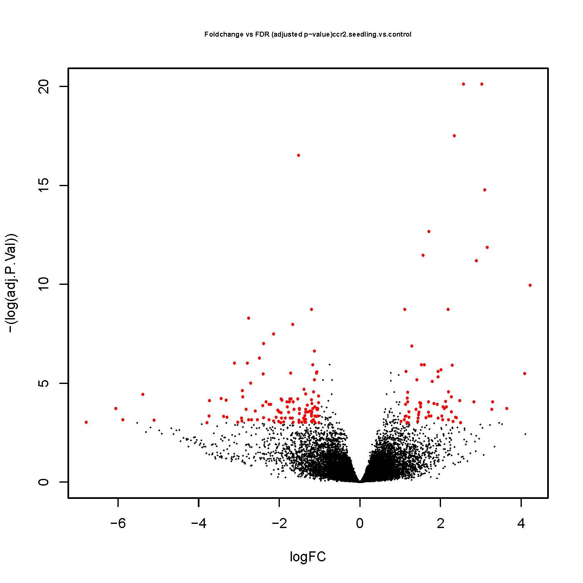
genes | Locus.Identifier | Gene.Model.Name | Gene.Model.Description | Gene.Model.Type | Primary.Gene.Symbol | logFC | AveExpr | t | P.Value | adj.P.Val | B
AT1G09530 | AT1G09530.1 | Transcription factor interacting with photoreceptors phyA and phyB. Forms a ternary complex in vitro with G-box element of the promoters of LHY, CCA1. Acts as a negative regulator of phyB signalling. It degrades rapidly after irradiation of dark grown seedlings in a process controlled by phytochromes. Does not play a significant role in controlling light input and function of the circadian clockwork. Binds to G- and E-boxes, but not to other ACEs. Binds to anthocyanin biosynthetic genes in a light- and HY5-independent fashion. PIF3 function as a transcriptional activator can be functionally and mechanistically separated from its role in repression of PhyB mediated processes. | protein_coding | PHYTOCHROME INTERACTING FACTOR 3 (PIF3) | PHYTOCHROME INTERACTING FACTOR 3 (PIF3);PHOTOCURRENT 1 (POC1);PHYTOCHROME-ASSOCIATED PROTEIN 3 (PAP3);PURPLE ACID PHOSPHATASE 3 (PAP3) | 4.908504748 | 2.366964228 | 5.657477942 | 1.55E-06 | 0.001796467 | 5.041601071
AT5G64060 | AT5G64060.1 | NAC domain containing protein 103 (NAC103); FUNCTIONS IN: sequence-specific DNA binding transcription factor activity; INVOLVED IN: multicellular organismal development, regulation of transcription; LOCATED IN: cellular_component unknown; EXPRESSED IN: 9 plant structures; EXPRESSED DURING: 6 growth stages; CONTAINS InterPro DOMAIN/s: No apical meristem (NAM) protein (InterPro:IPR003441); BEST Arabidopsis thaliana protein match is: NAC domain containing protein 82 (TAIR:AT5G09330.4); Has 1807 Blast hits to 1807 proteins in 277 species: Archae - 0; Bacteria - 0; Metazoa - 736; Fungi - 347; Plants - 385; Viruses - 0; Other Eukaryotes - 339 (source: NCBI BLink). | protein_coding | NAC DOMAIN CONTAINING PROTEIN 103 (NAC103) | NAC DOMAIN CONTAINING PROTEIN 103 (NAC103);NAC DOMAIN CONTAINING PROTEIN 103 (anac103) | 4.226467956 | -0.383824059 | 6.982437751 | 2.28E-08 | 4.78E-05 | 8.052823659
AT4G22960 | AT4G22960.1 | Protein of unknown function (DUF544) ; CONTAINS InterPro DOMAIN/s: Protein of unknown function DUF544 (InterPro:IPR007518); BEST Arabidopsis thaliana protein match is: Protein of unknown function (DUF544) (TAIR:AT4G11860.1); Has 737 Blast hits to 425 proteins in 174 species: Archae - 0; Bacteria - 23; Metazoa - 282; Fungi - 261; Plants - 75; Viruses - 0; Other Eukaryotes - 96 (source: NCBI BLink). | protein_coding |  |  | 4.089787127 | -1.264397818 | 5.187569601 | 6.93E-06 | 0.004160102 | 3.188038995
AT1G66870 | AT1G66870.1 | Carbohydrate-binding X8 domain superfamily protein; FUNCTIONS IN: molecular_function unknown; INVOLVED IN: biological_process unknown; LOCATED IN: endomembrane system; CONTAINS InterPro DOMAIN/s: X8 (InterPro:IPR012946); BEST Arabidopsis thaliana protein match is: Carbohydrate-binding X8 domain superfamily protein (TAIR:AT1G66852.1); Has 1407 Blast hits to 1359 proteins in 48 species: Archae - 0; Bacteria - 0; Metazoa - 0; Fungi - 17; Plants - 1390; Viruses - 0; Other Eukaryotes - 0 (source: NCBI BLink). | protein_coding |  |  | 3.643092067 | -2.145088597 | 4.276457332 | 0.000118948 | 0.024210065 | 1.004487302
AT4G28950 | AT4G28950.1 | A member of ROP GTPase gene family. | protein_coding | RHO-RELATED PROTEIN FROM PLANTS 9 (ROP9) | RHO-RELATED PROTEIN FROM PLANTS 9 (ROP9); (RAC7);ARABIDOPSIS RAC-LIKE 7 (ARAC7); (ATROP9); (ATRAC7) | 3.297618942 | -0.211182645 | 4.474315995 | 6.48E-05 | 0.017503539 | 1.354597799
AT5G55135 | AT5G55135.1 | unknown protein; Has 30201 Blast hits to 17322 proteins in 780 species: Archae - 12; Bacteria - 1396; Metazoa - 17338; Fungi - 3422; Plants - 5037; Viruses - 0; Other Eukaryotes - 2996 (source: NCBI BLink). | protein_coding |  |  | 3.271896357 | -2.639827814 | 4.211536852 | 0.000144931 | 0.025572324 | 0.677898477
AT3G27630 | AT3G27630.1 | unknown protein; BEST Arabidopsis thaliana protein match is: unknown protein (TAIR:AT5G40460.1); Has 36 Blast hits to 36 proteins in 6 species: Archae - 0; Bacteria - 0; Metazoa - 0; Fungi - 0; Plants - 36; Viruses - 0; Other Eukaryotes - 0 (source: NCBI BLink). | protein_coding |  |  | 3.16063682 | -0.394380516 | 7.709534837 | 2.34E-09 | 7.01E-06 | 10.36835709
AT4G02390 | AT4G02390.1 | Encodes a DNA dependent nuclear poly (ADP-ribose) polymerase (E.C.2.4.2.30), thought to be involved in post-translational modification . | protein_coding | POLY(ADP-RIBOSE) POLYMERASE (PP) | POLY(ADP-RIBOSE) POLYMERASE 1 (PARP1); (ATPARP1);POLY(ADP-RIBOSE) POLYMERASE (PP);POLY(ADP-RIBOSE) POLYMERASE (APP) | 3.096070518 | 1.890406878 | 8.772162544 | 9.19E-11 | 3.86E-07 | 13.67682793
AT2G18193 | AT2G18193.1 | P-loop containing nucleoside triphosphate hydrolases superfamily protein; FUNCTIONS IN: nucleoside-triphosphatase activity, ATPase activity, nucleotide binding, ATP binding; LOCATED IN: endomembrane system; EXPRESSED IN: callus; CONTAINS InterPro DOMAIN/s: ATPase, AAA-type, core (InterPro:IPR003959), ATPase, AAA+ type, core (InterPro:IPR003593), ATPase, AAA-type, conserved site (InterPro:IPR003960); BEST Arabidopsis thaliana protein match is: P-loop containing nucleoside triphosphate hydrolases superfamily protein (TAIR:AT2G18190.1); Has 23461 Blast hits to 21735 proteins in 2869 species: Archae - 1360; Bacteria - 7764; Metazoa - 3767; Fungi - 3122; Plants - 2740; Viruses - 37; Other Eukaryotes - 4671 (source: NCBI BLink). | protein_coding |  |  | 3.026129593 | 3.060336835 | 11.02252849 | 1.53E-13 | 1.83E-09 | 20.45114956
AT3G58270 | AT3G58270.1 | Arabidopsis phospholipase-like protein (PEARLI 4) with TRAF-like domain; CONTAINS InterPro DOMAIN/s: TRAF-like (InterPro:IPR008974), MATH (InterPro:IPR002083), Phospholipase-like, arabidopsis (InterPro:IPR007942); BEST Arabidopsis thaliana protein match is: RESTRICTED TEV MOVEMENT 3 (TAIR:AT3G58350.1); Has 1579 Blast hits to 1429 proteins in 196 species: Archae - 9; Bacteria - 32; Metazoa - 401; Fungi - 136; Plants - 831; Viruses - 0; Other Eukaryotes - 170 (source: NCBI BLink). | protein_coding |  |  | 2.895037869 | 1.71562795 | 7.411692188 | 5.90E-09 | 1.38E-05 | 9.700907565
AT1G53990 | AT1G53990.1 | Contains lipase signature motif and GDSL domain. | protein_coding | GDSL-MOTIF LIPASE 3 (GLIP3) | GDSL-MOTIF LIPASE 3 (GLIP3) | 2.830114268 | -1.608154247 | 4.484166935 | 6.29E-05 | 0.017503539 | 1.267668737
AT1G06820 | AT1G06820.1 | Encodes carotenoid isomerase. Catalyzes the isomerization of poly-cis-carotenoids to all-trans-carotenoids. Together with PDS and ZDS, CRTiso is required to complete the synthesis of lycopene from phytoene. | protein_coding | CAROTENOID ISOMERASE (CRTISO) | CAROTENOID ISOMERASE (CRTISO);CAROTENOID AND CHLOROPLAST REGULATION 2 (CCR2) | 2.56640319 | 6.005682457 | 10.97484166 | 1.74E-13 | 1.83E-09 | 20.43365129
AT1G14630 | AT1G14630.1 | unknown protein; BEST Arabidopsis thaliana protein match is: unknown protein (TAIR:AT2G01990.1); Has 125 Blast hits to 123 proteins in 14 species: Archae - 0; Bacteria - 0; Metazoa - 0; Fungi - 0; Plants - 125; Viruses - 0; Other Eukaryotes - 0 (source: NCBI BLink). | protein_coding |  |  | 2.502498238 | 0.263007233 | 3.762562075 | 0.000553507 | 0.04987973 | -0.402553192
AT1G29860 | AT1G29860.1 | member of WRKY Transcription Factor; Group II-c | protein_coding | WRKY DNA-BINDING PROTEIN 71 (WRKY71) | WRKY DNA-BINDING PROTEIN 71 (ATWRKY71);WRKY DNA-BINDING PROTEIN 71 (WRKY71) | 2.482211371 | -1.706197528 | 4.528481048 | 5.48E-05 | 0.016446575 | 1.344174674
AT3G61170 | AT3G61170.1 | Tetratricopeptide repeat (TPR)-like superfamily protein; INVOLVED IN: biological_process unknown; LOCATED IN: mitochondrion; EXPRESSED IN: 21 plant structures; EXPRESSED DURING: 14 growth stages; CONTAINS InterPro DOMAIN/s: Pentatricopeptide repeat (InterPro:IPR002885); BEST Arabidopsis thaliana protein match is: Tetratricopeptide repeat (TPR)-like superfamily protein (TAIR:AT2G27610.1); Has 48118 Blast hits to 13655 proteins in 239 species: Archae - 0; Bacteria - 10; Metazoa - 89; Fungi - 49; Plants - 47457; Viruses - 0; Other Eukaryotes - 513 (source: NCBI BLink). | protein_coding |  |  | 2.397813805 | 0.355204231 | 3.944143549 | 0.000323856 | 0.03908054 | 0.09277465
AT3G13760 | AT3G13760.1 | Cysteine/Histidine-rich C1 domain family protein; FUNCTIONS IN: zinc ion binding; LOCATED IN: membrane; EXPRESSED IN: root, leaf; CONTAINS InterPro DOMAIN/s: DC1 (InterPro:IPR004146), Zinc finger, PHD-type (InterPro:IPR001965), C1-like (InterPro:IPR011424); BEST Arabidopsis thaliana protein match is: Cysteine/Histidine-rich C1 domain family protein (TAIR:AT1G35610.1); Has 1382 Blast hits to 598 proteins in 29 species: Archae - 0; Bacteria - 0; Metazoa - 15; Fungi - 0; Plants - 1353; Viruses - 0; Other Eukaryotes - 14 (source: NCBI BLink). | protein_coding |  |  | 2.370893478 | -0.733754177 | 3.966768314 | 0.000302753 | 0.037838764 | 0.19761094
AT4G10180 | AT4G10180.1 | Encodes a nuclear-localized protein that acts as a repressor of photomorphogenesis and may be involved in chromatin remodeling. | protein_coding | DE-ETIOLATED 1 (DET1) | (ATDET1);DE-ETIOLATED 1 (DET1);FUSCA 2 (FUS2) | 2.35336763 | 0.421154654 | 5.114110374 | 8.75E-06 | 0.004602983 | 3.462260125
AT5G48720 | AT5G48720.2 | Encodes XRI1 (X-ray induced 1). Required for post-meiotic stages of pollen development and male and female meiosis. Maybe required for meiotic DNA repair. Inducible by X-ray. Homozygous xri1 mutants are sterile due to extensive chromosome fragmentation. | protein_coding | X-RAY INDUCED TRANSCRIPT 1 (XRI1) | X-RAY INDUCED TRANSCRIPT 1 (XRI1);X-RAY INDUCED TRANSCRIPT (XRI) | 2.342355937 | 2.829902705 | 9.889147881 | 3.54E-12 | 2.48E-08 | 17.05495274
AT3G53220 | AT3G53220.1 | Thioredoxin superfamily protein; INVOLVED IN: cell redox homeostasis; LOCATED IN: cellular_component unknown; EXPRESSED IN: 17 plant structures; EXPRESSED DURING: 11 growth stages; CONTAINS InterPro DOMAIN/s: Thioredoxin fold (InterPro:IPR012335), Thioredoxin, core (InterPro:IPR015467), Thioredoxin-like (InterPro:IPR017936), Thioredoxin domain (InterPro:IPR013766), Thioredoxin-like fold (InterPro:IPR012336); BEST Arabidopsis thaliana protein match is: thioredoxin 2 (TAIR:AT5G39950.1); Has 8343 Blast hits to 8341 proteins in 2235 species: Archae - 86; Bacteria - 4305; Metazoa - 749; Fungi - 428; Plants - 986; Viruses - 2; Other Eukaryotes - 1787 (source: NCBI BLink). | protein_coding |  |  | 2.315487003 | 0.074827808 | 3.814415423 | 0.000475383 | 0.0468621 | -0.283222958
AT2G46750 | AT2G46750.1 | Encodes a homolog of rat L-gulono-1,4-lactone (L-GulL) oxidase that is involved in the biosynthesis of L-ascorbic acid. | protein_coding | L -GULONO-1,4-LACTONE ( L -GULL) OXIDASE 2 (GULLO2) | L -GULONO-1,4-LACTONE ( L -GULL) OXIDASE 2 (GULLO2); (ATGULLO2) | 2.295140872 | 0.335548418 | 5.400750561 | 3.52E-06 | 0.0027391 | 4.360780871
AT1G70440 | AT1G70440.1 | Encodes a protein with similarity to RCD1 but without the WWE domain. The protein does have a PARP signature upstream of the C-terminal protein interaction domain. The PARP signature may bind NAD+ and attach the ADP-ribose-moiety from NAD+ to the target molecule. Its presence suggests a role for the protein in ADP ribosylation. | protein_coding | SIMILAR TO RCD ONE 3 (SRO3) | SIMILAR TO RCD ONE 3 (SRO3) | 2.275120453 | -1.122722355 | 4.65006082 | 3.76E-05 | 0.013609868 | 2.080353872
AT1G77240 | AT1G77240.1 | AMP-dependent synthetase and ligase family protein; FUNCTIONS IN: catalytic activity; INVOLVED IN: metabolic process; CONTAINS InterPro DOMAIN/s: AMP-binding, conserved site (InterPro:IPR020845), AMP-dependent synthetase/ligase (InterPro:IPR000873); BEST Arabidopsis thaliana protein match is: AMP-dependent synthetase and ligase family protein (TAIR:AT1G21540.1); Has 78814 Blast hits to 72062 proteins in 3612 species: Archae - 1136; Bacteria - 51759; Metazoa - 3296; Fungi - 3942; Plants - 2306; Viruses - 1; Other Eukaryotes - 16374 (source: NCBI BLink). | protein_coding |  |  | 2.272531692 | -2.358527515 | 4.143797461 | 0.000177944 | 0.02896347 | 0.37976338
AT3G05905 | AT3G05905.1 | Potential natural antisense gene, locus overlaps with AT3G05900 | other_rna |  |  | 2.200205896 | 0.38800929 | 3.879256217 | 0.000392616 | 0.042713728 | 0.000771725
AT2G23040 | AT2G23040.1 | unknown protein; Has 8 Blast hits to 8 proteins in 3 species: Archae - 0; Bacteria - 0; Metazoa - 0; Fungi - 0; Plants - 8; Viruses - 0; Other Eukaryotes - 0 (source: NCBI BLink). | protein_coding |  |  | 2.198559425 | 0.466145798 | 4.780140048 | 2.50E-05 | 0.010518502 | 2.041983927
AT2G28780 | AT2G28780.1 | unknown protein; INVOLVED IN: biological_process unknown; LOCATED IN: mitochondrion; EXPRESSED IN: inflorescence meristem, root, flower; EXPRESSED DURING: petal differentiation and expansion stage; CONTAINS InterPro DOMAIN/s: Protein of unknown function DUF939, bacterial (InterPro:IPR010343); BEST Arabidopsis thaliana protein match is: unknown protein (TAIR:AT3G09450.1); Has 671 Blast hits to 667 proteins in 305 species: Archae - 0; Bacteria - 588; Metazoa - 0; Fungi - 2; Plants - 66; Viruses - 0; Other Eukaryotes - 15 (source: NCBI BLink). | protein_coding |  |  | 2.192826623 | 0.835868392 | 6.568275451 | 8.47E-08 | 0.000161689 | 7.817817332
AT3G52115 | AT3G52115.1 | Induced in response to ionizing radiation, shows basal expression in mitotically active cells and high expression in endoreduplicating cells. May be involved in DNA damage-induced growth arrest. Protein sequence contains a PEST destruction box. | protein_coding | GAMMA RESPONSE GENE 1 (GR1) | GAMMA RESPONSE GENE 1 (GR1); (COM1); (AtCOM1);GAMMA RESPONSE GENE 1 (ATGR1) | 2.143186139 | 0.611863572 | 4.323917002 | 0.000102897 | 0.022273515 | 1.107703387
AT3G19390 | AT3G19390.1 | Granulin repeat cysteine protease family protein; FUNCTIONS IN: cysteine-type endopeptidase activity, cysteine-type peptidase activity; INVOLVED IN: proteolysis; LOCATED IN: endomembrane system; EXPRESSED IN: 9 plant structures; EXPRESSED DURING: 4 anthesis, petal differentiation and expansion stage; CONTAINS InterPro DOMAIN/s: Peptidase C1A, papain (InterPro:IPR013128), Proteinase inhibitor I29, cathepsin propeptide (InterPro:IPR013201), Granulin (InterPro:IPR000118), Peptidase C1A, papain C-terminal (InterPro:IPR000668), Peptidase, cysteine peptidase active site (InterPro:IPR000169); BEST Arabidopsis thaliana protein match is: Granulin repeat cysteine protease family protein (TAIR:AT5G43060.1); Has 9061 Blast hits to 8168 proteins in 770 species: Archae - 67; Bacteria - 297; Metazoa - 4335; Fungi - 6; Plants - 1937; Viruses - 140; Other Eukaryotes - 2279 (source: NCBI BLink). | protein_coding |  |  | 2.131225978 | 3.895015393 | 4.513570491 | 5.74E-05 | 0.01698035 | 1.620399465
AT1G64320 | AT1G64320.1 | myosin heavy chain-related; FUNCTIONS IN: molecular_function unknown; INVOLVED IN: response to cadmium ion; LOCATED IN: cellular_component unknown; EXPRESSED IN: male gametophyte, flower, cultured cell, pollen tube; EXPRESSED DURING: L mature pollen stage, M germinated pollen stage, 4 anthesis; BEST Arabidopsis thaliana protein match is: myosin heavy chain-related (TAIR:AT5G41780.1); Has 120676 Blast hits to 61544 proteins in 2785 species: Archae - 1971; Bacteria - 17622; Metazoa - 55572; Fungi - 10250; Plants - 6487; Viruses - 441; Other Eukaryotes - 28333 (source: NCBI BLink). | protein_coding |  |  | 2.09460773 | -0.253054177 | 4.273803706 | 0.000119915 | 0.024210065 | 0.697829574
AT3G16650 | AT3G16650.1 | Transducin/WD40 repeat-like superfamily protein; CONTAINS InterPro DOMAIN/s: WD40 repeat 2 (InterPro:IPR019782), WD40 repeat, conserved site (InterPro:IPR019775), WD40 repeat (InterPro:IPR001680), G-protein beta WD-40 repeat, region (InterPro:IPR020472), WD40 repeat-like-containing domain (InterPro:IPR011046), WD40-repeat-containing domain (InterPro:IPR017986), WD40/YVTN repeat-like-containing domain (InterPro:IPR015943), WD40 repeat, subgroup (InterPro:IPR019781); BEST Arabidopsis thaliana protein match is: pleiotropic regulatory locus 1 (TAIR:AT4G15900.1); Has 78035 Blast hits to 32558 proteins in 858 species: Archae - 78; Bacteria - 9289; Metazoa - 31871; Fungi - 16785; Plants - 9585; Viruses - 0; Other Eukaryotes - 10427 (source: NCBI BLink). | protein_coding |  |  | 2.06836147 | 0.966150581 | 4.316333871 | 0.000105311 | 0.02233556 | 1.081758729
AT3G28210 | AT3G28210.1 | Encodes a putative zinc finger protein (PMZ). | protein_coding | (PMZ) | STRESS-ASSOCIATED PROTEIN 12 (SAP12); (PMZ) | 2.054040199 | 1.035916792 | 3.86533991 | 0.000409109 | 0.043166101 | 0.031181943
AT2G21640 | AT2G21640.1 | Encodes a protein of unknown function that is a marker for oxidative stress response. | protein_coding |  |  | 2.035609919 | 2.228261336 | 4.011961155 | 0.000264528 | 0.035743129 | 0.357745127
AT1G30475 | AT1G30475.1 | BEST Arabidopsis thaliana protein match is: embryo defective 1303 (TAIR:AT1G56200.1); Has 148 Blast hits to 148 proteins in 34 species: Archae - 0; Bacteria - 14; Metazoa - 63; Fungi - 0; Plants - 62; Viruses - 0; Other Eukaryotes - 9 (source: NCBI BLink). | protein_coding |  |  | 2.011828028 | 1.848077971 | 5.320484714 | 4.55E-06 | 0.003409788 | 3.929706675
AT5G13210 | AT5G13210.1 | Uncharacterised conserved protein UCP015417, vWA; CONTAINS InterPro DOMAIN/s: Uncharacterised conserved protein UCP015417, vWA (InterPro:IPR011205), von Willebrand factor, type A (InterPro:IPR002035); BEST Arabidopsis thaliana protein match is: Uncharacterised conserved protein UCP015417, vWA (TAIR:AT3G24780.1); Has 1807 Blast hits to 1807 proteins in 277 species: Archae - 0; Bacteria - 0; Metazoa - 736; Fungi - 347; Plants - 385; Viruses - 0; Other Eukaryotes - 339 (source: NCBI BLink). | protein_coding |  |  | 1.938208827 | 2.468704732 | 5.281612161 | 5.14E-06 | 0.003725153 | 4.017383204
AT5G03780 | AT5G03780.1 | Encodes a protein whose sequence is similar to human telomere proteins. This belongs to TRFL family 2, which do not show DNA binding in vitro. | protein_coding | TRF-LIKE 10 (TRFL10) | TRF-LIKE 10 (TRFL10) | 1.936652888 | 1.625299632 | 5.108517305 | 8.91E-06 | 0.004921933 | 3.425559906
AT4G39675 | AT4G39675.1 | unknown protein; Has 30201 Blast hits to 17322 proteins in 780 species: Archae - 12; Bacteria - 1396; Metazoa - 17338; Fungi - 3422; Plants - 5037; Viruses - 0; Other Eukaryotes - 2996 (source: NCBI BLink). | protein_coding |  |  | 1.936280853 | 1.84976999 | 3.925307274 | 0.00034251 | 0.039635721 | 0.089391867
AT4G39740 | AT4G39740.1 | Encodes HCC2, one of the two Arabidopsis genes (HCC1 and HCC2) resulting from a duplication with homology to the SCO proteins involved in copper insertion during cytochrome c oxidase (COX) assembly in other organisms. HCC2, which lacks the cysteines and histidine putatively involved in copper binding, functions in copper sensing and redox homeostasis. | protein_coding | HOMOLOGUE OF COPPER CHAPERONE SCO1 2 (HCC2) | HOMOLOGUE OF COPPER CHAPERONE SCO1 2 (HCC2) | 1.921583595 | 1.73612287 | 4.389222571 | 8.42E-05 | 0.019872007 | 1.352732236
AT4G21070 | AT4G21070.1 | Encodes AtBRCA1, an ortholog of the human breast cancer susceptibility gene 1. Contains one N-terminal RING finger, two C-terminal BRCT and the p300/CBP interacting domain. Strongly induced by gamma rays, consistent with a putative role in DNA repair and in cell cycle control. | protein_coding | BREAST CANCER SUSCEPTIBILITY1 (BRCA1) | BREAST CANCER SUSCEPTIBILITY1 (BRCA1);ARABIDOPSIS THALIANA BREAST CANCER SUSCEPTIBILITY1 (ATBRCA1) | 1.839201748 | 2.107793981 | 4.420936789 | 7.64E-05 | 0.018874543 | 1.534971762
AT1G23550 | AT1G23550.1 | Encodes a protein with similarity to RCD1 but without the WWE domain. The protein does have a PARP signature upstream of the C-terminal protein interaction domain. The PARP signature may bind NAD+ and attach the ADP-ribose-moiety from NAD+ to the target molecule. Its presence suggests a role for the protein in ADP ribosylation. | protein_coding | SIMILAR TO RCD ONE 2 (SRO2) | SIMILAR TO RCD ONE 2 (SRO2) | 1.791808352 | 1.093593223 | 4.986744562 | 1.31E-05 | 0.006244942 | 3.052415709
AT4G32870 | AT4G32870.1 | Polyketide cyclase/dehydrase and lipid transport superfamily protein; CONTAINS InterPro DOMAIN/s: Polyketide cyclase/dehydrase (InterPro:IPR019587); BEST Arabidopsis thaliana protein match is: Polyketide cyclase/dehydrase and lipid transport superfamily protein (TAIR:AT2G25770.2); Has 254 Blast hits to 254 proteins in 94 species: Archae - 0; Bacteria - 125; Metazoa - 0; Fungi - 0; Plants - 118; Viruses - 0; Other Eukaryotes - 11 (source: NCBI BLink). | protein_coding |  |  | 1.762874838 | 2.587490122 | 4.018658131 | 0.000259279 | 0.035506795 | 0.363201551
AT3G27060 | AT3G27060.1 | Encodes one of the 3 ribonucleotide reductase (RNR) small subunit genes. TSO2 transcription occurs predominantly at the S-phase of the cell cycle and its expression pattern is consistent with its role in dNDP biosynthesis during DNA replication in actively dividing cells. Critical for cell cycle progression, DNA damage repair and plant development. | protein_coding | TSO MEANING 'UGLY' IN CHINESE 2 (TSO2) | TSO MEANING 'UGLY' IN CHINESE 2 (TSO2); (ATTSO2) | 1.718982084 | 4.736867457 | 8.014189479 | 9.12E-10 | 3.19E-06 | 12.27372807
AT3G14770 | AT3G14770.1 | Nodulin MtN3 family protein; FUNCTIONS IN: molecular_function unknown; INVOLVED IN: biological_process unknown; LOCATED IN: endomembrane system, integral to membrane, membrane; EXPRESSED IN: 22 plant structures; EXPRESSED DURING: 13 growth stages; CONTAINS InterPro DOMAIN/s: MtN3/saliva-related transmembrane protein, conserved region (InterPro:IPR018169), RAG1-activating protein 1 homologue (InterPro:IPR018179), RAG1-activating protein-1-related (InterPro:IPR004316); BEST Arabidopsis thaliana protein match is: Nodulin MtN3 family protein (TAIR:AT1G21460.1); Has 914 Blast hits to 907 proteins in 114 species: Archae - 0; Bacteria - 0; Metazoa - 192; Fungi - 0; Plants - 613; Viruses - 0; Other Eukaryotes - 109 (source: NCBI BLink). | protein_coding | (SWEET2) | (SWEET2); (AtSWEET2) | 1.709429716 | 4.227774546 | 4.034438201 | 0.000247308 | 0.035324662 | 0.211384798
AT1G78460 | AT1G78460.1 | SOUL heme-binding family protein; FUNCTIONS IN: binding; INVOLVED IN: biological_process unknown; LOCATED IN: endomembrane system; EXPRESSED IN: 21 plant structures; EXPRESSED DURING: 13 growth stages; CONTAINS InterPro DOMAIN/s: SOUL haem-binding protein (InterPro:IPR006917); BEST Arabidopsis thaliana protein match is: SOUL heme-binding family protein (TAIR:AT1G17100.1); Has 1017 Blast hits to 990 proteins in 102 species: Archae - 6; Bacteria - 81; Metazoa - 199; Fungi - 0; Plants - 147; Viruses - 0; Other Eukaryotes - 584 (source: NCBI BLink). | protein_coding |  |  | 1.706565747 | 4.384536695 | 4.475495449 | 6.46E-05 | 0.017503539 | 1.648751253
AT3G21530 | AT3G21530.1 | DNAse I-like superfamily protein; FUNCTIONS IN: hydrolase activity; INVOLVED IN: biological_process unknown; LOCATED IN: mitochondrion; CONTAINS InterPro DOMAIN/s: Endonuclease/exonuclease/phosphatase (InterPro:IPR005135); BEST Arabidopsis thaliana protein match is: DNAse I-like superfamily protein (TAIR:AT2G48030.1); Has 250 Blast hits to 250 proteins in 102 species: Archae - 0; Bacteria - 169; Metazoa - 0; Fungi - 2; Plants - 38; Viruses - 0; Other Eukaryotes - 41 (source: NCBI BLink). | protein_coding |  |  | 1.704971539 | 0.916921157 | 4.124362253 | 0.000188701 | 0.029457789 | 0.675765848
AT1G13330 | AT1G13330.1 | Encodes the Arabidopsis Hop2 homologue. In other species, Hop2 is proposed to be involved in inter-homolog bias in double strand break repair. | protein_coding | ARABIDOPSIS HOP2 HOMOLOG (AHP2) | ARABIDOPSIS HOP2 HOMOLOG (AHP2) | 1.641897254 | 0.648283 | 3.949898552 | 0.000318357 | 0.038661122 | 0.193967754
AT3G53200 | AT3G53200.1 | Member of the R2R3 factor gene family. | protein_coding | MYB DOMAIN PROTEIN 27 (MYB27) | MYB DOMAIN PROTEIN 27 (AtMYB27);MYB DOMAIN PROTEIN 27 (MYB27) | 1.602821329 | -0.967987919 | 5.434926383 | 3.16E-06 | 0.002666653 | 4.396205333
AT3G07800 | AT3G07800.1 | Thymidine kinase; FUNCTIONS IN: thymidine kinase activity, ATP binding; INVOLVED IN: pyrimidine deoxyribonucleoside interconversion, anaerobic respiration; LOCATED IN: cellular_component unknown; EXPRESSED IN: 23 plant structures; EXPRESSED DURING: 13 growth stages; CONTAINS InterPro DOMAIN/s: Thymidine kinase (InterPro:IPR001267), Thymidine kinase, conserved site (InterPro:IPR020633); BEST Arabidopsis thaliana protein match is: Thymidine kinase (TAIR:AT5G23070.1); Has 4049 Blast hits to 4037 proteins in 1500 species: Archae - 38; Bacteria - 2547; Metazoa - 142; Fungi - 7; Plants - 74; Viruses - 356; Other Eukaryotes - 885 (source: NCBI BLink). | protein_coding |  |  | 1.571593627 | 3.860462077 | 7.536389228 | 4.00E-09 | 1.05E-05 | 10.83408847
AT2G29740 | AT2G29740.1 | UDP-glucosyl transferase 71C2 (UGT71C2); FUNCTIONS IN: quercetin 3-O-glucosyltransferase activity, quercetin 3'-O-glucosyltransferase activity, UDP-glycosyltransferase activity, quercetin 7-O-glucosyltransferase activity, transferase activity, transferring glycosyl groups; INVOLVED IN: metabolic process; LOCATED IN: cellular_component unknown; EXPRESSED IN: hypocotyl, root; CONTAINS InterPro DOMAIN/s: UDP-glucuronosyl/UDP-glucosyltransferase (InterPro:IPR002213); BEST Arabidopsis thaliana protein match is: UDP-glucosyl transferase 71C1 (TAIR:AT2G29750.1); Has 7391 Blast hits to 7346 proteins in 369 species: Archae - 0; Bacteria - 193; Metazoa - 2136; Fungi - 25; Plants - 4947; Viruses - 29; Other Eukaryotes - 61 (source: NCBI BLink). | protein_coding | UDP-GLUCOSYL TRANSFERASE 71C2 (UGT71C2) | UDP-GLUCOSYL TRANSFERASE 71C2 (UGT71C2) | 1.526720847 | 1.336818292 | 5.421019539 | 3.30E-06 | 0.002666653 | 4.438528877
...

2-ES-rccr2#155
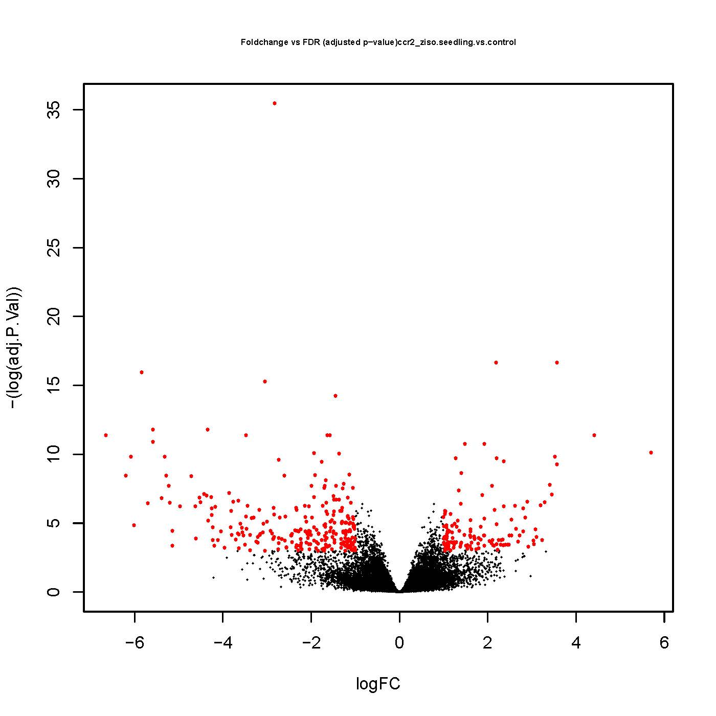
AveExpr | t | P.Value | adj.P.Val | B
4.248265237 | 5.202128954 | 1.25E-05 | 0.002791375 | 2.90893545
2.786097861 | 6.862001344 | 3.33E-08 | 4.12E-05 | 8.55729122
-1.394894084 | 7.367160953 | 6.79E-09 | 1.17E-05 | 9.447300115
1.783697432 | 5.26800428 | 6.25E-06 | 0.001866001 | 3.611231481
1.004558558 | 8.782116675 | 3.71E-11 | 1.78E-07 | 14.64524555
1.576374256 | 4.765235948 | 3.52E-05 | 0.005541489 | 2.027850738
1.445590384 | 9.584859894 | 8.47E-12 | 5.93E-08 | 16.77596079
-0.733754177 | 6.443595586 | 1.26E-07 | 9.45E-05 | 7.196004439
-1.914814856 | 6.698876823 | 5.59E-08 | 5.42E-05 | 7.548548873
-1.864878388 | 5.570114892 | 2.05E-06 | 0.000862039 | 4.628093615
0.897120653 | 5.874561287 | 7.76E-07 | 0.000428832 | 5.747483047
-0.055382489 | 5.313397757 | 4.65E-06 | 0.00147954 | 3.966697566
1.367025095 | 6.65424503 | 5.98E-08 | 5.93E-05 | 7.905431775
0.446301313 | 3.869817983 | 0.000403729 | 0.02361311 | 0.015626999
1.218901395 | 5.206771196 | 6.52E-06 | 0.001851375 | 3.784831004
0.74537528 | 4.011994551 | 0.000264501 | 0.01864525 | 0.103593624
-2.061363953 | 4.343989296 | 9.68E-05 | 0.010750208 | 1.295411788
0.147480677 | 3.69867341 | 0.000666936 | 0.031539775 | -0.3992871
0.024209666 | 3.863589899 | 0.00041123 | 0.023786747 | -0.042876384
1.241376681 | 7.556312431 | 3.42E-09 | 9.95E-06 | 10.94818649
0.988017308 | 3.579668332 | 0.000940781 | 0.038208093 | -0.699567543
-2.342869639 | 5.328312796 | 4.44E-06 | 0.001455108 | 3.727698294
-1.222993143 | 4.765360834 | 2.62E-05 | 0.004478876 | 2.34425835
-0.204788514 | 5.08494483 | 9.60E-06 | 0.002289924 | 3.34006206
2.52340342 | 4.273244501 | 0.000120119 | 0.012184269 | 1.110138316
0.263007233 | 4.079132319 | 0.00021625 | 0.016571549 | 0.526443481
-2.526479753 | 3.827578349 | 0.000457319 | 0.025606186 | -0.089150173
-2.749704112 | 4.361129918 | 9.18E-05 | 0.010420685 | 1.293785698
4.461377145 | 5.177378905 | 7.16E-06 | 0.001928004 | 3.575870232
0.058086937 | 4.06870283 | 0.000223139 | 0.016673451 | 0.214731263
-2.358527515 | 4.697845713 | 3.24E-05 | 0.00519206 | 2.061285975
-1.585280409 | 4.084199205 | 0.000212979 | 0.016551429 | 0.534045689
5.793310853 | 3.684241094 | 0.000695508 | 0.032237481 | -0.944335221
-1.813602179 | 3.684553664 | 0.000694877 | 0.032237481 | -0.454532951
2.800934243 | 3.677780021 | 0.000708678 | 0.032703556 | -0.731346401
0.466145798 | 5.15801168 | 7.62E-06 | 0.001998794 | 3.373028307
...

