F5 in vivo deubi Col-0_ubp12-2
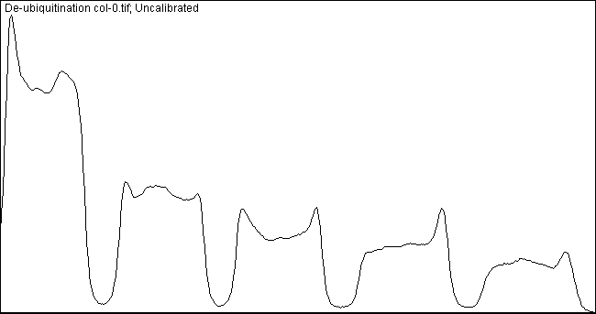
 | Hours after deubiquitination | Pixels | Relative intensity to 0h | Lane quantification
Col-0 | 0 | 22175.882 | 100.0
 | 2 | 11816.468 | 53.3
 | 4 | 8342.761 | 37.6
 | 6 | 7168.033 | 32.3
 | 8 | 4942.69 | 22.3

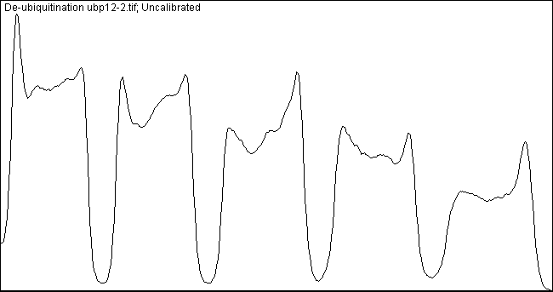

 | Hours after deubiquitination | Pixels | Relative intensity to 0h | Lane quantification
ubp12-2 | 0 | 23031.832 | 100.0
 | 2 | 19774.125 | 85.9
 | 4 | 18057.903 | 78.4
 | 6 | 15228.903 | 66.1
 | 8 | 10997.711 | 47.8

F5 in vivo deubi 35S-UBP12-13
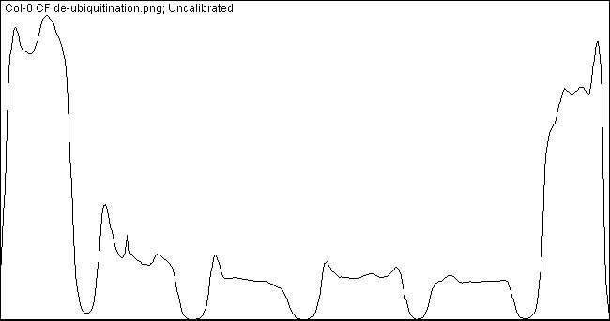
 | Lane | Pixels | Hours after deubiquitination | Pixels | Relative intensity to 0h
Col-0 | 1 | 20676.64 | 0 | 18183.665 | 100.00 | Lane quantification
 | 2 | 5566.418 | 2 | 5566.418 | 30.61
 | 3 | 3542.426 | 4 | 3542.426 | 19.48
 | 4 | 4352.326 | 6 | 4352.326 | 23.94
 | 5 | 3558.012 | 8 | 3558.012 | 19.57
 | 6 | 15690.69

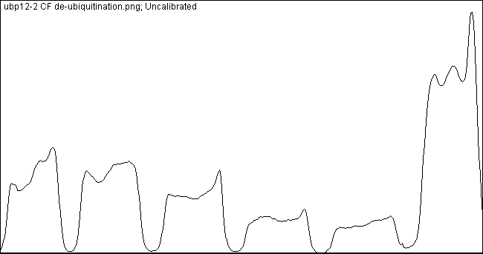
 | Lane | Pixels | Hours after deubiquitination | Pixels | Relative intensity to 0h
ubp12-2 | 1 | 7705.983 | 0 | 18212.175 | 100.00 | Lane quantification
 | 2 | 8642.64 | 2 | 8642.64 | 47.46
 | 3 | 6287.376 | 4 | 6287.376 | 34.52
 | 4 | 3797.548 | 6 | 3797.548 | 20.85
 | 5 | 3014.962 | 8 | 3014.962 | 16.55
 | 6 | 18212.175

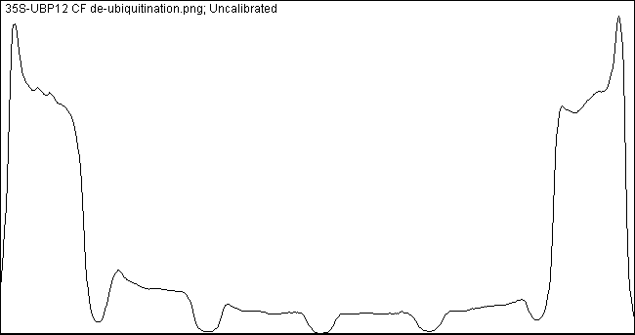
 | Lane | Pixels | Hours after deubiquitination | Pixels | Relative intensity to 0h
35S::UBP12 | 1 | 18943.347 | 0 | 18445.786 | 100.00 | Lane quantification
 | 2 | 3662.083 | 2 | 3662.083 | 19.85
 | 3 | 2035.941 | 4 | 2035.941 | 11.04
 | 4 | 1657.113 | 6 | 1657.113 | 8.98
 | 5 | 1724.184 | 8 | 1724.184 | 9.35
 | 6 | 17948.225

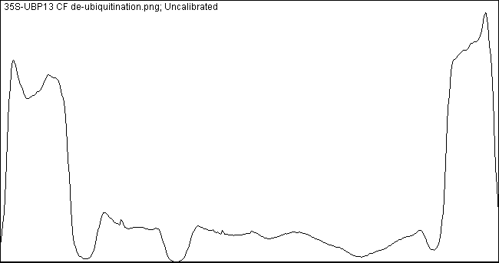
 | Lane | Pixels | Hours after deubiquitination | Pixels | Relative intensity to 0h
35S::UBP13 | 1 | 18839.175 | 0 | 17984.311 | 100.00 | Lane quantification
 | 2 | 4106.326 | 2 | 4106.326 | 22.83
 | 3 | 2948.891 | 4 | 2948.891 | 16.40
 | 4 | 2723.062 | 6 | 2723.062 | 15.14
 | 5 | 1127.77 | 8 | 1127.77 | 6.27
 | 6 | 17129.447

