Figure 1 - figure supplement 1
Figure 1 - figure supplement 1 A,B
 | Hfq-HTF Western Blot:

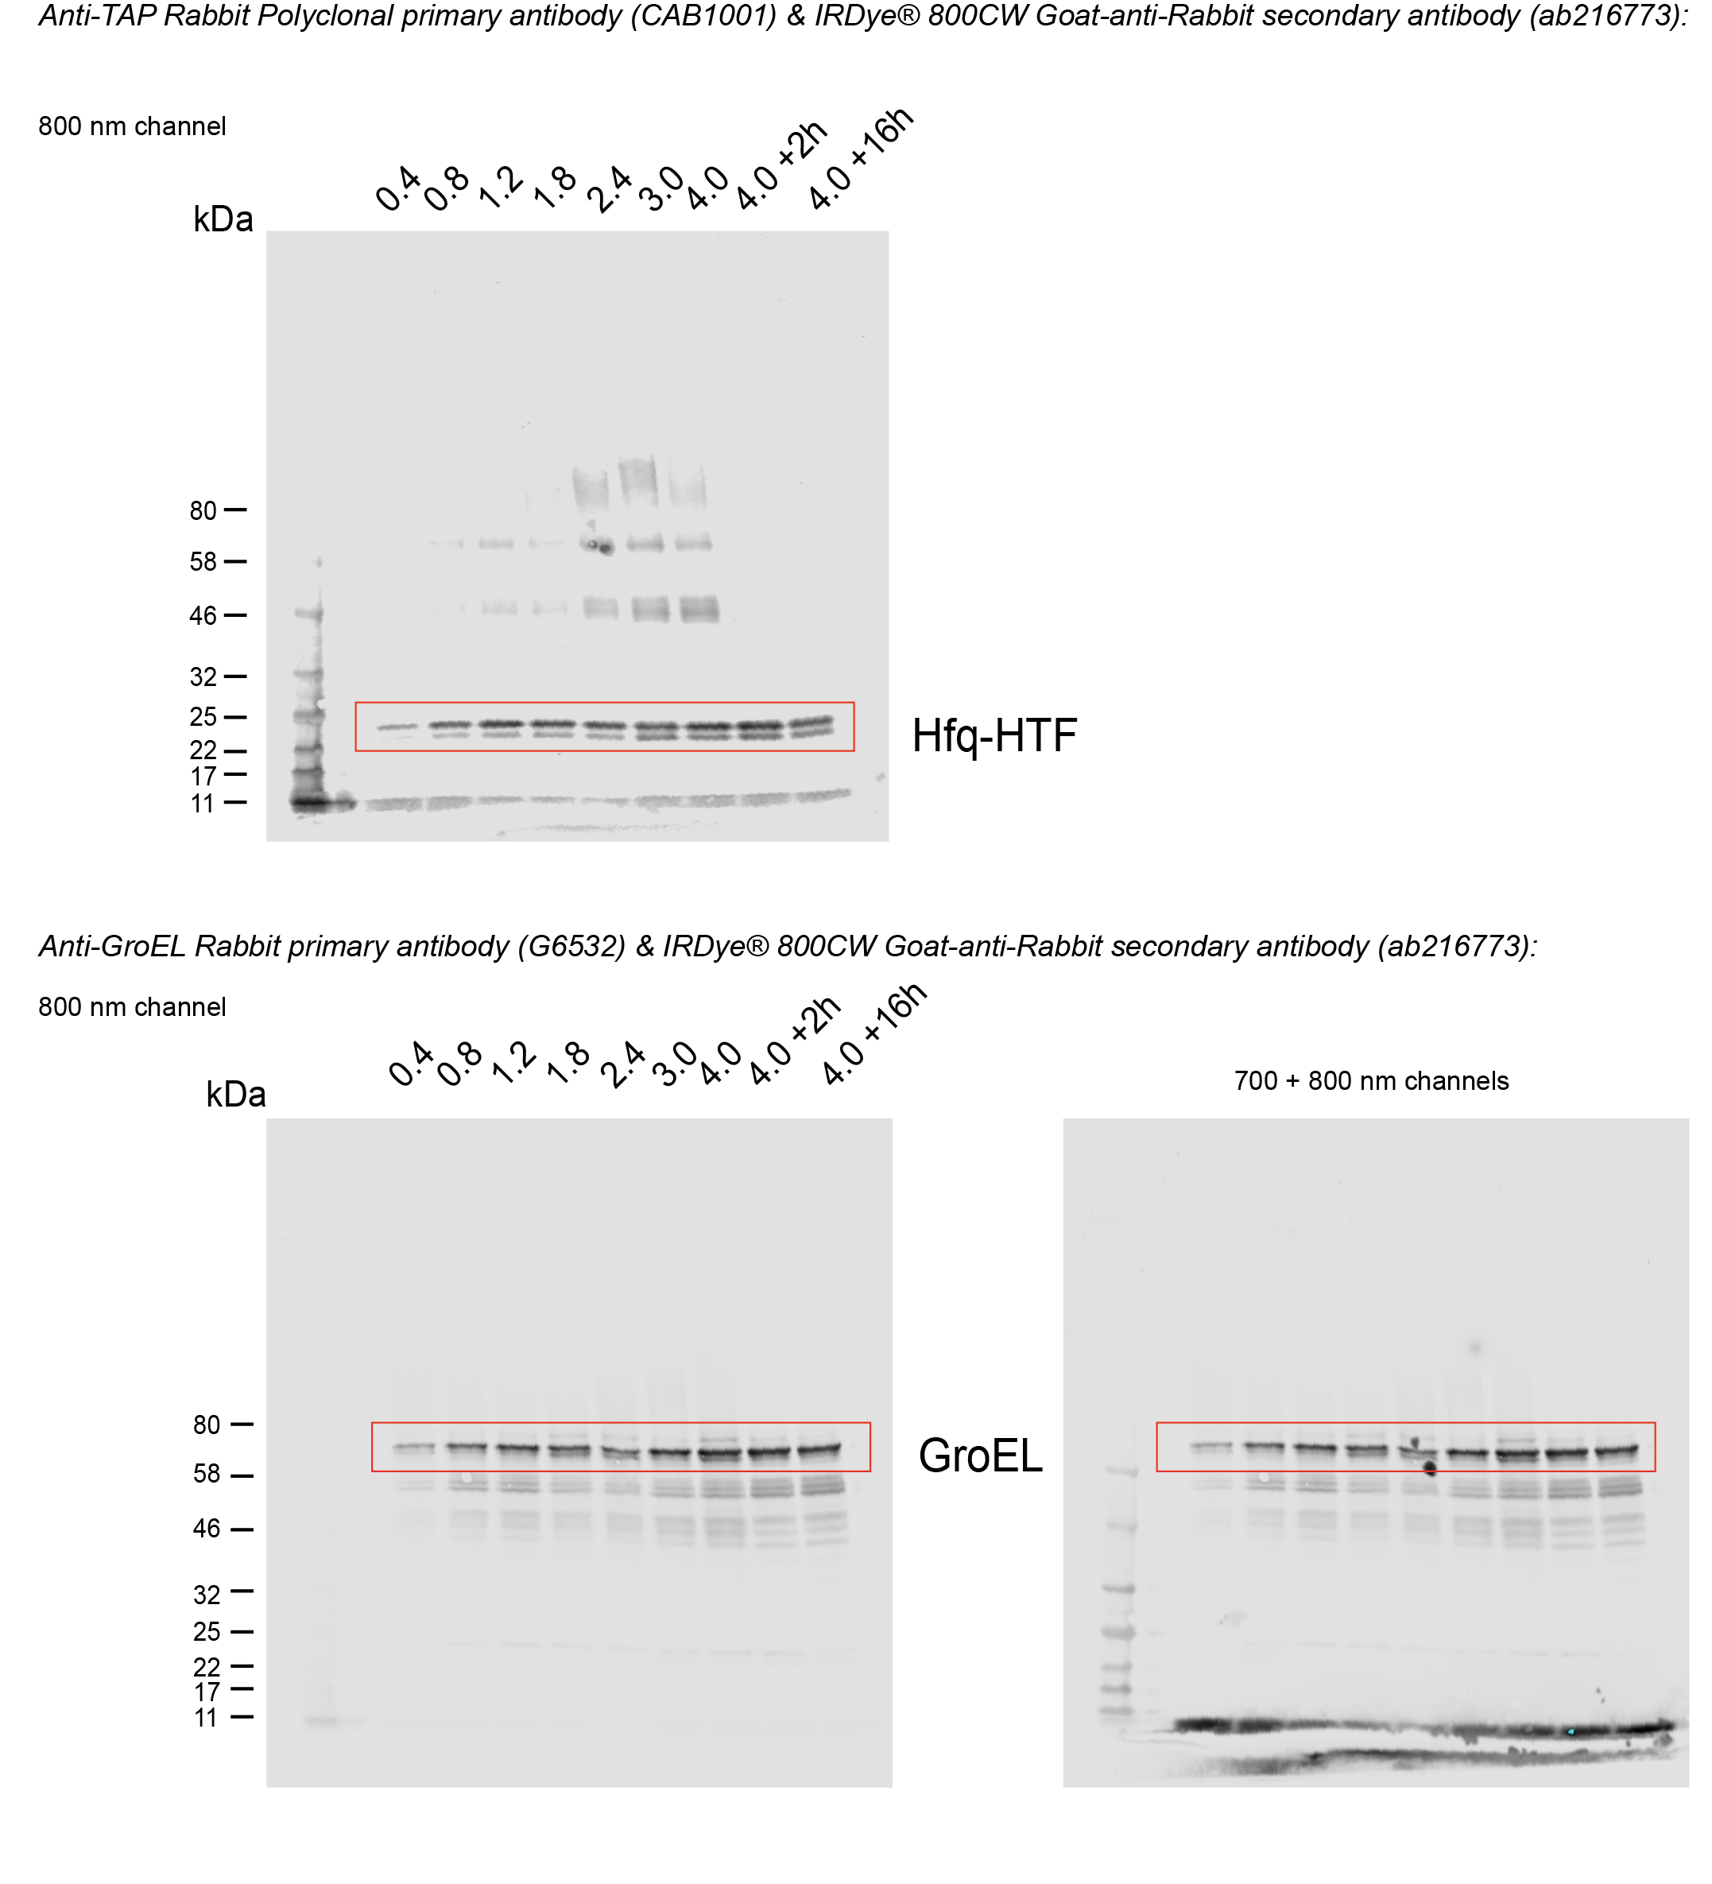

Figure 1 - figure supplement 1 A,B | Relative quantification of Hfq-HTF expression from Western Blot data:

sample (Optical density) | Biological replicate 1 fold-change in Hfq expression | Biological replicate 2 fold-change in Hfq expression | Mean fold-change | Standard deviation
OD04 | 1 | 1 | 1 | n/a
OD08 | 0.73026315789 | 0.95146180663 | 0.84086248226 | 0.15641106451
OD12 | 1.0070422535 | 1.0401422382 | 1.0235922459 | 0.023405223658
OD18 | 1.5473684211 | 1.0901386259 | 1.3187535235 | 0.32331028873
OD24 | 0.83168316832 | 1.3242049285 | 1.0779440484 | 0.34826547651
OD3 | 1.5 | 1.1611316113 | 1.3305658057 | 0.23961613557
OD4 | 2.2457627119 | 1.0870894141 | 1.666426063 | 0.81930574603
OD4+2H | 1.4256198347 | 1.1987301587 | 1.3121749967 | 0.16043522847
OD4+16H | 0.71954314721 | 0.92910119864 | 0.82432217292 | 0.14817991922

 |  | Quantification of Hfq-HTF |  |  |  |  |  |  |  | Normalisation to GroEL | Fold-change rel to OD04
 | sample | Image Name | Channel | Name | Signal | Total | Area | Bkgnd. | Type |  |  | Image 0000001_02: LI-COR quantification of Hfq
 | OD4+16H_2 | 0000001_02 | 800 | 1 | 252000 | 386000 | 1085 | 124 | Signal | 0.077064220183 | 0.92910119864 |  | Image 0000004_03: LI-COR quantification of GroEL
replicate 2
 | OD4+2H_2 | 0000001_02 | 800 | 3 | 348000 | 492000 | 1085 | 132 | Signal | 0.099428571429 | 1.1987301587
replicate 1
replicate 2
 | OD4_2 | 0000001_02 | 800 | 4 | 321000 | 462000 | 1085 | 130 | Signal | 0.090168539326 | 1.0870894141
 | OD3_2 | 0000001_02 | 800 | 5 | 261000 | 400000 | 1085 | 128 | Signal | 0.0963099631 | 1.1611316113
Biological replicate 2 | OD24_2 | 0000001_02 | 800 | 6 | 201000 | 338000 | 1085 | 126 | Signal | 0.10983606557 | 1.3242049285
 | OD18_2 | 0000001_02 | 800 | 8 | 236000 | 376000 | 1085 | 129 | Signal | 0.090421455939 | 1.0901386259
 | OD12_2 | 0000001_02 | 800 | 9 | 220000 | 367000 | 1085 | 136 | Signal | 0.086274509804 | 1.0401422382
 | OD08_2 | 0000001_02 | 800 | 10 | 146000 | 289000 | 1085 | 132 | Signal | 0.078918918919 | 0.95146180663
 | OD04_2 | 0000001_02 | 800 | 11 | 78300 | 208000 | 1085 | 120 | Signal | 0.082944915254 | 1
 | OD4+16H_1 | 0000001_02 | 800 | 15 | 189000 | 328000 | 1178 | 118 | Signal | 0.047969543147 | 0.71954314721
 | OD4+2H_1 | 0000001_02 | 800 | 16 | 230000 | 363000 | 1085 | 122 | Signal | 0.095041322314 | 1.4256198347
 | OD4_1 | 0000001_02 | 800 | 18 | 265000 | 398000 | 1085 | 123 | Signal | 0.14971751412 | 2.2457627119
Biological replicate 1 | OD3_1 | 0000001_02 | 800 | 20 | 219000 | 352000 | 1085 | 123 | Signal | 0.1 | 1.5
 | OD24_1 | 0000001_02 | 800 | 21 | 168000 | 332000 | 1312 | 124 | Signal | 0.055445544554 | 0.83168316832
 | OD18_1 | 0000001_02 | 800 | 22 | 294000 | 429000 | 1085 | 125 | Signal | 0.10315789474 | 1.5473684211
 | OD12_1 | 0000001_02 | 800 | 24 | 143000 | 274000 | 1085 | 121 | Signal | 0.067136150235 | 1.0070422535
replicate 1
 | OD08_1 | 0000001_02 | 800 | 25 | 148000 | 299000 | 1230 | 123 | Signal | 0.048684210526 | 0.73026315789
 | OD04_1 | 0000001_02 | 800 | 27 | 136000 | 270000 | 1102 | 122 | Signal | 0.066666666667 | 1

 |  | Quantification of GroEL
 | sample | Image Name | Channel | Name | Signal | Total | Area | Bkgnd. | Type
 | OD4+16H_2 | 0000004_03 | 800 | 12 | 3270000 | 3660000 | 684 | 569 | Signal
 | OD4+2H_2 | 0000004_03 | 800 | 13 | 3500000 | 4010000 | 684 | 755 | Signal
 | OD4_2 | 0000004_03 | 800 | 14 | 3560000 | 4430000 | 684 | 1280 | Signal
 | OD3_2 | 0000004_03 | 800 | 15 | 2710000 | 3350000 | 684 | 928 | Signal
Biological replicate 2 | OD24_2 | 0000004_03 | 800 | 16 | 1830000 | 2440000 | 684 | 898 | Signal
 | OD18_2 | 0000004_03 | 800 | 17 | 2610000 | 3200000 | 684 | 864 | Signal
 | OD12_2 | 0000004_03 | 800 | 18 | 2550000 | 3050000 | 684 | 743 | Signal
 | OD08_2 | 0000004_03 | 800 | 19 | 1850000 | 2260000 | 684 | 598 | Signal
 | OD04_2 | 0000004_03 | 800 | 20 | 944000 | 1200000 | 684 | 380 | Signal
 | OD4+16H_1 | 0000004_03 | 800 | 2 | 3940000 | 4560000 | 741 | 838 | Signal
 | OD4+2H_1 | 0000004_03 | 800 | 4 | 2420000 | 3000000 | 684 | 860 | Signal
 | OD4_1 | 0000004_03 | 800 | 5 | 1770000 | 2360000 | 684 | 856 | Signal
Biological replicate 1 | OD3_1 | 0000004_03 | 800 | 6 | 2190000 | 2600000 | 684 | 596 | Signal
 | OD24_1 | 0000004_03 | 800 | 7 | 3030000 | 3450000 | 684 | 619 | Signal
 | OD18_1 | 0000004_03 | 800 | 8 | 2850000 | 3490000 | 684 | 930 | Signal
 | OD12_1 | 0000004_03 | 800 | 9 | 2130000 | 2510000 | 684 | 548 | Signal
 | OD08_1 | 0000004_03 | 800 | 10 | 3040000 | 3400000 | 684 | 537 | Signal
 | OD04_1 | 0000004_03 | 800 | 11 | 2040000 | 2340000 | 684 | 433 | Signal

