TNF-alpha
 |  |  |  |  |  |  | TNF-alpha | sham | sham+0.5DP | T+VE | T+Pom | T+0.5DP | T+0.1DP
One Way Analysis of Variance | 星期三, 九月 26, 2018, 下午 01:40:40 |  |  |  |  |  |  | 0.713 | 0.6746 | 2.8719 | 1.1583 | 1.1663 | 1.2329
 |  |  |  |  |  |  |  | 0.5633 | 0.8538 | 2.5001 | 1.2941 | 0.7802 | 1.8302
Data source: Data 1 in Notebook1 |  |  |  |  |  |  |  | 0.9408 | 0.8078 | 2.5403 | 3.1427 | 1.2075 | 1.4866
 |  |  |  |  |  |  |  | 1.0512 | 0.713 | 2.2115 |  | 0.5633 | 0.9215
Normality Test: | Passed | (P = 0.261)

Equal Variance Test: | Passed | (P = 0.086) |  |  |  |  |  | Col 1 | Col 2 | Col 3 | Col 4 | Col 5 | Col 6

Group Name | N | Missing | Mean | Std Dev | SEM | Mean | SEM
Col 1 | 4 | 0 | 0.817 | 0.22 | 0.11 | 1 | 0.13463892289
Col 2 | 4 | 0 | 0.762 | 0.0828 | 0.0414 | 0.93268053856 | 0.050673194614
Col 3 | 4 | 0 | 2.531 | 0.27 | 0.135 | 3.0979192166 | 0.16523867809
Col 4 | 3 | 0 | 1.865 | 1.109 | 0.64 | 2.2827417381 | 0.78335373317
Col 5 | 4 | 0 | 0.929 | 0.311 | 0.155 | 1.1370869033 | 0.18971848225
Col 6 | 4 | 0 | 1.368 | 0.385 | 0.193 | 1.6744186047 | 0.23623011016

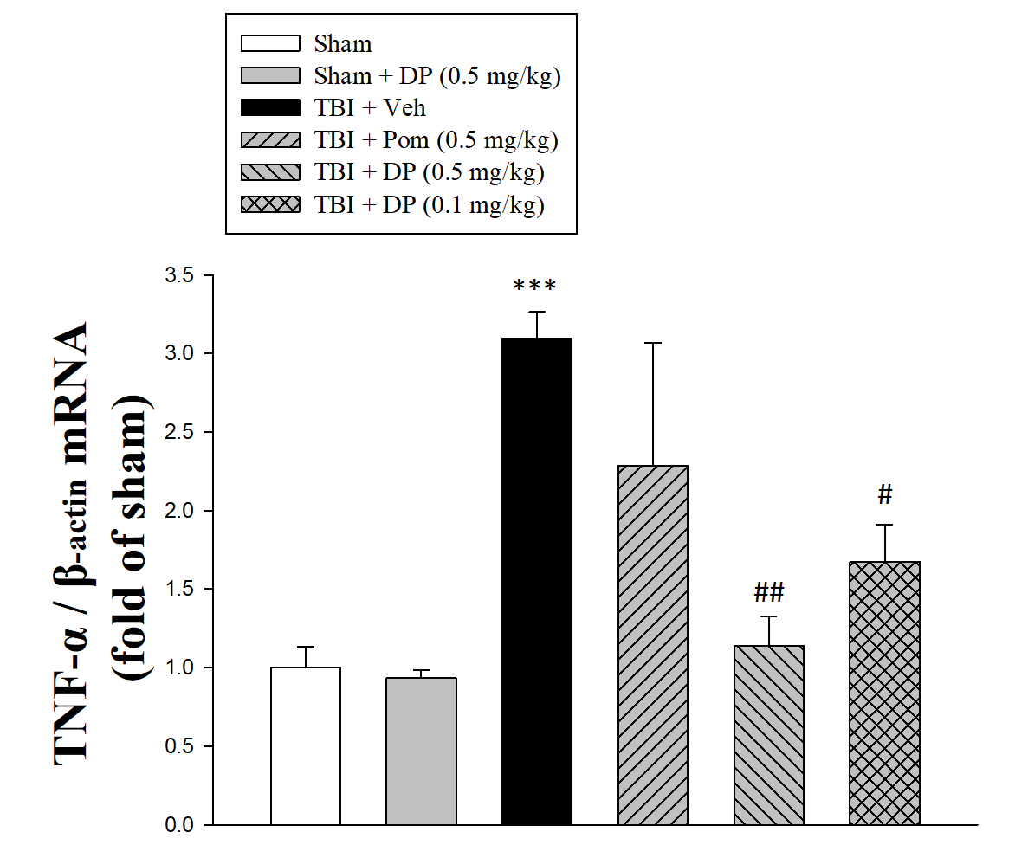
Source of Variation | DF | SS | MS | F | P
Between Groups | 5 | 9.6 | 1.92 | 9.122 | <0.001
Residual | 17 | 3.578 | 0.21
Total | 22 | 13.178

The differences in the mean values among the treatment groups are greater than would be expected by chance; there is a statistically significant difference (P = <0.001).

Power of performed test with alpha = 0.050: 0.996

All Pairwise Multiple Comparison Procedures (Tukey Test):

Comparisons for factor:
Comparison | Diff of Means | p | q | P | P<0.050
Col 3 vs. Col 2 | 1.769 | 6 | 7.71 | <0.001 | Yes
Col 3 vs. Col 1 | 1.714 | 6 | 7.471 | <0.001 | Yes
Col 3 vs. Col 5 | 1.602 | 6 | 6.982 | 0.002 | Yes
Col 3 vs. Col 6 | 1.163 | 6 | 5.071 | 0.023 | Yes
Col 3 vs. Col 4 | 0.666 | 6 | 2.688 | 0.435 | No
Col 4 vs. Col 2 | 1.103 | 6 | 4.451 | 0.055 | No
Col 4 vs. Col 1 | 1.048 | 6 | 4.23 | 0.074 | Do Not Test
Col 4 vs. Col 5 | 0.936 | 6 | 3.777 | 0.133 | Do Not Test
Col 4 vs. Col 6 | 0.497 | 6 | 2.007 | 0.716 | Do Not Test
Col 6 vs. Col 2 | 0.606 | 6 | 2.64 | 0.454 | Do Not Test
Col 6 vs. Col 1 | 0.551 | 6 | 2.401 | 0.551 | Do Not Test
Col 6 vs. Col 5 | 0.438 | 6 | 1.911 | 0.754 | Do Not Test
Col 5 vs. Col 2 | 0.167 | 6 | 0.728 | 0.995 | Do Not Test
Col 5 vs. Col 1 | 0.112 | 6 | 0.489 | 0.999 | Do Not Test
Col 1 vs. Col 2 | 0.0548 | 6 | 0.239 | 1 | Do Not Test

A result of "Do Not Test" occurs for a comparison when no significant difference is found between two means that enclose that comparison. For example, if you had four means sorted in order, and found no difference between means 4 vs. 2, then you would not test 4 vs. 3 and 3 vs. 2, but still test 4 vs. 1 and 3 vs. 1 (4 vs. 3 and 3 vs. 2 are enclosed by 4 vs. 2: 4 3 2 1). Note that not testing the enclosed means is a procedural rule, and a result of Do Not Test should be treated as if there is no significant difference between the means, even though one may appear to exist.

