p62
 |  |  |  |  |  |  | p62 | sham | sham+0.5DP | T+VE | T+Pom | T+0.5DP | T+0.1DP
One Way Analysis of Variance | 星期三, 九月 26, 2018, 下午 07:19:21 |  |  |  |  |  |  | 0.9412 | 0.8904 | 0.5406 | 0.8966 | 1.0371 | 0.9091
 |  |  |  |  |  |  |  | 1.127 | 0.8541 | 0.5221 | 0.7698 | 0.9091 | 0.8904
Data source: Data 1 in Notebook1 |  |  |  |  |  |  |  | 0.9609 | 0.7914 | 0.4641 | 0.7487 | 0.7034 | 0.7751
 |  |  |  |  |  |  |  | 0.9811 | 0.7034 | 0.6209 | 0.6655 | 0.808 | 0.9412
Normality Test: | Passed | (P = 0.070) |  |  |  |  |  | 1.4464 | 1.0662 | 0.5185
 |  |  |  |  |  |  |  |  |  | 0.4771
Equal Variance Test: | Passed | (P = 0.362) |  |  |  |  |  |  |  | 0.5258
 |  |  |  |  |  |  |  | Col 1 | Col 2 | Col 3 | Col 4 | Col 5 | Col 6
Group Name | N | Missing | Mean | Std Dev | SEM | Mean | SEM
Col 1 | 5 | 0 | 1.091 | 0.212 | 0.0946 | 1 | 0.08670944088
Col 2 | 5 | 0 | 0.861 | 0.135 | 0.0603 | 0.78918423465 | 0.055270394134
Col 3 | 7 | 0 | 0.524 | 0.0508 | 0.0192 | 0.48029330889 | 0.017598533456 | 0.51970669111 | Sham - T+Veh
Col 4 | 4 | 0 | 0.77 | 0.0956 | 0.0478 | 0.70577451879 | 0.043813015582
Col 5 | 4 | 0 | 0.864 | 0.142 | 0.0712 | 0.7919340055 | 0.065261228231
Col 6 | 4 | 0 | 0.879 | 0.0723 | 0.0362 | 0.80568285976 | 0.033180568286

Source of Variation | DF | SS | MS | F | P
Between Groups | 5 | 1.018 | 0.204 | 12.613 | <0.001
Residual | 23 | 0.371 | 0.0161
Total | 28 | 1.389

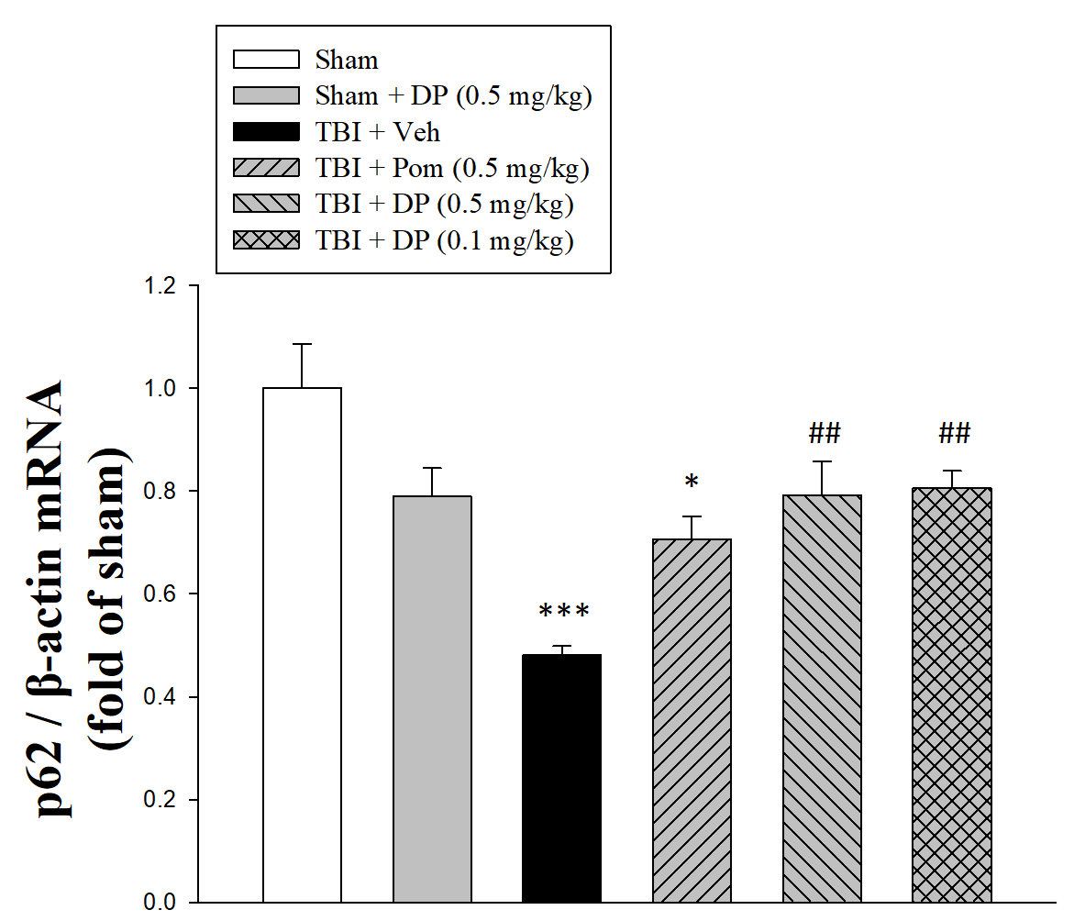
The differences in the mean values among the treatment groups are greater than would be expected by chance; there is a statistically significant difference (P = <0.001).

Power of performed test with alpha = 0.050: 1.000

All Pairwise Multiple Comparison Procedures (Tukey Test):

Comparisons for factor:
Comparison | Diff of Means | p | q | P | P<0.050
Col 1 vs. Col 3 | 0.567 | 6 | 10.782 | <0.001 | Yes
Col 1 vs. Col 4 | 0.321 | 6 | 5.33 | 0.011 | Yes
Col 1 vs. Col 2 | 0.23 | 6 | 4.052 | 0.082 | No
Col 1 vs. Col 5 | 0.227 | 6 | 3.765 | 0.122 | Do Not Test
Col 1 vs. Col 6 | 0.212 | 6 | 3.524 | 0.168 | Do Not Test
Col 6 vs. Col 3 | 0.355 | 6 | 6.301 | 0.002 | Yes
Col 6 vs. Col 4 | 0.109 | 6 | 1.713 | 0.827 | No
Col 6 vs. Col 2 | 0.0178 | 6 | 0.296 | 1 | Do Not Test
Col 6 vs. Col 5 | 0.0145 | 6 | 0.229 | 1 | Do Not Test
Col 5 vs. Col 3 | 0.34 | 6 | 6.043 | 0.004 | Yes
Col 5 vs. Col 4 | 0.0943 | 6 | 1.484 | 0.896 | Do Not Test
Col 5 vs. Col 2 | 0.0033 | 6 | 0.0547 | 1 | Do Not Test
Col 2 vs. Col 3 | 0.337 | 6 | 6.406 | 0.002 | Yes
Col 2 vs. Col 4 | 0.091 | 6 | 1.51 | 0.889 | Do Not Test
Col 4 vs. Col 3 | 0.246 | 6 | 4.368 | 0.052 | No

A result of "Do Not Test" occurs for a comparison when no significant difference is found between two means that enclose that comparison. For example, if you had four means sorted in order, and found no difference between means 4 vs. 2, then you would not test 4 vs. 3 and 3 vs. 2, but still test 4 vs. 1 and 3 vs. 1 (4 vs. 3 and 3 vs. 2 are enclosed by 4 vs. 2: 4 3 2 1). Note that not testing the enclosed means is a procedural rule, and a result of Do Not Test should be treated as if there is no significant difference between the means, even though one may appear to exist.

