統計6組
 |  |  |  |  |  |  |  | 0.94394405491 | 0.92332199206 | 0.65172784041 | 0.71494912132 | 0.68200653997 | 0.77435916404
One Way Analysis of Variance | 星期三, 九月 19, 2018, 下午 05:12:31 |  |  |  |  |  |  | 0.88634667401 | 0.8347256828 | 0.62716759121 | 0.83794478481 | 0.83726207722 | 0.81347888177
 |  |  |  |  |  |  |  | 0.90897375459 | 0.92083000551 | 0.67373172156 | 0.81899558874 | 0.91728655659
Data source: Data 1 in Notebook1 |  |  |  |  |  |  |  | 1.099144608 | 0.99084965816 | 0.59657629831 | 0.67709992679 | 0.87999327033 | 0.90058452629
 |  |  |  |  |  |  |  | SH | SH+DP | T+V | T+POM | T+0.5DP | T+0.1DP
Normality Test: | Passed | (P = 0.782)

Equal Variance Test: | Passed | (P = 0.798)

Group Name | N | Missing | Mean | Std Dev | SEM | Mean | SEM
Col 1 | 4 | 0 | 0.96 | 0.096 | 0.048 | 1 | 0.05
Col 2 | 4 | 0 | 0.917 | 0.064 | 0.032 | 0.95520833333 | 0.033333333333
Col 3 | 4 | 0 | 0.637 | 0.0331 | 0.0166 | 0.66354166667 | 0.017291666667 | 33.65%
Col 4 | 4 | 0 | 0.762 | 0.0784 | 0.0392 | 0.79375 | 0.040833333333
Col 5 | 4 | 0 | 0.829 | 0.103 | 0.0517 | 0.86354166667 | 0.053854166667
Col 6 | 4 | 1 | 0.829 | 0.0646 | 0.0373 | 0.86354166667 | 0.038854166667

Source of Variation | DF | SS | MS | F | P
Between Groups | 5 | 0.263 | 0.0527 | 8.769 | <0.001
Residual | 17 | 0.102 | 0.006
Total | 22 | 0.365

The differences in the mean values among the treatment groups are greater than would be expected by chance; there is a statistically significant difference (P = <0.001).

Power of performed test with alpha = 0.050: 0.994

All Pairwise Multiple Comparison Procedures (Tukey Test):

Comparisons for factor:
Comparison | Diff of Means | p | q | P | P<0.050
Col 1 vs. Col 3 | 0.322 | 6 | 8.319 | <0.001 | Yes
Col 1 vs. Col 4 | 0.197 | 6 | 5.094 | 0.023 | Yes
Col 1 vs. Col 5 | 0.13 | 6 | 3.367 | 0.217 | No
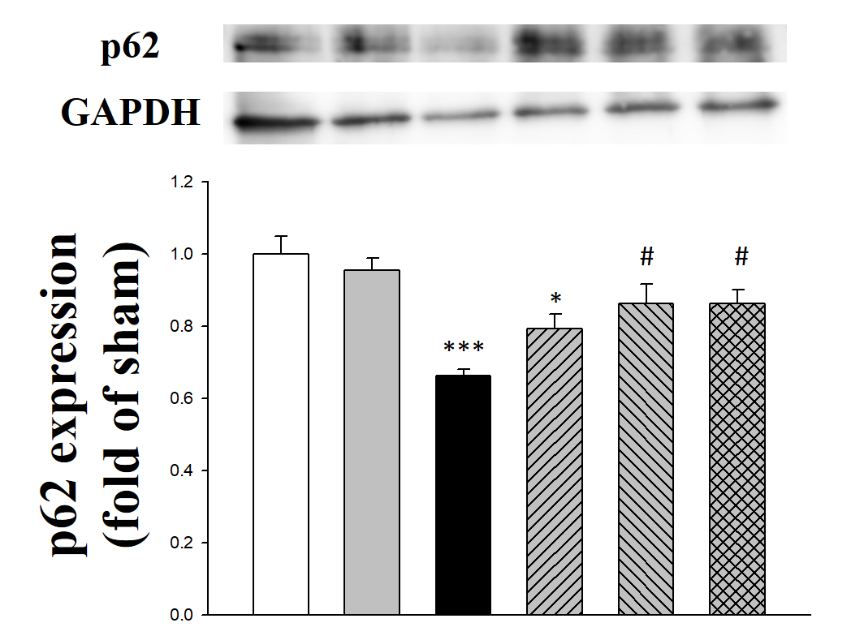
Col 1 vs. Col 6 | 0.13 | 6 | 3.109 | 0.288 | Do Not Test
Col 1 vs. Col 2 | 0.0422 | 6 | 1.088 | 0.969 | Do Not Test
Col 2 vs. Col 3 | 0.28 | 6 | 7.23 | 0.001 | Yes
Col 2 vs. Col 4 | 0.155 | 6 | 4.005 | 0.1 | No
Col 2 vs. Col 5 | 0.0883 | 6 | 2.279 | 0.603 | Do Not Test
Col 2 vs. Col 6 | 0.088 | 6 | 2.102 | 0.677 | Do Not Test
Col 6 vs. Col 3 | 0.192 | 6 | 4.592 | 0.046 | Yes
Col 6 vs. Col 4 | 0.0672 | 6 | 1.606 | 0.86 | Do Not Test
Col 6 vs. Col 5 | 0.000337 | 6 | 0.00805 | 1 | Do Not Test
Col 5 vs. Col 3 | 0.192 | 6 | 4.951 | 0.028 | Yes
Col 5 vs. Col 4 | 0.0669 | 6 | 1.726 | 0.821 | Do Not Test
Col 4 vs. Col 3 | 0.125 | 6 | 3.225 | 0.255 | No

A result of "Do Not Test" occurs for a comparison when no significant difference is found between two means that enclose that comparison. For example, if you had four means sorted in order, and found no difference between means 4 vs. 2, then you would not test 4 vs. 3 and 3 vs. 2, but still test 4 vs. 1 and 3 vs. 1 (4 vs. 3 and 3 vs. 2 are enclosed by 4 vs. 2: 4 3 2 1). Note that not testing the enclosed means is a procedural rule, and a result of Do Not Test should be treated as if there is no significant difference between the means, even though one may appear to exist.

