Lactate & Glucose
 | 15 mice Treadmill Lactate & Glucose test 9-27 &28 -2018

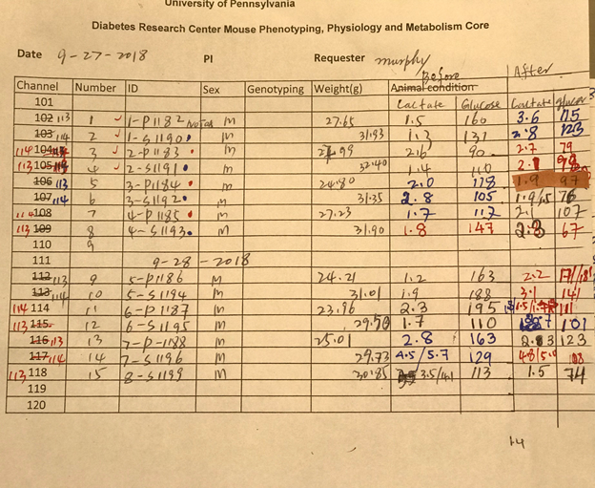
 |  | treadmill day | before treadmill | After traedmill | before treadmill | After traedmill
ID | # | Weight (g) | Lactate | Lactate | Glucose(mg/dl) | Glucose(mg/dl)
1- no Tag | 1 | 27.65 | 1.5 | 3.8 | 160 | 115
2-P1183 | 2 | 27.99 | 2.6 | 2.7 | 90 | 79
3-P1184 | 3 | 24.8 | 2 | 1.9 | 118 | 97
4-P1185 | 4 | 27.23 | 1.7 | 2.1 | 117 | 107
5-P1186 | 5 | 24.21 | 1.2 | 2.2 | 163 | 171
6-P1187 | 6 | 23.96 | 2.3 | 1.7 | 195 | 111
7-P1188 | 7 | 25.01 | 2.8 | 2.3 | 163 | 123
1- S1190 | 8 | 31.93 | 1.3 | 2.8 | 131 | 123
2- S1191 | 9 | 32.4 | 1.4 | 2.1 | 110 | 98
3- S1192 | 10 | 31.35 | 2.8 | 1.9 | 105 | 76
4- S1193 | 11 | 31.9 | 1.8 | 2.3 | 147 | 67
5- S1194 | 12 | 31.01 | 1.9 | 3.1 | 188 | 141
6- S1195 | 13 | 29.5 | 1.7 | 2.7 | 110 | 101
7- S1196 | 14 | 29.73 | 4.5 | 4.8 | 129 | 108
8- S1199 | 15 | 30.85 | 3.5 | 1.5 | 113 | 74

Glucose |  | Before | After
 | WT | 143.71428571 | 114.71428571
 | S47 | 129.125 | 98.5

 |  | Before | After
Lactate | WT | 2.0142857143 | 2.3857142857
 | S47 | 2.3625 | 2.65

