Sheet1
oscillation profile constructed from the position of the liquid meniscus in the microchannel as a function of time for various pressure differences Δp=p1-p2
Figure 3d
frame number | time* (s) | meniscus dispalcement (µm) at Δp=100mbar | meniscus dispalcement (µm) at Δp=200mbar | meniscus dispalcement (µm) at Δp=300mbar
1 | 0.014269406393 | -0.1 | -0.598 | -0.43 | *time = (frame number / frame rate)
2 | 0.028571428571 | -0.276 | -0.524 | -0.365 | Recording speed (frame rate of the camera) = 70.06 fps
3 | 0.042857142857 | -0.107 | -0.487 | -0.786
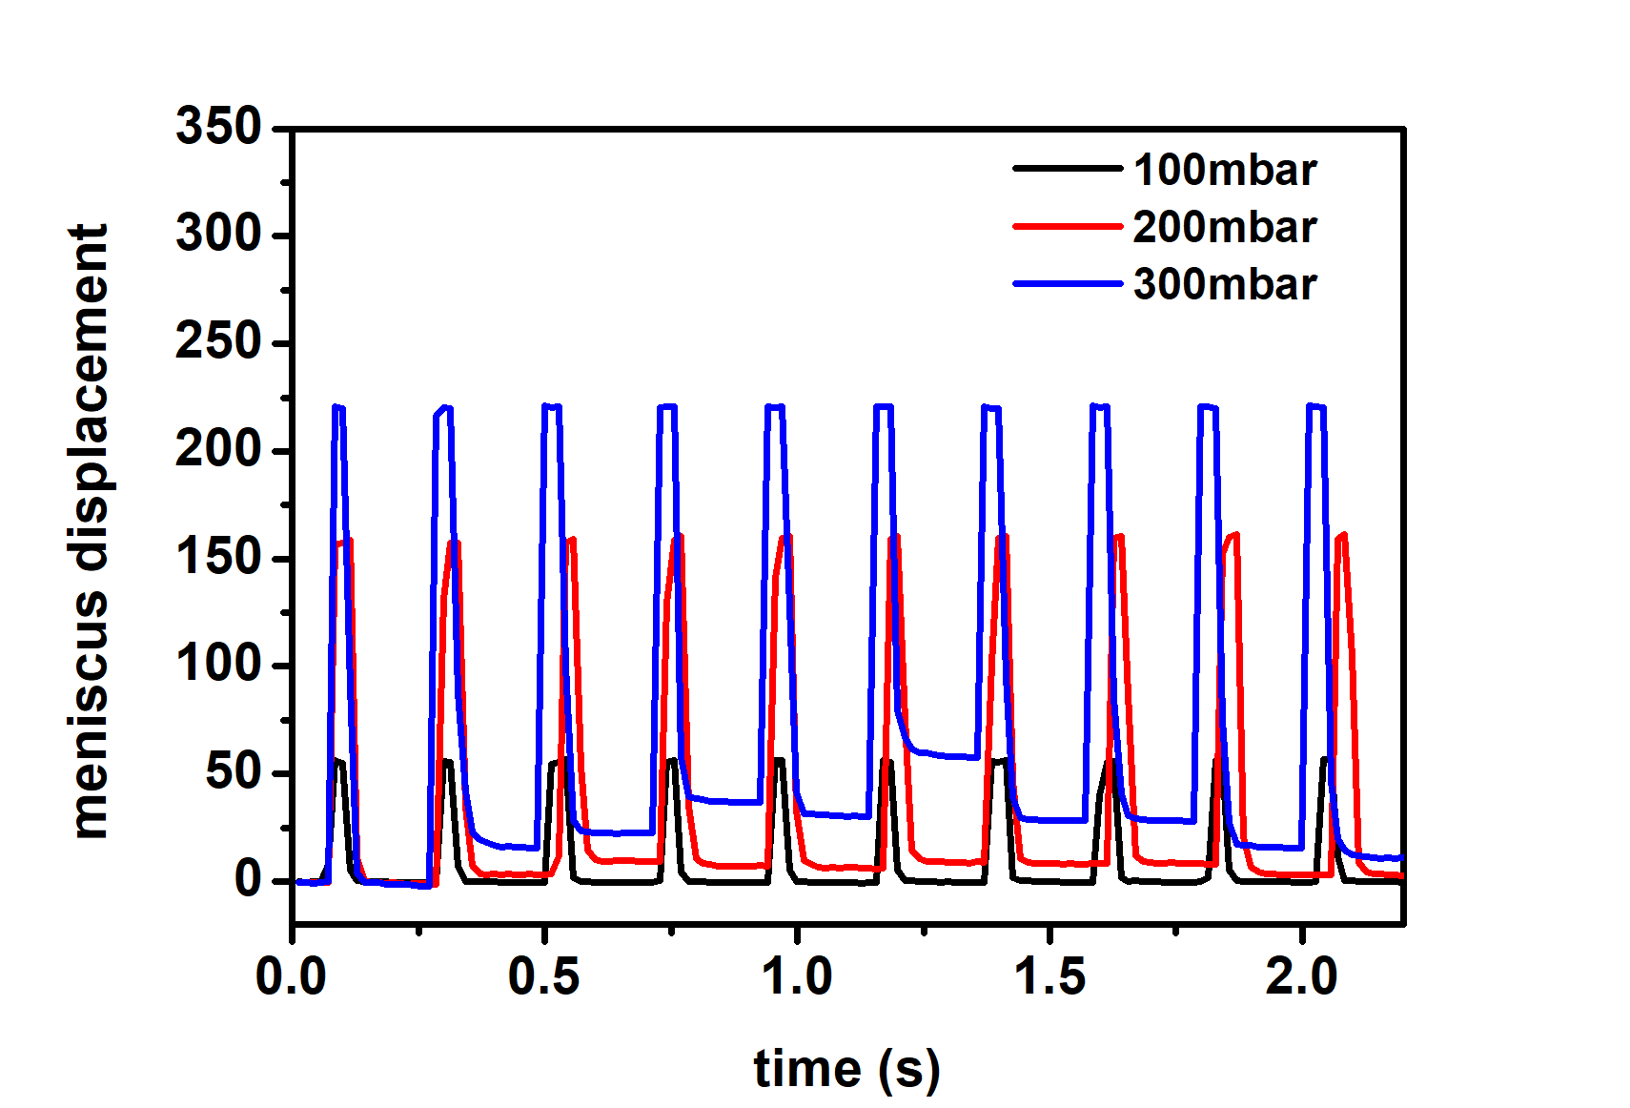
4 | 0.057142857143 | -0.199 | -0.401 | -0.527
5 | 0.071428571429 | 7.883 | -0.513 | -0.163
6 | 0.085714285714 | 56.022 | 156.488 | 220.875
7 | 0.1 | 55.225 | 157.61 | 220.159
8 | 0.11428571429 | 5.348 | 158.721 | 90.395
9 | 0.12857142857 | 0.269 | 11.106 | 4.006
10 | 0.14285714286 | -0.019 | 0.275 | -0.412
11 | 0.15714285714 | 0.039 | -0.426 | -0.645
12 | 0.17142857143 | -0.109 | -0.504 | -0.495
13 | 0.18571428571 | -0.131 | -0.891 | -1.355
14 | 0.2 | -0.262 | -0.658 | -1.357
15 | 0.21428571429 | -0.377 | -1.172 | -1.589
16 | 0.22857142857 | -0.44 | -1.489 | -1.631
17 | 0.24285714286 | -0.419 | -1.069 | -1.707
18 | 0.25714285714 | -0.355 | -1.109 | -1.923
19 | 0.27142857143 | -0.438 | -1.195 | -2.111
20 | 0.28571428571 | 0.056 | -1.226 | 216.447
21 | 0.3 | 55.846 | 131.098 | 220.507
22 | 0.31428571429 | 55.663 | 157.376 | 220.072
23 | 0.32857142857 | 7.017 | 157.624 | 87.84
24 | 0.34285714286 | 0.124 | 34.518 | 41.922
25 | 0.35714285714 | 0.091 | 7.642 | 23.327
26 | 0.37142857143 | -0.006 | 3.727 | 19.698
27 | 0.38571428571 | -0.235 | 3.048 | 18.233
28 | 0.4 | -0.188 | 3.385 | 16.611
29 | 0.41428571429 | -0.277 | 3.247 | 16.022
30 | 0.42857142857 | -0.339 | 3.476 | 16.306
31 | 0.44285714286 | -0.419 | 3.286 | 16.201
32 | 0.45714285714 | -0.273 | 3.061 | 16.029
33 | 0.47142857143 | -0.44 | 3.408 | 15.636
34 | 0.48571428571 | -0.315 | 2.992 | 15.71
35 | 0.5 | -0.439 | 3.016 | 221.309
36 | 0.51428571429 | 54.715 | 3.351 | 220.529
37 | 0.52857142857 | 55.691 | 11.988 | 220.579
38 | 0.54285714286 | 56.601 | 157.227 | 100.073
39 | 0.55714285714 | 1.647 | 159.482 | 28.502
40 | 0.57142857143 | 0.01 | 53.566 | 23.494
41 | 0.58571428571 | -0.099 | 14.695 | 23.127
42 | 0.6 | -0.336 | 10.318 | 22.901
43 | 0.61428571429 | -0.312 | 9.235 | 22.697
44 | 0.62857142857 | -0.295 | 9.353 | 22.831
45 | 0.64285714286 | -0.462 | 9.68 | 22.385
46 | 0.65714285714 | -0.398 | 9.559 | 22.573
47 | 0.67142857143 | -0.4 | 9.619 | 22.73
48 | 0.68571428571 | -0.418 | 9.288 | 22.702
49 | 0.7 | -0.456 | 9.423 | 22.771
50 | 0.71428571429 | -0.356 | 9.423 | 22.738
51 | 0.72857142857 | 0.542 | 9.21 | 220.477
52 | 0.74285714286 | 55.435 | 129.647 | 220.651
53 | 0.75714285714 | 56.384 | 158.651 | 220.572
54 | 0.77142857143 | 4.334 | 160.304 | 57.655
55 | 0.78571428571 | 0.145 | 35.181 | 39.575
56 | 0.8 | -1.00E-03 | 10.39 | 38.288
57 | 0.81428571429 | -0.169 | 8.464 | 37.86
58 | 0.82857142857 | -0.337 | 7.987 | 37.517
59 | 0.84285714286 | -0.339 | 7.286 | 37.371
60 | 0.85714285714 | -0.484 | 7.129 | 37.206
61 | 0.87142857143 | -0.398 | 7.137 | 37.09
62 | 0.88571428571 | -0.439 | 7.105 | 36.963
63 | 0.9 | -0.461 | 7.223 | 37.043
64 | 0.91428571429 | -0.36 | 7.168 | 37.033
65 | 0.92857142857 | -0.441 | 7.404 | 36.968
66 | 0.94285714286 | -0.418 | 7.009 | 220.918
67 | 0.95714285714 | 56.272 | 140.975 | 220.451
68 | 0.97142857143 | 56.075 | 159.645 | 220.676
69 | 0.98571428571 | 5.634 | 160.355 | 127.838
70 | 1 | 0.135 | 32.96 | 41.72
71 | 1.0142857143 | -0.164 | 9.853 | 31.339
72 | 1.0285714286 | -0.401 | 7.781 | 31.219
73 | 1.0428571429 | -0.59 | 6.722 | 30.935
74 | 1.0571428571 | -0.71 | 6.338 | 30.879
75 | 1.0714285714 | -0.645 | 6.635 | 30.639
76 | 1.0857142857 | -0.704 | 6.347 | 30.649
77 | 1.1 | -0.725 | 6.412 | 30.429
78 | 1.1142857143 | -0.687 | 6.381 | 30.488
79 | 1.1285714286 | -0.746 | 6.002 | 30.206
80 | 1.1428571429 | -0.725 | 6.26 | 30.411
81 | 1.1571428571 | -0.725 | 5.782 | 220.903
82 | 1.1714285714 | 56.386 | 6.248 | 220.615
83 | 1.1857142857 | 55.578 | 159.152 | 220.864
84 | 1.2 | 5.634 | 160.382 | 79.297
85 | 1.2142857143 | 0.429 | 75.374 | 66.719
86 | 1.2285714286 | 0.246 | 14.436 | 61.534
87 | 1.2428571429 | 0.044 | 10.739 | 59.932
88 | 1.2571428571 | -0.152 | 9.343 | 59.595
89 | 1.2714285714 | -0.232 | 9.385 | 59.163
90 | 1.2857142857 | -0.356 | 9.253 | 58.52
91 | 1.3 | -0.105 | 9.099 | 58.167
92 | 1.3142857143 | -0.339 | 9.027 | 57.908
93 | 1.3285714286 | -0.395 | 9.157 | 58.059
94 | 1.3428571429 | -0.462 | 8.623 | 57.791
95 | 1.3571428571 | -0.372 | 9.208 | 57.733
96 | 1.3714285714 | -0.439 | 8.866 | 220.672
97 | 1.3857142857 | 55.944 | 101.841 | 220.038
98 | 1.4 | 55.748 | 159.682 | 219.957
99 | 1.4142857143 | 56.327 | 160.516 | 95.225
100 | 1.4285714286 | 1.712 | 46.873 | 39.203
101 | 1.4428571429 | 0.528 | 10.85 | 29.799
102 | 1.4571428571 | 0.27 | 9.043 | 28.803
103 | 1.4714285714 | -0.024 | 8.299 | 28.742
104 | 1.4857142857 | -0.166 | 8.62 | 28.485
105 | 1.5 | -0.112 | 8.405 | 28.564
106 | 1.5142857143 | -0.234 | 8.576 | 28.355
107 | 1.5285714286 | -0.317 | 8.203 | 28.322
108 | 1.5428571429 | -0.402 | 8.419 | 28.538
109 | 1.5571428571 | -0.313 | 8.144 | 28.44
110 | 1.5714285714 | -0.392 | 7.968 | 28.551
111 | 1.5857142857 | -0.415 | 8.441 | 221.302
112 | 1.6 | 39.958 | 8.28 | 220.403
113 | 1.6142857143 | 55.57 | 8.361 | 220.813
114 | 1.6285714286 | 55.917 | 159.738 | 85.123
115 | 1.6428571429 | 1.967 | 160.599 | 40.813
116 | 1.6571428571 | 0.214 | 86.777 | 30.545
117 | 1.6714285714 | 0.271 | 11.993 | 29.126
118 | 1.6857142857 | -0.064 | 9.356 | 28.757
119 | 1.7 | -0.045 | 9.095 | 28.408
120 | 1.7142857143 | -0.232 | 8.388 | 28.257
121 | 1.7285714286 | -0.315 | 8.421 | 28.123
122 | 1.7428571429 | -0.376 | 8.728 | 28.173
123 | 1.7571428571 | -0.398 | 8.432 | 28.19
124 | 1.7714285714 | -0.337 | 8.319 | 28.073
125 | 1.7857142857 | -0.339 | 8.444 | 28.034
126 | 1.8 | -0.231 | 8.394 | 220.701
127 | 1.8142857143 | 1.721 | 8.241 | 220.973
128 | 1.8285714286 | 56.151 | 8.213 | 220.265
129 | 1.8428571429 | 56.111 | 152.006 | 75.136
130 | 1.8571428571 | 5.473 | 160.145 | 27.329
131 | 1.8714285714 | 0.361 | 161.663 | 17.271
132 | 1.8857142857 | 0.129 | 20.169 | 16.59
133 | 1.9 | -0.043 | 6.376 | 16.623
134 | 1.9142857143 | -0.02 | 4.432 | 16.28
135 | 1.9285714286 | -0.108 | 3.484 | 16.146
136 | 1.9428571429 | -0.252 | 3.588 | 16.183
137 | 1.9571428571 | -0.236 | 3.169 | 15.935
138 | 1.9714285714 | -0.257 | 2.909 | 15.805
139 | 1.9857142857 | -0.316 | 3.201 | 15.605
140 | 2 | -0.312 | 3.287 | 15.605
141 | 2.0142857143 | -0.336 | 2.957 | 221.035
142 | 2.0285714286 | -0.238 | 3.145 | 220.737
143 | 2.0428571429 | 56.539 | 3.231 | 220.337
144 | 2.0571428571 | 56.669 | 2.884 | 46.646
145 | 2.0714285714 | 11.543 | 159.414 | 20.024
146 | 2.0857142857 | 0.576 | 161.452 | 14.425
147 | 2.1 | 0.235 | 105.354 | 12.686
148 | 2.1142857143 | 0.212 | 9.061 | 12.055
149 | 2.1285714286 | -0.088 | 4.583 | 11.535
150 | 2.1428571429 | -0.071 | 3.656 | 11.199
151 | 2.1571428571 | -0.089 | 3.294 | 10.849
152 | 2.1714285714 | -0.194 | 2.983 | 10.948
153 | 2.1857142857 | -0.234 | 2.921 | 10.658
154 | 2.2 | -0.356 | 2.715 | 10.913
155 | 2.2142857143 | -0.356 | 2.61 | 10.722
156 | 2.2285714286 | -0.164 | 2.639 | 10.731
157 | 2.2428571429 | -0.123 | 2.499 | 221.734
158 | 2.2571428571 | 56.768 | 2.489 | 220.574
159 | 2.2714285714 | 56.541 | 2.697 | 220.22
160 | 2.2857142857 | 31.598 | 159.575 | 116.092
161 | 2.3 | 0.728 | 161.763 | 31.012
162 | 2.3142857143 | 0.458 | 106.718 | 24.667
163 | 2.3285714286 | 0.398 | 8.661 | 23.252
164 | 2.3428571429 | 0.396 | 4.659 | 22.902
...

