1k. WGCNA modules
Supplementary File 1k. WGCNA module clustering and functional enrichment analysis regarding these modules.
Shown is the clustering of the eigengenes of the modules (distinct gene sets) that were detected via the weighted gene co-expression network analysis (WGCNA).
In a first step, those modules were determined that are enriched for caste-depedendent differential gene expression (FDR < 0.05, Fisher's method using an empirically estimated null distribution, see methods).
In a second step, a functional enrichment analysis based on KEGG pathways for each of these modules was conducted. Shown are are all significantly enriched pathways (FDR < 0.05, Fisher's exact test) for the genes hold by the respective module but at least the top 5 enriched pathways.

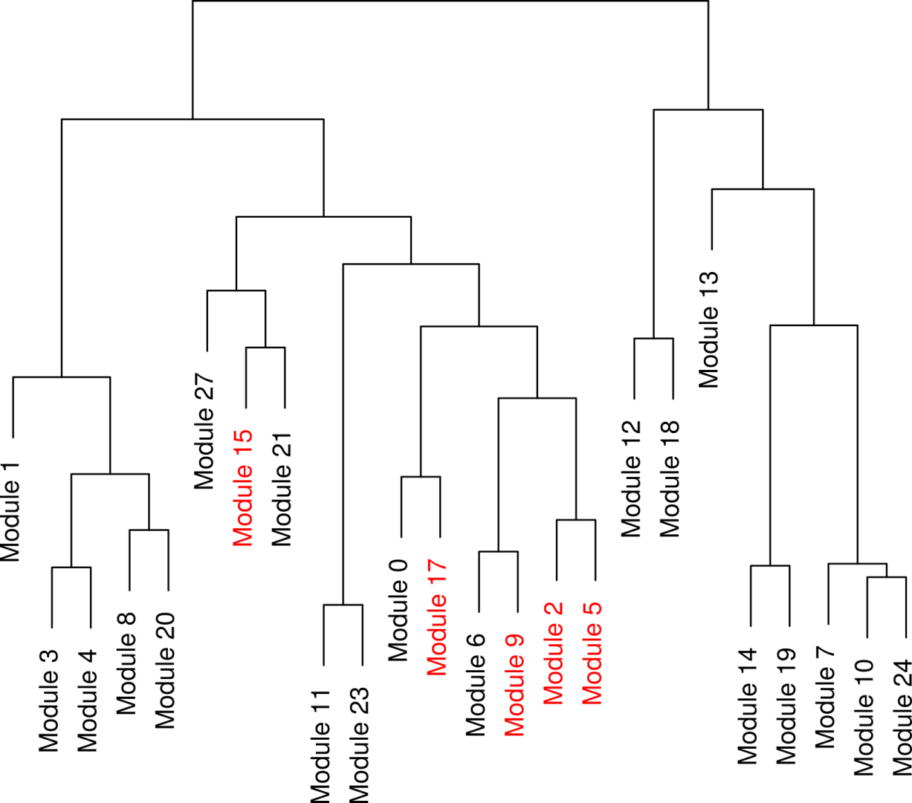

 |  | Pathways that are also significantly enriched for cross-tissue caste dependent differential gene expression

 | P.value | FDR | #genes | expected DE enrichment fraction | DE enrichment fraction
Module 15 | 0.001 | 0.008 | 275
hsa01100 Metabolic pathways | 1.79E-42 | 4.10E-40 | 91 | 0.34210526316 | 0.32934595177
hsa04146 Peroxisome | 1.75E-17 | 2.00E-15 | 19 | 0.071428571429 | 0.060872678968
hsa00380 Tryptophan metabolism | 9.83E-15 | 7.50E-13 | 13 | 0.048872180451 | 0.049594732705
hsa00260 Glycine, serine and threonine metabolism | 5.93E-10 | 3.03E-08 | 9 | 0.033834586466 | 0.038896529039
hsa00982 Drug metabolism - cytochrome P450 | 6.61E-10 | 3.03E-08 | 10 | 0.037593984962 | 0.044695851784
hsa00830 Retinol metabolism | 1.73E-09 | 6.59E-08 | 9 | 0.033834586466 | 0.038827495714
hsa00040 Pentose and glucuronate interconversions | 5.50E-09 | 1.80E-07 | 7 | 0.026315789474 | 0.026085994398
hsa00330 Arginine and proline metabolism | 1.04E-08 | 2.89E-07 | 10 | 0.037593984962 | 0.038457854008
hsa04610 Complement and coagulation cascades | 1.14E-08 | 2.89E-07 | 11 | 0.041353383459 | 0.032278507879
hsa00280 Valine, leucine and isoleucine degradation | 2.22E-08 | 5.09E-07 | 9 | 0.033834586466 | 0.033624479775
hsa00120 Primary bile acid biosynthesis | 8.37E-08 | 1.74E-06 | 6 | 0.022556390977 | 0.023806667147
hsa03320 PPAR signaling pathway | 9.96E-08 | 1.90E-06 | 10 | 0.037593984962 | 0.060714653244
hsa00071 Fatty acid metabolism | 1.17E-07 | 2.06E-06 | 8 | 0.03007518797 | 0.027690028365
hsa00650 Butanoate metabolism | 2.01E-07 | 3.29E-06 | 7 | 0.026315789474 | 0.029437513943
hsa00140 Steroid hormone biosynthesis | 1.58E-06 | 2.41E-05 | 7 | 0.026315789474 | 0.026269991355
hsa00630 Glyoxylate and dicarboxylate metabolism | 3.13E-06 | 4.49E-05 | 5 | 0.018796992481 | 0.017464890528
hsa00640 Propanoate metabolism | 8.51E-06 | 0.00011458379273 | 6 | 0.022556390977 | 0.021536670059
hsa00053 Ascorbate and aldarate metabolism | 1.19E-05 | 0.00015108664404 | 4 | 0.015037593985 | 0.015487446117
hsa00983 Drug metabolism - other enzymes | 1.30E-05 | 0.000156791971 | 6 | 0.022556390977 | 0.019620056356
hsa00310 Lysine degradation | 9.60E-05 | 0.001095908746 | 6 | 0.022556390977 | 0.017857802096
hsa00860 Porphyrin and chlorophyll metabolism | 0.00010442518419 | 0.001095908746 | 5 | 0.018796992481 | 0.024682103148
hsa04976 Bile secretion | 0.00010528380966 | 0.001095908746 | 7 | 0.026315789474 | 0.037630860683
hsa00360 Phenylalanine metabolism | 0.00011816295751 | 0.0011764920552 | 4 | 0.015037593985 | 0.027181443371
hsa00250 Alanine, aspartate and glutamate metabolism | 0.00014917549929 | 0.001423382889 | 5 | 0.018796992481 | 0.012299157511
hsa00410 beta-Alanine metabolism | 0.00020028059319 | 0.0018345702336 | 4 | 0.015037593985 | 0.013494232856
hsa01040 Biosynthesis of unsaturated fatty acids | 0.00031708301112 | 0.002792769598 | 4 | 0.015037593985 | 0.015855590894
hsa00980 Metabolism of xenobiotics by cytochrome P450 | 0.00042748738151 | 0.0036257263098 | 5 | 0.018796992481 | 0.020006102657
hsa02010 ABC transporters | 0.00062491094008 | 0.0051108787599 | 5 | 0.018796992481 | 0.022148420836
hsa00340 Histidine metabolism | 0.00068466008913 | 0.0054064538073 | 4 | 0.015037593985 | 0.023936659914
hsa04977 Vitamin digestion and absorption | 0.00081010167401 | 0.0061837761116 | 4 | 0.015037593985 | 0.031845307057
hsa00030 Pentose phosphate pathway | 0.0011081238345 | 0.008185818003 | 4 | 0.015037593985 | 0.02017423848
hsa00590 Arachidonic acid metabolism | 0.0012151017778 | 0.0086955720974 | 5 | 0.018796992481 | 0.012639002804
hsa00770 Pantothenate and CoA biosynthesis | 1.43E-03 | 9.91E-03 | 3 | 0.011278195489 | 0.0093626728562
hsa00350 Tyrosine metabolism | 0.0016878054388 | 0.011367866044 | 4 | 0.015037593985 | 0.021226279008
hsa00010 Glycolysis / Gluconeogenesis | 2.14E-03 | 0.014009918755 | 5 | 0.018796992481 | 0.017265924162
hsa04614 Renin-angiotensin system | 0.0022123958207 | 0.014073295637 | 3 | 0.011278195489 | 0.0061516713222
hsa00270 Cysteine and methionine metabolism | 2.45E-03 | 1.52E-02 | 4 | 0.015037593985 | 0.019249132621
hsa00450 Selenocompound metabolism | 2.69E-03 | 0.016193323404 | 3 | 0.011278195489 | 0.0075282277769
hsa00051 Fructose and mannose metabolism | 0.003072531896 | 0.01804127703 | 4 | 0.015037593985 | 0.019974674347
hsa00670 One carbon pool by folate | 3.81E-03 | 0.021830640812 | 3 | 0.011278195489 | 0.004627304741
hsa04975 Fat digestion and absorption | 4.20E-03 | 2.34E-02 | 4 | 0.015037593985 | 0.028969377632
hsa00561 Glycerolipid metabolism | 5.57E-03 | 3.04E-02 | 4 | 0.015037593985 | 0.0069306984531
hsa00480 Glutathione metabolism | 6.08E-03 | 3.24E-02 | 4 | 0.015037593985 | 0.014632559397
hsa05150 Staphylococcus aureus infection | 7.21E-03 | 3.75E-02 | 4 | 0.015037593985 | 0.010967041468
hsa00072 Synthesis and degradation of ketone bodies | 8.36E-03 | 0.042521405818 | 2 | 0.0075187969925 | 0.00079643198247
Module 17 | 0.0008 | 0.008 | 265
hsa05012 Parkinson's disease | 3.22E-43 | 7.38E-41 | 39 | 0.1511627907 | 0.19290803304
hsa00190 Oxidative phosphorylation | 8.64E-39 | 9.89E-37 | 36 | 0.13953488372 | 0.19358042335
hsa05016 Huntington's disease | 1.03E-34 | 7.83E-33 | 39 | 0.1511627907 | 0.19054608509
hsa05010 Alzheimer's disease | 1.82E-33 | 1.04E-31 | 37 | 0.14341085271 | 0.19504954399
hsa01100 Metabolic pathways | 1.84E-30 | 8.42E-29 | 76 | 0.29457364341 | 0.3138842753
hsa00020 Citrate cycle (TCA cycle) | 1.48E-14 | 5.64E-13 | 12 | 0.046511627907 | 0.037130351304
hsa04260 Cardiac muscle contraction | 2.58E-11 | 8.45E-10 | 13 | 0.050387596899 | 0.07640711783
hsa00280 Valine, leucine and isoleucine degradation | 1.76E-08 | 5.04E-07 | 9 | 0.03488372093 | 0.017041956714
hsa00071 Fatty acid metabolism | 9.51E-08 | 2.42E-06 | 8 | 0.031007751938 | 0.011537231744
hsa00062 Fatty acid elongation in mitochondria | 6.02E-06 | 1.38E-04 | 4 | 0.015503875969 | 0.0053080934569
hsa00640 Propanoate metabolism | 1.10E-04 | 2.30E-03 | 5 | 0.019379844961 | 0.0091500610843
hsa00130 Ubiquinone and other terpenoid-quinone biosynthesis | 1.75E-04 | 3.34E-03 | 3 | 0.011627906977 | 0.0038701486227
hsa00010 Glycolysis / Gluconeogenesis | 2.49E-04 | 4.39E-03 | 6 | 0.023255813953 | 0.021915512344
hsa00760 Nicotinate and nicotinamide metabolism | 4.30E-04 | 7.04E-03 | 4 | 0.015503875969 | 0.012409315531
hsa00620 Pyruvate metabolism | 0.0031076790281 | 0.047443899828 | 4 | 0.015503875969 | 0.010183564627
Module 9 | 0.002 | 0.012 | 687
hsa03050 Proteasome | 2.12E-03 | 4.86E-01 | 7 | 0.010526315789 | 0.022371390548
hsa04120 Ubiquitin mediated proteolysis | 1.12E-02 | 7.60E-01 | 12 | 0.018045112782 | 0.026578333441
hsa00061 Fatty acid biosynthesis | 1.14E-02 | 7.60E-01 | 2 | 0.003007518797 | 0.0032886580525
...

