dilp 2 intensity GR100 Ru-
 | Cell | Area | Mean Int | Min | Max | Integr Int | Raw int Inten | Mean intensity-Mean Back |  | Cell | Area | Mean Int | Min | Max | Integr Int | Raw int Inten |  | meam -BKG mean | normalization | Cell | Area | Mean Int | Min | Max | Integr Int | Raw int Inten | mean -BKG mean
 | 1 | 91.529 | 6619.907 | 2013 | 10087 | 605914.72 | 24804793 | 5864.466 | 0.8725958094 | 1 | 69.667 | 4751.787 | 1417 | 6246 | 261374.714 | 10700096 |  | 4608.077 | 0.68565299545 | 1 | 67.981 | 11526.453 | 5909 | 14595 | 783582.612 | 32078119 | 10682.864 | 1.5895432523
 | 2 | 54.033 | 4690.584 | 1987 | 6813 | 253447.461 | 10375572 | 3935.143 | 0.58552463109 | 2 | 109.044 | 4033.688 | 2144 | 6850 | 439847.779 | 18006384 |  | 3889.978 | 0.57880436198 | 2 | 68.128 | 6960.168 | 2092 | 10813 | 474180.97 | 19411908 | 6490.535 | 0.96575095529
 | 3 | 79.169 | 7692.329 | 2679 | 10397 | 608993.687 | 24930839 | 6936.888 | 1.032165486 | 3 | 89.648 | 6136.053 | 2872 | 12387 | 550086.632 | 22519316 |  | 5992.343 | 0.89162310606 | 3 | 48.268 | 7281.672 | 3873 | 10382 | 351474.606 | 14388584 | 6624.195 | 0.98563872613
 | 4 | 89.209 | 7199.507 | 3627 | 10183 | 642257.864 | 26292600 | 6444.066 | 0.95883665915 | 4 | 131.517 | 4393.395 | 1873 | 7919 | 577804.879 | 23654039 |  | 4249.685 | 0.63232651059 | 4 | 50.809 | 10229.043 | 5539 | 16657 | 519725.765 | 21276410 | 9259.233 | 1.3777158763
 | 5 | 54.766 | 8531.775 | 3789 | 13463 | 467251.72 | 19128240 | 7776.334 | 1.157069793 | 5 | 90.87 | 4639.596 | 1862 | 8180 | 421598.419 | 17259296 |  | 4495.886 | 0.66895967734 | 5 | 56.598 | 9952.413 | 4346 | 13680 | 563287.769 | 23059741 | 9113.595 | 1.3560458541
 | 6 | 58.87 | 5403.985 | 1713 | 11602 | 318131.773 | 13023603 | 4648.544 | 0.69167423159 | 6 | 177.587 | 9191.546 | 2988 | 16145 | 1632295.848 | 66822540 |  | 9047.836 | 1.3462613267 | 6 | 46.925 | 7433.002 | 1813 | 11015 | 348792.779 | 14278796 | 6626.9 | 0.98604121319
 | 7 | 64.928 | 14861.723 | 3149 | 20328 | 964939.372 | 39502459 | 14106.282 | 2.0989264086 | 7 | 238.142 | 6487.527 | 1609 | 11930 | 1544952.628 | 63246904 |  | 6343.817 | 0.94392023584 | 7 | 59.969 | 7269.35 | 3022 | 10813 | 435936.256 | 17846255 | 6615.718 | 0.98437740162
 | 8 | 47.902 | 6615.238 | 2352 | 8640 | 316883.023 | 12972482 | 5859.797 | 0.87190109145 | 8 | 144.317 | 6644.215 | 1855 | 10778 | 958870.77 | 39254024 |  | 6500.505 | 0.96723442885
 | 9 | 40.549 | 5939.866 | 3705 | 10439 | 240857.74 | 9860177 | 5184.425 | 0.77140996796
 |  |  |  |  |  |  |  | 6720.713 |  | BKG 1 | 143.12 | 697.558 | 478 | 1049 | 99834.303 | 4086993 | 143.7185 |  |  | BKG 1 | 67.981 | 843.589 | 530 | 1330 | 57348.249 | 2347709
 | BKG1 | 91.529 | 759.855 | 479 | 1161 | 69548.891 | 2847176 |  |  | BKG 2 | 144.317 | 427.115 | 220 | 944 | 61639.861 | 2523398 |  |  |  | BKG 2 | 68.128 | 469.633 | 349 | 688 | 31995.08 | 1309807
 | BKG2 | 70.424 | 821.104 | 544 | 1133 | 57825.412 | 2367243 | 755.441 |  |  |  |  |  |  |  |  |  |  |  | BKG 3 | 48.268 | 657.477 | 442 | 996 | 31735.344 | 1299174
 | BKG3 | 62.265 | 685.364 | 721 | 1582 | 61353.915 | 2511692 |  |  |  |  |  |  |  |  |  |  |  |  | BKG 4 | 50.809 | 969.81 | 685 | 1443 | 49274.896 | 2017204
 |  |  |  |  |  |  |  |  |  |  |  |  |  |  |  |  | image 72 quantification projection sum.jpg |  |  | BKG 5 | 56.598 | 838.818 | 518 | 1243 | 47475.506 | 1943541
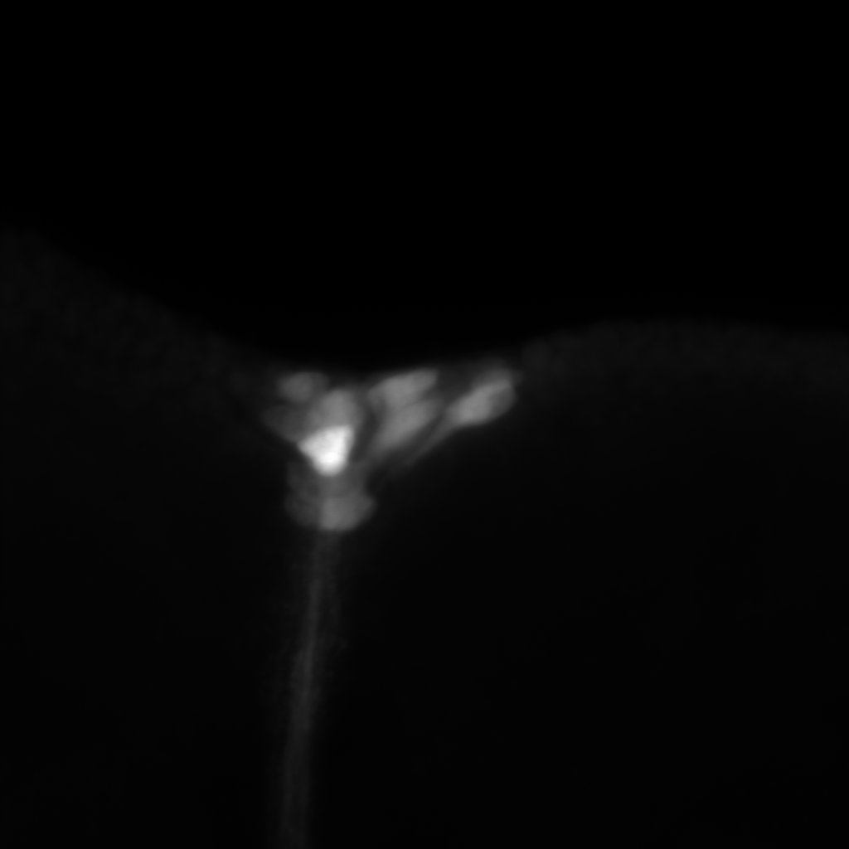
image 74 quantification projection sum.jpg |  |  |  |  |  |  |  |  |  |  |  |  |  |  |  |  |  |  |  | BKG 6 | 46.925 | 806.102 | 476 | 1467 | 37826.224 | 1548521
 |  |  |  |  |  |  |  |  |  |  |  |  |  |  |  |  |  |  |  | BKG 7 | 59.969 | 653.632 | 384 | 1226 | 39197.697 | 1604666

2
3
5
1
6
7
4

9
8

GR100 Ru+
Cell | Area | Mean Int | Min | Max | Integr Int | Raw int Inten |  | Mean intensity - Mean inten Back |  | Normalized | Cell | Area | Mean Int | Min | Max | Integr Int | Raw int Inten |  | Nmalized or | Cell | Area | Mean Int | Min | Max | Integr Int | Raw int Inten | Mean intensity -Back | Nmalized or
1 | 121.233 | 2487.185 | 511 | 4714 | 301528.374 | 12343897 | 2267.236 |  |  | 0.33735051623 | 1 | 62.778 | 5849.882 | 4490 | 10290 | 430023.452 | 17604198 | 5637.838 | 0.83887498246 | 1 | 72.671 | 2831.334 | 1558 | 4071 | 205756.726 | 8423220 | 2159.699 | 0.32134968418
2 | 89.135 | 1405.389 | 621 | 2245 | 125269.792 | 5128265 | 1165.525 |  |  | 0.17342281987 | 2 | 77.996 | 6653.194 | 3554 | 10046 | 518925.477 | 21243648 | 6448.55 | 0.95950385026 | 2 | 60.726 | 3294.999 | 2013 | 4792 | 200093.177 | 8191367 | 2885.221 | 0.42930281356
3 | 97.196 | 2871.271 | 1097 | 5278 | 279077 | 11424788 | 2689.482 |  |  | 0.40017807634 | 3 | 85.203 | 4376.113 | 1945 | 7730 | 372855.77 | 15263881 | 2900.579 | 0.43158798776 | 3 | 57.942 | 3582.044 | 2263 | 4921 | 207549.423 | 8496609 | 2825.323 | 0.42039036632
4 | 95.682 | 1295.811 | 649 | 2021 | 123985.574 | 5075692 | 1019.825 |  | 2931.6353333 | 0.15174357245 | 4 | 72.109 | 6777.79 | 3574 | 10290 | 488742.757 | 20008035 | 6557.597 | 0.97572936086 | 4 | 70.79 | 8494.884 | 3110 | 12479 | 601356.142 | 24618175 | 7292.738 | 1.0851137372
5 | 92.238 | 3861.095 | 1784 | 5943 | 356138.051 | 14579495 | 3665.278 |  |  | 0.54537040936 | 5 | 61.288 | 4284.974 | 1857 | 6415 | 262618.138 | 10750999 | 4080.691 | 0.60718126187 | 5 | 98.173 | 4765.194 | 2202 | 7461 | 467815.38 | 19151315 | 3319.291 | 0.49388971081
6 | 85.911 | 5317.62 | 3036 | 7126 | 456841.478 | 18702068 | 5193.918 |  |  | 0.7728224669 | 6 | 101.813 | 11379.599 | 3018 | 19028 | 1158592.114 | 47430169 | 9107.394 | 1.3551231841 | 6 | 116.005 | 3657.865 | 1869 | 6606 | 424331.958 | 17371201 | 2264.531 | 0.33694802917
7 | 58.039 | 3923.396 | 871 | 6524 | 227711.247 | 9321989 | 3818.013 |  |  | 0.56809642072 | 7 | 55.719 | 5271.28 | 2911 | 9091 | 293709.016 | 12023790 | 5062.335 | 0.75324374066 | 7 | 75.7 | 9564.255 | 5027 | 12479 | 724016.753 | 29639626 | 7679.583 | 1.1426738502
8 | 74.357 | 3699.221 | 1197 | 5173 | 275062.174 | 11260430 | 3457.406 |  |  | 0.51444035774 | 8 | 71.181 | 5482.513 | 1568 | 8655 | 390252.006 | 15976044 | 5212.41 | 0.77557396068 | 8 | 84.641 | 5399.316 | 2914 | 9879 | 457001.795 | 18708631 | 3824.765 | 0.56910107603
9 | 100.665 | 3320.252 | 423 | 5615 | 334233.165 | 13682758 | 3108.035 |  |  | 0.46245614119 |  |  |  |  |  |  |  |  |  | 9 | 48.586 | 3705.711 | 2229 | 5899 | 180045.477 | 7370659 | 2274.914 | 0.33849295454

BKG 1 | 121.233 | 219.949 | 157 | 322 | 26665.063 | 1091608 |  |  |  |  | BKG 1 | 62.778 | 212.044 | 89 | 651 | 13311.768 | 544954 |  |  | BKG 1 | 72.671 | 671.635 | 158 | 1340 | 48808.603 | 1998115
BKG 2 | 89.135 | 239.864 | 180 | 336 | 21380.357 | 875264 |  |  |  |  | BKG 2 | 77.996 | 204.644 | 93 | 1018 | 15961.473 | 653427 |  |  | BKG 2 | 60.726 | 409.778 | 147 | 1170 | 24884.286 | 1018707
BKG 3 | 97.196 | 181.789 | 108 | 283 | 17669.212 | 723338 |  |  |  |  | BKG 3 | 85.203 | 1475.534 | 791 | 2809 | 125719.181 | 5146662 |  |  | BKG 3 | 57.942 | 756.721 | 162 | 1707 | 43845.655 | 1794943
BKG 4 | 95.682 | 275.986 | 194 | 483 | 26406.89 | 1081039 |  |  |  |  | BKG 4 | 72.109 | 220.193 | 89 | 714 | 15878.029 | 650011 |  |  | BKG 4 | 70.79 | 1202.146 | 190 | 3040 | 85100.376 | 3483819
BKG 5 | 92.238 | 195.817 | 114 | 311 | 18061.71 | 739406 |  |  |  |  | BKG 5 | 61.288 | 204.283 | 95 | 685 | 12520.103 | 512545 |  |  | BKG 5 | 98.173 | 1445.903 | 907 | 2231 | 141949.208 | 5811083
BKG 6 | 85.911 | 123.702 | 71 | 244 | 10627.376 | 435061 |  |  |  |  | BKG 6 | 101.813 | 2272.205 | 1316 | 3849 | 231340.171 | 9470549 |  |  | BKG 6 | 116.005 | 1393.334 | 833 | 2171 | 161634.261 | 6616945
BKG 7 | 58.039 | 105.383 | 73 | 211 | 6116.358 | 250390 |  |  |  |  | BKG 7 | 55.719 | 208.945 | 94 | 449 | 11642.16 | 476604 |  |  | BKG 7 | 75.7 | 1884.672 | 826 | 3307 | 142670.205 | 5840599
BKG 8 | 74.357 | 241.815 | 184 | 358 | 17980.562 | 736084 |  |  |  |  | BKG 8 | 71.181 | 270.103 | 908 | 3678 | 126310.347 | 5170863 |  |  | BKG 8 | 84.641 | 1574.551 | 994 | 2497 | 133271.035 | 5455818
BKG 9 | 100.665 | 212.217 | 142 | 338 | 21362.868 | 874548 |  |  |  |  |  |  |  |  |  |  |  |  |  | BKG 9 | 48.586 | 1430.797 | 868 | 2040 | 69516.647 | 2845856

 |  |  |  |  |  |  |  |  |  |  | 69 image |  |  |  |  |  |  |  |  | image 70
68 image sum
