Sheet1
wt | 27.067669173 | condition | number of strong Mamo cells in clone | number of strong Mamo cells outside MB | total number of strong Mamo cells | experiment | percentage of strong Mamo in clone | percentage
wt | 28.019323671 | wt | 108 | 9 | 408 | 703, 002 | 0.27067669173 | 27.067669173
wt | 23.99103139 | wt | 116 | 8 | 422 | 703, 001 | 0.28019323671 | 28.019323671
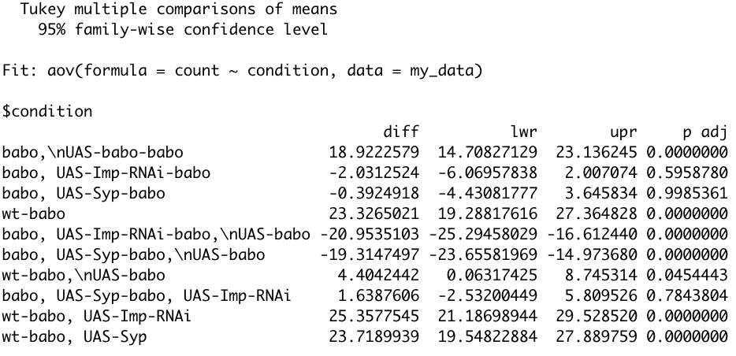
wt | 23.951434879 | wt | 107 | 6 | 452 | 704, 001 | 0.2399103139 | 23.99103139
wt | 24.170616114 | wt | 217 | 2 | 455 | 704, 002 | 0.23951434879 | 23.951434879
wt | 27.222222222 | wt | 102 | 20 | 442 | 704, 003 | 0.24170616114 | 24.170616114
wt | 24.281984334 | wt | 98 | 0 | 360 | 704, 004 | 0.27222222222 | 27.222222222
babo | 1.185770751 | wt | 93 | 6 | 389 | 704, 005 | 0.24281984334 | 24.281984334
babo | 0.70921985816 | babo | 3 | 0 | 253 | 702, 001 | 0.01185770751 | 1.185770751
babo | 1.7910447761 | babo | 2 | 34 | 316 | 702, 002 | 0.0070921985816 | 0.70921985816
babo | 2.4911032028 | babo | 6 | 10 | 345 | 702, 003, top | 0.017910447761 | 1.7910447761
babo | 3.2727272727 | babo | 7 | 4 | 285 | 702, 003, bot | 0.024911032028 | 2.4911032028
babo | 1.872659176 | babo | 9 | 4 | 279 | 702, 004 | 0.032727272727 | 3.2727272727
babo | 2.4691358025 | babo | 5 | 0 | 267 | 702, 005 | 0.01872659176 | 1.872659176
babo | 3.829787234 | babo | 6 | 4 | 247 | 702, 006 | 0.024691358025 | 2.4691358025
babo, UAS-babo | 26.794258373 | babo | 9 | 14 | 249 | 702, 007 | 0.03829787234 | 3.829787234
babo, UAS-babo | 24.462365591 | babo, UAS-babo | 112 | 20 | 438 | 707, 001 | 0.26794258373 | 26.794258373
babo, UAS-babo | 17.727272727 | babo, UAS-babo | 91 | 9 | 381 | 707, 005 | 0.24462365591 | 24.462365591
babo, UAS-babo | 27.713625866 | babo, UAS-babo | 78 | 1 | 441 | 707, 004 | 0.17727272727 | 17.727272727
babo, UAS-babo | 16.816816817 | babo, UAS-babo | 120 | 2 | 435 | 707, 003 | 0.27713625866 | 27.713625866
babo, UAS-babo | 13.235294118 | babo, UAS-babo | 56 | 15 | 348 | 707, 002 | 0.16816816817 | 16.816816817
babo, UAS-Imp-RNAi | 0 | babo, UAS-babo | 63 | 71 | 547 | 684, 005 | 0.13235294118 | 13.235294118
babo, UAS-Imp-RNAi | 0 | babo, UAS-Imp-RNAi | 0 | 81 | 392 | 753, 001 | 0 | 0
babo, UAS-Imp-RNAi | 1.2 | babo, UAS-Imp-RNAi | 0 | 0 | 273 | 753, 002 | 0 | 0
babo, UAS-Imp-RNAi | 0 | babo, UAS-Imp-RNAi | 3 | 0 | 250 | 754, 002, top | 0.012 | 1.2
babo, UAS-Imp-RNAi | 0 | babo, UAS-Imp-RNAi | 0 | 3 | 289 | 754, 002, bot | 0 | 0
babo, UAS-Imp-RNAi | 0 | babo, UAS-Imp-RNAi | 0 | 1 | 253 | 754, 003, top | 0 | 0
babo, UAS-Imp-RNAi | 0 | babo, UAS-Imp-RNAi | 0 | 0 | 221 | 754, 003, bot | 0 | 0
babo, UAS-Syp | 1.6085790885 | babo, UAS-Imp-RNAi | 0 | 3 | 301 | 754, 004, bot | 0 | 0
babo, UAS-Syp | 1.4184397163 | babo, UAS-Syp | 6 | 3 | 376 | 687, 002 | 0.016085790885 | 1.6085790885
babo, UAS-Syp | 4.1198501873 | babo, UAS-Syp | 4 | 5 | 287 | 713, 003, top | 0.014184397163 | 1.4184397163
babo, UAS-Syp | 0.46728971963 | babo, UAS-Syp | 11 | 5 | 272 | 713, 003, bot | 0.041198501873 | 4.1198501873
babo, UAS-Syp | 0.6968641115 | babo, UAS-Syp | 1 | 14 | 228 | 660, 006 | 0.0046728971963 | 0.46728971963
babo, UAS-Syp | 1.5513126492 | babo, UAS-Syp | 4 | 1 | 288 | 660, 004 | 0.006968641115 | 0.6968641115
babo, UAS-Syp | 2.808988764 | babo, UAS-Syp | 13 | 37 | 456 | 673, 007 | 0.015513126492 | 1.5513126492
 |  | babo, UAS-Syp | 5 | 11 | 189 | 673, 006 | 0.02808988764 | 2.808988764

