Figure 6N
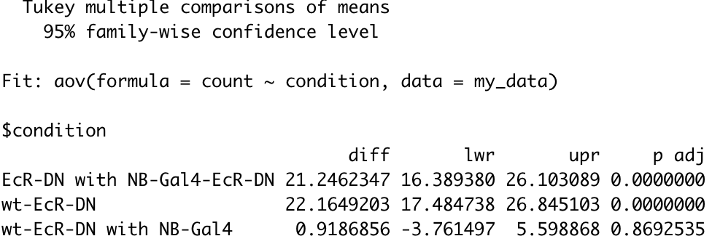
wt (mb-Gal4) | 27.067669173 | condition | number of strong Mamo cells in clone | number of strong Mamo cells outside MB | total number of strong Mamo cells | experiment | percentage of strong Mamo in clone | percentage
wt (mb-Gal4) | 28.019323671 | wt | 108 | 9 | 408 | 703, 002 | 0.27067669173 | 27.067669173
wt (mb-Gal4) | 23.99103139 | wt | 116 | 8 | 422 | 703, 001 | 0.28019323671 | 28.019323671
wt (mb-Gal4) | 23.951434879 | wt | 107 | 6 | 452 | 704, 001 | 0.2399103139 | 23.99103139
wt (mb-Gal4) | 24.170616114 | wt | 217 | 2 | 455 | 704, 002 | 0.23951434879 | 23.951434879
wt (mb-Gal4) | 27.222222222 | wt | 102 | 20 | 442 | 704, 003 | 0.24170616114 | 24.170616114
wt (mb-Gal4) | 24.281984334 | wt | 98 | 0 | 360 | 704, 004 | 0.27222222222 | 27.222222222
EcR-DN (mb-Gal4) | 4.9562682216 | wt | 93 | 6 | 389 | 704, 005 | 0.24281984334 | 24.281984334
EcR-DN (mb-Gal4) | 2.3890784983 | EcR-DN | 17 | 13 | 356 | 669, 004 | 0.049562682216 | 4.9562682216
EcR-DN (mb-Gal4) | 5.5555555556 | EcR-DN | 7 | 3 | 296 | 669, 003 | 0.023890784983 | 2.3890784983
EcR-DN (mb-Gal4) | 2.0202020202 | EcR-DN | 16 | 3 | 291 | 669, 001 | 0.055555555556 | 5.5555555556
EcR-DN (mb-Gal4) | 1.9512195122 | EcR-DN | 6 | 11 | 308 | 689, 001 | 0.020202020202 | 2.0202020202
EcR-DN (mb-Gal4) | 3.313253012 | EcR-DN | 4 | 4 | 209 | 689, 002 | 0.019512195122 | 1.9512195122
EcR-DN (NB-Gal4) | 24.598930481 | EcR-DN | 11 | 2 | 334 | 689, 003 | 0.03313253012 | 3.313253012
EcR-DN (NB-Gal4) | 25.490196078 | EcR-DN with NB-Gal4 | 92 | 4 | 378 | 701, 007 | 0.24598930481 | 24.598930481
EcR-DN (NB-Gal4) | 23.953488372 | EcR-DN with NB-Gal4 | 78 | 1 | 307 | 701, 006 | 0.25490196078 | 25.490196078
EcR-DN (NB-Gal4) | 20.997920998 | EcR-DN with NB-Gal4 | 103 | 6 | 436 | 701, 005 | 0.23953488372 | 23.953488372
EcR-DN (NB-Gal4) | 34 | EcR-DN with NB-Gal4 | 101 | 3 | 484 | 701, 003 | 0.20997920998 | 20.997920998
EcR-DN (NB-Gal4) | 18.62244898 | EcR-DN with NB-Gal4 | 102 | 0 | 300 | 701, 004, top | 0.34 | 34
 |  | EcR-DN with NB-Gal4 | 73 | 11 | 403 | 701, 004, bot | 0.1862244898 | 18.62244898
25.529183112
3.3642628033
24.610497485

Figure 6-fig supp 6J
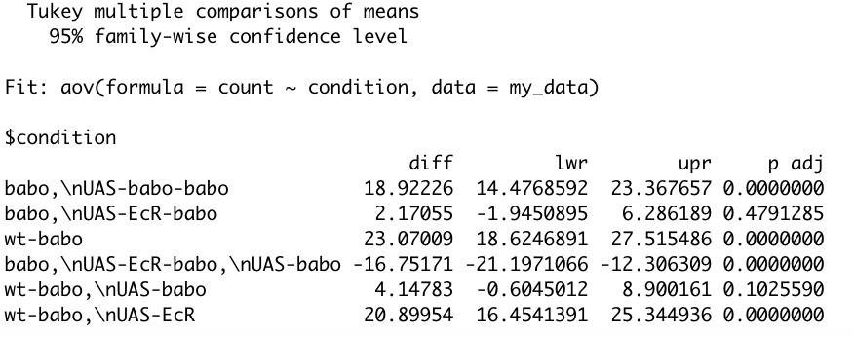
wt | 27.067669173 | condition | number of strong Mamo cells in clone | number of strong Mamo cells outside MB | total number of strong Mamo cells | experiment | percentage of strong Mamo in clone | percentage
wt | 28.019323671 | wt | 108 | 9 | 408 | 703, 002 | 0.27067669173 | 27.067669173
wt | 23.99103139 | wt | 116 | 8 | 422 | 703, 001 | 0.28019323671 | 28.019323671
wt | 23.951434879 | wt | 107 | 6 | 452 | 704, 001 | 0.2399103139 | 23.99103139
wt | 24.170616114 | wt | 217 | 2 | 455 | 704, 002 | 0.23951434879 | 23.951434879
wt | 27.222222222 | wt | 102 | 20 | 442 | 704, 003 | 0.24170616114 | 24.170616114
wt | 24.281984334 | wt | 98 | 0 | 360 | 704, 004 | 0.27222222222 | 27.222222222
babo | 1.185770751 | wt | 93 | 6 | 389 | 704, 005 | 0.24281984334 | 24.281984334
babo | 0.70921985816 | babo | 3 | 0 | 253 | 702, 001 | 0.01185770751 | 1.185770751
babo | 1.7910447761 | babo | 2 | 34 | 316 | 702, 002 | 0.0070921985816 | 0.70921985816
babo | 2.4911032028 | babo | 6 | 10 | 345 | 702, 003, top | 0.017910447761 | 1.7910447761
babo | 3.2727272727 | babo | 7 | 4 | 285 | 702, 003, bot | 0.024911032028 | 2.4911032028
babo | 1.872659176 | babo | 9 | 4 | 279 | 702, 004 | 0.032727272727 | 3.2727272727
babo | 2.4691358025 | babo | 5 | 0 | 267 | 702, 005 | 0.01872659176 | 1.872659176
babo | 3.829787234 | babo | 6 | 4 | 247 | 702, 006 | 0.024691358025 | 2.4691358025
babo, UAS-babo | 26.794258373 | babo | 9 | 14 | 249 | 702, 007 | 0.03829787234 | 3.829787234
babo, UAS-babo | 24.462365591 | babo, UAS-babo | 112 | 20 | 438 | 707, 001 | 0.26794258373 | 26.794258373
babo, UAS-babo | 17.727272727 | babo, UAS-babo | 91 | 9 | 381 | 707, 005 | 0.24462365591 | 24.462365591
babo, UAS-babo | 27.713625866 | babo, UAS-babo | 78 | 1 | 441 | 707, 004 | 0.17727272727 | 17.727272727
babo, UAS-babo | 16.816816817 | babo, UAS-babo | 120 | 2 | 435 | 707, 003 | 0.27713625866 | 27.713625866
babo, UAS-babo | 13.235294118 | babo, UAS-babo | 56 | 15 | 348 | 707, 002 | 0.16816816817 | 16.816816817
babo, UAS-EcR | 3.8585209003 | babo, UAS-babo | 63 | 71 | 547 | 684, 005 | 0.13235294118 | 13.235294118
babo, UAS-EcR | 3.7993920973 | babo, UAS-EcR | 12 | 2 | 313 | 706, 001 | 0.038585209003 | 3.8585209003
babo, UAS-EcR | 6.976744186 | babo, UAS-EcR | 25 | 5 | 334 | 706, 003 | 0.037993920973 | 3.7993920973
babo, UAS-EcR | 4.5584045584 | babo, UAS-EcR | 30 | 3 | 218 | 706, 005 | 0.06976744186 | 6.976744186
babo, UAS-EcR | 4.2424242424 | babo, UAS-EcR | 16 | 8 | 359 | 706, 007, top | 0.045584045584 | 4.5584045584
babo, UAS-EcR | 2.7027027027 | babo, UAS-EcR | 14 | 4 | 334 | 706, 007, bot | 0.042424242424 | 4.2424242424
babo, UAS-EcR | 4.4520547945 | babo, UAS-EcR | 12 | 9 | 453 | 706, 006 | 0.027027027027 | 2.7027027027
babo, UAS-EcR | 4.3956043956 | babo, UAS-EcR | 13 | 0 | 292 | 685, 004 | 0.044520547945 | 4.4520547945
 |  | babo, UAS-EcR | 32 | 0 | 364 | 685, 005 | 0.043956043956 | 4.3956043956

