up+down_WT_Starv_v_Saur
 | log2FoldChange
H02F09.3 | 4.8055049801
clec-70 | 4.7842684176
fbxa-151 | 4.1834136521
ech-9 | 3.8164700731
clec-60 | 3.5852320579
Y47H9C.1 | 3.2364311611
ugt-18 | 2.9899700959
Y37H2A.14 | 2.9793190233
spp-23 | 2.9560141573
C18D11.6 | 2.9175113199
srg-31 | 2.917224041
Y41D4B.17 | 2.8262298405
F11C7.6 | 2.7749243076
Y65B4BR.1 | 2.7037470116
C50F7.5 | 2.6660392856
ugt-44 | 2.6270916622
C34H4.2 | 2.5750145389
dct-17 | 2.5536500753
hmit-1.1 | 2.5437800911
T05F1.9 | 2.5055687362
fmo-2 | 2.3794249257
hsp-17 | 2.3294476276
H43E16.1 | 2.2801543381
M28.8 | 2.1362704373
fbxa-87 | 2.0983555078
Y39B6A.1 | 2.071254988
ncx-6 | 2.0589046834
K08C7.4 | 2.0081581897
srr-6 | 1.9776983186
glct-6 | 1.962934974
drd-1 | 1.9318807273
C50F4.9 | 1.8397948445
sptl-2 | 1.7909983311
flr-4 | 1.7838025146
F42A10.7 | 1.7753515675
W04C9.6 | 1.7425268372
pmp-1 | 1.6936470785
dod-19 | 1.6876731255
kreg-1 | 1.6864905823
clec-204 | 1.6624138653
hpo-6 | 1.6594800633
K01F9.2 | 1.6411840006
clec-52 | 1.6408757584
F52H2.3 | 1.6359512598
T07G12.5 | 1.5513841827
F55G1.15 | 1.5513036881
oac-31 | 1.5436448664
M04C3.2 | 1.5345629489
ugt-16 | 1.5145285028
C49C8.5 | 1.5104208904
...
Differentially expressed genes between wild type C. elegans subjected to fasting (reference condition) or S. aureus infection (experimental condition).
ID | Gene | Annotation | counts.NSn1 | counts.NSn2 | counts.NSn3 | counts.NSn4 | counts.NSh1 | counts.NSh2 | counts.NSh3 | counts.NSh4 | padj | log2FoldChange | pvalue | foldChange | log10padj
WBGene00019146 | H02F09.3 | hypothetical protein(H02F09.3) | 53.617594341 | 97.447335664 | 21.468134685 | 21.277697799 | 1123.1653216 | 1296.1354928 | 1017.9141482 | 1824.6733962 | 1.03E-20 | 4.8055049801 | 2.29E-24 | 27.96 | 19.987582342
WBGene00021581 | clec-70 | C-type LECtin(clec-70) | 2.747395976 | 0.52181917842 | 0.76722993538 | 3.5410218953 | 7.4769107669 | 10.931663547 | 32.108097756 | 158.70975417 | 0.0032031869966 | 4.7842684176 | 8.29E-05 | 27.56 | 2.4944177072
WBGene00013840 | fbxa-151 | F-box A protein(fbxa-151) | 0 | 10.91339832 | 0 | 4.8363930339 | 112.02867401 | 69.100058695 | 34.799296186 | 31.973360218 | 0.0024836144261 | 4.1834136521 | 5.98E-05 | 18.17 | 2.6049158262
WBGene00001158 | ech-9 | Enoyl-CoA Hydratase(ech-9) | 145.63278487 | 193.74078376 | 33.921461904 | 50.387251863 | 1700.314919 | 2743.743939 | 611.95885045 | 806.4761804 | 1.59E-07 | 3.8164700731 | 6.49E-10 | 14.09 | 6.7990066933
WBGene00014046 | clec-60 | C-type LECtin(clec-60) | 13.253250789 | 10.49781277 | 49.87786515 | 29.73671815 | 188.24121263 | 239.78451453 | 295.27297908 | 501.43410722 | 2.46E-08 | 3.5852320579 | 8.04E-11 | 12.00 | 7.6091882786
WBGene00012947 | Y47H9C.1 | hypothetical protein(Y47H9C.1) | 28.638879465 | 29.535402555 | 27.15398321 | 26.924113356 | 415.44714111 | 282.28330201 | 217.26160786 | 123.65174337 | 1.81E-13 | 3.2364311611 | 2.29E-16 | 9.42 | 12.74203555
WBGene00013900 | ugt-18 | UDP-glucuronosyltransferase(ugt-18) | 129.58449943 | 225.60084576 | 43.21558766 | 28.783369701 | 908.57655766 | 1447.3304325 | 367.65852088 | 609.04640244 | 0.00024332390658 | 2.9899700959 | 3.20E-06 | 7.94 | 3.6138152195
WBGene00045416 | Y37H2A.14 | hypothetical protein(Y37H2A.14) | 283.42253217 | 381.47580271 | 78.222324858 | 83.264391353 | 2234.686258 | 3426.1789818 | 429.66407419 | 347.88359587 | 0.0036325031767 | 2.9793190233 | 9.99E-05 | 7.89 | 2.4397939972
WBGene00021335 | spp-23 | SaPosin-like Protein family(spp-23) | 22.998937905 | 15.257472343 | 17.811495513 | 6.6654066187 | 77.859066583 | 121.28360518 | 96.262746691 | 179.89214385 | 3.30E-08 | 2.9560141573 | 1.13E-10 | 7.76 | 7.4810748128
WBGene00007682 | C18D11.6 | hypothetical protein(C18D11.6) | 41.20721936 | 21.094397934 | 9.1980051836 | 5.3468611842 | 253.26465653 | 185.64854205 | 74.058031055 | 55.520569885 | 0.0020202588333 | 2.9175113199 | 4.69E-05 | 7.56 | 2.6945929857
WBGene00005188 | srg-31 | Serpentine receptor class gamma-31(srg-31) | 10.435934982 | 6.6538178203 | 9.2615302956 | 6.3409265049 | 68.727397924 | 70.229436616 | 51.517484791 | 53.853401148 | 4.24E-12 | 2.917224041 | 6.61E-15 | 7.55 | 11.372974306
WBGene00021519 | Y41D4B.17 | hypothetical protein(Y41D4B.17) | 34.779613907 | 72.120642338 | 21.472833352 | 22.681803557 | 339.9238929 | 397.07669995 | 146.71743941 | 159.61862233 | 3.59E-06 | 2.8262298405 | 2.31E-08 | 7.09 | 5.4445403356
WBGene00017378 | F11C7.6 | hypothetical protein(F11C7.6) | 24.805221895 | 19.979783857 | 32.661615746 | 30.714401513 | 130.66306483 | 150.84629705 | 201.98618161 | 243.08321523 | 2.91E-15 | 2.7749243076 | 2.59E-18 | 6.84 | 14.536745681
WBGene00022040 | Y65B4BR.1 | hypothetical protein(Y65B4BR.1) | 126.7243681 | 115.13309097 | 68.771454409 | 44.750421471 | 379.65547792 | 323.68498747 | 890.98461006 | 666.90787015 | 2.15E-07 | 2.7037470116 | 9.16E-10 | 6.51 | 6.668560409
WBGene00016845 | C50F7.5 | hypothetical protein(C50F7.5) | 2862.1184455 | 1619.6153945 | 1654.699887 | 1307.5308396 | 10845.291008 | 11331.049955 | 11128.859374 | 13110.066057 | 1.77E-23 | 2.6660392856 | 2.62E-27 | 6.35 | 22.753239832
WBGene00008486 | ugt-44 | UDP-GlucuronosylTransferase(ugt-44) | 326.68448981 | 604.89281114 | 159.59527251 | 168.76093084 | 2555.9221603 | 3842.3150073 | 600.80741482 | 682.61806147 | 0.0019715076904 | 2.6270916622 | 4.56E-05 | 6.18 | 2.7052015245
WBGene00016425 | C34H4.2 | hypothetical protein(C34H4.2) | 463.21072565 | 1003.1814505 | 221.10074913 | 234.52942105 | 4142.6719422 | 5143.6952196 | 1031.8302539 | 963.57714006 | 0.0029370599056 | 2.5750145389 | 7.33E-05 | 5.96 | 2.5320871953
WBGene00009431 | dct-17 | DAF-16/FOXO Controlled, germline Tumor affecting(dct-17) | 93.053699563 | 156.61162597 | 67.82514764 | 69.185602953 | 457.99420757 | 507.61465169 | 472.52427058 | 776.39238963 | 3.44E-12 | 2.5536500753 | 5.12E-15 | 5.87 | 11.463219543
WBGene00013073 | hmit-1.1 | H(+) MyoInositol coTransporter(hmit-1.1) | 116.10914774 | 181.89726117 | 658.36041601 | 628.3004618 | 985.50845256 | 1454.3052143 | 3239.5621439 | 3394.3984628 | 0.0015275151139 | 2.5437800911 | 3.17E-05 | 5.83 | 2.816014484
WBGene00011494 | T05F1.9 | hypothetical protein(T05F1.9) | 12.364683982 | 13.906516406 | 5.612184469 | 11.260187655 | 78.674140013 | 113.16323918 | 27.330402468 | 19.966659283 | 0.0054377597798 | 2.5055687362 | 0.00017691394183 | 5.68 | 2.2645799819
WBGene00001477 | fmo-2 | Dimethylaniline monooxygenase [N-oxide-forming](fmo-2) | 5204.2612485 | 10023.018749 | 1204.270628 | 1299.0739644 | 29156.337331 | 30855.598476 | 17751.32809 | 12682.883465 | 0.0052120864192 | 2.3794249257 | 0.00016538313896 | 5.20 | 2.2829883921
WBGene00002021 | hsp-17 | Heat Shock Protein(hsp-17) | 603.94815969 | 1034.7724712 | 271.54875689 | 272.7346308 | 3608.9789646 | 5152.4940313 | 904.26863739 | 1149.3256007 | 0.0049924952854 | 2.3294476276 | 0.00015507639365 | 5.03 | 2.3016823366
WBGene00019273 | H43E16.1 | hypothetical protein(H43E16.1) | 85.447432508 | 129.29642059 | 164.16894395 | 161.31587601 | 668.99525859 | 791.46220828 | 444.12962661 | 668.42154996 | 2.33E-14 | 2.2801543381 | 2.42E-17 | 4.86 | 13.633365945
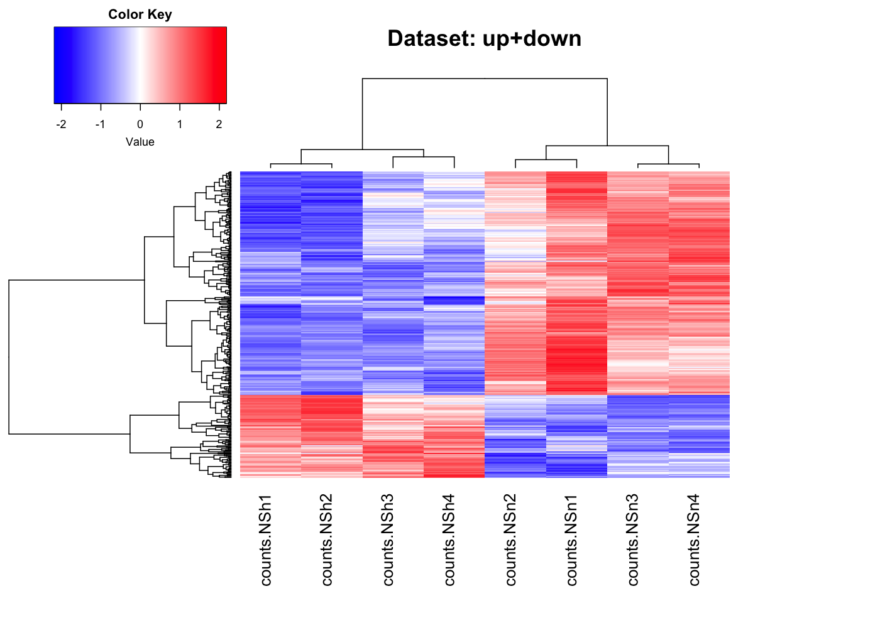
WBGene00010899 | M28.8 | hypothetical protein(M28.8) | 283.44791719 | 396.70245047 | 159.60842249 | 165.95881131 | 1263.2108878 | 1547.6489055 | 675.27787214 | 858.3658452 | 1.58E-06 | 2.1362704373 | 8.68E-09 | 4.40 | 5.8016980141
WBGene00044660 | fbxa-87 | pseudo | 49.81185179 | 86.241710124 | 40.416204938 | 43.858964955 | 316.4110114 | 373.95805977 | 117.90465554 | 118.84712759 | 0.0006793211816 | 2.0983555078 | 1.12E-05 | 4.28 | 3.1679248437
WBGene00012664 | Y39B6A.1 | hypothetical protein(Y39B6A.1) | 2265.0019885 | 2095.32008 | 6615.1346241 | 6443.409412 | 7583.0566099 | 10105.563888 | 16374.391202 | 37664.398917 | 0.0078416998094 | 2.071254988 | 0.00028378597066 | 4.20 | 2.1055897871
WBGene00003571 | ncx-6 | Putative sodium/calcium exchanger 6(ncx-6) | 54.543976434 | 84.271079481 | 36.297183041 | 25.159619165 | 221.43380943 | 379.87744771 | 111.49226 | 103.19685295 | 0.0042248682752 | 2.0589046834 | 0.00012212779662 | 4.17 | 2.3741868271
WBGene00010647 | K08C7.4 | hypothetical protein(K08C7.4) | 19.099206589 | 17.311647823 | 17.789931625 | 15.748512584 | 43.935190104 | 70.418695423 | 97.816854456 | 64.391450533 | 3.59E-06 | 2.0081581897 | 2.33E-08 | 4.02 | 5.4445403356
WBGene00005657 | srr-6 | Serpentine Receptor, class R(srr-6) | 73.005634008 | 38.834643902 | 20.551585238 | 19.430055573 | 109.76851653 | 116.67087698 | 225.32786809 | 134.41230628 | 0.0027773281521 | 1.9776983186 | 6.89E-05 | 3.94 | 2.5563728036
WBGene00019546 | glct-6 | GLuCuronosylTransferase-like(glct-6) | 200.74604294 | 276.73570285 | 230.62270374 | 233.65868255 | 927.56098984 | 1139.5798766 | 780.81715659 | 762.49536416 | 5.88E-26 | 1.962934974 | 4.37E-30 | 3.90 | 25.230588112
WBGene00009902 | drd-1 | dietary restriction down regulated(drd-1) | 67.099937058 | 107.84594014 | 113.32837107 | 96.497764547 | 556.86380562 | 601.10062643 | 136.95933824 | 154.27204249 | 0.0063404635886 | 1.9318807273 | 0.00021720693426 | 3.82 | 2.1978789871
WBGene00008234 | C50F4.9 | hypothetical protein(C50F4.9) | 226.77360679 | 263.33574358 | 82.964923894 | 90.79866243 | 762.08162535 | 899.19601606 | 333.88678081 | 342.30580021 | 0.0057813838818 | 1.8397948445 | 0.0001916101071 | 3.58 | 2.2379681927
WBGene00018398 | sptl-2 | Serine palmitoyltransferase 2(sptl-2) | 179.60376907 | 339.38811539 | 161.53166825 | 150.95098177 | 774.80591413 | 1170.2042217 | 414.41777737 | 473.72753647 | 0.00047982039368 | 1.7909983311 | 7.31E-06 | 3.46 | 3.3189212973
WBGene00001468 | flr-4 | Serine/threonine-protein kinase flr-4(flr-4) | 25.791963584 | 51.594131993 | 29.110577995 | 31.704578496 | 151.27756904 | 164.31246304 | 75.023319042 | 75.755539323 | 0.00050522291123 | 1.7838025146 | 7.85E-06 | 3.44 | 3.296516963
WBGene00018343 | F42A10.7 | hypothetical protein(F42A10.7) | 123.80691618 | 210.26920858 | 366.03454009 | 324.86907596 | 717.47454934 | 908.38932817 | 702.02038852 | 1124.3191522 | 4.52E-05 | 1.7753515675 | 4.40E-07 | 3.42 | 4.3446469307
WBGene00021028 | W04C9.6 | hypothetical protein(W04C9.6) | 9.4831759076 | 15.944030192 | 16.901081635 | 13.919188081 | 43.80641131 | 35.300795451 | 38.576269706 | 66.502022477 | 0.00068835341185 | 1.7425268372 | 1.14E-05 | 3.35 | 3.1621885306
WBGene00004058 | pmp-1 | Peroxisomal Membrane Protein related(pmp-1) | 318.81833902 | 493.22014732 | 253.35109199 | 280.74682816 | 1143.0356698 | 1683.1098144 | 588.38722815 | 871.21125217 | 9.50E-05 | 1.6936470785 | 1.04E-06 | 3.23 | 4.0223825767
WBGene00022644 | dod-19 | Downstream Of DAF-16 (regulated by DAF-16)(dod-19) | 3753.5847706 | 4475.2441673 | 2389.9127151 | 2388.9542223 | 14768.323783 | 16003.280284 | 5453.2963745 | 5084.5372004 | 0.0024537958425 | 1.6876731255 | 5.89E-05 | 3.22 | 2.6101615737
WBGene00018725 | kreg-1 | Protein kreg-1(kreg-1) | 197.05966339 | 91.264934856 | 70.692358041 | 70.155906336 | 450.37929204 | 162.01107873 | 418.91263133 | 320.45826365 | 0.0066809205754 | 1.6864905823 | 0.00023135238078 | 3.22 | 2.1751636912
WBGene00021603 | clec-204 | C-type LECtin(clec-204) | 22.236681173 | 60.62794429 | 41.28998133 | 25.410786137 | 107.17039572 | 170.91139293 | 88.489289356 | 92.544486995 | 0.0017107375606 | 1.6624138653 | 3.76E-05 | 3.17 | 2.7668166092
WBGene00021518 | hpo-6 | hypothetical protein(hpo-6) | 883.44133497 | 1098.1867027 | 533.40069508 | 571.88361693 | 2750.7869887 | 3113.7479709 | 1777.9528635 | 1941.9422262 | 1.52E-06 | 1.6594800633 | 8.14E-09 | 3.16 | 5.8176852911
WBGene00010475 | K01F9.2 | hypothetical protein(K01F9.2) | 236.34522802 | 369.16516828 | 194.65642501 | 216.75029597 | 989.134724 | 1339.5076846 | 388.67884758 | 411.30443484 | 0.0049796774566 | 1.6411840006 | 0.00015393816021 | 3.12 | 2.3027987864
WBGene00015052 | clec-52 | C-type LECtin(clec-52) | 556.50545384 | 512.32306066 | 797.7916385 | 686.17573156 | 1012.6881951 | 861.77841418 | 2456.6966029 | 3453.8903993 | 0.006920989397 | 1.6408757584 | 0.00024172289638 | 3.12 | 2.1598318161
WBGene00018715 | F52H2.3 | hypothetical protein(F52H2.3) | 27.693105982 | 57.733274115 | 65.133065005 | 55.218378381 | 130.66145455 | 176.39995323 | 135.64178677 | 185.3669366 | 9.60E-06 | 1.6359512598 | 7.14E-08 | 3.11 | 5.017600665
WBGene00011596 | T07G12.5 | hypothetical protein(T07G12.5) | 276.71116218 | 555.73522419 | 281.71930423 | 319.17740264 | 1316.5584148 | 1666.5436972 | 542.41884763 | 613.67225048 | 0.0050326379564 | 1.5513841827 | 0.00015707125969 | 2.93 | 2.2982043112
WBGene00018907 | F55G1.15 | hypothetical protein(F55G1.15) | 157.56331152 | 145.7401634 | 102.89383265 | 95.546727899 | 338.75342893 | 439.91437557 | 246.14208938 | 419.354035 | 8.78E-07 | 1.5513036881 | 4.44E-09 | 2.93 | 6.0566549882
WBGene00018707 | oac-31 | O-ACyltransferase homolog(oac-31) | 127.76196302 | 130.1730702 | 79.236575117 | 67.349547193 | 209.1862059 | 188.65698854 | 326.30407226 | 428.18866228 | 0.0012246484404 | 1.5436448664 | 2.46E-05 | 2.92 | 2.9119885662
WBGene00010851 | M04C3.2 | hypothetical protein(M04C3.2) | 70.893026413 | 65.031894272 | 43.997276115 | 38.365110165 | 139.10391597 | 201.03951779 | 95.774619113 | 181.3260035 | 0.00029871297461 | 1.5345629489 | 4.16E-06 | 2.90 | 3.5247459134
WBGene00013901 | ugt-16 | UDP-glucuronosyltransferase(ugt-16) | 37.383261754 | 32.745566599 | 26.285198123 | 38.349319957 | 86.699728145 | 122.71574312 | 83.464664716 | 86.415727251 | 7.44E-07 | 1.5145285028 | 3.70E-09 | 2.86 | 6.1283907925
WBGene00016769 | C49C8.5 | hypothetical protein(C49C8.5) | 1398.7881278 | 1389.7666893 | 1350.0924027 | 1239.972034 | 2487.5550798 | 3121.8418445 | 3772.0683389 | 5637.1913994 | 4.71E-07 | 1.5104208904 | 2.21E-09 | 2.85 | 6.3268543115
WBGene00007807 | C29F3.7 | hypothetical protein(C29F3.7) | 1606.4900108 | 2143.2585177 | 892.98291538 | 978.72729659 | 4883.6224856 | 5174.6721947 | 3156.0403548 | 1749.9376386 | 0.0074131996152 | 1.4359397714 | 0.00026497354647 | 2.71 | 2.1299943055
WBGene00014137 | clec-187 | C-type LECtin(clec-187) | 114.24551178 | 203.6810204 | 117.10374694 | 115.30366342 | 359.64798569 | 405.75000397 | 304.87928968 | 365.544978 | 2.15E-07 | 1.4143697992 | 9.25E-10 | 2.67 | 6.668560409
WBGene00022413 | Y102A11A.3 | hypothetical protein(Y102A11A.3) | 494.00628455 | 709.46662273 | 700.03465877 | 728.90014548 | 1519.8048706 | 1901.9078327 | 1409.2596793 | 2055.322271 | 1.92E-11 | 1.4125509976 | 3.86E-14 | 2.66 | 10.716372249
WBGene00022887 | ZK1290.5 | Uncharacterized oxidoreductase ZK1290.5(ZK1290.5) | 71.93407686 | 104.10757437 | 104.85467478 | 109.74025621 | 289.47505712 | 245.17269471 | 200.49341455 | 278.32263954 | 1.46E-08 | 1.4020450283 | 4.56E-11 | 2.64 | 7.8351340173
WBGene00016260 | rege-1 | hypothetical protein(C30F12.1) | 161.32562774 | 233.89913446 | 362.30625383 | 279.7798656 | 533.43229677 | 664.18635359 | 606.90062118 | 886.44936715 | 9.50E-05 | 1.399964175 | 1.04E-06 | 2.64 | 4.0223825767
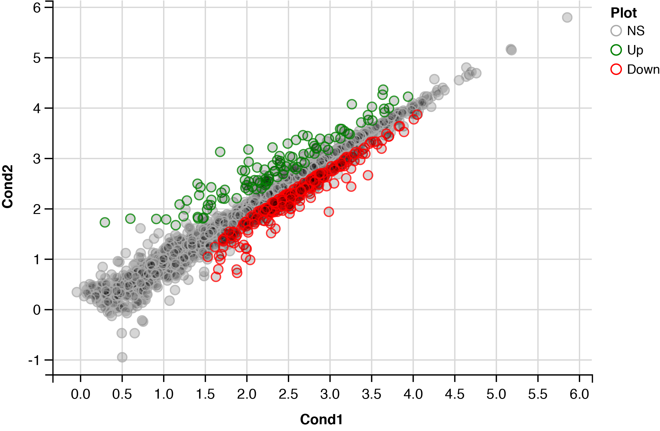
WBGene00016929 | C54F6.12 | hypothetical protein(C54F6.12) | 18.126346752 | 26.684873858 | 26.344140395 | 32.763772095 | 63.690440728 | 57.759662335 | 78.212734447 | 68.224769418 | 9.80E-05 | 1.3937251129 | 1.09E-06 | 2.63 | 4.0087215111
WBGene00009429 | irg-5 | hypothetical protein(F35E12.5) | 345.13195063 | 270.46526058 | 117.04699623 | 142.5107864 | 467.49468183 | 559.12942075 | 502.59957604 | 654.29623563 | 0.0049157709721 | 1.3477079082 | 0.00015031559254 | 2.55 | 2.3084083593
WBGene00011798 | T16G1.4 | hypothetical protein(T16G1.4) | 169.04098447 | 294.14763547 | 195.65288195 | 226.22284055 | 639.87409308 | 779.45189046 | 349.46169092 | 397.97469075 | 0.0010251000698 | 1.3144464197 | 1.91E-05 | 2.49 | 2.9892337369
WBGene00022645 | ZK6.11 | hypothetical protein(ZK6.11) | 1537.9983917 | 2574.5609999 | 3960.0701819 | 3538.3651828 | 6143.8629337 | 7918.6955378 | 5170.6640688 | 9060.0597192 | 0.0015674590861 | 1.3082620674 | 3.27E-05 | 2.48 | 2.8048037863
WBGene00004020 | pho-1 | Intestinal acid phosphatase(pho-1) | 329.39789784 | 607.27445711 | 489.95535106 | 527.59874951 | 1380.4256046 | 1761.6145354 | 674.81757076 | 906.43845616 | 0.0026557190945 | 1.2952441261 | 6.55E-05 | 2.45 | 2.5758178639
WBGene00010897 | lact-3 | beta-LACTamase domain containing(lact-3) | 1009.4070596 | 1341.801283 | 824.90138316 | 771.11097824 | 2703.781707 | 3231.6773579 | 1571.0017428 | 2010.013239 | 0.00011790731244 | 1.2930513007 | 1.34E-06 | 2.45 | 3.9284592598
WBGene00008799 | F14E5.1 | hypothetical protein(F14E5.1) | 23.924293769 | 26.651212613 | 26.35414573 | 28.041622971 | 79.234890101 | 77.845531077 | 40.200594867 | 53.759507536 | 0.0035883483053 | 1.2810153584 | 9.84E-05 | 2.43 | 2.4451054085
WBGene00019411 | K05F1.10 | hypothetical protein(K05F1.10) | 163.29429121 | 144.73935909 | 229.81272846 | 213.11284137 | 386.9414066 | 556.74531088 | 396.41724701 | 406.70956504 | 1.38E-06 | 1.2365732658 | 7.29E-09 | 2.36 | 5.8595723875
WBGene00003093 | lys-4 | LYSozyme(lys-4) | 3653.9162302 | 7792.8594504 | 5980.4153775 | 6539.6160882 | 12622.588358 | 15457.67472 | 10428.853825 | 15901.920064 | 9.40E-05 | 1.2088920429 | 1.01E-06 | 2.31 | 4.0270711363
WBGene00004859 | sma-5 | Mitogen-activated protein kinase sma-5(sma-5) | 701.74218173 | 1002.7260752 | 532.49961146 | 541.86341686 | 1861.6822572 | 2209.2096547 | 1045.7829347 | 1159.3640823 | 0.0035020065398 | 1.1993065584 | 9.45E-05 | 2.30 | 2.4556830472
WBGene00006454 | aex-4 | hypothetical protein(aex-4) | 101.76781714 | 150.21586416 | 108.62676209 | 112.54093691 | 296.84133949 | 397.92213163 | 174.69577378 | 190.82546166 | 0.0041654956136 | 1.1862605456 | 0.00011917335299 | 2.28 | 2.3803333185
WBGene00021352 | Y37E3.11 | hypothetical protein(Y37E3.11) | 1434.3735488 | 1688.0394154 | 1439.0649655 | 1501.2332535 | 3429.8562073 | 4499.6231826 | 2505.2917473 | 3145.4333336 | 7.46E-09 | 1.1857624453 | 2.17E-11 | 2.27 | 8.127004733
WBGene00044488 | Y54G2A.45 | hypothetical protein(Y54G2A.45) | 117.12164272 | 184.87437365 | 175.8380378 | 198.10349546 | 352.39646552 | 281.85475406 | 297.44772805 | 567.19606108 | 0.0032031869966 | 1.1791900991 | 8.29E-05 | 2.26 | 2.4944177072
WBGene00007890 | C33A12.19 | hypothetical protein(C33A12.19) | 372.0041171 | 252.90681145 | 286.52075229 | 299.73493427 | 702.75451539 | 546.51753501 | 884.25951718 | 560.07683219 | 9.76E-06 | 1.1791166553 | 7.33E-08 | 2.26 | 5.010424973
WBGene00004875 | smd-1 | S-adenosylmethionine decarboxylase beta chain(smd-1) | 968.03780627 | 1485.7124211 | 1196.8423136 | 1068.0652789 | 2836.6852705 | 3227.5637795 | 2030.4525293 | 2291.9492615 | 4.26E-07 | 1.1622275918 | 1.93E-09 | 2.24 | 6.370382349
WBGene00000983 | dhs-20 | DeHydrogenases, Short chain(dhs-20) | 131.89036248 | 136.24350294 | 144.89533476 | 169.71793885 | 378.86391864 | 272.11972331 | 304.15508728 | 323.27948695 | 6.09E-09 | 1.1605480347 | 1.67E-11 | 2.24 | 8.21560108
WBGene00002058 | ifd-2 | Intermediate filament protein ifd-2(ifd-2) | 536.35887357 | 556.03850283 | 599.76104797 | 602.08069406 | 1566.6582518 | 1442.1465824 | 988.2689431 | 1017.4776336 | 7.10E-08 | 1.1506961852 | 2.53E-10 | 2.22 | 7.1488841868
WBGene00017964 | F31F7.1 | hypothetical protein(F31F7.1) | 649.81239851 | 683.27190824 | 743.59958366 | 721.4031729 | 1399.5136406 | 1276.3490627 | 1700.5534611 | 1670.6876729 | 8.34E-14 | 1.1389134738 | 9.92E-17 | 2.20 | 13.078652361
WBGene00008553 | F07C6.2 | hypothetical protein(F07C6.2) | 69.051227474 | 115.85903295 | 115.30144021 | 124.83095178 | 211.1974348 | 233.38538713 | 196.86100304 | 270.66391995 | 0.00012536197913 | 1.1282604785 | 1.49E-06 | 2.19 | 3.9018341601
WBGene00194658 | R09E10.13 | hypothetical protein(R09E10.13) | 28.742468337 | 44.127183934 | 23.482798018 | 26.130424588 | 65.779129169 | 57.776259125 | 76.327864 | 60.490456248 | 0.0036529562102 | 1.1255670201 | 0.00010070942662 | 2.18 | 2.4373555339
WBGene00017703 | F22E5.1 | hypothetical protein(F22E5.1) | 28.342187475 | 21.432657176 | 30.830545892 | 38.586001751 | 65.474217079 | 70.789435711 | 64.430080665 | 49.903006476 | 0.0046952373025 | 1.1049821581 | 0.00013921376857 | 2.15 | 2.3283424531
WBGene00018797 | F54D7.2 | hypothetical protein(F54D7.2) | 2002.5908028 | 3013.792752 | 2242.4498428 | 2392.9098446 | 5566.9146212 | 6591.7216354 | 3466.8837115 | 4549.2919015 | 6.23E-05 | 1.0869011318 | 6.34E-07 | 2.12 | 4.2054509939
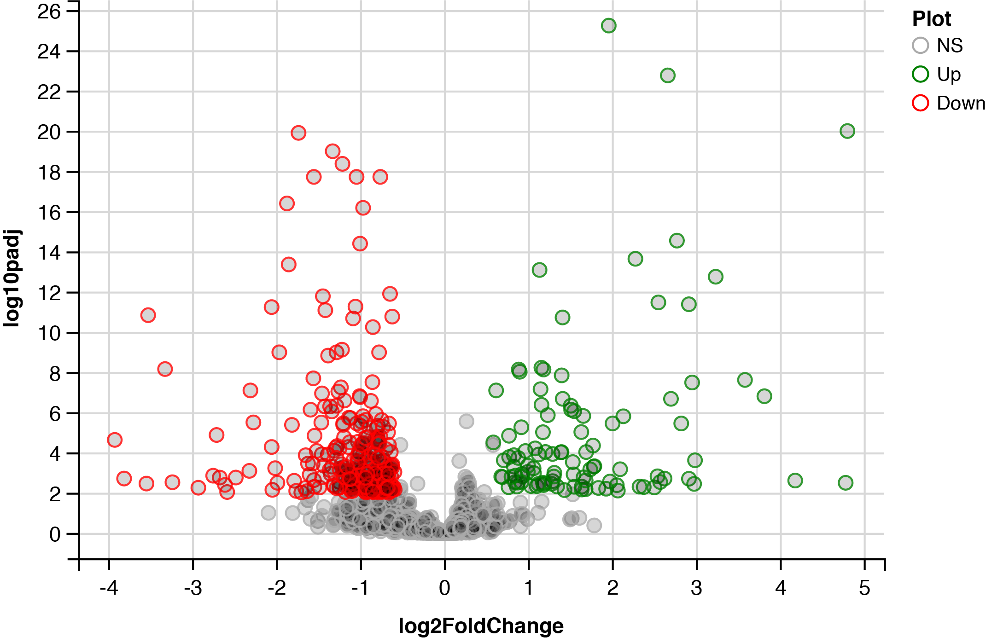
WBGene00001149 | bcat-1 | Branched-chain-amino-acid aminotransferase, cytosolic(bcat-1) | 4202.4642911 | 5766.7472741 | 4073.4642064 | 4140.505578 | 10862.054956 | 12965.315102 | 5906.2128378 | 7898.8236142 | 0.0010536260392 | 1.0716765034 | 2.00E-05 | 2.10 | 2.9773135048
WBGene00008301 | pals-39 | DAF-16/FOXO Controlled, germline Tumor affecting(dct-3) | 78.737486627 | 81.349499005 | 79.344117504 | 67.447113678 | 214.09270905 | 155.20782561 | 146.58550855 | 116.02551049 | 0.00060888764174 | 1.0676917945 | 9.86E-06 | 2.10 | 3.2154628405
WBGene00018594 | aman-3 | Alpha-mannosidase(aman-3) | 163.31043146 | 266.50905195 | 166.35135269 | 153.85691658 | 430.742587 | 502.09451747 | 290.99133333 | 289.60676347 | 0.0046784107038 | 1.0379352161 | 0.0001380195474 | 2.05 | 2.3299016554
WBGene00008923 | F17C11.12 | hypothetical protein(F17C11.12) | 246.95679778 | 331.0021572 | 286.55947464 | 278.86836487 | 610.70187849 | 759.29092077 | 394.30587577 | 490.0773967 | 0.00044874051258 | 1.001174888 | 6.77E-06 | 2.00 | 3.3480047203
WBGene00008368 | D1053.3 | hypothetical protein(D1053.3) | 186.4331715 | 216.71353475 | 149.31914468 | 135.06109317 | 387.85590551 | 417.5344133 | 277.31432604 | 267.56132646 | 0.0009163984965 | 0.99913106501 | 1.68E-05 | 2.00 | 3.037915632
WBGene00000067 | act-5 | ACTin(act-5) | 3216.0823661 | 3569.4927341 | 2685.4625779 | 2295.3598262 | 6011.2311442 | 6298.3451463 | 4063.7722687 | 6270.1791706 | 8.44E-05 | 0.97023592063 | 8.84E-07 | 1.96 | 4.0738418804
WBGene00011830 | cyp-29A2 | CYtochrome P450 family(cyp-29A2) | 123.86143692 | 183.66192169 | 203.33344651 | 224.47409822 | 362.82178753 | 287.17998113 | 389.27104911 | 339.57507285 | 0.0015150392 | 0.93411195264 | 3.13E-05 | 1.91 | 2.8195761301
WBGene00003730 | nhx-2 | Na(+)/H(+) exchanger protein 2(nhx-2) | 650.75172559 | 951.8252782 | 978.31839883 | 960.10987912 | 1472.7884785 | 2049.7963728 | 1190.3628383 | 1913.2974256 | 0.001181779378 | 0.9273220139 | 2.34E-05 | 1.90 | 2.9274635927
WBGene00019895 | aagr-2 | Acid Alpha Glucosidase Relate(aagr-2) | 4319.7575158 | 7858.1233392 | 4451.0299776 | 4170.5564536 | 9518.0037425 | 10519.952456 | 7837.0410067 | 10826.603571 | 0.0029392862772 | 0.92375402708 | 7.41E-05 | 1.90 | 2.531758113
WBGene00019779 | endu-2 | hypothetical protein(M60.2) | 7056.107999 | 11030.039985 | 8427.2651033 | 8800.8776319 | 14265.112705 | 14979.659552 | 17426.564204 | 18915.263096 | 5.55E-06 | 0.92159044079 | 3.92E-08 | 1.89 | 5.2555226402
WBGene00010339 | acl-1 | Putative 1-acyl-sn-glycerol-3-phosphate acyltransferase acl-1(acl-1) | 549.81933176 | 662.91509841 | 715.25433611 | 713.94393374 | 1053.3336452 | 1191.5943341 | 1253.8464466 | 1351.3302304 | 9.64E-09 | 0.9023453349 | 2.94E-11 | 1.87 | 8.0161128865
WBGene00020740 | T23F4.2 | hypothetical protein(T23F4.2) | 469.1000843 | 518.86523007 | 448.37624932 | 398.17192035 | 800.13429172 | 995.2644624 | 729.36104673 | 819.04095253 | 7.46E-09 | 0.8908767611 | 2.22E-11 | 1.85 | 8.127004733
WBGene00017422 | F13C5.1 | hypothetical protein(F13C5.1) | 110.43857112 | 117.14107067 | 134.23942902 | 165.30449129 | 240.47169084 | 243.08878522 | 206.87684994 | 266.75467018 | 0.00018602528636 | 0.88366117281 | 2.34E-06 | 1.85 | 3.7304280183
WBGene00016335 | gba-1 | Putative glucosylceramidase 1(gba-1) | 1505.5388414 | 2466.3430724 | 1397.4312502 | 1386.5921812 | 3127.5813666 | 3556.754484 | 2412.8758468 | 3082.152819 | 0.0031505371739 | 0.87690704999 | 8.10E-05 | 1.84 | 2.5016153917
WBGene00009237 | F28H7.3 | hypothetical protein(F28H7.3) | 1026.6960901 | 1580.767096 | 1351.1194311 | 1460.9142841 | 2418.3726777 | 3272.5624382 | 1627.6712097 | 2418.5563454 | 0.0049157709721 | 0.86775173903 | 0.00015095301339 | 1.82 | 2.3084083593
WBGene00018370 | F42H10.6 | Putative esterase F42H10.6(F42H10.6) | 271.93930538 | 343.07190029 | 374.58574 | 486.67040154 | 675.61513673 | 774.50933655 | 593.96643969 | 582.12782057 | 0.0014084608804 | 0.8533202809 | 2.87E-05 | 1.81 | 2.8512552109
WBGene00003402 | mpk-2 | Mitogen-activated protein kinase(mpk-2) | 198.00229633 | 200.08661197 | 145.54381767 | 148.25567764 | 304.28884836 | 357.6260047 | 220.45201902 | 338.67040536 | 0.0030134566541 | 0.84541482249 | 7.69E-05 | 1.80 | 2.5209350511
WBGene00016728 | C46H11.2 | Flavin-containing monooxygenase(C46H11.2) | 214.29067481 | 206.35559778 | 241.16900306 | 286.50108162 | 425.61520888 | 376.08804342 | 371.60161743 | 487.34231052 | 0.00013577606243 | 0.83326111562 | 1.62E-06 | 1.78 | 3.8671767902
WBGene00002056 | ifc-2 | Intermediate Filament, C(ifc-2) | 3399.6131966 | 5248.2549073 | 5097.4249307 | 4671.4423525 | 8202.0480906 | 8558.7072963 | 6188.140962 | 9269.2924267 | 0.000499201554 | 0.83244741678 | 7.64E-06 | 1.78 | 3.3017240714
WBGene00044396 | ZK1290.14 | hypothetical protein(ZK1290.14) | 281.62212863 | 329.65294022 | 240.17744761 | 257.27199862 | 513.45500421 | 610.45189462 | 385.23198949 | 395.09994339 | 0.001633351211 | 0.8041601691 | 3.50E-05 | 1.75 | 2.7869204211
WBGene00010334 | del-5 | DEgenerin Like(del-5) | 160.46540002 | 191.75355372 | 165.46533582 | 161.45228068 | 294.86498993 | 347.95856955 | 231.50519714 | 269.53072874 | 0.00016791181603 | 0.77651778188 | 2.08E-06 | 1.71 | 3.7749187413
WBGene00018350 | ifo-1 | Intermediate Filament Organize(ifo-1) | 1622.8561857 | 1957.7457403 | 1664.3302309 | 1775.6648325 | 3041.818031 | 2729.6292619 | 2438.5107151 | 3571.30855 | 1.47E-05 | 0.7746006217 | 1.16E-07 | 1.71 | 4.8337525879
WBGene00019617 | K10C2.1 | Carboxypeptidase(K10C2.1) | 2421.7975778 | 4129.0277135 | 3637.3493953 | 2959.4925223 | 5914.2827458 | 6536.2187976 | 4219.9552833 | 5369.1838407 | 0.0052974657177 | 0.76961697452 | 0.00016927325991 | 1.70 | 2.2759318451
WBGene00019187 | H11E01.2 | hypothetical protein(H11E01.2) | 169.16487649 | 159.70875028 | 138.95805613 | 144.54852661 | 270.77958432 | 261.30826223 | 252.75075884 | 201.37781663 | 0.00024390536859 | 0.71255904363 | 3.23E-06 | 1.64 | 3.6127786403
WBGene00001522 | gbh-1 | Probable gamma-butyrobetaine dioxygenase(gbh-1) | 341.19732545 | 354.97056305 | 506.22214857 | 443.38356973 | 667.27837863 | 599.03015754 | 647.08380234 | 707.82947645 | 0.0016782714237 | 0.69603527309 | 3.65E-05 | 1.62 | 2.7751378002
WBGene00015887 | C17C3.1 | hypothetical protein(C17C3.1) | 472.79537515 | 638.2998695 | 490.59877757 | 412.10266615 | 745.63246113 | 865.4013364 | 873.81074292 | 685.2289865 | 0.0015707678956 | 0.68237062048 | 3.29E-05 | 1.60 | 2.8038879837
WBGene00021564 | Y45G12B.3 | L-2-hydroxyglutarate dehydrogenase, mitochondrial(Y45G12B.3) | 372.96242328 | 440.23080131 | 403.01235462 | 364.40817786 | 565.86134817 | 654.61788688 | 575.66848281 | 590.78147731 | 8.19E-08 | 0.62130746531 | 3.04E-10 | 1.54 | 7.0869738032
WBGene00008132 | gale-1 | UDP-GALactose 4-Epimerase(gale-1) | 1062.3850979 | 945.8122174 | 942.36840811 | 915.95445877 | 1448.7053327 | 1687.7075082 | 1252.6738228 | 1331.049206 | 3.14E-05 | 0.58768510423 | 2.80E-07 | 1.50 | 4.5028582213
WBGene00000929 | dao-3 | Dauer or Aging adult Overexpression(dao-3) | 716.39784814 | 577.94665841 | 782.7658654 | 664.38344534 | 461.39798815 | 402.10190793 | 402.37258217 | 527.38632451 | 0.0069324280304 | -0.58703100163 | 0.00024263755683 | 0.67 | 2.1591146304
WBGene00015350 | fbxl-1 | Uncharacterized F-box/LRR-repeat protein C02F5.7(fbxl-1) | 3335.4636328 | 3764.1574049 | 2827.4807526 | 2719.1684153 | 2205.1751693 | 2287.2001174 | 1798.6453684 | 1965.7243299 | 0.00093049269154 | -0.58974722774 | 1.71E-05 | 0.66 | 3.0312870336
WBGene00000901 | daf-5 | hypothetical protein(daf-5) | 1941.4008631 | 1800.9778799 | 1462.9765631 | 1245.8442511 | 1035.7026791 | 1083.66891 | 962.36069096 | 1100.7912781 | 0.0052307782324 | -0.59908541982 | 0.00016636494638 | 0.66 | 2.2814336922
WBGene00016028 | flp-24 | VPSAGDMMVRF-amide(flp-24) | 1139.4686297 | 1076.9868204 | 916.95796911 | 1087.2476756 | 650.76219002 | 885.25699007 | 655.86033826 | 526.31015508 | 0.007266504175 | -0.61323066185 | 0.00025784576964 | 0.65 | 2.1386744726
WBGene00013899 | ZC443.4 | hypothetical protein(ZC443.4) | 641.41561589 | 614.39791059 | 573.51768209 | 582.64325353 | 331.74169519 | 348.51635004 | 426.27755441 | 438.18838179 | 0.00039304191138 | -0.61447540647 | 5.78E-06 | 0.65 | 3.4055611369
WBGene00015802 | kynu-1 | Kynureninase(kynu-1) | 506.78825601 | 454.0944597 | 460.89750368 | 559.27533617 | 365.12436492 | 325.94939524 | 271.50071493 | 309.64570822 | 0.0005423052136 | -0.61580002586 | 8.54E-06 | 0.65 | 3.2657562203
WBGene00017569 | F18E9.3 | hypothetical protein(F18E9.3) | 757.73297287 | 735.76174596 | 747.6673034 | 733.93201984 | 468.73904069 | 457.80810345 | 515.01828034 | 464.03298319 | 1.74E-11 | -0.61616522979 | 3.37E-14 | 0.65 | 10.758230158
WBGene00002179 | jph-1 | JunctoPHilin(jph-1) | 802.03405832 | 760.45760256 | 570.60115078 | 617.35826426 | 420.62848175 | 398.88730436 | 424.36450641 | 513.9543197 | 0.0049847789856 | -0.61734109571 | 0.00015446628795 | 0.65 | 2.3023540926
WBGene00011361 | lyst-1 | LYSosomal Trafficking regulator protein(lyst-1) | 438.5334376 | 527.03635787 | 360.5478033 | 356.11769693 | 276.24752228 | 300.18233604 | 233.99586859 | 264.57880018 | 0.0075857656958 | -0.6197773996 | 0.00027283277081 | 0.65 | 2.1200005756
WBGene00002100 | ins-17 | INSulin related(ins-17) | 434.7512894 | 381.29269244 | 341.66488435 | 320.42779526 | 250.08563098 | 235.93383401 | 224.89223441 | 231.97498781 | 0.00044330022546 | -0.62295951265 | 6.62E-06 | 0.65 | 3.3533020478
WBGene00001502 | ftt-2 | 14-3-3-like protein 2(ftt-2) | 12358.927989 | 13098.199719 | 10143.060091 | 9796.0993212 | 6432.3808697 | 6433.9011772 | 7452.5326556 | 8484.644515 | 0.0016107704093 | -0.62798702868 | 3.42E-05 | 0.65 | 2.7929663572
WBGene00018532 | F47B7.1 | UPF0057 membrane protein F47B7.1(F47B7.1) | 2170.1608405 | 2210.1428091 | 1801.7230027 | 2066.2758177 | 1262.7106642 | 1103.0601242 | 1400.7291278 | 1446.9796015 | 9.44E-05 | -0.63317306604 | 1.02E-06 | 0.64 | 4.0250062608
WBGene00006603 | tps-2 | Alpha,alpha-trehalose-phosphate synthase [UDP-forming] 2(tps-2) | 3161.4371446 | 3818.6476552 | 2748.0101559 | 2407.1868588 | 1940.5461772 | 2031.0890145 | 1621.1110411 | 2067.4029208 | 0.0040359477601 | -0.63714032856 | 0.00011366754857 | 0.64 | 2.3940544638
WBGene00003765 | nlp-27 | Neuropeptide-Like Protein(nlp-27) | 1671.6203301 | 1232.3404485 | 1595.0058382 | 1791.0873034 | 1123.8383581 | 798.820737 | 1008.2716767 | 1031.1347177 | 0.0066842800228 | -0.64044858965 | 0.00023196542845 | 0.64 | 2.1749453646
WBGene00010059 | F54E4.3 | hypothetical protein(F54E4.3) | 181.7507142 | 191.22672624 | 221.59378209 | 216.27410112 | 132.93147592 | 129.82082236 | 117.82548199 | 131.29979189 | 0.00054250245331 | -0.64076319024 | 8.59E-06 | 0.64 | 3.2655982935
WBGene00017904 | lim-8 | LIM domain family(lim-8) | 778.8836881 | 815.2650992 | 759.01173247 | 738.61176846 | 445.74945449 | 500.65006854 | 493.01148201 | 505.28252075 | 1.29E-12 | -0.64213708319 | 1.72E-15 | 0.64 | 11.889569569
WBGene00007480 | glna-1 | GLutamiNAse(glna-1) | 319.61755319 | 323.39599823 | 272.73634884 | 254.51499767 | 186.65747174 | 168.60274508 | 175.89625629 | 203.77033673 | 0.00068870348317 | -0.64315014589 | 1.14E-05 | 0.64 | 3.1619677205
WBGene00001403 | fbl-1 | FiBuLin(fbl-1) | 831.79204562 | 761.94328823 | 770.3686056 | 765.8771927 | 379.88919069 | 461.04000549 | 482.01125952 | 644.40861583 | 0.008552797631 | -0.64444318851 | 0.00032325062318 | 0.64 | 2.0678918038
WBGene00017772 | clec-1 | C-type LECtin(clec-1) | 5395.944502 | 5467.1833966 | 4419.1215513 | 4077.8002022 | 2966.7470135 | 3018.2012434 | 2961.6617947 | 3127.0137387 | 3.59E-06 | -0.65462206621 | 2.35E-08 | 0.64 | 5.4445403356
WBGene00008233 | C50F4.8 | hypothetical protein(C50F4.8) | 1722.9058774 | 1320.8100747 | 1332.846595 | 1613.0392412 | 1033.800471 | 938.35312033 | 871.15405312 | 896.56495205 | 4.23E-05 | -0.6547942946 | 4.03E-07 | 0.64 | 4.3733174976
WBGene00010703 | K09A9.6 | hypothetical protein(K09A9.6) | 351.09592868 | 299.32807148 | 299.12631922 | 265.00146005 | 183.16863789 | 188.78306517 | 169.9576518 | 214.75232774 | 0.00069880581242 | -0.65713097769 | 1.16E-05 | 0.63 | 3.1556434914
WBGene00019324 | K02F2.5 | hypothetical protein(K02F2.5) | 630.27272103 | 631.68749651 | 503.10564963 | 575.49714213 | 366.69604628 | 311.06634541 | 443.87132291 | 332.12707889 | 0.001633351211 | -0.65810332863 | 3.52E-05 | 0.63 | 2.7869204211
WBGene00007695 | C23H4.7 | Carboxylic ester hydrolase(C23H4.7) | 124.06145675 | 136.44439777 | 137.30864471 | 157.12133282 | 94.211496241 | 93.350559415 | 67.440657293 | 91.03248481 | 0.0099908511731 | -0.65933752405 | 0.00039651475113 | 0.63 | 2.0003975104
WBGene00008582 | F08G5.3 | hypothetical protein(F08G5.3) | 251.0460071 | 258.70469152 | 224.33551145 | 230.29498976 | 143.41962006 | 184.38553976 | 126.01237008 | 145.66629503 | 0.00086860548998 | -0.66140972706 | 1.56E-05 | 0.63 | 3.06117743
WBGene00003843 | oct-2 | Organic Cation Transporter(oct-2) | 334.61794297 | 368.35435667 | 413.68827417 | 420.19806721 | 209.34857538 | 222.04106323 | 243.21923777 | 279.00943681 | 0.0009700401527 | -0.66169246249 | 1.79E-05 | 0.63 | 3.0132102887
WBGene00006749 | unc-9 | Innexin unc-9(unc-9) | 292.39911893 | 297.92705006 | 262.19932761 | 252.81790855 | 170.60781528 | 176.97795429 | 137.88595165 | 199.41684427 | 0.0011513979018 | -0.66468253227 | 2.27E-05 | 0.63 | 2.9387745663
WBGene00020497 | T14A8.2 | hypothetical protein(T14A8.2) | 234.72617867 | 234.8690839 | 184.55046061 | 202.09974058 | 119.37492082 | 129.84168851 | 131.58173684 | 148.58232547 | 0.0010994044494 | -0.66479399856 | 2.13E-05 | 0.63 | 2.9588425097
WBGene00009340 | best-14 | Bestrophin homolog 14(best-14) | 586.53206158 | 625.24548156 | 709.87047039 | 728.39101287 | 453.01674892 | 427.76951352 | 395.07227516 | 367.15399732 | 9.98E-06 | -0.66656604826 | 7.56E-08 | 0.63 | 5.0009385145
WBGene00020930 | hlh-30 | Helix Loop Helix(hlh-30) | 7457.337225 | 7200.0153419 | 6870.9614476 | 5774.6879761 | 3591.2885952 | 3410.5519622 | 4572.1241319 | 5266.4653858 | 0.0057532653528 | -0.66862327771 | 0.00018982312675 | 0.63 | 2.2400855949
WBGene00003736 | nhx-9 | Probable Na(+)/H(+) antiporter nhx-9(nhx-9) | 377.08153621 | 313.55493186 | 251.70021668 | 310.18890348 | 185.26544201 | 195.21109386 | 195.63518091 | 197.45873424 | 0.0010338722042 | -0.66912575293 | 1.95E-05 | 0.63 | 2.9855331406
WBGene00011531 | rsbp-1 | R-Seven Binding Protein (R7BP) homolog(rsbp-1) | 674.12246873 | 725.79420313 | 560.24452587 | 536.53575008 | 328.61044317 | 376.35635299 | 400.6064407 | 429.54540596 | 0.00061014231829 | -0.67330105944 | 9.93E-06 | 0.63 | 3.2145688521
WBGene00010848 | M04B2.6 | hypothetical protein(M04B2.6) | 252.95931196 | 228.1242734 | 240.44694236 | 273.62408011 | 134.02958698 | 143.79624278 | 146.19683784 | 187.92575142 | 0.0018552020474 | -0.67502539989 | 4.22E-05 | 0.63 | 2.7316087851
WBGene00015551 | C06G3.5 | hypothetical protein(C06G3.5) | 2739.2370837 | 3703.7047442 | 3324.3390563 | 3908.9191898 | 2403.9150074 | 2410.4512164 | 1800.4501063 | 1747.0447744 | 0.0018894176533 | -0.68611450145 | 4.34E-05 | 0.62 | 2.7236720312
WBGene00020436 | T12A2.1 | hypothetical protein(T12A2.1) | 255.92243639 | 194.85718418 | 192.13936236 | 221.89303222 | 127.7276149 | 133.04877448 | 109.53506626 | 157.22863469 | 0.0059682945962 | -0.68858341073 | 0.00020090937446 | 0.62 | 2.2241497481
WBGene00008666 | F10G8.8 | hypothetical protein(F10G8.8) | 788.54831135 | 723.78593355 | 746.75663353 | 621.10283055 | 408.09211564 | 336.79830882 | 473.82350959 | 532.17677987 | 0.0049157709721 | -0.68893365625 | 0.00014991639895 | 0.62 | 2.3084083593
WBGene00017659 | F21C10.10 | hypothetical protein(F21C10.10) | 6171.7401054 | 6794.7020215 | 7506.9000023 | 7620.2172052 | 4513.8570048 | 4282.8675156 | 3433.6967071 | 4856.0026641 | 6.72E-05 | -0.6920530089 | 6.89E-07 | 0.62 | 4.1728244946
WBGene00004024 | php-3 | Posterior Hox gene Paralog(php-3) | 779.96340427 | 773.01562766 | 761.29826951 | 693.43151638 | 416.41324325 | 475.75015174 | 371.43086166 | 566.34168255 | 0.00047755667711 | -0.69240024545 | 7.24E-06 | 0.62 | 3.3209750783
WBGene00019854 | R03H10.1 | hypothetical protein(R03H10.1) | 319.29668909 | 273.43568606 | 341.77062204 | 345.96650225 | 158.10997554 | 186.66348045 | 191.03916648 | 238.74668236 | 0.0032031869966 | -0.69965228133 | 8.33E-05 | 0.62 | 2.4944177072
WBGene00015753 | C14B9.3 | hypothetical protein(C14B9.3) | 139.47718307 | 157.07560741 | 149.12997848 | 136.60903959 | 81.064465075 | 101.31322746 | 82.830510169 | 86.811634523 | 0.00040310772721 | -0.70705246805 | 5.96E-06 | 0.61 | 3.3945788767
WBGene00006741 | unc-1 | Protein unc-1(unc-1) | 516.45458038 | 587.60787723 | 372.82222608 | 400.297512 | 266.86868623 | 294.8775951 | 264.20740437 | 299.11060424 | 0.0027206373456 | -0.71083148626 | 6.73E-05 | 0.61 | 2.5653293448
WBGene00011392 | sbt-1 | Seven B Two (mammalian 7BT prohormone convertase chaperone) homolog(sbt-1) | 3321.1620979 | 3019.7638432 | 2025.9253744 | 2259.7271488 | 1727.1372631 | 1665.6477359 | 1596.4768317 | 1385.5316037 | 0.0033772840854 | -0.71126462524 | 8.88E-05 | 0.61 | 2.4714324065
WBGene00019597 | K09H9.5 | hypothetical protein(K09H9.5) | 123.16279199 | 113.88751692 | 117.43990393 | 122.28928067 | 80.608031433 | 71.952828392 | 63.828624828 | 69.91428531 | 0.0010891469763 | -0.71370762635 | 2.10E-05 | 0.61 | 2.9629135099
WBGene00011283 | R90.1 | hypothetical protein(R90.1) | 955.87637673 | 924.48395896 | 703.10148706 | 749.8584729 | 456.21893134 | 495.32326212 | 436.18824204 | 603.13316239 | 0.00090763974287 | -0.71623447993 | 1.65E-05 | 0.61 | 3.0420864959
...

