up+down_hlh-30(-)_Starv_v_Saur
ID | Gene | Annotation | counts.hSn1 | counts.hSn2 | counts.hSn3 | counts.hSn4 | counts.hSh1 | counts.hSh2 | counts.hSh3 | counts.hSh4 | padj | log2FoldChange | pvalue | foldChange | log10padj
WBGene00001477 | fmo-2 | Dimethylaniline monooxygenase [N-oxide-forming](fmo-2) | 44.856278752 | 64.179130677 | 18.548472338 | 21.416709269 | 8013.2853448 | 7640.8757832 | 3482.7704541 | 3739.1878936 | 3.05E-53 | 7.278228033 | 1.97E-57 | 155.23 | 52.515239286
WBGene00017695 | fip-1 | Fungus-induced protein 1(fip-1) | 1.7525308719 | 4.9632907805 | 0.60777822838 | 0.4996698161 | 25.098052101 | 9.0082785043 | 65.91690506 | 83.089053347 | 0.0012553982456 | 4.642695432 | 2.91E-06 | 24.98 | 2.9012184826
WBGene00045096 | K01A6.7 | hypothetical protein(K01A6.7) | 34.962379748 | 34.420856442 | 14.070788791 | 16.207980871 | 103.25380632 | 87.143736881 | 141.12246174 | 84.138964077 | 3.06E-05 | 2.0845477416 | 4.32E-08 | 4.24 | 4.513635223
WBGene00018601 | F48C1.9 | hypothetical protein(F48C1.9) | 13.780019157 | 23.094796167 | 17.774176348 | 25.198346814 | 72.791961365 | 36.210246646 | 98.376837475 | 95.356543848 | 0.0035819752819 | 1.9257755499 | 1.13E-05 | 3.80 | 2.4458774154
WBGene00012947 | Y47H9C.1 | hypothetical protein(Y47H9C.1) | 186.63478591 | 117.3191366 | 87.436292086 | 95.476419091 | 517.61052085 | 410.26935714 | 346.59521077 | 441.15402271 | 2.99E-08 | 1.8263504486 | 2.51E-11 | 3.55 | 7.5237670065
WBGene00015046 | nlp-34 | Neuropeptide-Like Protein(nlp-34) | 140.66734751 | 194.13827298 | 101.95415257 | 92.814549894 | 420.88622806 | 229.56181771 | 548.42482979 | 579.36386861 | 0.0012584843795 | 1.7613878575 | 3.00E-06 | 3.39 | 2.9001521706
WBGene00010647 | K08C7.4 | hypothetical protein(K08C7.4) | 11.175916609 | 15.019721017 | 11.525807599 | 10.2254604 | 39.027174684 | 32.642151163 | 52.110576297 | 33.754269947 | 0.00054926423819 | 1.7264084762 | 1.20E-06 | 3.31 | 3.2602186764
WBGene00016929 | C54F6.12 | hypothetical protein(C54F6.12) | 33.692347288 | 22.03279123 | 30.535091405 | 27.811889432 | 112.76870162 | 61.119427471 | 78.301828586 | 79.83522158 | 0.00018562861098 | 1.5434433682 | 3.20E-07 | 2.91 | 3.731355085
WBGene00007890 | C33A12.19 | hypothetical protein(C33A12.19) | 298.3011091 | 279.30796382 | 276.05378068 | 323.92909679 | 980.49350779 | 670.51345658 | 841.62913691 | 888.6126583 | 4.01E-18 | 1.5230517835 | 7.75E-22 | 2.87 | 17.397094374
WBGene00015052 | clec-52 | C-type LECtin(clec-52) | 315.7828369 | 389.18009469 | 344.02216072 | 483.95437997 | 762.86765083 | 656.56742322 | 1454.5288223 | 1482.2716053 | 0.0026410184554 | 1.5136280415 | 7.32E-06 | 2.86 | 2.5782285639
WBGene00020149 | T01D1.4 | 1,2-dihydroxy-3-keto-5-methylthiopentene dioxygenase homolog 1(T01D1.4) | 432.25195519 | 405.07505784 | 675.14725331 | 576.15402325 | 1021.3337358 | 1147.6216541 | 1073.8137878 | 1229.2336048 | 5.63E-05 | 1.092921249 | 8.71E-08 | 2.13 | 4.2495972467
WBGene00019388 | K04F1.9 | hypothetical protein(K04F1.9) | 938.0393688 | 876.17368447 | 627.7696642 | 742.66022179 | 1818.8897266 | 1724.3145946 | 1561.8020909 | 1432.7217677 | 2.62E-09 | 1.0397478221 | 1.52E-12 | 2.06 | 8.5817161616
WBGene00022181 | pho-9 | intestinal acid PHOsphatase(pho-9) | 505.61411451 | 530.68206671 | 631.59640629 | 531.14814549 | 1055.1211707 | 1184.706658 | 1114.6258103 | 975.53776204 | 2.55E-14 | 0.9727504645 | 6.57E-18 | 1.96 | 13.593998957
WBGene00001478 | fmo-3 | Dimethylaniline monooxygenase [N-oxide-forming](fmo-3) | 252.7374481 | 232.53123664 | 141.91107032 | 197.10426461 | 420.90860041 | 337.40198752 | 386.51515428 | 383.4147035 | 0.0023655725729 | 0.89833625091 | 6.41E-06 | 1.86 | 2.6260637238
WBGene00001784 | gst-36 | Probable glutathione S-transferase gst-36(gst-36) | 832.50260804 | 810.46626966 | 738.03948362 | 813.02411992 | 1284.0312435 | 1145.4757438 | 1289.3993307 | 1130.9120604 | 2.57E-09 | 0.60374566215 | 1.33E-12 | 1.52 | 8.5902640293
WBGene00004358 | rhr-1 | RH (Rhesus) antigen Related(rhr-1) | 3078.659866 | 2998.1562553 | 2377.3211742 | 2833.6956154 | 4998.182812 | 4302.2652978 | 3909.5308181 | 3923.4050261 | 0.00027507389239 | 0.60251889318 | 5.14E-07 | 1.52 | 3.5605506271
WBGene00012961 | Y47H10A.5 | hypothetical protein(Y47H10A.5) | 900.07747082 | 955.34576911 | 977.93125158 | 788.57697367 | 1256.1107742 | 1411.0087448 | 1315.4237182 | 1496.4383697 | 2.02E-05 | 0.59763210536 | 2.48E-08 | 1.51 | 4.693879825
WBGene00008435 | glna-2 | GLutamiNAse(glna-2) | 379.02643687 | 391.76516338 | 373.60391991 | 403.12203157 | 265.36874064 | 231.80509536 | 257.52430166 | 274.3363043 | 8.69E-06 | -0.5866537919 | 1.01E-08 | 0.67 | 5.0610908134
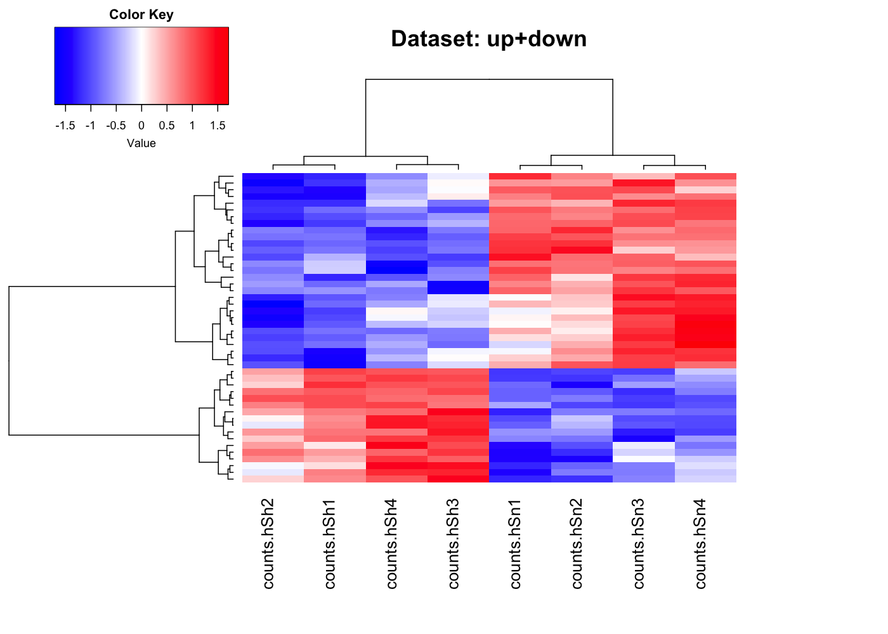
WBGene00015270 | C01B4.6 | Aldose 1-epimerase(C01B4.6) | 510.17794458 | 415.65377027 | 416.19237 | 412.67965078 | 295.93720808 | 337.5920501 | 272.52918356 | 253.87767513 | 0.00088172849451 | -0.59981172193 | 1.99E-06 | 0.66 | 3.054665124
WBGene00000118 | alh-12 | ALdehyde deHydrogenase(alh-12) | 984.76405308 | 985.52233146 | 1009.059162 | 1135.7476323 | 700.83469629 | 611.92095596 | 686.19941476 | 659.07732292 | 1.18E-07 | -0.63127204715 | 1.06E-10 | 0.65 | 6.9286955504
WBGene00021893 | ndnf-1 | NDNF (Neuron Derived Neurotrophic Factor) homolog(ndnf-1) | 370.78118081 | 387.25597048 | 415.41997114 | 397.80918344 | 268.63686521 | 245.97312834 | 267.29489724 | 230.94837752 | 9.59E-07 | -0.63675916519 | 9.90E-10 | 0.64 | 6.0181861167
WBGene00007521 | C11E4.7 | hypothetical protein(C11E4.7) | 363.71827505 | 365.82191363 | 438.14289148 | 424.34468882 | 244.68637439 | 220.91127283 | 255.74114887 | 281.41326286 | 0.0014755091769 | -0.66678697413 | 3.62E-06 | 0.63 | 2.8310580851
WBGene00012085 | T27D12.1 | hypothetical protein(T27D12.1) | 2119.9460797 | 2001.6530157 | 2066.1185288 | 1583.1429583 | 1141.8296781 | 1004.1048238 | 1333.6858624 | 1149.7768074 | 0.00018562861098 | -0.74414515102 | 3.23E-07 | 0.60 | 3.731355085
WBGene00012445 | Y16B4A.2 | Carboxypeptidase(Y16B4A.2) | 4689.2973546 | 3824.6145512 | 2781.850853 | 3255.4202562 | 2116.4420109 | 2043.8996234 | 2381.4113219 | 2029.7139376 | 0.0034604634297 | -0.75928053139 | 1.05E-05 | 0.59 | 2.460865736
WBGene00010422 | H32K16.2 | hypothetical protein(H32K16.2) | 544.15832334 | 523.87712749 | 351.73743999 | 340.24961484 | 269.75642761 | 254.71931533 | 221.06940537 | 209.67324928 | 0.0058502896282 | -0.87968720757 | 1.92E-05 | 0.54 | 2.2328226329
WBGene00000515 | ckc-1 | Choline Kinase C(ckc-1) | 75.44513822 | 86.734897091 | 73.626830025 | 64.451874882 | 35.175778228 | 42.778079061 | 44.988127826 | 37.668013423 | 0.0066726899321 | -0.8966733494 | 2.28E-05 | 0.54 | 2.1756990556
WBGene00194769 | Y32B12C.5 | pseudo | 191.655835 | 201.33416833 | 213.34819358 | 219.05817235 | 82.203502926 | 94.240379569 | 129.14322238 | 108.26473204 | 6.74E-05 | -0.98942692683 | 1.09E-07 | 0.50 | 4.1713143852
WBGene00016595 | C42D4.2 | hypothetical protein(C42D4.2) | 136.20529342 | 174.04479168 | 188.0681934 | 174.06404173 | 68.000085791 | 83.274712265 | 100.77672695 | 79.974244677 | 0.00021353779592 | -1.0172422869 | 3.86E-07 | 0.49 | 3.6705252443
WBGene00021135 | W10G11.2 | hypothetical protein(W10G11.2) | 145.20669048 | 131.1669156 | 149.92286745 | 137.83109265 | 66.844079572 | 66.900756937 | 63.414854715 | 80.091136219 | 2.57E-07 | -1.0227096721 | 2.48E-10 | 0.49 | 6.5903694129
WBGene00007331 | pho-11 | Putative acid phosphatase 11(pho-11) | 916.87777355 | 753.3491319 | 980.42648594 | 1103.6589171 | 495.73797648 | 451.40678437 | 412.3632565 | 391.55034997 | 3.18E-09 | -1.1052557806 | 2.05E-12 | 0.46 | 8.4978309869
WBGene00016174 | C27H5.4 | hypothetical protein(C27H5.4) | 518.02021557 | 502.1840295 | 430.7349996 | 372.12090417 | 207.46792352 | 184.95075932 | 227.30173583 | 204.29595104 | 1.03E-10 | -1.1403170506 | 4.65E-14 | 0.45 | 9.9870543166
WBGene00013996 | ZK550.2 | hypothetical protein(ZK550.2) | 1052.8137962 | 1161.5422752 | 776.94366877 | 818.22150051 | 336.55756999 | 335.74190325 | 582.60991224 | 460.37409149 | 0.0016927675822 | -1.1429258716 | 4.26E-06 | 0.45 | 2.7714026666
WBGene00010123 | F55G11.2 | hypothetical protein(F55G11.2) | 69.996728362 | 91.504194533 | 102.76472194 | 131.30081349 | 49.334274689 | 45.042772861 | 38.591675952 | 46.472355138 | 0.0055708051273 | -1.1464044875 | 1.80E-05 | 0.45 | 2.2540820334
WBGene00016052 | dod-3 | Downstream Of DAF-16 (regulated by DAF-16)(dod-3) | 521.53258601 | 512.42945582 | 421.82032161 | 280.18666799 | 160.81580614 | 167.48984348 | 248.66037269 | 199.09749425 | 0.0034604634297 | -1.1544431207 | 1.05E-05 | 0.45 | 2.460865736
WBGene00011397 | T03E6.8 | hypothetical protein(T03E6.8) | 147.62145617 | 133.50047371 | 168.96242528 | 181.36835475 | 70.046608969 | 44.100642217 | 83.902024036 | 68.482746836 | 0.00050940208655 | -1.2400340381 | 1.05E-06 | 0.42 | 3.2929392805
WBGene00018885 | drd-5 | dietary restriction down regulated(drd-5) | 279.71105983 | 239.65127219 | 199.6050381 | 221.63294319 | 109.40500981 | 93.176593754 | 78.351750486 | 96.691083073 | 6.17E-11 | -1.315850718 | 2.39E-14 | 0.40 | 10.209685786
WBGene00009773 | lipl-2 | Lipase(lipl-2) | 429.68995924 | 467.54361713 | 192.06570076 | 223.03192046 | 129.10683219 | 120.50176271 | 104.91286781 | 86.824024409 | 0.0018110449868 | -1.5695757555 | 4.67E-06 | 0.34 | 2.7420707616
WBGene00043980 | F11D5.7 | hypothetical protein(F11D5.7) | 29.596223483 | 23.644983261 | 28.990318263 | 36.436611858 | 8.9413699448 | 11.098944697 | 3.6657172733 | 8.9870894038 | 0.0034808042147 | -1.8933577799 | 1.08E-05 | 0.27 | 2.4583204039
WBGene00012308 | oac-53 | O-ACyltransferase homolog(oac-53) | 61.825410179 | 45.062740754 | 61.251213502 | 49.72411161 | 18.794406947 | 17.733010334 | 6.6391492845 | 12.84154193 | 2.08E-05 | -1.976406272 | 2.68E-08 | 0.25 | 4.6818071743
WBGene00021236 | pud-1.2 | Protein Up-regulated in Daf-2(gf)(pud-1.2) | 3142.1332373 | 4053.5853058 | 2003.3575908 | 2292.1579655 | 823.34096554 | 899.71413367 | 713.27846752 | 465.93440491 | 5.20E-09 | -1.9861482533 | 3.69E-12 | 0.25 | 8.2840704015
WBGene00017490 | pud-2.1 | Protein Up-regulated in Daf-2(gf)(pud-2.1) | 5857.970242 | 4923.9636964 | 3394.0157048 | 3342.8597037 | 1103.8521242 | 1091.6433197 | 815.96036074 | 604.78632544 | 2.93E-14 | -2.2771811589 | 9.44E-18 | 0.21 | 13.533579619
WBGene00017498 | pud-4 | Protein Up-regulated in Daf-2(gf)(pud-4) | 350.69720927 | 248.9276017 | 182.32912503 | 197.82026406 | 86.356650022 | 53.638328076 | 45.009855659 | 17.016032734 | 0.00037334408198 | -2.293521696 | 7.46E-07 | 0.20 | 3.4278907284
WBGene00008634 | F10A3.4 | hypothetical protein(F10A3.4) | 122.04844084 | 113.70121758 | 105.59180835 | 109.03074197 | 39.564737909 | 27.671519986 | 15.409346845 | 8.2638080871 | 3.06E-05 | -2.3248095113 | 4.35E-08 | 0.20 | 4.513635223
WBGene00017499 | pud-1.1 | Protein Up-regulated in Daf-2(gf)(pud-1.1) | 2599.8065282 | 1377.6174534 | 1171.5202093 | 668.80826561 | 373.69131062 | 200.05738842 | 148.1135731 | 167.29882342 | 4.20E-06 | -2.710809619 | 4.60E-09 | 0.15 | 5.3769913607
WBGene00017501 | pud-3 | Protein Up-regulated in Daf-2(gf)(pud-3) | 453.44114578 | 351.21486792 | 428.72754876 | 456.89908104 | 41.069854584 | 30.330595652 | 56.530415388 | 39.055051864 | 3.54E-44 | -3.334291823 | 4.57E-48 | 0.10 | 43.450430517
WBGene00018459 | F45D11.14 | hypothetical protein(F45D11.14) | 1103.6481343 | 1198.7742482 | 3716.2873458 | 4464.8385096 | 257.96616271 | 205.90340444 | 254.38911392 | 320.54152294 | 2.19E-08 | -3.3434533694 | 1.70E-11 | 0.10 | 7.6594357936

