Overlap_UP_WT_v_nhr-49(-)
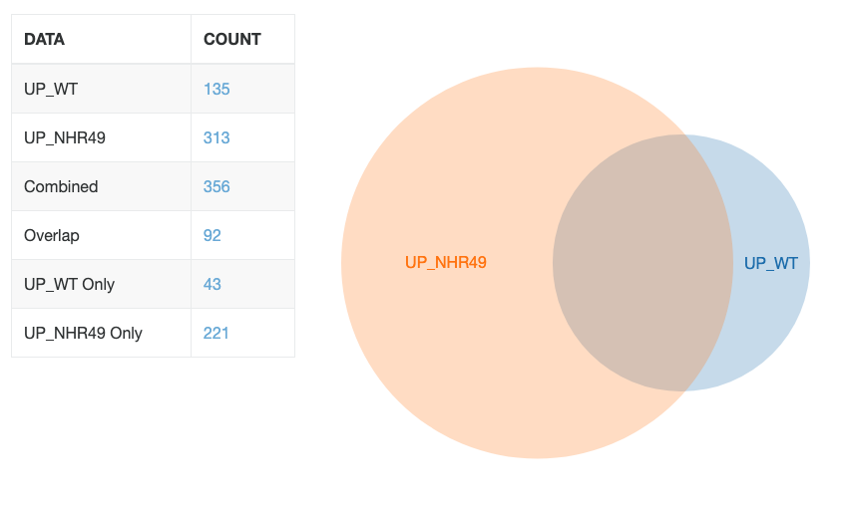
UP_WT&UP_NHR49 (NHR-49-independent) |  | WT ONLY (NHR-49-dependent) |  | NHR ONLY (Compensatory)
WBGene00008167 | acox-1.5 | WBGene00014046 | B0205.13 | WBGene00018647 | 21ur-14767
WBGene00000067 | act-5 | WBGene00017806 | C39B5.14 | WBGene00010887 | 21ur-4114
WBGene00015178 | B0416.2 | WBGene00002102 | catp-3 | WBGene00021298 | abt-4
WBGene00015791 | C15C7.5 | WBGene00001477 | clec-172 | WBGene00013949 | AC3.5
WBGene00007682 | C18D11.6 | WBGene00044719 | clec-204 | WBGene00014755 | aman-3
WBGene00045411 | C25F9.11 | WBGene00015660 | clec-265 | WBGene00020248 | aqp-8
WBGene00016164 | C27D9.2 | WBGene00000983 | clec-52 | WBGene00044479 | arl-7
WBGene00007807 | C29F3.7 | WBGene00015052 | clec-60 | WBGene00012467 | arrd-8
WBGene00007890 | C33A12.19 | WBGene00022256 | cpr-4 | WBGene00012501 | asp-12
WBGene00016425 | C34H4.2 | WBGene00010647 | cyp-14A3 | WBGene00194928 | B0024.4
WBGene00016769 | C49C8.5 | WBGene00044644 | dhs-20 | WBGene00007404 | B0403.3
WBGene00008234 | C50F4.9 | WBGene00019404 | dmsr-12 | WBGene00008019 | B0457.6
WBGene00016845 | C50F7.5 | WBGene00008560 | drd-1 | WBGene00000176 | B0507.10
WBGene00016929 | C54F6.12 | WBGene00021741 | F26A1.8 | WBGene00007180 | B0507.8
WBGene00000302 | cav-2 | WBGene00021601 | fmo-2 | WBGene00020859 | bath-25
WBGene00021580 | clec-174 | WBGene00001857 | fmo-5 | WBGene00013119 | best-5
WBGene00016912 | clec-86 | WBGene00018492 | fut-2 | WBGene00016662 | C03B1.2
WBGene00000782 | cpr-2 | WBGene00012604 | gst-4 | WBGene00044997 | C06E1.7
WBGene00011830 | cyp-29A2 | WBGene00001752 | H06A10.1 | WBGene00018823 | C07E3.3
WBGene00009431 | dct-17 | WBGene00003094 | hil-6 | WBGene00021517 | C08E8.3
WBGene00022644 | dod-19 | WBGene00014175 | his-20 | WBGene00003610 | C08E8.4
WBGene00008462 | E02H4.4 | WBGene00189950 | hpo-26 | WBGene00016765 | C10C5.2
WBGene00001158 | ech-9 | WBGene00010707 | ins-19 | WBGene00019101 | C13G3.1
WBGene00017277 | F09C12.2 | WBGene00019262 | K05B2.4 | WBGene00016659 | C16D9.4
WBGene00008621 | F09C8.1 | WBGene00012007 | K05F1.1 | WBGene00016265 | C23H4.6
WBGene00017378 | F11C7.6 | WBGene00008208 | K05F1.10 | WBGene00009756 | C25F6.8
WBGene00008988 | F20G2.5 | WBGene00021603 | K08C7.4 | WBGene00018412 | C25F9.16
WBGene00017726 | F22H10.2 | WBGene00022413 | lys-5 | WBGene00008644 | C25F9.4
WBGene00017764 | F25A2.1 | WBGene00013901 | nhr-167 | WBGene00015259 | C25F9.6
WBGene00018209 | F39G3.4 | WBGene00000784 | nspe-2 | WBGene00044534 | C29G2.2
WBGene00018210 | F39G3.5 | WBGene00014135 | oac-57 | WBGene00008226 | C29G2.2
WBGene00018343 | F42A10.7 | WBGene00010368 | pho-13 | WBGene00018350 | C35A5.3
WBGene00009649 | F43C1.5 | WBGene00004058 | pmp-1 | WBGene00007439 | C38H2.2
WBGene00018997 | F57B9.3 | WBGene00019411 | sptl-2 | WBGene00008105 | C39H7.2
WBGene00009964 | fip-6 | WBGene00009902 | T25B9.1 | WBGene00000022 | C39H7.4
WBGene00013923 | ghi-1 | WBGene00018398 | ugt-16 | WBGene00002274 | C44F1.1
WBGene00019146 | H02F09.3 | WBGene00019405 | Y102A11A.3 | WBGene00005422 | C45B11.2
WBGene00019273 | H43E16.1 | WBGene00019738 | Y46H3A.5 | WBGene00206354 | C45B2.2
WBGene00013073 | hmit-1.1 | WBGene00001506 | Y50D4B.2 | WBGene00018643 | C45B2.8
WBGene00021518 | hpo-6 | WBGene00022040 | Y65B4BR.1 | WBGene00016728 | C46H11.2
WBGene00002021 | hsp-17 | WBGene00019579 | Y73B6BL.37 | WBGene00007071 | C49C8.1
WBGene00002058 | ifd-2 | WBGene00001894 | ZK896.4 | WBGene00012295 | C49C8.8
WBGene00002067 | ifp-1 | WBGene00001480 | ZK971.1 | WBGene00016783 | C49G7.10
WBGene00016669 | ilys-2 |  |  | WBGene00017095 | C49G7.12
WBGene00016670 | ilys-3 |  |  | WBGene00016788 | C49G7.7
WBGene00002094 | ins-11 |  |  | WBGene00003879 | C50B8.4
WBGene00007864 | irg-6 |  |  | WBGene00000755 | C50F4.1
WBGene00045096 | K01A6.7 |  |  | WBGene00021128 | C54E10.11
WBGene00019388 | K04F1.9 |  |  | WBGene00020247 | cah-3
WBGene00010658 | K08D8.4 |  |  | WBGene00009318 | cebp-1
WBGene00045012 | K08F4.13 |  |  | WBGene00005142 | cld-9
WBGene00002199 | kin-15 |  |  | WBGene00022638 | clec-118
WBGene00018725 | kreg-1 |  |  | WBGene00017308 | clec-125
WBGene00003092 | lys-3 |  |  | WBGene00008091 | clec-186
WBGene00010851 | M04C3.2 |  |  | WBGene00004124 | clec-187
WBGene00010899 | M28.8 |  |  | WBGene00004859 | clec-221
WBGene00008216 | mec-19 |  |  | WBGene00010127 | clec-70
WBGene00021451 | mltn-8 |  |  | WBGene00012593 | clec-71
WBGene00017948 | mth-1 |  |  | WBGene00045048 | clec-9
WBGene00017947 | mth-2 |  |  | WBGene00000551 | clx-1
WBGene00003522 | nas-3 |  |  | WBGene00016785 | cnc-11
WBGene00003571 | ncx-6 |  |  | WBGene00004013 | cnc-4
WBGene00003605 | nhr-6 |  |  | WBGene00007726 | cnp-3
WBGene00012594 | nspe-5 |  |  | WBGene00009429 | col-182
WBGene00018707 | oac-31 |  |  | WBGene00007553 | cyp-36A1
WBGene00003957 | pcp-2 |  |  | WBGene00014137 | D1007.19
WBGene00004144 | pqn-60 |  |  | WBGene00013955 | dgat-2
WBGene00020052 | R13A5.10 |  |  | WBGene00010977 | dod-20
WBGene00021335 | spp-23 |  |  | WBGene00007989 | drd-50
WBGene00005188 | srg-31 |  |  | WBGene00044034 | E02C12.10
WBGene00006191 | str-144 |  |  | WBGene00015216 | egrh-1
WBGene00020149 | T01D1.4 |  |  | WBGene00021032 | F02H6.6
WBGene00011494 | T05F1.9 |  |  | WBGene00020648 | F08G2.5
WBGene00020760 | T24C4.4 |  |  | WBGene00044900 | F09F9.3
WBGene00020898 | T28D9.9 |  |  | WBGene00016229 | F10C2.3
WBGene00019717 | trx-3 |  |  | WBGene00017678 | F12A10.9
WBGene00006627 | tsp-1 |  |  | WBGene00015046 | F13A2.4
WBGene00013900 | ugt-18 |  |  | WBGene00018268 | F14E5.1
WBGene00015739 | ugt-7 |  |  | WBGene00000191 | F15B9.6
WBGene00022419 | Y102A11A.9 |  |  | WBGene00020579 | F15E6.10
WBGene00021339 | Y34F4.4 |  |  | WBGene00007506 | F22E5.1
WBGene00045416 | Y37H2A.14 |  |  | WBGene00016526 | F27E5.7
WBGene00012664 | Y39B6A.1 |  |  | WBGene00018345 | F27E5.9
WBGene00021519 | Y41D4B.17 |  |  | WBGene00175027 | F28F5.6
WBGene00021520 | Y41D4B.18 |  |  | WBGene00013659 | F29G9.7
WBGene00021529 | Y41G9A.5 |  |  | WBGene00022760 | F32B4.8
WBGene00012947 | Y47H9C.1 |  |  | WBGene00019564 | F32G8.3
WBGene00044376 | Y49F6B.12 |  |  | WBGene00012101 | F33D11.8
WBGene00022013 | Y60C6A.1 |  |  | WBGene00077593 | F33H12.7
WBGene00022645 | ZK6.11 |  |  | WBGene00010296 | F35E12.4
WBGene00022649 | ZK84.1 |  |  | WBGene00015048 | F40F12.8
WBGene00014173 | ZK970.7 |  |  | WBGene00018813 | F41C3.2
 |  |  |  | WBGene00016218 | F42C5.3
 |  |  |  | WBGene00021581 | F46B3.1
 |  |  |  | WBGene00045253 | F46C3.6
 |  |  |  | WBGene00007440 | F46G10.4
 |  |  |  | WBGene00206524 | F48C1.11
 |  |  |  | WBGene00019546 | F48F5.2
 |  |  |  | WBGene00009798 | F49F1.7
 |  |  |  | WBGene00005657 | F49H6.13
 |  |  |  | WBGene00005551 | F49H6.3
 |  |  |  | WBGene00018594 | F52F10.2
 |  |  |  | WBGene00017703 | F53A9.7
 |  |  |  | WBGene00018730 | F54D11.3
 |  |  |  | WBGene00016340 | F54E2.1
 |  |  |  | WBGene00013559 | F55A12.6
 |  |  |  | WBGene00008539 | F55G11.7
 |  |  |  | WBGene00019782 | F59B1.10
 |  |  |  | WBGene00008799 | faah-2
 |  |  |  | WBGene00015716 | fbxa-105
 |  |  |  | WBGene00007694 | fbxa-12
 |  |  |  | WBGene00007097 | fbxa-136
 |  |  |  | WBGene00015362 | fbxa-59
 |  |  |  | WBGene00012603 | fbxa-8
 |  |  |  | WBGene00014836 | fbxa-91
 |  |  |  | WBGene00008301 | fipr-22
 |  |  |  | WBGene00002106 | gba-2
 |  |  |  | WBGene00006467 | gem-4
 |  |  |  | WBGene00007913 | glct-6
 |  |  |  | WBGene00007517 | gpx-3
 |  |  |  | WBGene00016997 | gst-36
 |  |  |  | WBGene00019145 | H02F09.2
 |  |  |  | WBGene00013493 | H23N18.6
 |  |  |  | WBGene00012500 | hpo-2
 |  |  |  | WBGene00009488 | ifo-1
 |  |  |  | WBGene00001784 | igeg-2
 |  |  |  | WBGene00007833 | ins-12
 |  |  |  | WBGene00006372 | ins-23
 |  |  |  | WBGene00009339 | irg-2
 |  |  |  | WBGene00008486 | irg-5
 |  |  |  | WBGene00004231 | K04A8.1
 |  |  |  | WBGene00206418 | K09D9.1
 |  |  |  | WBGene00004236 | kri-1
 |  |  |  | WBGene00003653 | lec-11
 |  |  |  | WBGene00045305 | lips-5
 |  |  |  | WBGene00020792 | M04C3.5
 |  |  |  | WBGene00018865 | M60.7
 |  |  |  | WBGene00015217 | M7.12
 |  |  |  | WBGene00011957 | magu-2
 |  |  |  | WBGene00017933 | msp-71
 |  |  |  | WBGene00008916 | nhr-11
 |  |  |  | WBGene00016525 | nhr-178
 |  |  |  | WBGene00014193 | nhr-247
 |  |  |  | WBGene00044569 | nhr-37
 |  |  |  | WBGene00001577 | nhr-63
 |  |  |  | WBGene00015225 | nlp-30
 |  |  |  | WBGene00195179 | nlp-31
 |  |  |  | WBGene00017449 | nlp-34
 |  |  |  | WBGene00007414 | nmat-1
 |  |  |  | WBGene00022494 | nspd-11
 |  |  |  | WBGene00017510 | nspe-6
 |  |  |  | WBGene00009428 | nspe-7
 |  |  |  | WBGene00023252 | oac-14
 |  |  |  | WBGene00003460 | oac-20
 |  |  |  | WBGene00007772 | oac-6
 |  |  |  | WBGene00020725 | ora-1
 |  |  |  | WBGene00045253 | otpl-3
 |  |  |  | WBGene00000558 | pals-23
 |  |  |  | WBGene00014902 | pals-37
 |  |  |  | WBGene00044396 | pals-39
 |  |  |  | WBGene00017413 | pha-4
 |  |  |  | WBGene00009846 | pho-1
 |  |  |  | WBGene00014138 | pho-6
 |  |  |  | WBGene00018005 | plp-2
 |  |  |  | WBGene00017905 | pqn-37
 |  |  |  | WBGene00016728 | ptr-17
 |  |  |  | WBGene00008976 | ptr-22
 |  |  |  | WBGene00015167 | R02D5.3
 |  |  |  | WBGene00011187 | R10D12.6
 |  |  |  | WBGene00021118 | scl-27
 |  |  |  | WBGene00235271 | sma-5
 |  |  |  | WBGene00021352 | sox-4
 |  |  |  | WBGene00011190 | srd-65
 |  |  |  | WBGene00011725 | srh-212
 |  |  |  | WBGene00009907 | sri-36
 |  |  |  | WBGene00045457 | sri-38
 |  |  |  | WBGene00007672 | sri-39
 |  |  |  | WBGene00194803 | sri-74
 |  |  |  | WBGene00023483 | srr-6
 |  |  |  | WBGene00022891 | swt-6
 |  |  |  | WBGene00019373 | syx-2
...

gProfiler_Independent
NHR-49-Independent
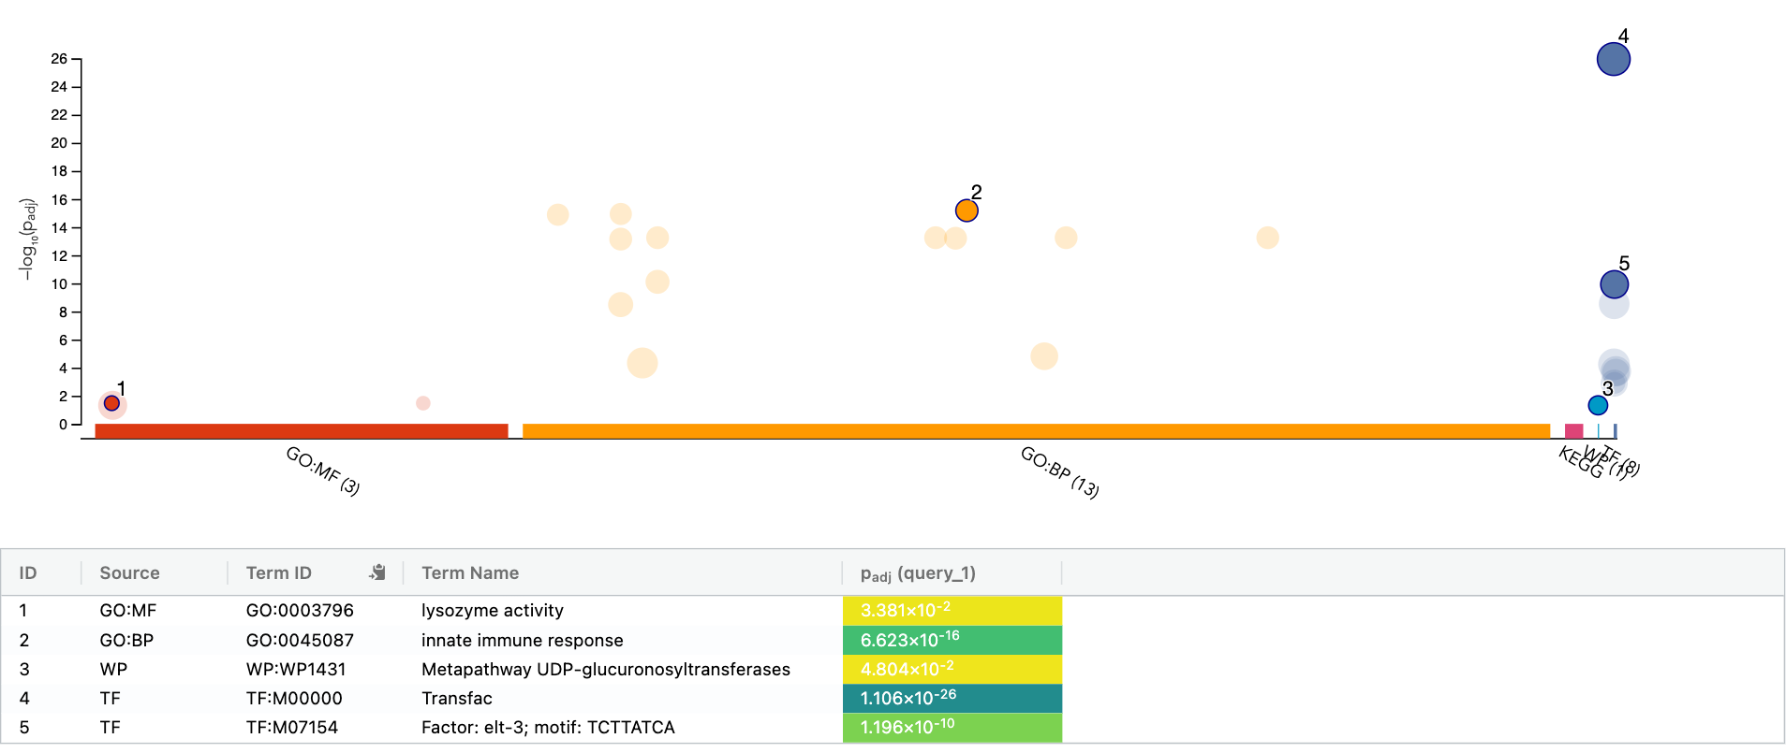

source | term_name | term_id | adjusted_p_value | negative_log10_of_adjusted_p_value | term_size | query_size | intersection_size | effective_domain_size | intersections
GO:MF | lysozyme activity | GO:0003796 | 0.033808778455 | 1.4709705205 | 11 | 92 | 2 | 46904 | WBGENE00016669,WBGENE00016670
GO:MF | peptidoglycan muralytic activity | GO:0061783 | 0.033808778455 | 1.4709705205 | 11 | 92 | 2 | 46904 | WBGENE00016669,WBGENE00016670
GO:MF | catalytic activity | GO:0003824 | 0.047965027913 | 1.3190752985 | 4059 | 92 | 19 | 46904 | WBGENE00008167,WBGENE00000782,WBGENE00011830,WBGENE00001158,WBGENE00017277,WBGENE00008621,WBGENE00018209,WBGENE00018210,WBGENE00018997,WBGENE00016669,WBGENE00016670,WBGENE00002199,WBGENE00003522,WBGENE00018707,WBGENE00003957,WBGENE00020052,WBGENE00020149,WBGENE00013900,WBGENE00015739
GO:BP | innate immune response | GO:0045087 | 6.62E-16 | 15.178954676 | 237 | 92 | 15 | 46904 | WBGENE00007682,WBGENE00007807,WBGENE00016769,WBGENE00008234,WBGENE00016912,WBGENE00009431,WBGENE00022644,WBGENE00008988,WBGENE00017726,WBGENE00018210,WBGENE00010658,WBGENE00010851,WBGENE00020760,WBGENE00006627,WBGENE00022645
GO:BP | immune response | GO:0006955 | 1.16E-15 | 14.934859845 | 246 | 92 | 15 | 46904 | WBGENE00007682,WBGENE00007807,WBGENE00016769,WBGENE00008234,WBGENE00016912,WBGENE00009431,WBGENE00022644,WBGENE00008988,WBGENE00017726,WBGENE00018210,WBGENE00010658,WBGENE00010851,WBGENE00020760,WBGENE00006627,WBGENE00022645
GO:BP | immune system process | GO:0002376 | 1.31E-15 | 14.881897692 | 248 | 92 | 15 | 46904 | WBGENE00007682,WBGENE00007807,WBGENE00016769,WBGENE00008234,WBGENE00016912,WBGENE00009431,WBGENE00022644,WBGENE00008988,WBGENE00017726,WBGENE00018210,WBGENE00010658,WBGENE00010851,WBGENE00020760,WBGENE00006627,WBGENE00022645
GO:BP | defense response to other organism | GO:0098542 | 5.66E-14 | 13.24709733 | 319 | 92 | 15 | 46904 | WBGENE00007682,WBGENE00007807,WBGENE00016769,WBGENE00008234,WBGENE00016912,WBGENE00009431,WBGENE00022644,WBGENE00008988,WBGENE00017726,WBGENE00018210,WBGENE00010658,WBGENE00010851,WBGENE00020760,WBGENE00006627,WBGENE00022645
GO:BP | response to other organism | GO:0051707 | 5.66E-14 | 13.24709733 | 319 | 92 | 15 | 46904 | WBGENE00007682,WBGENE00007807,WBGENE00016769,WBGENE00008234,WBGENE00016912,WBGENE00009431,WBGENE00022644,WBGENE00008988,WBGENE00017726,WBGENE00018210,WBGENE00010658,WBGENE00010851,WBGENE00020760,WBGENE00006627,WBGENE00022645
GO:BP | response to biotic stimulus | GO:0009607 | 5.66E-14 | 13.24709733 | 319 | 92 | 15 | 46904 | WBGENE00007682,WBGENE00007807,WBGENE00016769,WBGENE00008234,WBGENE00016912,WBGENE00009431,WBGENE00022644,WBGENE00008988,WBGENE00017726,WBGENE00018210,WBGENE00010658,WBGENE00010851,WBGENE00020760,WBGENE00006627,WBGENE00022645
...

gProfiler_Dependent
NHR-49-Dependent
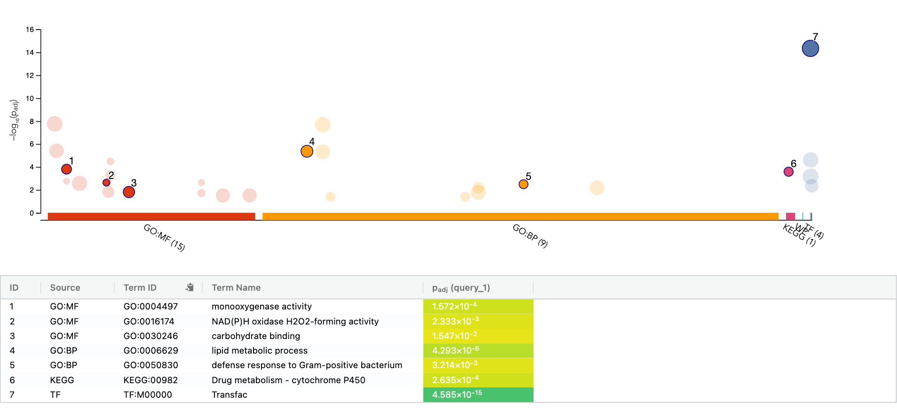

source | term_name | term_id | adjusted_p_value | negative_log10_of_adjusted_p_value | term_size | query_size | intersection_size
GO:MF | molecular_function | GO:0003674 | 1.73E-08 | 7.7628839399 | 10193 | 43 | 29
GO:MF | catalytic activity | GO:0003824 | 3.9453507274E-06 | 5.4039143835 | 4059 | 43 | 17
GO:MF | oxidoreductase activity, acting on paired donors, with incorporation or reduction of molecular oxygen, NAD(P)H as one donor, and incorporation of one atom of oxygen | GO:0016709 | 3.2996320815E-05 | 4.4815344825 | 15 | 43 | 3
GO:MF | monooxygenase activity | GO:0004497 | 0.00015720947052 | 3.803521295 | 91 | 43 | 4
GO:MF | oxidoreductase activity, acting on paired donors, with incorporation or reduction of molecular oxygen | GO:0016705 | 0.00055731782152 | 3.2538970692 | 125 | 43 | 4
GO:MF | N,N-dimethylaniline monooxygenase activity | GO:0004499 | 0.0017504485261 | 2.7568506556 | 7 | 43 | 2
GO:MF | C-acyltransferase activity | GO:0016408 | 0.0023325715974 | 2.6321650169 | 8 | 43 | 2
GO:MF | oxidoreductase activity, acting on NAD(P)H, oxygen as acceptor | GO:0050664 | 0.0023325715974 | 2.6321650169 | 8 | 43 | 2
GO:MF | NAD(P)H oxidase H2O2-forming activity | GO:0016174 | 0.0023325715974 | 2.6321650169 | 8 | 43 | 2
...

gProfiler_Compensatory
NHR-49-Compensatory
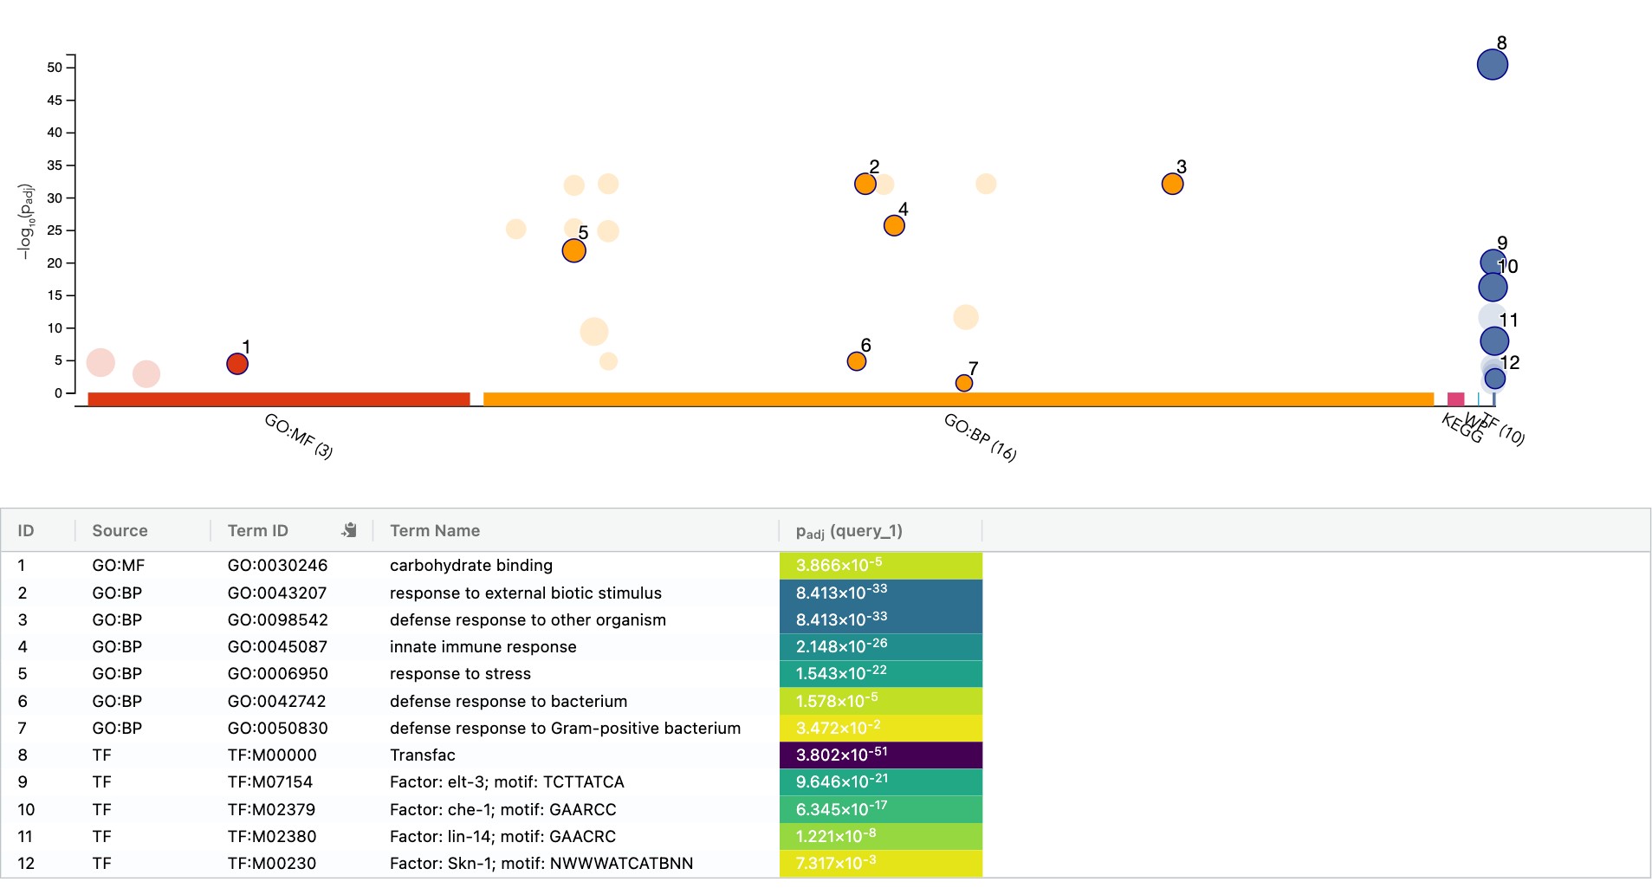

source | term_name | term_id | adjusted_p_value | negative_log10_of_adjusted_p_value | term_size | query_size | intersection_size | effective_domain_size | intersections
GO:MF | molecular_function | GO:0003674 | 2.4658093239E-05 | 4.6080405096 | 10193 | 220 | 82 | 46904 | WBGENE00010887,WBGENE00008019,WBGENE00000176,WBGENE00020859,WBGENE00013119,WBGENE00003610,WBGENE00016765,WBGENE00016265,WBGENE00018412,WBGENE00008644,WBGENE00000022,WBGENE00002274,WBGENE00016728,WBGENE00007071,WBGENE00012295,WBGENE00000755,WBGENE00021128,WBGENE00020247,WBGENE00004859,WBGENE00004013,WBGENE00014137,WBGENE00013955,WBGENE00015216,WBGENE00021032,WBGENE00020648,WBGENE00017678,WBGENE00018268,WBGENE00012101,WBGENE00010296,WBGENE00015048,WBGENE00021581,WBGENE00019546,WBGENE00018594,WBGENE00016340,WBGENE00019782,WBGENE00008799,WBGENE00015716,WBGENE00007694,WBGENE00015362,WBGENE00002106,WBGENE00006467,WBGENE00007913,WBGENE00007517,WBGENE00013493,WBGENE00009488,WBGENE00001784,WBGENE00007833,WBGENE00006372,WBGENE00008486,WBGENE00003653,WBGENE00015217,WBGENE00008916,WBGENE00016525,WBGENE00014193,WBGENE00001577,WBGENE00007414,WBGENE00017510,WBGENE00007772,WBGENE00017413,WBGENE00014138,WBGENE00008976,WBGENE00021118,WBGENE00021352,WBGENE00011190,WBGENE00011725,WBGENE00007672,WBGENE00012824,WBGENE00008577,WBGENE00011929,WBGENE00007724,WBGENE00015522,WBGENE00021109,WBGENE00018696,WBGENE00020580,WBGENE00000281,WBGENE00020455,WBGENE00007947,WBGENE00013304,WBGENE00012621,WBGENE00021582,WBGENE00008602,WBGENE00018706
GO:MF | carbohydrate binding | GO:0030246 | 3.8660184115E-05 | 4.412736082 | 293 | 220 | 11 | 46904 | WBGENE00002274,WBGENE00014137,WBGENE00021032,WBGENE00021581,WBGENE00018594,WBGENE00013493,WBGENE00008916,WBGENE00014138,WBGENE00021118,WBGENE00012621,WBGENE00021582
GO:MF | binding | GO:0005488 | 0.0014184928112 | 2.8481728608 | 6458 | 220 | 55 | 46904 | WBGENE00008019,WBGENE00020859,WBGENE00003610,WBGENE00016765,WBGENE00018412,WBGENE00000022,WBGENE00002274,WBGENE00016728,WBGENE00007071,WBGENE00012295,WBGENE00021128,WBGENE00004859,WBGENE00004013,WBGENE00014137,WBGENE00013955,WBGENE00015216,WBGENE00021032,WBGENE00012101,WBGENE00021581,WBGENE00019546,WBGENE00018594,WBGENE00019782,WBGENE00015716,WBGENE00007694,WBGENE00015362,WBGENE00002106,WBGENE00006467,WBGENE00007913,WBGENE00013493,WBGENE00001784,WBGENE00006372,WBGENE00003653,WBGENE00015217,WBGENE00008916,WBGENE00016525,WBGENE00014193,WBGENE00001577,WBGENE00007414,WBGENE00017510,WBGENE00007772,WBGENE00017413,WBGENE00014138,WBGENE00008976,WBGENE00021118,WBGENE00021352,WBGENE00007672,WBGENE00012824,WBGENE00008577,WBGENE00007724,WBGENE00021109,WBGENE00020580,WBGENE00000281,WBGENE00020455,WBGENE00012621,WBGENE00021582
GO:BP | response to other organism | GO:0051707 | 8.41E-33 | 32.075064494 | 319 | 220 | 34 | 46904 | WBGENE00002274,WBGENE00018643,WBGENE00016783,WBGENE00016788,WBGENE00010127,WBGENE00009429,WBGENE00014137,WBGENE00007989,WBGENE00015216,WBGENE00044900,WBGENE00017678,WBGENE00020579,WBGENE00007506,WBGENE00019564,WBGENE00012101,WBGENE00016218,WBGENE00021581,WBGENE00007440,WBGENE00015716,WBGENE00015362,WBGENE00016997,WBGENE00009339,WBGENE00008486,WBGENE00000558,WBGENE00014138,WBGENE00018005,WBGENE00019373,WBGENE00003768,WBGENE00008577,WBGENE00003769,WBGENE00016542,WBGENE00009432,WBGENE00020455,WBGENE00021582
GO:BP | response to external biotic stimulus | GO:0043207 | 8.41E-33 | 32.075064494 | 319 | 220 | 34 | 46904 | WBGENE00002274,WBGENE00018643,WBGENE00016783,WBGENE00016788,WBGENE00010127,WBGENE00009429,WBGENE00014137,WBGENE00007989,WBGENE00015216,WBGENE00044900,WBGENE00017678,WBGENE00020579,WBGENE00007506,WBGENE00019564,WBGENE00012101,WBGENE00016218,WBGENE00021581,WBGENE00007440,WBGENE00015716,WBGENE00015362,WBGENE00016997,WBGENE00009339,WBGENE00008486,WBGENE00000558,WBGENE00014138,WBGENE00018005,WBGENE00019373,WBGENE00003768,WBGENE00008577,WBGENE00003769,WBGENE00016542,WBGENE00009432,WBGENE00020455,WBGENE00021582
GO:BP | defense response to other organism | GO:0098542 | 8.41E-33 | 32.075064494 | 319 | 220 | 34 | 46904 | WBGENE00002274,WBGENE00018643,WBGENE00016783,WBGENE00016788,WBGENE00010127,WBGENE00009429,WBGENE00014137,WBGENE00007989,WBGENE00015216,WBGENE00044900,WBGENE00017678,WBGENE00020579,WBGENE00007506,WBGENE00019564,WBGENE00012101,WBGENE00016218,WBGENE00021581,WBGENE00007440,WBGENE00015716,WBGENE00015362,WBGENE00016997,WBGENE00009339,WBGENE00008486,WBGENE00000558,WBGENE00014138,WBGENE00018005,WBGENE00019373,WBGENE00003768,WBGENE00008577,WBGENE00003769,WBGENE00016542,WBGENE00009432,WBGENE00020455,WBGENE00021582
GO:BP | response to biotic stimulus | GO:0009607 | 8.41E-33 | 32.075064494 | 319 | 220 | 34 | 46904 | WBGENE00002274,WBGENE00018643,WBGENE00016783,WBGENE00016788,WBGENE00010127,WBGENE00009429,WBGENE00014137,WBGENE00007989,WBGENE00015216,WBGENE00044900,WBGENE00017678,WBGENE00020579,WBGENE00007506,WBGENE00019564,WBGENE00012101,WBGENE00016218,WBGENE00021581,WBGENE00007440,WBGENE00015716,WBGENE00015362,WBGENE00016997,WBGENE00009339,WBGENE00008486,WBGENE00000558,WBGENE00014138,WBGENE00018005,WBGENE00019373,WBGENE00003768,WBGENE00008577,WBGENE00003769,WBGENE00016542,WBGENE00009432,WBGENE00020455,WBGENE00021582
GO:BP | biological process involved in interspecies interaction between organisms | GO:0044419 | 1.04E-32 | 31.981029173 | 321 | 220 | 34 | 46904 | WBGENE00002274,WBGENE00018643,WBGENE00016783,WBGENE00016788,WBGENE00010127,WBGENE00009429,WBGENE00014137,WBGENE00007989,WBGENE00015216,WBGENE00044900,WBGENE00017678,WBGENE00020579,WBGENE00007506,WBGENE00019564,WBGENE00012101,WBGENE00016218,WBGENE00021581,WBGENE00007440,WBGENE00015716,WBGENE00015362,WBGENE00016997,WBGENE00009339,WBGENE00008486,WBGENE00000558,WBGENE00014138,WBGENE00018005,WBGENE00019373,WBGENE00003768,WBGENE00008577,WBGENE00003769,WBGENE00016542,WBGENE00009432,WBGENE00020455,WBGENE00021582
GO:BP | defense response | GO:0006952 | 1.44E-32 | 31.841171957 | 324 | 220 | 34 | 46904 | WBGENE00002274,WBGENE00018643,WBGENE00016783,WBGENE00016788,WBGENE00010127,WBGENE00009429,WBGENE00014137,WBGENE00007989,WBGENE00015216,WBGENE00044900,WBGENE00017678,WBGENE00020579,WBGENE00007506,WBGENE00019564,WBGENE00012101,WBGENE00016218,WBGENE00021581,WBGENE00007440,WBGENE00015716,WBGENE00015362,WBGENE00016997,WBGENE00009339,WBGENE00008486,WBGENE00000558,WBGENE00014138,WBGENE00018005,WBGENE00019373,WBGENE00003768,WBGENE00008577,WBGENE00003769,WBGENE00016542,WBGENE00009432,WBGENE00020455,WBGENE00021582
GO:BP | innate immune response | GO:0045087 | 2.15E-26 | 25.667873752 | 237 | 220 | 27 | 46904 | WBGENE00002274,WBGENE00018643,WBGENE00016783,WBGENE00016788,WBGENE00010127,WBGENE00009429,WBGENE00014137,WBGENE00007989,WBGENE00015216,WBGENE00044900,WBGENE00017678,WBGENE00020579,WBGENE00007506,WBGENE00019564,WBGENE00012101,WBGENE00016218,WBGENE00007440,WBGENE00015716,WBGENE00015362,WBGENE00008486,WBGENE00000558,WBGENE00014138,WBGENE00019373,WBGENE00008577,WBGENE00016542,WBGENE00009432,WBGENE00020455
...

