Fig 2B
Volume change of MG Beads after exposure to Dextran pressure (eLife Fig 2b)

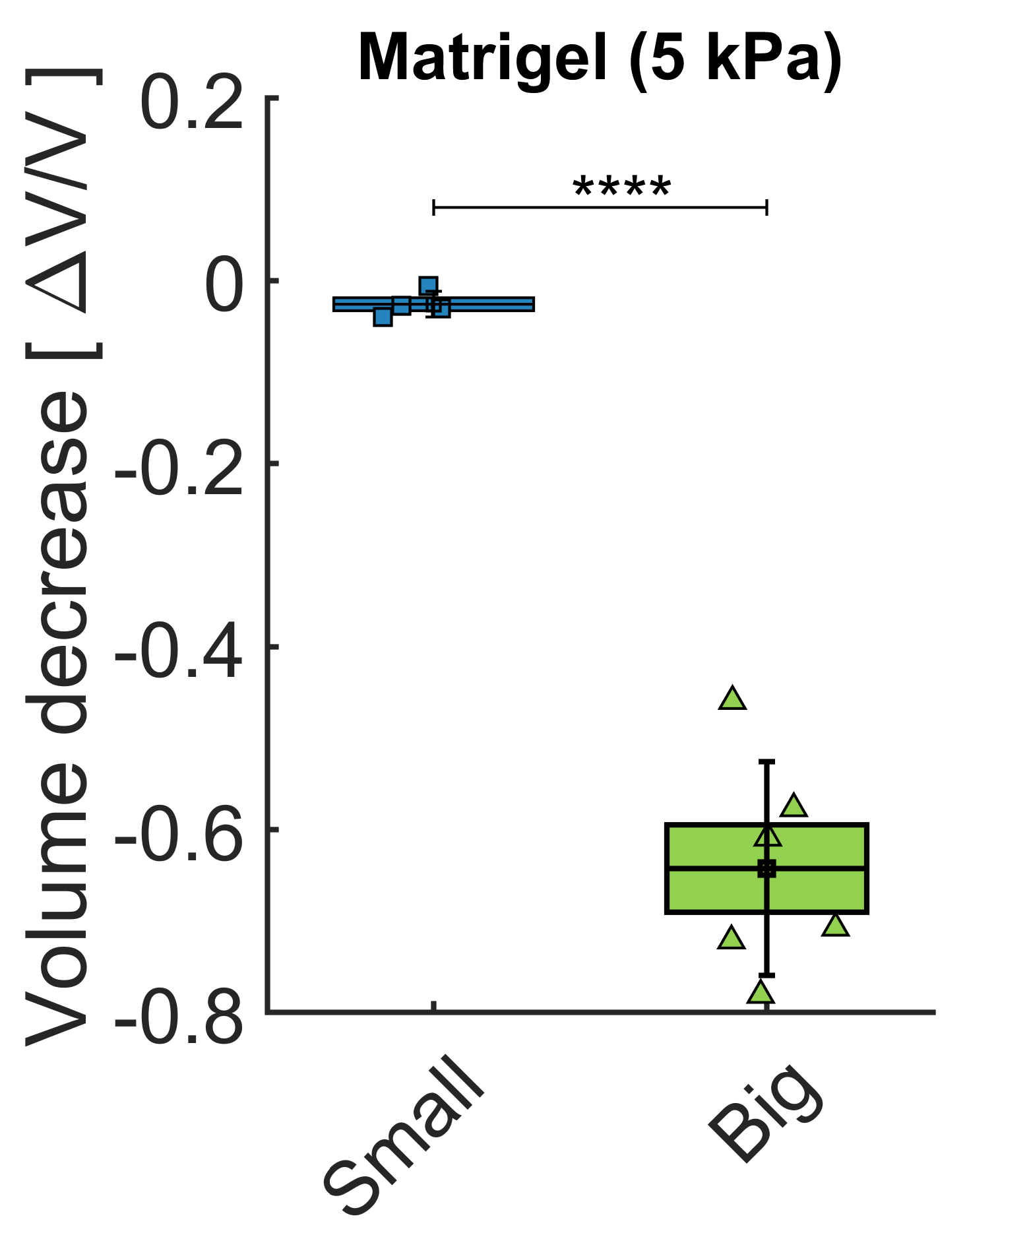
Bead | Initial Area [pixels] | Initial Volume [voxels] | Final Area [pixels] | Final Volume [voxels] | MW Dextran [kDa] | Dextran concentration [g/l] | Dextran Pressure [kPa] | Relative volume change [%] | Relative volume change interpolated @ 5 kPa | Average | Colonne1 | Sigma | S.E.M.
1 | 8128 | 551208 | 7243 | 463743 | 1 | 57 | 20 | -0.15868 | -0.03967
2 | 40058 | 6031207 | 37082 | 5371573 | 1 | 57 | 20 | -0.10937 | -0.02734
3 | 20021 | 2130964 | 18381 | 1874684 | 1 | 57 | 20 | -0.12026 | -0.03007
4 | 28302 | 3581740 | 27847 | 3495603 | 1 | 57 | 20 | -0.02405 | -0.00601 | -2.6% | ± | 1.4% | 0.7%
5 | 20110.2 | 2145301.7395 | 8865 | 627909 | 2000 | 57 | 5 | -0.70731 | -0.70731
6 | 32491.9 | 4405817.0795 | 13863 | 1227902 | 2000 | 57 | 5 | -0.72130 | -0.72130
7 | 46297.7 | 7493814.2666 | 16832 | 1642705 | 2000 | 57 | 5 | -0.78079 | -0.78079
8 | 7984.1 | 536664.35669 | 4269 | 209830 | 2000 | 57 | 5 | -0.60901 | -0.60901
9 | 3697.5 | 169132.11286 | 2453 | 91404 | 2000 | 57 | 5 | -0.45957 | -0.45957
10 | 3441.9 | 151901.1888 | 1940 | 64284 | 2000 | 57 | 5 | -0.57681 | -0.57681 | -64.2% | ± | 11.7% | 4.8%

Fig 2C
Volume change of individual cells after exposure to Dextran pressure (eLife Fig 2c)

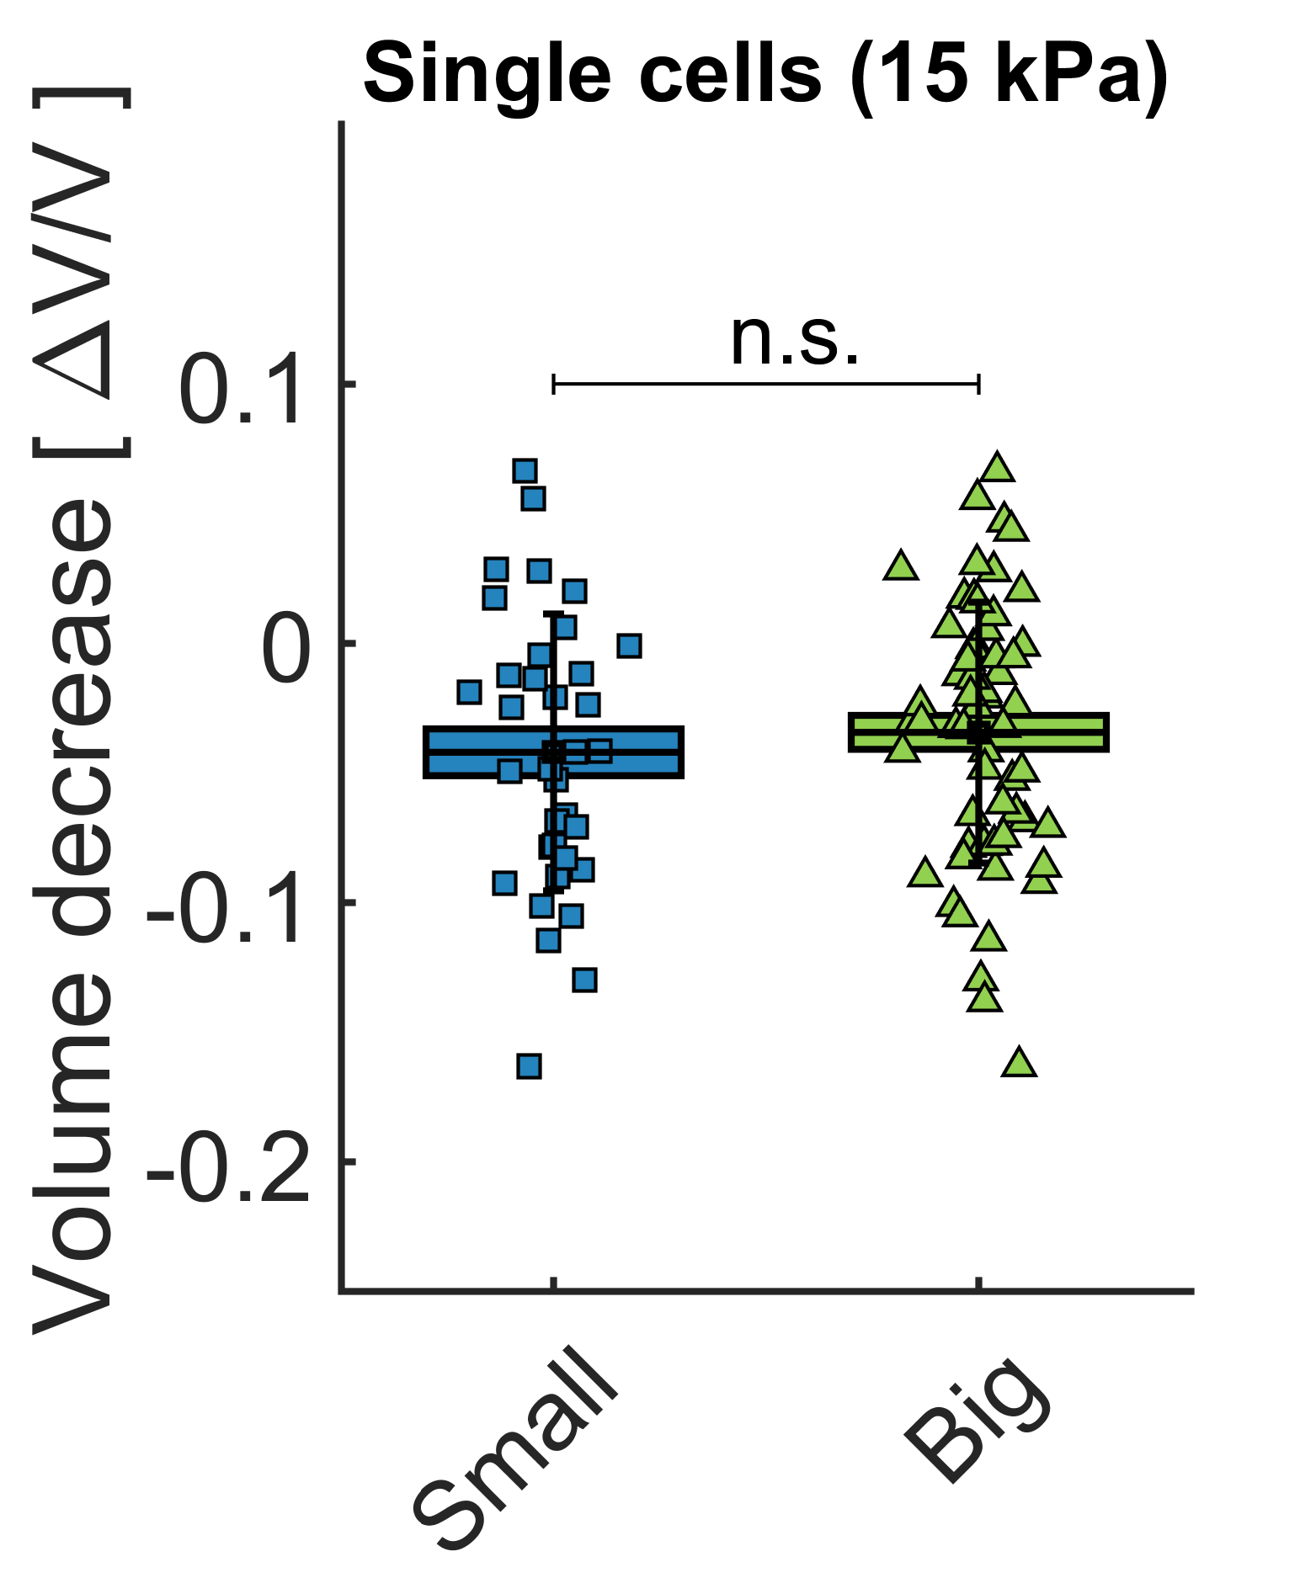
Final Volume [a.u.] | Initial Volume [a.u.] | MW Dextran [kDa] | Dextran concentration [g/l] | Dextran Pressure [kPa] | Relative volume change [%] | Relative volume change interpolated @ 15 kPa
1303.4 | 1298.0 | 2000 | 80 | 10 | 0.4% | 0.6%
785.9 | 775.5 | 2000 | 80 | 10 | 1.3% | 2.0%
917.3 | 920.1 | 2000 | 80 | 10 | -0.3% | -0.5%
815.8 | 839.1 | 2000 | 80 | 10 | -2.8% | -4.2%
900.7 | 965.9 | 2000 | 80 | 10 | -6.7% | -10.1%
1047.1 | 1111.8 | 2000 | 80 | 10 | -5.8% | -8.7%
755.6 | 827.2 | 2000 | 80 | 10 | -8.7% | -13.0%
729.9 | 740.2 | 2000 | 80 | 10 | -1.4% | -2.1%
649.4 | 685.2 | 2000 | 80 | 10 | -5.2% | -7.8%
1012.0 | 1020.0 | 2000 | 80 | 10 | -0.8% | -1.2%
687.2 | 674.4 | 2000 | 80 | 10 | 1.9% | 2.9%
1213.5 | 1279.9 | 2000 | 80 | 10 | -5.2% | -7.8%
968.3 | 1003.5 | 2000 | 80 | 10 | -3.5% | -5.3%
883.4 | 924.2 | 2000 | 80 | 10 | -4.4% | -6.6%
606.0 | 580.3 | 2000 | 80 | 10 | 4.4% | 6.6%
803.7 | 810.3 | 2000 | 80 | 10 | -0.8% | -1.2%
1059.3 | 1072.7 | 2000 | 80 | 10 | -1.2% | -1.9%
689.9 | 741.9 | 2000 | 80 | 10 | -7.0% | -10.5%
1376.8 | 1399.1 | 2000 | 80 | 10 | -1.6% | -2.4%
1963.4 | 1927.7 | 2000 | 80 | 10 | 1.9% | 2.8%
1080.5 | 1081.1 | 2000 | 80 | 10 | -0.1% | -0.1%
1125.6 | 1085.3 | 2000 | 80 | 10 | 3.7% | 5.6%
958.3 | 974.2 | 2000 | 80 | 10 | -1.6% | -2.5%
960.3 | 1039.7 | 2000 | 80 | 10 | -7.6% | -11.5%
999.2 | 1047.1 | 2000 | 80 | 10 | -4.6% | -6.9%
1214.2 | 1249.0 | 2000 | 80 | 10 | -2.8% | -4.2%
1252.4 | 1332.2 | 2000 | 80 | 10 | -6.0% | -9.0%
1014.8 | 1138.5 | 2000 | 80 | 10 | -10.9% | -16.3%
1177.8 | 1255.0 | 2000 | 80 | 10 | -6.2% | -9.2%
1133.4 | 1143.8 | 2000 | 80 | 10 | -0.9% | -1.4%
1343.0 | 1412.8 | 2000 | 100 | 15 | -4.9% | -4.9%
882.7 | 949.9 | 2000 | 100 | 15 | -7.1% | -7.1%
1607.7 | 1689.3 | 2000 | 100 | 15 | -4.8% | -4.8%
1181.6 | 1161.1 | 2000 | 100 | 15 | 1.8% | 1.8%
1193.7 | 1301.5 | 2000 | 100 | 15 | -8.3% | -8.3%
1469.5 | 1499.7 | 2000 | 100 | 15 | -2.0% | -2.0%
2914.8 | 2784.1 | 2000 | 100 | 15 | 4.7% | 4.7%
1530.2 | 1533.0 | 2000 | 100 | 15 | -0.2% | -0.2%
1181.6 | 1292.9 | 2000 | 100 | 15 | -8.6% | -8.6%
1780.5 | 1792.3 | 2000 | 100 | 15 | -0.7% | -0.7%
1412.7 | 1459.8 | 2000 | 100 | 15 | -3.2% | -3.2%
1300.2 | 1307.3 | 2000 | 100 | 15 | -0.5% | -0.5%
1259.2 | 1252.7 | 2000 | 100 | 15 | 0.5% | 0.5%
1481.5 | 1465.6 | 2000 | 100 | 15 | 1.1% | 1.1%
1287.0 | 1327.6 | 2000 | 100 | 15 | -3.1% | -3.1%
1668.5 | 1640.3 | 2000 | 100 | 15 | 1.7% | 1.7%
1379.3 | 1413.0 | 2000 | 100 | 15 | -2.4% | -2.4%
1549.9 | 1797.8 | 2000 | 100 | 15 | -13.8% | -13.8%
1213.8 | 1254.2 | 2000 | 100 | 15 | -3.2% | -3.2%
902.1 | 965.0 | 2000 | 100 | 15 | -6.5% | -6.5%
1229.2 | 1310.0 | 2000 | 100 | 15 | -6.2% | -6.2%
900.0 | 975.7 | 2000 | 100 | 15 | -7.8% | -7.8%
1253.8 | 1355.0 | 2000 | 100 | 15 | -7.5% | -7.5%
1789.3 | 1736.2 | 2000 | 100 | 15 | 3.1% | 3.1%
1338.7 | 1317.9 | 2000 | 100 | 15 | 1.6% | 1.6%
1174.2 | 1125.3 | 2000 | 100 | 15 | 4.3% | 4.3%
1095.4 | 1101.3 | 2000 | 100 | 15 | -0.5% | -0.5%
1223.2 | 1264.5 | 2000 | 100 | 15 | -3.3% | -3.3%
1513.7 | 1560.8 | 2000 | 100 | 15 | -3.0% | -3.0%
1775.9 | 1929.4 | 6 | 40 | 25 | -8.0% | -4.8%
1119.6 | 1197.3 | 6 | 40 | 25 | -6.5% | -3.9%
1121.2 | 1165.3 | 6 | 40 | 25 | -3.8% | -2.3%
1251.8 | 1349.3 | 6 | 40 | 25 | -7.2% | -4.3%
1232.1 | 1274.7 | 6 | 40 | 25 | -3.3% | -2.0%
1002.1 | 1076.7 | 6 | 40 | 25 | -6.9% | -4.2%
1167.8 | 1228.8 | 6 | 40 | 25 | -5.0% | -3.0%
1401.7 | 1517.6 | 6 | 40 | 25 | -7.6% | -4.6%
1514.6 | 1618.5 | 6 | 40 | 25 | -6.4% | -3.9%
908.1 | 965.8 | 6 | 40 | 25 | -6.0% | -3.6%
978.0 | 1059.2 | 6 | 40 | 25 | -7.7% | -4.6%
1720.2 | 1844.4 | 6 | 40 | 25 | -6.7% | -4.0%
1328.3 | 1439.1 | 6 | 40 | 25 | -7.7% | -4.6%
2029.2 | 2183.7 | 6 | 40 | 25 | -7.1% | -4.2%
2673.2 | 2803.7 | 6 | 40 | 25 | -4.7% | -2.8%
1420.1 | 1527.3 | 6 | 40 | 25 | -7.0% | -4.2%
1386.9 | 1512.8 | 6 | 40 | 25 | -8.3% | -5.0%
1256.8 | 1292.2 | 6 | 40 | 25 | -2.7% | -1.6%
1530.2 | 1601.5 | 6 | 40 | 25 | -4.5% | -2.7%
1598.1 | 1727.8 | 6 | 40 | 25 | -7.5% | -4.5%
1043.0 | 1149.3 | 6 | 40 | 25 | -9.3% | -5.6%
707.9 | 768.8 | 6 | 40 | 25 | -7.9% | -4.8%
2049.9 | 2212.3 | 6 | 40 | 25 | -7.3% | -4.4%
1027.9 | 1101.9 | 6 | 40 | 25 | -6.7% | -4.0%
2175.5 | 2281.8 | 6 | 40 | 25 | -4.7% | -2.8%
1644.0 | 1757.3 | 6 | 40 | 25 | -6.4% | -3.9%
1085.7 | 1143.5 | 6 | 40 | 25 | -5.1% | -3.0%
2602.6 | 2670.1 | 6 | 40 | 25 | -2.5% | -1.5%
1155.0 | 1274.7 | 6 | 40 | 25 | -9.4% | -5.6%
1343.0 | 1419.5 | 6 | 40 | 25 | -5.4% | -3.2%
1418.8 | 1505.9 | 6 | 40 | 25 | -5.8% | -3.5%
904.7 | 1006.5 | 6 | 40 | 25 | -10.1% | -6.1%
1657.7 | 1553.5 | 6 | 40 | 25 | 6.7% | 4.0%
1188.3 | 1314.8 | 6 | 40 | 25 | -9.6% | -5.8%
913.4 | 1032.5 | 6 | 40 | 25 | -11.5% | -6.9%

Fig 2D
Volume change of Multicellular Spheroids after exposure to Dextran pressure (eLife Fig 2d)

Seeding date | Compression date | Initial numberr of cells | Initial Area [pixels] | Initial Volume [voxels] | Final Area [pixels] | Final Volume [voxels] | MW Dextran [kDa] | Dextran concentration [g/l] | Dextran Pressure [kPa] | Relative volume change [%]
'22/06/2020' | '24/06/2020' | 500 | 50474 | 8530289 | 43802 | 6896206 | 0 | 0 | 0 | -19.2%
'22/06/2020' | '24/06/2020' | 500 | 45972 | 7414834 | 48109 | 7937892 | 0 | 0 | 0 | 7.1%
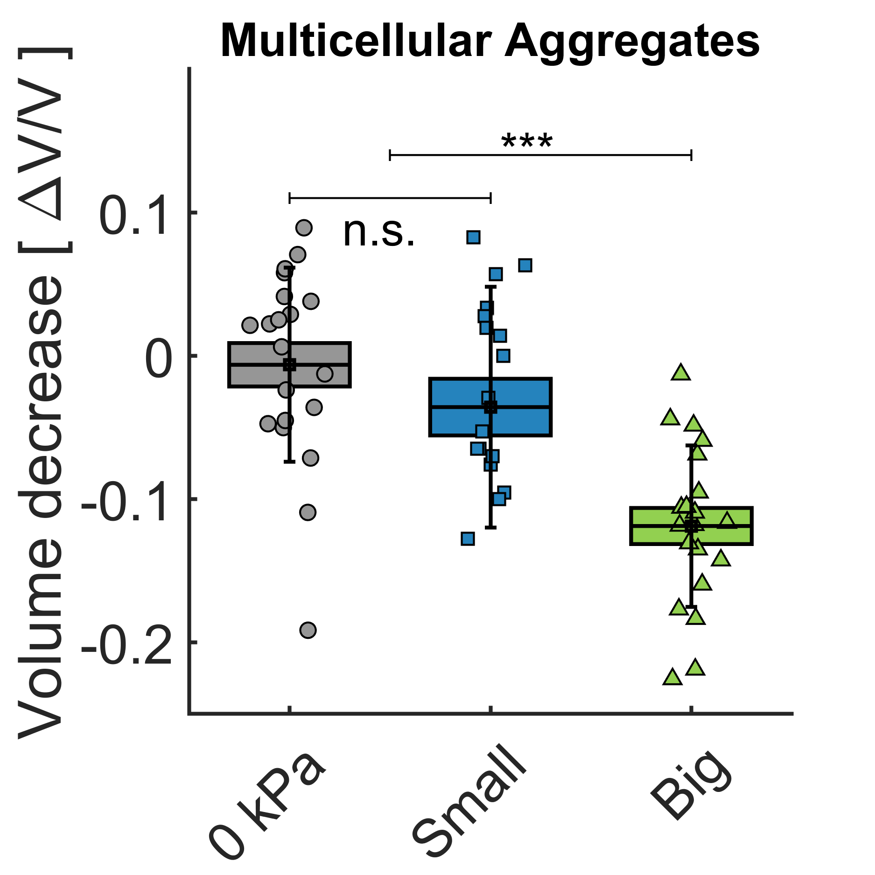
'22/06/2020' | '24/06/2020' | 500 | 41749 | 6417059 | 39738 | 5959015 | 0 | 0 | 0 | -7.1%
'22/06/2020' | '24/06/2020' | 500 | 42927 | 6690563 | 39738 | 5959015 | 0 | 0 | 0 | -10.9%
'22/06/2020' | '24/06/2020' | 500 | 41418 | 6340893 | 41067 | 6260401 | 0 | 0 | 0 | -1.3%
'22/06/2020' | '24/06/2020' | 500 | 43134 | 6738872 | 43742 | 6881963 | 0 | 0 | 0 | 2.1%
'22/06/2020' | '24/06/2020' | 500 | 42671 | 6630803 | 44304 | 7014926 | 0 | 0 | 0 | 5.8%
'22/06/2020' | '24/06/2020' | 500 | 42671 | 6630803 | 38782 | 5745246 | 10 | 4 | 1 | -13.4%
'22/06/2020' | '24/06/2020' | 500 | 43469 | 6817714 | 41271 | 6307199 | 10 | 4 | 1 | -7.5%
'22/06/2020' | '24/06/2020' | 500 | 41757 | 6418890 | 43906 | 6920684 | 10 | 4 | 1 | 7.8%
'22/06/2020' | '24/06/2020' | 500 | 41698 | 6405350 | 43178 | 6749292 | 10 | 4 | 1 | 5.4%
'22/06/2020' | '24/06/2020' | 500 | 41265 | 6305743 | 42904 | 6685182 | 10 | 4 | 1 | 6.0%
'22/06/2020' | '24/06/2020' | 500 | 45982 | 7417235 | 46784 | 7612263 | 10 | 4 | 1 | 2.6%
'22/06/2020' | '24/06/2020' | 500 | 40965 | 6237091 | 41872 | 6445448 | 2000 | 26 | 1 | 3.3%
'22/06/2020' | '24/06/2020' | 500 | 45726 | 7355475 | 43729 | 6878872 | 2000 | 26 | 1 | -6.5%
'22/06/2020' | '24/06/2020' | 500 | 43835 | 6903987 | 46215 | 7473775 | 2000 | 26 | 1 | 8.3%
'22/06/2020' | '24/06/2020' | 500 | 39904 | 5996462 | 40635 | 6161826 | 2000 | 26 | 1 | 2.8%
'22/06/2020' | '24/06/2020' | 500 | 46690 | 7589220 | 38160 | 5607510 | 2000 | 26 | 1 | -26.1%
'22/06/2020' | '24/06/2020' | 500 | 41536 | 6368073 | 39723 | 5955713 | 2000 | 26 | 1 | -6.5%
'22/06/2020' | '24/06/2020' | 500 | 42653 | 6626455 | 42670 | 6630525 | 10 | 20 | 5 | 0.1%
'22/06/2020' | '24/06/2020' | 500 | 47563 | 7803110 | 45648 | 7336712 | 10 | 20 | 5 | -6.0%
'22/06/2020' | '24/06/2020' | 500 | 45007 | 7182628 | 43318 | 6782076 | 10 | 20 | 5 | -5.6%
'22/06/2020' | '24/06/2020' | 500 | 41308 | 6315571 | 43353 | 6790281 | 10 | 20 | 5 | 7.5%
'22/06/2020' | '24/06/2020' | 500 | 40197 | 6062428 | 38482 | 5678698 | 10 | 20 | 5 | -6.3%
'22/06/2020' | '24/06/2020' | 500 | 45105 | 7206203 | 47377 | 7757444 | 10 | 20 | 5 | 7.6%
'22/06/2020' | '24/06/2020' | 500 | 42411 | 6570299 | 42227 | 6527550 | 10 | 20 | 5 | -0.7%
'22/06/2020' | '24/06/2020' | 500 | 41981 | 6470574 | 41063 | 6259584 | 10 | 20 | 5 | -3.3%
'22/06/2020' | '24/06/2020' | 500 | 41079 | 6263214 | 37291 | 5417183 | 2000 | 57 | 5 | -13.5%
'22/06/2020' | '24/06/2020' | 500 | 43249 | 6766050 | 42873 | 6677948 | 2000 | 57 | 5 | -1.3%
'22/06/2020' | '24/06/2020' | 500 | 41424 | 6342169 | 39500 | 5905441 | 2000 | 57 | 5 | -6.9%
'22/06/2020' | '24/06/2020' | 500 | 43487 | 6821823 | 38191 | 5614510 | 2000 | 57 | 5 | -17.7%
'22/06/2020' | '24/06/2020' | 500 | 42741 | 6646999 | 36042 | 5147222 | 2000 | 57 | 5 | -22.6%
'22/06/2020' | '24/06/2020' | 500 | 45132 | 7212482 | 43788 | 6892738 | 2000 | 57 | 5 | -4.4%
'12/06/2020' | '15/06/2020' | 500 | 70791 | 14168796 | 72728 | 14754251 | 0 | 0 | 0 | 4.1%
'12/06/2020' | '15/06/2020' | 500 | 65640 | 12650718 | 63546 | 12050308 | 0 | 0 | 0 | -4.7%
'12/06/2020' | '15/06/2020' | 500 | 74690 | 15355143 | 74998 | 15450220 | 0 | 0 | 0 | 0.6%
'12/06/2020' | '15/06/2020' | 500 | 67403 | 13163923 | 69097 | 13663280 | 0 | 0 | 0 | 3.8%
'12/06/2020' | '15/06/2020' | 500 | 66970 | 13037158 | 68251 | 13412944 | 0 | 0 | 0 | 2.9%
'12/06/2020' | '15/06/2020' | 500 | 66970 | 13037158 | 70898 | 14200743 | 0 | 0 | 0 | 8.9%
'12/06/2020' | '15/06/2020' | 500 | 72655 | 14732034 | 70898 | 14200743 | 0 | 0 | 0 | -3.6%
'12/06/2020' | '15/06/2020' | 500 | 69150 | 13678823 | 71918 | 14508311 | 0 | 0 | 0 | 6.1%
'12/06/2020' | '15/06/2020' | 500 | 68262 | 13416337 | 69271 | 13714876 | 10 | 4 | 1 | 2.2%
'12/06/2020' | '15/06/2020' | 500 | 65222 | 12530088 | 66246 | 12826332 | 10 | 4 | 1 | 2.4%
'12/06/2020' | '15/06/2020' | 500 | 75000 | 15450956 | 73171 | 14889245 | 10 | 4 | 1 | -3.6%
'12/06/2020' | '15/06/2020' | 500 | 67403 | 13163923 | 71526 | 14390050 | 10 | 4 | 1 | 9.3%
'12/06/2020' | '15/06/2020' | 500 | 63134 | 11933199 | 65508 | 12612757 | 2000 | 26 | 1 | 5.7%
'12/06/2020' | '15/06/2020' | 500 | 81567 | 17524119 | 79954 | 17006883 | 2000 | 26 | 1 | -3.0%
'12/06/2020' | '15/06/2020' | 500 | 71788 | 14469175 | 72716 | 14750507 | 2000 | 26 | 1 | 1.9%
'12/06/2020' | '15/06/2020' | 500 | 79653 | 16910983 | 74499 | 15296308 | 2000 | 26 | 1 | -9.5%
'12/06/2020' | '15/06/2020' | 500 | 77326 | 16175229 | 78678 | 16601502 | 10 | 20 | 5 | 2.6%
'12/06/2020' | '15/06/2020' | 500 | 77244 | 16149706 | 75925 | 15737610 | 10 | 20 | 5 | -2.6%
'12/06/2020' | '15/06/2020' | 500 | 77326 | 16175229 | 78252 | 16466642 | 10 | 20 | 5 | 1.8%
'12/06/2020' | '15/06/2020' | 500 | 65678 | 12661735 | 71320 | 14327812 | 10 | 20 | 5 | 13.2%
'12/06/2020' | '15/06/2020' | 500 | 68274 | 13419965 | 71823 | 14479736 | 10 | 20 | 5 | 7.9%
'12/06/2020' | '15/06/2020' | 500 | 72682 | 14740364 | 78689 | 16604769 | 10 | 20 | 5 | 12.6%
'12/06/2020' | '15/06/2020' | 500 | 67828 | 13288531 | 72168 | 14584282 | 10 | 20 | 5 | 9.8%
'12/06/2020' | '15/06/2020' | 500 | 71292 | 14319440 | 62277 | 11691185 | 2000 | 57 | 5 | -18.4%
'12/06/2020' | '15/06/2020' | 500 | 71356 | 14338577 | 64393 | 12292031 | 2000 | 57 | 5 | -14.3%
'12/06/2020' | '15/06/2020' | 500 | 70483 | 14076429 | 64820 | 12414518 | 2000 | 57 | 5 | -11.8%
'12/06/2020' | '15/06/2020' | 500 | 65678 | 12661735 | 61432 | 11454048 | 2000 | 57 | 5 | -9.5%
'12/06/2020' | '15/06/2020' | 500 | 64393 | 12292031 | 62287 | 11693867 | 2000 | 57 | 5 | -4.9%
'12/06/2020' | '15/06/2020' | 500 | 69401 | 13753556 | 64242 | 12248871 | 2000 | 57 | 5 | -10.9%
'12/06/2020' | '15/06/2020' | 500 | 71802 | 14473375 | 66110 | 12786930 | 2000 | 57 | 5 | -11.7%
'26/06/2020' | '29/06/2020' | 300 | 54985 | 9699084 | 53131 | 9212605 | 0 | 0 | 0 | -5.0%
'26/06/2020' | '29/06/2020' | 300 | 52656 | 9089417 | 53432 | 9291172 | 0 | 0 | 0 | 2.2%
'26/06/2020' | '29/06/2020' | 300 | 52992 | 9176498 | 51383 | 8761736 | 0 | 0 | 0 | -4.5%
'26/06/2020' | '29/06/2020' | 300 | 55390 | 9806398 | 56311 | 10051946 | 0 | 0 | 0 | 2.5%
'26/06/2020' | '29/06/2020' | 300 | 59670 | 10964746 | 58716 | 10702804 | 0 | 0 | 0 | -2.4%
'26/06/2020' | '29/06/2020' | 300 | 55390 | 9806398 | 58716 | 10702804 | 10 | 4 | 1 | 9.1%
'26/06/2020' | '29/06/2020' | 300 | 50753 | 8601221 | 49841 | 8370410 | 10 | 4 | 1 | -2.7%
'26/06/2020' | '29/06/2020' | 300 | 58973 | 10773203 | 57609 | 10401676 | 10 | 4 | 1 | -3.4%
'26/06/2020' | '29/06/2020' | 300 | 56444 | 10087569 | 55095 | 9728083 | 10 | 4 | 1 | -3.6%
'26/06/2020' | '29/06/2020' | 300 | 54594 | 9595722 | 61737 | 11539405 | 10 | 4 | 1 | 20.3%
'26/06/2020' | '29/06/2020' | 300 | 53047 | 9190935 | 55734 | 9898030 | 10 | 4 | 1 | 7.7%
'26/06/2020' | '29/06/2020' | 300 | 51480 | 8786721 | 50876 | 8632518 | 10 | 4 | 1 | -1.8%
'26/06/2020' | '29/06/2020' | 300 | 53047 | 9190935 | 53680 | 9355845 | 10 | 4 | 1 | 1.8%
'26/06/2020' | '29/06/2020' | 300 | 52277 | 8991347 | 54458 | 9559956 | 2000 | 26 | 1 | 6.3%
'26/06/2020' | '29/06/2020' | 300 | 55782 | 9910720 | 55776 | 9909028 | 2000 | 26 | 1 | 0.0%
'26/06/2020' | '29/06/2020' | 300 | 58173 | 10554690 | 58711 | 10701501 | 2000 | 26 | 1 | 1.4%
...

