FIG 5EF
Nuclear fluorescence evolution over the time (Hoechst), with pressure and no pressure (eLife Fig 5ef)

Date Day1 | Day | MW Dextran [kDa] | Dextran Pressure [kPa] | Counts | Gain | Gain-corrected counts | Blank average | Fluorescence normalized to blank
2020-02-14 | 4 | 0 | 0 | 31661 | 0.45 | 70358 | 72447 | 0.97
2020-02-14 | 4 | 0 | 0 | 33541 | 0.45 | 74536 |  | 1.03
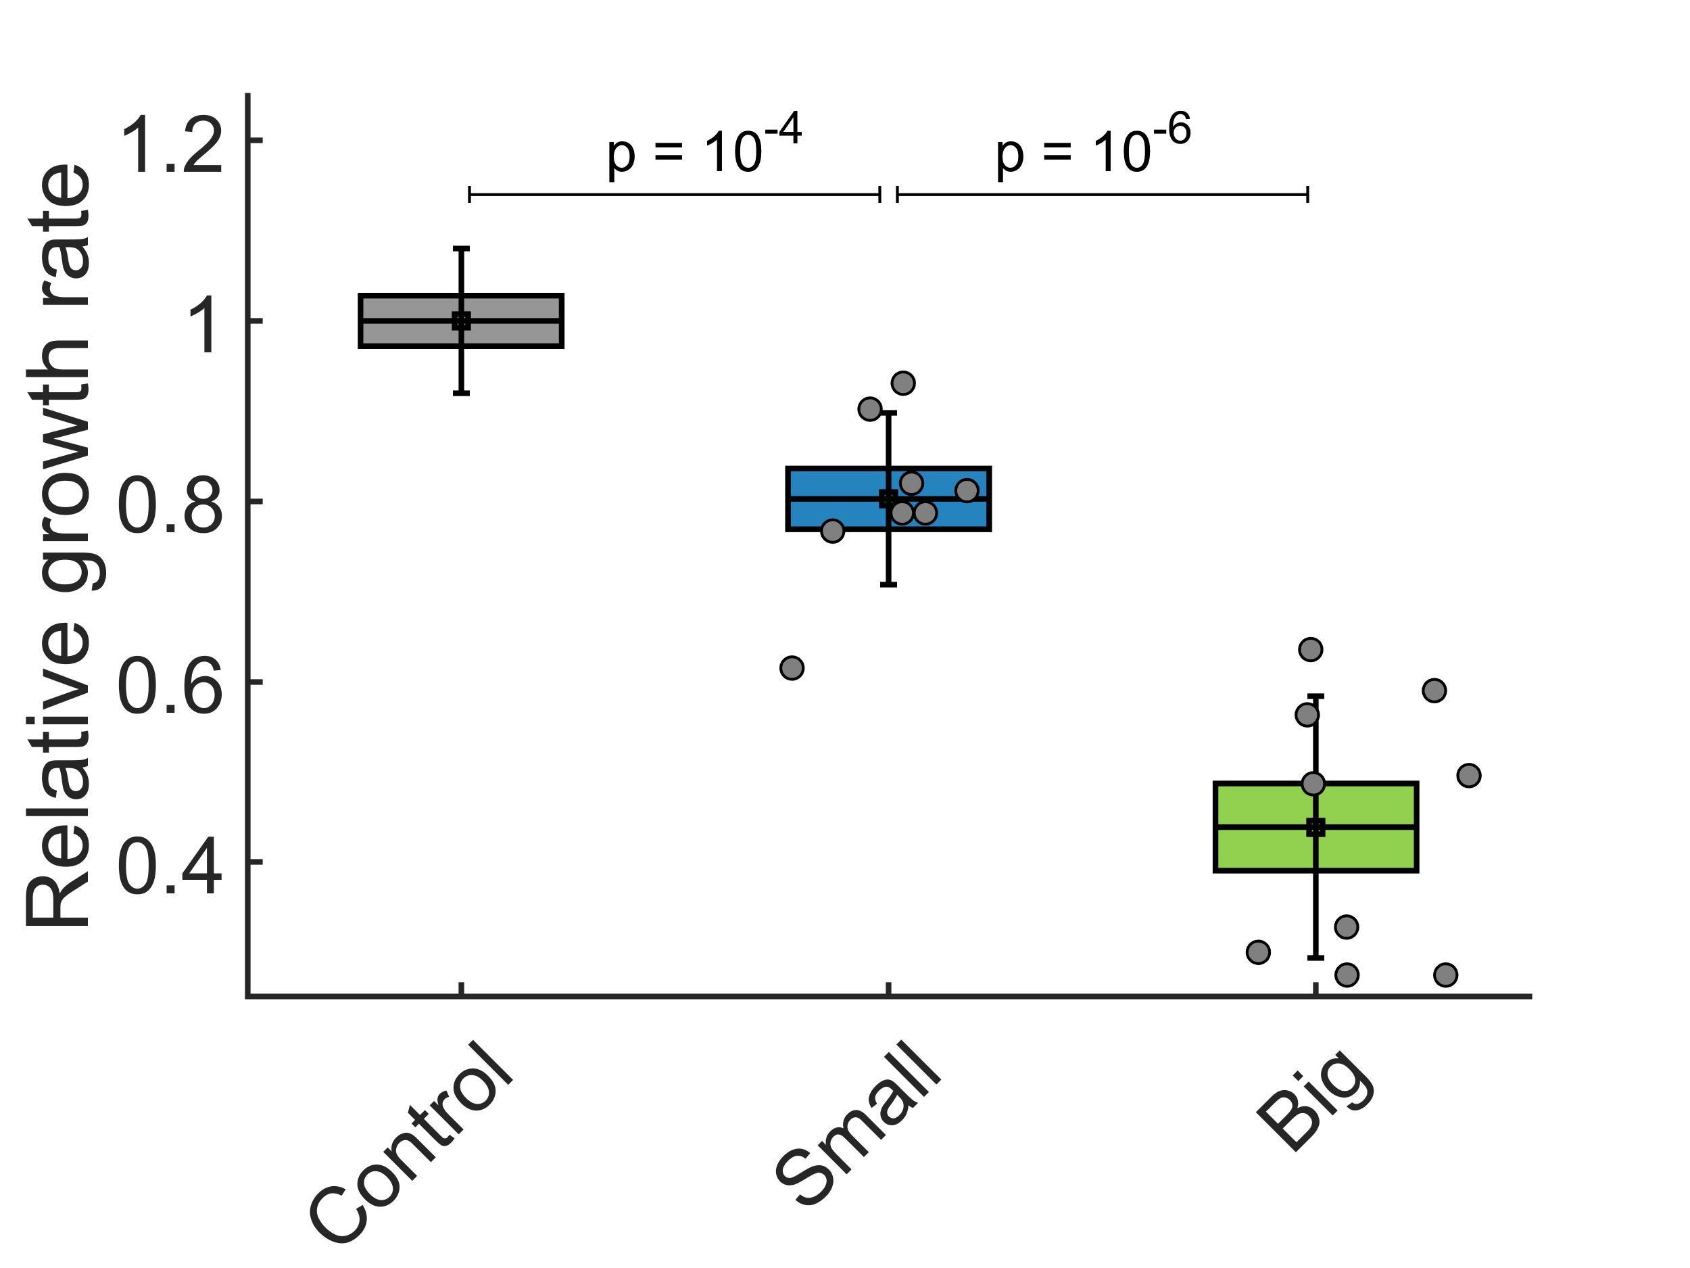
2020-02-14 | 4 | 10000 | 1000 | 34880 | 0.45 | 77511 |  | 1.07
2020-02-14 | 4 | 10000 | 1000 | 26914 | 0.45 | 59809 |  | 0.83
2020-02-14 | 4 | 2000000 | 1000 | 44822 | 0.45 | 99604 |  | 1.37
2020-02-14 | 4 | 2000000 | 1000 | 41105 | 0.45 | 91344 |  | 1.26
2020-02-14 | 4 | 10000 | 5000 | 27699 | 0.45 | 61553 |  | 0.85
2020-02-14 | 4 | 10000 | 5000 | 26543 | 0.45 | 58984 |  | 0.81
2020-02-14 | 4 | 2000000 | 5000 | 28980 | 0.45 | 64400 |  | 0.89
2020-02-14 | 4 | 2000000 | 5000 | 6149 | 0.45 | 13664 |  | 0.19
2020-01-20 | 3 | 0 | 0 | 43110 | 1 | 43110 | 43192 | 1.00
2020-01-20 | 3 | 0 | 0 | 43273 | 1 | 43273 |  | 1.00
2020-01-20 | 3 | 10000 | 5000 | 38612 | 1 | 38612 |  | 0.89
2020-01-20 | 3 | 10000 | 5000 | 32559 | 1 | 32559 |  | 0.75
2020-01-20 | 3 | 2000000 | 5000 | 26610 | 1 | 26610 |  | 0.62
2020-01-20 | 3 | 2000000 | 5000 | 26637 | 1 | 26637 |  | 0.62
2020-01-15 | 2 | 0 | 0 | 15151 | 1 | 15151 | 15151 | 1.00
2020-01-15 | 2 | 10000 | 5000 | 10385 | 1 | 10385 |  | 0.69
2020-01-15 | 2 | 2000000 | 5000 | 6483 | 1 | 6483 |  | 0.43
2020-01-15 | 3 | 0 | 0 | 42486 | 1 | 42486 | 42486 | 1.00
2020-01-15 | 3 | 10000 | 5000 | 34030 | 1 | 34030 |  | 0.80
2020-01-15 | 3 | 2000000 | 5000 | 13685 | 1 | 13685 |  | 0.32
2020-01-15 | 4 | 0 | 0 | 42486 | 0.59 | 72010 | 72010 | 1.00
2020-01-15 | 4 | 10000 | 5000 | 34030 | 0.59 | 57678 |  | 0.80
2020-01-15 | 4 | 2000000 | 5000 | 13685 | 0.59 | 23195 |  | 0.32
2020-01-15 | 6 | 0 | 0 | 41746 | 0.49 | 85196 | 85196 | 1.00
2020-01-15 | 6 | 10000 | 5000 | 32665 | 0.49 | 66663 |  | 0.78
2020-01-15 | 6 | 2000000 | 5000 | 21745 | 0.49 | 44378 |  | 0.52
2020-01-15 | 6 | 2000000 | 5000 | 15555 | 0.49 | 31745 |  | 0.37
2019-12-10 | 4 | 0 | 0 | 42901 | 1 | 42901 | 42265 | 1.02
2019-12-10 | 4 | 0 | 0 | 45684 | 1 | 45684 |  | 1.08
2019-12-10 | 4 | 0 | 0 | 40702 | 1 | 40702 |  | 0.96
2019-12-10 | 4 | 0 | 0 | 39771 | 1 | 39771 |  | 0.94
2019-12-10 | 4 | 10000 | 5000 | 37698 | 1 | 37698 |  | 0.89
2019-12-10 | 4 | 10000 | 5000 | 37067 | 1 | 37067 |  | 0.88
2019-12-10 | 4 | 10000 | 5000 | 38059 | 1 | 38059 |  | 0.90
2019-12-10 | 4 | 10000 | 5000 | 40779 | 1 | 40779 |  | 0.96
2019-12-10 | 4 | 2000000 | 5000 | 23484 | 1 | 23484 |  | 0.56
2019-12-10 | 4 | 2000000 | 5000 | 26561 | 1 | 26561 |  | 0.63
2019-12-10 | 4 | 2000000 | 5000 | 26432 | 1 | 26432 |  | 0.63
2019-12-10 | 4 | 2000000 | 5000 | 25974 | 1 | 25974 |  | 0.61
2019-12-10 | 4 | 2000000 | 5000 | 22626 | 1 | 22626 |  | 0.54
2019-12-05 | 3 | 0 | 0 | 10696 | 1 | 10696 | 12862 | 0.83
2019-12-05 | 3 | 0 | 0 | 14341 | 1 | 14341 |  | 1.11
2019-12-05 | 3 | 0 | 0 | 13550 | 1 | 13550 |  | 1.05
2019-12-05 | 3 | 10000 | 5000 | 12211 | 1 | 12211 |  | 0.95
2019-12-05 | 3 | 10000 | 5000 | 12739 | 1 | 12739 |  | 0.99
2019-12-05 | 3 | 10000 | 5000 | 11545 | 1 | 11545 |  | 0.90
2019-12-05 | 3 | 2000000 | 5000 | 9451 | 1 | 9451 |  | 0.73
2019-12-05 | 3 | 2000000 | 5000 | 12067 | 1 | 12067 |  | 0.94
2019-12-05 | 3 | 2000000 | 5000 | 7939 | 1 | 7939 |  | 0.62
2019-12-05 | 3 | 2000000 | 5000 | 7280 | 1 | 7280 |  | 0.57

