Sheet1
Figure 1B PEN1 is overexpressed in transgenic 35pro:PEN1 Arabidopsis plants
 | UBC |  | PEN1
Col-0-1 | 21.84 | 21.875 | 29.64 | 29.525 |  |  | UBC | PEN1 | △ct | 2(-△ct) | average | SD | SE
 | 21.91 |  | 29.41 |  |  | Col-0-1 | 21.875 | 29.525 | 7.65 | 0.0049787524505 | 0.0037145345888 | 0.00089776661175 | 0.00063491273815
Col-0-2 | 21.99 | 21.995 | 30.11 | 30.29 |  | Col-0-2 | 21.995 | 30.29 | 8.295 | 0.0031838762984
 | 22 |  | 30.47 |  |  | Col-0-3 | 21.72 | 30.11 | 8.39 | 0.0029809750175
Col-0-3 | 21.66 | 21.72 | 30.24 | 30.11 |  | 35pro:PEN1-1 | 22.68 | 28.355 | 5.675 | 0.019572881854 | 0.019317652722 | 0.0011792552748 | 0.00083398534282
 | 21.78 |  | 29.98 |  |  | 35pro:PEN1-2 | 22.32 | 28.135 | 5.815 | 0.017762765207
35pro:PEN1-1 | 22.71 | 22.68 | 27.95 | 28.355 |  | 35pro:PEN1-3 | 22.57 | 28.17 | 5.6 | 0.020617311106
 | 22.65 |  | 28.76
35pro:PEN1-2 | 22.3 | 22.32 | 28.68 | 28.135
 | 22.34 |  | 27.59
35pro:PEN1-3 | 22.52 | 22.57 | 27.89 | 28.17
 | 22.62 |  | 28.45

Figure 1C 35Spro:PEN1 transgenic Arabidopsis plants causes lower survival of P. xylostella than wild type control.
Survival (%) | 24h |  |  |  |  | 48h |  |  |  |  | 75h |  |  |  |  | 100h |  |  |  |  | 120h |  |  |  |  | 140h
 | number | percentage | average | SD | SE | number | percentage | average | SD | SE | number | percentage | average | SD | SE | number | percentage | average | SD | SE | number | percentage | average | SD | SE | number | percentage | average | SD | SE
Control | 15 | 1 | 1 | 0 | 0 | 15 | 1 | 0.98888888889 | 0.02484519975 | 0.011111448904 | 13 | 0.86666666667 | 0.93333333333 | 0.054433105395 | 0.024343964846 | 13 | 0.86666666667 | 0.88888888889 | 0.0496903995 | 0.022222897809 | 12 | 0.8 | 0.87777777778 | 0.059835164524 | 0.026759912578 | 12 | 0.8 | 0.87777777778 | 0.059835164524 | 0.026759912578
 | 15 | 1 |  |  |  | 14 | 0.93333333333 |  |  |  | 14 | 0.93333333333 |  |  |  | 12 | 0.8 |  |  |  | 12 | 0.8 |  |  |  | 12 | 0.8
 | 15 | 1 |  |  |  | 15 | 1 |  |  |  | 15 | 1 |  |  |  | 14 | 0.93333333333 |  |  |  | 14 | 0.93333333333 |  |  |  | 14 | 0.93333333333
 | 15 | 1 |  |  |  | 15 | 1 |  |  |  | 13 | 0.86666666667 |  |  |  | 13 | 0.86666666667 |  |  |  | 13 | 0.86666666667 |  |  |  | 13 | 0.86666666667
 | 15 | 1 |  |  |  | 15 | 1 |  |  |  | 15 | 1 |  |  |  | 14 | 0.93333333333 |  |  |  | 14 | 0.93333333333 |  |  |  | 14 | 0.93333333333
 | 15 | 1 |  |  |  | 15 | 1 |  |  |  | 14 | 0.93333333333 |  |  |  | 14 | 0.93333333333 |  |  |  | 14 | 0.93333333333 |  |  |  | 14 | 0.93333333333
DMNT | 15 | 1 | 0.98888888889 | 0.02484519975 | 0.011111448904 | 14 | 0.93333333333 | 0.93333333333 | 0.054433105395 | 0.024343964846 | 13 | 0.86666666667 | 0.81111111111 | 0.045812284729 | 0.020488499432 | 13 | 0.86666666667 | 0.77777777778 | 0.073702773119 | 0.032961884221 | 9 | 0.6 | 0.73333333333 | 0.086066296582 | 0.038491188096 | 9 | 0.6 | 0.62222222222 | 0.091624569458 | 0.040976998863
 | 14 | 0.93333333333 |  |  |  | 13 | 0.86666666667 |  |  |  | 12 | 0.8 |  |  |  | 12 | 0.8 |  |  |  | 12 | 0.8 |  |  |  | 12 | 0.8
 | 15 | 1 |  |  |  | 13 | 0.86666666667 |  |  |  | 12 | 0.8 |  |  |  | 10 | 0.66666666667 |  |  |  | 10 | 0.66666666667 |  |  |  | 8 | 0.53333333333
 | 15 | 1 |  |  |  | 15 | 1 |  |  |  | 12 | 0.8 |  |  |  | 11 | 0.73333333333 |  |  |  | 11 | 0.73333333333 |  |  |  | 9 | 0.6
 | 15 | 1 |  |  |  | 15 | 1 |  |  |  | 13 | 0.86666666667 |  |  |  | 13 | 0.86666666667 |  |  |  | 13 | 0.86666666667 |  |  |  | 10 | 0.66666666667
 | 15 | 1 |  |  |  | 14 | 0.93333333333 |  |  |  | 11 | 0.73333333333 |  |  |  | 11 | 0.73333333333 |  |  |  | 11 | 0.73333333333 |  |  |  | 8 | 0.53333333333

Figure 1E P. xylostella larvae can sense and are repelled by DMNT.
Preference of PX (%) | 0 min |  |  |  |  | 10 min |  |  |  |  | 20 min |  |  |  |  | 30 min |  |  |  |  | 40 min |  |  |  |  | 50 min
 | number | percentage | average | SD | SE | number | percentage | average | SD | SE | number | percentage | average | SD | SE | number | percentage | average | SD | SE | number | percentage | average | SD | SE | number | percentage | average | SD | SE
Control | 0 | 0 | 0 | 0 | 0 | 5 | 0.33333333333 | 0.48888888889 | 0.11967032905 | 0.053519825155 | 6 | 0.4 | 0.61111111111 | 0.14098419489 | 0.063051965516 | 6 | 0.4 | 0.62222222222 | 0.13146843962 | 0.058796261013 | 6 | 0.4 | 0.62222222222 | 0.13146843962 | 0.058796261013 | 6 | 0.4 | 0.63333333333 | 0.12619796324 | 0.056439160662
 | 0 | 0 |  |  |  | 8 | 0.53333333333 |  |  |  | 11 | 0.73333333333 |  |  |  | 11 | 0.73333333333 |  |  |  | 11 | 0.73333333333 |  |  |  | 11 | 0.73333333333
 | 0 | 0 |  |  |  | 6 | 0.4 |  |  |  | 9 | 0.6 |  |  |  | 9 | 0.6 |  |  |  | 9 | 0.6 |  |  |  | 9 | 0.6
 | 0 | 0 |  |  |  | 10 | 0.66666666667 |  |  |  | 12 | 0.8 |  |  |  | 12 | 0.8 |  |  |  | 12 | 0.8 |  |  |  | 12 | 0.8
 | 0 | 0 |  |  |  | 9 | 0.6 |  |  |  | 10 | 0.66666666667 |  |  |  | 10 | 0.66666666667 |  |  |  | 10 | 0.66666666667 |  |  |  | 10 | 0.66666666667
 | 0 | 0 |  |  |  | 6 | 0.4 |  |  |  | 7 | 0.46666666667 |  |  |  | 8 | 0.53333333333 |  |  |  | 8 | 0.53333333333 |  |  |  | 9 | 0.6

 | 60 min |  |  |  |  | 70 min |  |  |  |  | 80 min |  |  |  |  | 90 min |  |  |  |  | 100 min |  |  |  |  | 110 min |  |  |  |  | 120 min
 | number | percentage | average | SD | SE | number | percentage | average | SD | SE | number | percentage | average | SD | SE | number | percentage | average | SD | SE | number | percentage | average | SD | SE | number | percentage | average | SD | SE | number | percentage | average | SD | SE
Control | 6 | 0.4 | 0.62222222222 | 0.13146843962 | 0.058796261013 | 6 | 0.4 | 0.64444444444 | 0.12570787221 | 0.056219978627 | 7 | 0.46666666667 | 0.66666666667 | 0.10886621079 | 0.048687929692 | 7 | 0.46666666667 | 0.66666666667 | 0.10886621079 | 0.048687929692 | 7 | 0.46666666667 | 0.66666666667 | 0.10886621079 | 0.048687929692 | 7 | 0.46666666667 | 0.66666666667 | 0.10886621079 | 0.048687929692 | 7 | 0.46666666667 | 0.66666666667 | 0.10886621079 | 0.048687929692
 | 11 | 0.73333333333 |  |  |  | 11 | 0.73333333333 |  |  |  | 11 | 0.73333333333 |  |  |  | 11 | 0.73333333333 |  |  |  | 11 | 0.73333333333 |  |  |  | 11 | 0.73333333333 |  |  |  | 11 | 0.73333333333
 | 9 | 0.6 |  |  |  | 10 | 0.66666666667 |  |  |  | 11 | 0.73333333333 |  |  |  | 11 | 0.73333333333 |  |  |  | 11 | 0.73333333333 |  |  |  | 11 | 0.73333333333 |  |  |  | 11 | 0.73333333333
 | 12 | 0.8 |  |  |  | 12 | 0.8 |  |  |  | 12 | 0.8 |  |  |  | 12 | 0.8 |  |  |  | 12 | 0.8 |  |  |  | 12 | 0.8 |  |  |  | 12 | 0.8
 | 10 | 0.66666666667 |  |  |  | 10 | 0.66666666667 |  |  |  | 10 | 0.66666666667 |  |  |  | 10 | 0.66666666667 |  |  |  | 10 | 0.66666666667 |  |  |  | 10 | 0.66666666667 |  |  |  | 10 | 0.66666666667
 | 8 | 0.53333333333 |  |  |  | 9 | 0.6 |  |  |  | 9 | 0.6 |  |  |  | 9 | 0.6 |  |  |  | 9 | 0.6 |  |  |  | 9 | 0.6 |  |  |  | 9 | 0.6

 | 0 min |  |  |  |  | 10 min |  |  |  |  | 20 min |  |  |  |  | 30 min |  |  |  |  | 40 min |  |  |  |  | 50 min
 | number | percentage | average | SD | SE | number | percentage | average | SD | SE | number | percentage | average | SD | SE | number | percentage | average | SD | SE | number | percentage | average | SD | SE | number | percentage | average | SD | SE
DMNT | 0 | 0 | 0 | 0 | 0 | 1 | 0.066666666667 | 0.15555555556 | 0.062853936105 | 0.028109989314 | 2 | 0.13333333333 | 0.2 | 0.054433105395 | 0.024343964846 | 3 | 0.2 | 0.24444444444 | 0.062853936105 | 0.028109989314 | 3 | 0.2 | 0.23333333333 | 0.050917507722 | 0.022771693972 | 3 | 0.2 | 0.23333333333 | 0.050917507722 | 0.022771693972
...
Figure 1F DMNT treatment significantly lowers the survival of P. xylostella larvae.
 | 14 | 0.93333333333 |  |  |  | 14 | 0.93333333333 |  |  |  | 14 | 0.93333333333
DMNT | 14 | 0.93333333333 | 0.82222222222 | 0.11331154475 | 0.050676003912 | 12 | 0.8 | 0.72222222222 | 0.14614384931 | 0.06535950327 | 8 | 0.53333333333 | 0.64444444444 | 0.11331154475
 | 12 | 0.8 |  |  |  | 11 | 0.73333333333 |  |  |  | 11 | 0.73333333333
 | 10 | 0.66666666667 |  |  |  | 8 | 0.53333333333 |  |  |  | 8 | 0.53333333333
 | 12 | 0.8 |  |  |  | 12 | 0.8 |  |  |  | 12 | 0.8
 | 11 | 0.73333333333 |  |  |  | 8 | 0.53333333333 |  |  |  | 8 | 0.53333333333
 | 15 | 1 |  |  |  | 14 | 0.93333333333 |  |  |  | 11 | 0.73333333333

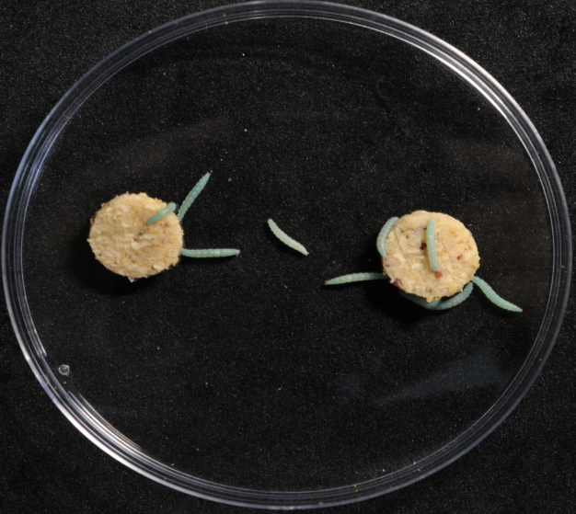
Control
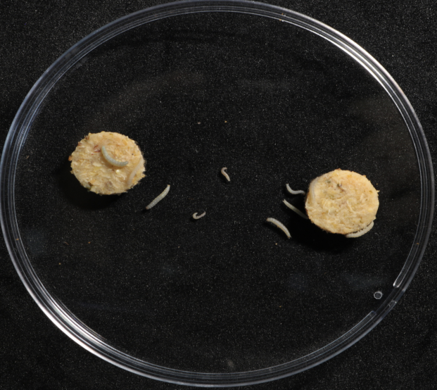
DMNT
Figure 1G Phenotypic comparison between DMNT-fed larvae and control larvae . |  |  |  |  |  |  |  |  |  | Figure 1H Growth inhibition of P. xylostella larvae by DMNT
 |  |  |  |  |  |  |  |  |  |  | 0h
 |  |  |  |  |  |  |  |  |  |  | Growth (g) | average | SD | SE
 |  |  |  |  |  |  |  |  |  | Control | 0.0052 | 0.0050333333333 | 0.0001490711985 | 6.6668693426E-05
 |  |  |  |  |  |  |  |  |  |  | 0.0051
 |  |  |  |  |  |  |  |  |  |  | 0.0052
 |  |  |  |  |  |  |  |  |  |  | 0.0049
 |  |  |  |  |  |  |  |  |  |  | 0.005
 |  |  |  |  |  |  |  |  |  |  | 0.0048
 |  |  |  |  |  |  |  |  |  | DMNT | 0.0049 | 0.0049333333333 | 0.00013743685419 | 6.1465498295E-05
 |  |  |  |  |  |  |  |  |  |  | 0.0048
 |  |  |  |  |  |  |  |  |  |  | 0.0048
 |  |  |  |  |  |  |  |  |  |  | 0.0052
 |  |  |  |  |  |  |  |  |  |  | 0.0049
 |  |  |  |  |  |  |  |  |  |  | 0.005

Figure 1I Reduced pupation of P. xylostella larvae by DMNT treatment.
 | Pupation(%)
 | number | percentage | average | SD | SE
Control | 12 | 0.8 | 0.91111111111 | 0.083147941928 | 0.03718602054
 | 15 | 1
 | 15 | 1
 | 12 | 0.8
 | 14 | 0.93333333333
 | 14 | 0.93333333333
...

