Sheet1
Figure 4B-C DMNT treatment downregulates the expression of PxMucin |  |  |  |  |  |  |  |  | RPL32 | PxMucin 2 | △ct | 2(-△ct) | average | normalized to control | average | SD | SE
 | RPL32 |  | RPS13 |  | PxMucin 2 |  |  | Control-1 | 16.68 | 23.24 | 6.56 | 0.010598471308 | 0.011277683181 | 0.93977381154 | 1 | 0.19383772662 | 0.13708467229
Control-1 | 16.66 | 16.68 | 17.35 | 17.345 | 23.22 | 23.24 |  | Control-2 | 16.055 | 22.19 | 6.135 | 0.01422921615 |  | 1.2617144782
 | 16.7 |  | 17.34 |  | 23.26 |  |  | Control-3 | 16.345 | 23.14 | 6.795 | 0.0090053620844 |  | 0.79851171025
Control-2 | 16.05 | 16.055 | 16.94 | 16.91 | 22.15 | 22.19 |  | DMNT-1 | 16.615 | 25.35 | 8.735 | 0.0023469454092 | 0.0047846692746 | 0.20810527939 | 0.42425994753 | 0.15913049458 | 0.11253924652
 | 16.06 |  | 16.88 |  | 22.23 |  |  | DMNT-2 | 16.165 | 23.405 | 7.24 | 0.0066151977528 |  | 0.586574179
Control-3 | 16.26 | 16.345 | 17.2 | 17.235 | 23 | 23.14 |  | DMNT-3 | 16.585 | 24.12 | 7.535 | 0.0053918646617 |  | 0.47810038421
 | 16.43 |  | 17.27 |  | 23.28
DMNT-1 | 16.64 | 16.615 | 17.28 | 17.305 | 25.79 | 25.35 |  |  | RPS13 | PxMucin 2 | △ct | 2(-△ct) | average | normalized to control | average | SD | SE
 | 16.59 |  | 17.33 |  | 24.91 |  |  | Control-1 | 17.345 | 23.24 | 5.895 | 0.016804599851 | 0.019743447047 | 0.85114822203 | 1 | 0.21467892156 | 0.15182384835
DMNT-2 | 16.11 | 16.165 | 16.93 | 16.915 | 23.58 | 23.405 |  | Control-2 | 16.91 | 22.19 | 5.28 | 0.02573721929 |  | 1.3035828662
 | 16.22 |  | 16.9 |  | 23.23 |  |  | Control-3 | 17.235 | 23.14 | 5.905 | 0.016688522001 |  | 0.8452689118
DMNT-3 | 16.59 | 16.585 | 17.01 | 17.04 | 24.28 | 24.12 |  | DMNT-1 | 17.305 | 25.35 | 8.045 | 0.0037862883474 | 0.0074342519552 | 0.19177443221 | 0.37654275555 | 0.15176337348 | 0.10732911844
 | 16.58 |  | 17.07 |  | 23.96 |  |  | DMNT-2 | 16.915 | 23.405 | 6.49 | 0.011125392153 |  | 0.56349796095
 |  |  |  |  |  |  |  | DMNT-3 | 17.04 | 24.12 | 7.08 | 0.007391075365 |  | 0.37435587349

Figure 4D-E Successful RNA interference (RNAi) of PxMucin by dsRNA feeding.
 | RPL32 |  | RPS13 |  | PxMucin 2 |  |  |  | RPL32 | PxMucin 2 | △ct | 2(-△ct) | average | normalized to control | average | SD | SE
Control-1 | 16.05 | 16.12 | 17.25 | 17.245 | 37.09 | 36.44 |  | Control-1 | 16.12 | 36.44 | 20.32 | 7.639597679E-07 | 7.012359506E-07 | 1.0894475208 | 1 | 0.2849636681 | 0.20153017546
 | 16.19 |  | 17.24 |  | 35.79 |  |  | Control-2 | 16.345 | 37.49 | 21.145 | 4.3124169233E-07 |  | 0.61497373596
Control-2 | 16.32 | 16.345 | 17.35 | 17.345 | 37.11 | 37.49 |  | Control-3 | 16.795 | 36.865 | 20.07 | 9.0850639157E-07 |  | 1.2955787432
 | 16.37 |  | 17.34 |  | 37.87 |  |  | RNAi-1 | 16.61 | 39.18 | 22.57 | 1.6060275756E-07 | 1.1950994574E-07 | 0.22902812872 | 0.17042757954 | 0.076895538736 | 0.05438156912
Control-3 | 16.76 | 16.795 | 17.25 | 17.25 | 36.47 | 36.865 |  | RNAi-2 | 16.665 | 39.29 | 22.625 | 1.5459532197E-07 |  | 0.22046120402
 | 16.83 |  | 17.25 |  | 37.26 |  |  | RNAi-3 | 17.24 | 41.7 | 24.46 | 4.3331757704E-08 |  | 0.061793405867
RNAi-1 | 16.63 | 16.61 | 17.61 | 17.64 | 40.65 | 39.18
 | 16.59 |  | 17.67 |  | 37.71 |  |  |  | RPS13 | PxMucin 2 | △ct | 2(-△ct) | average | normalized to control | average | SD | SE
RNAi-2 | 16.7 | 16.665 | 17.71 | 17.705 | 40.51 | 39.29 |  | Control-1 | 17.245 | 36.44 | 19.195 | 1.6662080687E-06 | 1.2580187977E-06 | 1.3244699298 | 1 | 0.26091915686 | 0.18452557062
 | 16.63 |  | 17.7 |  | 38.07 |  |  | Control-2 | 17.345 | 37.49 | 20.145 | 8.6248338467E-07 |  | 0.6855886305
RNAi-3 | 17.25 | 17.24 | 18.17 | 18.195 | 41.17 | 41.7 |  | Control-3 | 17.25 | 36.865 | 19.615 | 1.2453649398E-06 |  | 0.9899414397
 | 17.23 |  | 18.22 |  | 42.23 |  |  | RNAi-1 | 17.64 | 39.18 | 21.54 | 3.2795472578E-07 | 2.4327998829E-07 | 0.26069143511 | 0.19338342856 | 0.08958652268 | 0.06335680529
 |  |  |  |  |  |  |  | RNAi-2 | 17.705 | 39.29 | 21.585 | 3.1788317611E-07 |  | 0.25268555342
 |  |  |  |  |  |  |  | RNAi-3 | 18.195 | 41.7 | 23.505 | 8.4002062985E-08 |  | 0.066773297138

Figure 4G Larvae fed with dsRNA against PxMucin show impaired weight
 | 0h |  |  |  | 24h |  |  |  | 48h |  |  |  | 72h |  |  |  | 96h
 | Growth(g) | average | SD | SE | Growth(g) | average | SD | SE | Growth(g) | average | SD | SE | Growth(g) | average | SD | SE | Growth(g) | average | SD | SE
Control-1 | 0.0009 | 0.0009 | 0.00011547005384 | 5.164134787E-05 | 0.0018 | 0.0017666666667 | 0.00027487370837 | 0.00012293099659 | 0.0037 | 0.0042166666667 | 0.00035784850923 | 0.00016003958373 | 0.0054 | 0.0085 | 0.0017897858345 | 0.00080044089199 | 0.0267 | 0.029716666667 | 0.002799057381 | 0.0012518145711
Control-2 | 0.0008 |  |  |  | 0.0015 |  |  |  | 0.0045 |  |  |  | 0.0071 |  |  |  | 0.0281
Control-3 | 0.0011 |  |  |  | 0.0022 |  |  |  | 0.0047 |  |  |  | 0.0088 |  |  |  | 0.0355
Control-4 | 0.0008 |  |  |  | 0.0014 |  |  |  | 0.0038 |  |  |  | 0.0089 |  |  |  | 0.0303
Control-5 | 0.001 |  |  |  | 0.002 |  |  |  | 0.0043 |  |  |  | 0.0101 |  |  |  | 0.0288
Control-6 | 0.0008 |  |  |  | 0.0017 |  |  |  | 0.0043 |  |  |  | 0.0107 |  |  |  | 0.0289
RNAi-1 | 0.0008 | 0.00093333333333 | 0.00017950549357 | 8.0279737733E-05 | 0.0013 | 0.0013166666667 | 0.00024094720491 | 0.00010775814173 | 0.0034 | 0.0027833333333 | 0.00042979323194 | 0.00019221522001 | 0.0076 | 0.0063833333333 | 0.00085130618594 | 0.00038072727457 | 0.0267 | 0.022316666667 | 0.0037114312902 | 0.0016598529921
RNAi-2 | 0.0012 |  |  |  | 0.0018 |  |  |  | 0.0033 |  |  |  | 0.0075 |  |  |  | 0.0281
RNAi-3 | 0.0007 |  |  |  | 0.001 |  |  |  | 0.0025 |  |  |  | 0.0056 |  |  |  | 0.0192
RNAi-4 | 0.001 |  |  |  | 0.0013 |  |  |  | 0.0028 |  |  |  | 0.006 |  |  |  | 0.0189
RNAi-5 | 0.0008 |  |  |  | 0.0012 |  |  |  | 0.0024 |  |  |  | 0.0061 |  |  |  | 0.0215
RNAi-6 | 0.0011 |  |  |  | 0.0013 |  |  |  | 0.0023 |  |  |  | 0.0055 |  |  |  | 0.0195

Figure 4H Larvae fed with dsRNA against PxMucin show impaired survival
survival(%) | 24h |  |  |  |  | 48h |  |  |  |  | 72h |  |  |  |  | 96h
 | number | percentage | average | SD | SE | number | percentage | average | SD | SE | number | percentage | average | SD | SE | number | percentage | average | SD | SE
Control-1 | 13 | 0.86666666667 | 0.96666666667 | 0.050917507722 | 0.022771693972 | 12 | 0.8 | 0.9 | 0.06382847385 | 0.028545829092 | 12 | 0.8 | 0.9 | 0.06382847385 | 0.028545829092 | 12 | 0.8 | 0.88888888889 | 0.062853936105 | 0.028109989314
Control-2 | 14 | 0.93333333333 |  |  |  | 13 | 0.86666666667 |  |  |  | 13 | 0.86666666667 |  |  |  | 13 | 0.86666666667
Control-3 | 15 | 1 |  |  |  | 15 | 1 |  |  |  | 15 | 1 |  |  |  | 15 | 1
Control-4 | 15 | 1 |  |  |  | 14 | 0.93333333333 |  |  |  | 14 | 0.93333333333 |  |  |  | 14 | 0.93333333333
Control-5 | 15 | 1 |  |  |  | 14 | 0.93333333333 |  |  |  | 14 | 0.93333333333 |  |  |  | 13 | 0.86666666667
Control-6 | 15 | 1 |  |  |  | 13 | 0.86666666667 |  |  |  | 13 | 0.86666666667 |  |  |  | 13 | 0.86666666667
RNAi-1 | 14 | 0.93333333333 | 0.84444444444 | 0.10657403385 | 0.047662805837 | 13 | 0.86666666667 | 0.76666666667 | 0.10715167512 | 0.04792114272 | 13 | 0.86666666667 | 0.75555555556 | 0.11967032905 | 0.053519825155 | 13 | 0.86666666667 | 0.73333333333 | 0.1276569477 | 0.057091658185
RNAi-2 | 14 | 0.93333333333 |  |  |  | 14 | 0.93333333333 |  |  |  | 14 | 0.93333333333 |  |  |  | 14 | 0.93333333333
RNAi-3 | 11 | 0.73333333333 |  |  |  | 10 | 0.66666666667 |  |  |  | 9 | 0.6 |  |  |  | 9 | 0.6
RNAi-4 | 14 | 0.93333333333 |  |  |  | 12 | 0.8 |  |  |  | 12 | 0.8 |  |  |  | 11 | 0.73333333333
RNAi-5 | 10 | 0.66666666667 |  |  |  | 10 | 0.66666666667 |  |  |  | 10 | 0.66666666667 |  |  |  | 10 | 0.66666666667
RNAi-6 | 13 | 0.86666666667 |  |  |  | 10 | 0.66666666667 |  |  |  | 10 | 0.66666666667 |  |  |  | 9 | 0.6

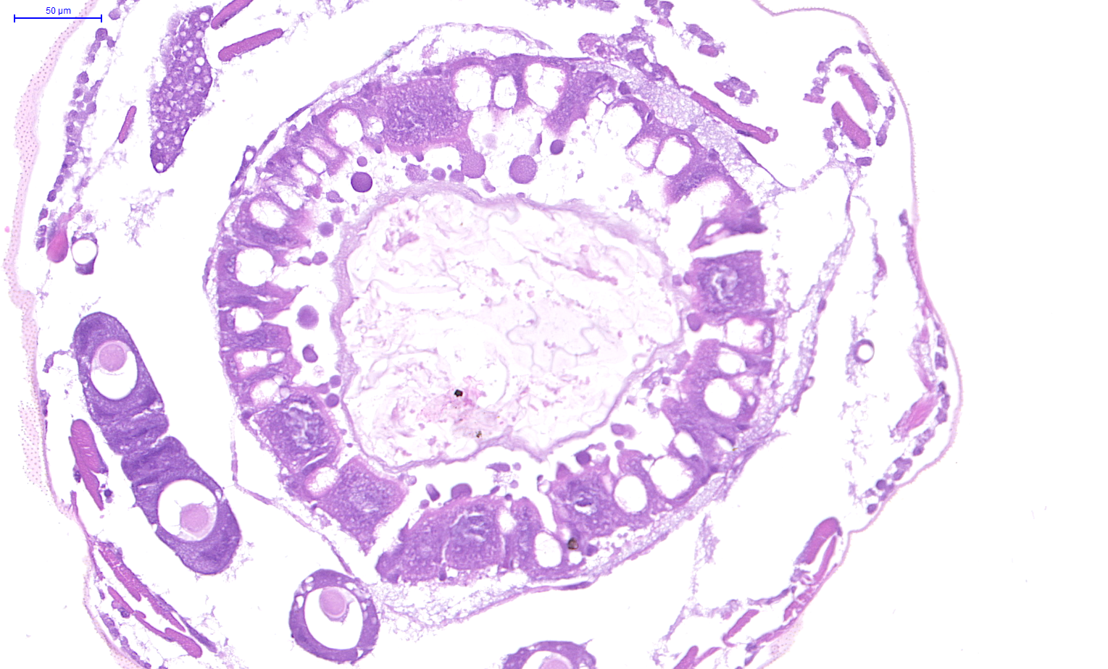
Control
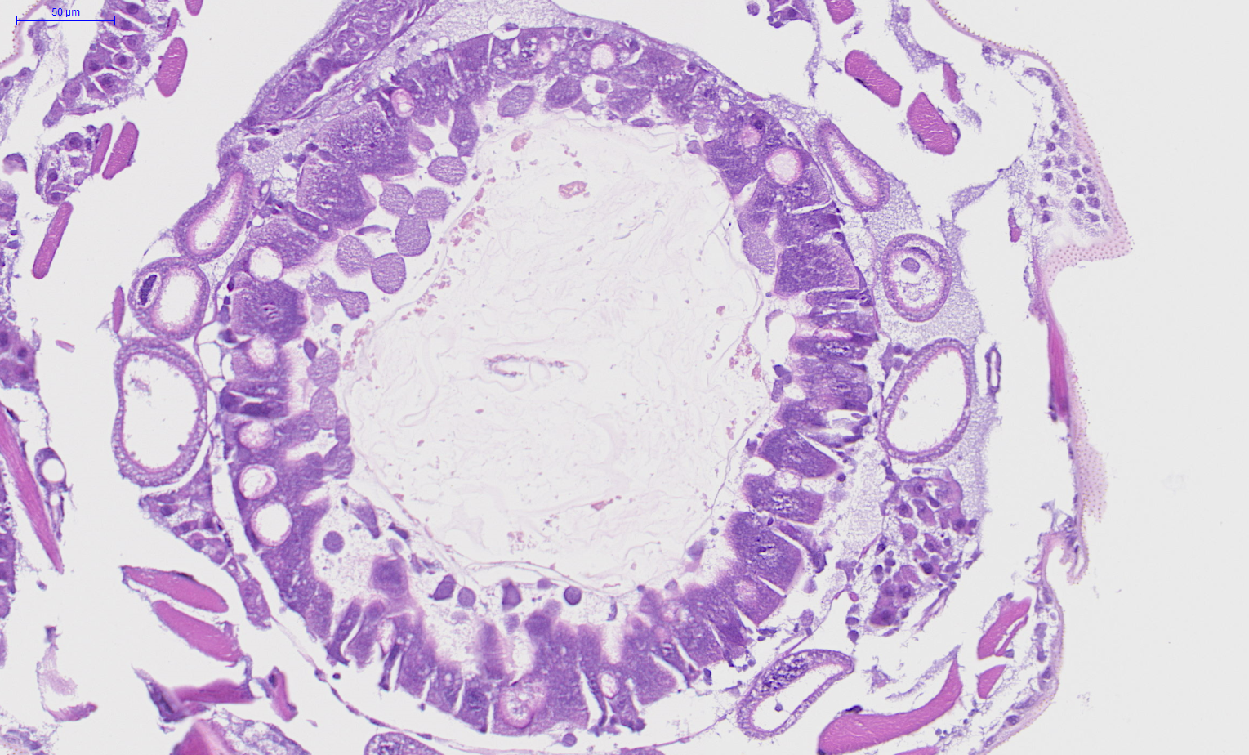
RNAi
Figure 4I Larvae fed with dsRNA against PxMucin show impaired pupation |  |  |  |  |  |  |  |  | Figure 4J-K PM structure from control larvae, and larvae fed PxMucin dsRNA
Pupation(%) | number | percentage | average | SD | SE
Control-1 | 8 | 0.53333333333 | 0.7 | 0.10715167512 | 0.04792114272
Control-2 | 10 | 0.66666666667
Control-3 | 12 | 0.8
Control-4 | 10 | 0.66666666667
Control-5 | 10 | 0.66666666667
Control-6 | 13 | 0.86666666667
RNAi-1 | 8 | 0.53333333333 | 0.44444444444 | 0.13146843962 | 0.058796261013
RNAi-2 | 5 | 0.33333333333
RNAi-3 | 8 | 0.53333333333
RNAi-4 | 3 | 0.2
RNAi-5 | 8 | 0.53333333333
RNAi-6 | 8 | 0.53333333333

