Sheet1
Figure 5A Removal of the microbiota by antibiotics alone has no influence on larval survival
Survival (%) | 24h |  |  |  |  | 48h |  |  |  |  | 72h |  |  |  |  | 96h |  |  |  |  | 120h
 | number | percentage | average | SD | SE | number | percentage | average | SD | SE | number | percentage | average | SD | SE | number | percentage | average | SD | SE | number | percentage | average | SD | SE
Control-1 | 15 | 1 | 1 | 0 | 0 | 15 | 1 | 1 | 0 | 0 | 15 | 1 | 1 | 0 | 0 | 15 | 1 | 1 | 0 | 0 | 14 | 0.93333333333 | 0.9 | 0.06382847385 | 0.028545829092
Control-2 | 15 | 1 |  |  |  | 15 | 1 |  |  |  | 15 | 1 |  |  |  | 15 | 1 |  |  |  | 13 | 0.86666666667
Control-3 | 15 | 1 |  |  |  | 15 | 1 |  |  |  | 15 | 1 |  |  |  | 15 | 1 |  |  |  | 13 | 0.86666666667
Control-4 | 15 | 1 |  |  |  | 15 | 1 |  |  |  | 15 | 1 |  |  |  | 15 | 1 |  |  |  | 12 | 0.8
Control-5 | 15 | 1 |  |  |  | 15 | 1 |  |  |  | 15 | 1 |  |  |  | 15 | 1 |  |  |  | 15 | 1
Control-6 | 15 | 1 |  |  |  | 15 | 1 |  |  |  | 15 | 1 |  |  |  | 15 | 1 |  |  |  | 14 | 0.93333333333
DMNT-1 | 13 | 0.86666666667 | 0.85555555556 | 0.045812284729 | 0.020488499432 | 13 | 0.86666666667 | 0.81111111111 | 0.07114582486 | 0.031818347433 | 8 | 0.53333333333 | 0.63333333333 | 0.1 | 0.044722719141 | 6 | 0.4 | 0.4 | 0.086066296582 | 0.038491188096 | 5 | 0.33333333333 | 0.28888888889 | 0.083147941928 | 0.03718602054
DMNT-2 | 14 | 0.93333333333 |  |  |  | 13 | 0.86666666667 |  |  |  | 12 | 0.8 |  |  |  | 8 | 0.53333333333 |  |  |  | 6 | 0.4
DMNT-3 | 13 | 0.86666666667 |  |  |  | 13 | 0.86666666667 |  |  |  | 11 | 0.73333333333 |  |  |  | 5 | 0.33333333333 |  |  |  | 5 | 0.33333333333
DMNT-4 | 12 | 0.8 |  |  |  | 12 | 0.8 |  |  |  | 9 | 0.6 |  |  |  | 4 | 0.26666666667 |  |  |  | 2 | 0.13333333333
DMNT-5 | 12 | 0.8 |  |  |  | 12 | 0.8 |  |  |  | 8 | 0.53333333333 |  |  |  | 7 | 0.46666666667 |  |  |  | 4 | 0.26666666667
DMNT-6 | 13 | 0.86666666667 |  |  |  | 10 | 0.66666666667 |  |  |  | 9 | 0.6 |  |  |  | 6 | 0.4 |  |  |  | 4 | 0.26666666667
PBS-1 | 15 | 1 | 1 | 0 | 0 | 15 | 1 | 1 | 0 | 0 | 15 | 1 | 1 | 0 | 0 | 15 | 1 | 1 | 0 | 0 | 15 | 1 | 1 | 0 | 0
PBS-2 | 15 | 1 |  |  |  | 15 | 1 |  |  |  | 15 | 1 |  |  |  | 15 | 1 |  |  |  | 15 | 1
PBS-3 | 15 | 1 |  |  |  | 15 | 1 |  |  |  | 15 | 1 |  |  |  | 15 | 1 |  |  |  | 15 | 1
PBS-4 | 15 | 1 |  |  |  | 15 | 1 |  |  |  | 15 | 1 |  |  |  | 15 | 1 |  |  |  | 15 | 1
PBS-5 | 15 | 1 |  |  |  | 15 | 1 |  |  |  | 15 | 1 |  |  |  | 15 | 1 |  |  |  | 15 | 1
PBS-6 | 15 | 1 |  |  |  | 15 | 1 |  |  |  | 15 | 1 |  |  |  | 15 | 1 |  |  |  | 15 | 1
Antibiotics-1 | 15 | 1 | 1 | 0 | 0 | 15 | 1 | 1 | 0 | 0 | 15 | 1 | 1 | 0 | 0 | 15 | 1 | 1 | 0 | 0 | 15 | 1 | 1 | 0 | 0
Antibiotics-2 | 15 | 1 |  |  |  | 15 | 1 |  |  |  | 15 | 1 |  |  |  | 15 | 1 |  |  |  | 15 | 1
Antibiotics-3 | 15 | 1 |  |  |  | 15 | 1 |  |  |  | 15 | 1 |  |  |  | 15 | 1 |  |  |  | 15 | 1
Antibiotics-4 | 15 | 1 |  |  |  | 15 | 1 |  |  |  | 15 | 1 |  |  |  | 15 | 1 |  |  |  | 15 | 1
Antibiotics-5 | 15 | 1 |  |  |  | 15 | 1 |  |  |  | 15 | 1 |  |  |  | 15 | 1 |  |  |  | 15 | 1
Antibiotics-6 | 15 | 1 |  |  |  | 15 | 1 |  |  |  | 15 | 1 |  |  |  | 15 | 1 |  |  |  | 15 | 1

Figure 5B Removal of the microbiota by antibiotics alone has no influence on larval pupation
Pupation (%) | number | percentage | average | SD | SE |  |  | number | percentage | average | SD | SE
Control-1 | 14 | 0.93333333333 | 0.88888888889 | 0.073702773119 | 0.032961884221 |  | DMNT-1 | 2 | 0.13333333333 | 0.18888888889 | 0.07114582486 | 0.031818347433
Control-2 | 13 | 0.86666666667 |  |  |  |  | DMNT-2 | 3 | 0.2
Control-3 | 12 | 0.8 |  |  |  |  | DMNT-3 | 3 | 0.2
Control-4 | 12 | 0.8 |  |  |  |  | DMNT-4 | 1 | 0.066666666667
Control-5 | 15 | 1 |  |  |  |  | DMNT-5 | 4 | 0.26666666667
Control-6 | 14 | 0.93333333333 |  |  |  |  | DMNT-6 | 4 | 0.26666666667
 | number | percentage | average | SD | SE |  |  | number | percentage | average | SD | SE
PBS-1 | 15 | 1 | 1 | 0 | 0 |  | antibiotics-1 | 15 | 1 | 1 | 0 | 0
PBS-2 | 15 | 1 |  |  |  |  | antibiotics-2 | 15 | 1
PBS-3 | 15 | 1 |  |  |  |  | antibiotics-3 | 15 | 1
PBS-4 | 15 | 1 |  |  |  |  | antibiotics-4 | 15 | 1
PBS-5 | 15 | 1 |  |  |  |  | antibiotics-5 | 15 | 1
PBS-6 | 15 | 1 |  |  |  |  | antibiotics-6 | 15 | 1

Figure 5C Removal of the microbiota by treatment with antibiotics eliminates the adverse DMNT-mediated effects on the survival
Survival (%) | 24h |  |  |  |  | 48h |  |  |  |  | 72h |  |  |  |  | 96h |  |  |  |  | 120h
 | number | percentage | average | SD | SE | number | percentage | average | SD | SE | number | percentage | average | SD | SE | number | percentage | average | SD | SE | number | percentage | average | SD | SE
Control-1 | 15 | 1 | 1 | 0 | 0 | 15 | 1 | 0.98888888889 | 0.02484519975 | 0.011111448904 | 15 | 1 | 0.97777777778 | 0.031426968053 | 0.014054994657 | 15 | 1 | 0.97777777778 | 0.031426968053 | 0.014054994657 | 15 | 1 | 0.97777777778 | 0.031426968053 | 0.014054994657
Control-2 | 15 | 1 |  |  |  | 15 | 1 |  |  |  | 15 | 1 |  |  |  | 15 | 1 |  |  |  | 15 | 1
Control-3 | 15 | 1 |  |  |  | 15 | 1 |  |  |  | 15 | 1 |  |  |  | 15 | 1 |  |  |  | 15 | 1
Control-4 | 15 | 1 |  |  |  | 15 | 1 |  |  |  | 15 | 1 |  |  |  | 15 | 1 |  |  |  | 15 | 1
Control-5 | 15 | 1 |  |  |  | 14 | 0.93333333333 |  |  |  | 14 | 0.93333333333 |  |  |  | 14 | 0.93333333333 |  |  |  | 14 | 0.93333333333
Control-6 | 15 | 1 |  |  |  | 15 | 1 |  |  |  | 14 | 0.93333333333 |  |  |  | 14 | 0.93333333333 |  |  |  | 14 | 0.93333333333
antibiotic-1 | 15 | 1 | 1 | 0 | 0 | 15 | 1 | 0.98888888889 | 0.02484519975 | 0.011111448904 | 15 | 1 | 0.98888888889 | 0.02484519975 | 0.011111448904 | 15 | 1 | 0.98888888889 | 0.02484519975 | 0.011111448904 | 15 | 1 | 0.98888888889 | 0.02484519975 | 0.011111448904
antibiotic-2 | 15 | 1 |  |  |  | 15 | 1 |  |  |  | 15 | 1 |  |  |  | 15 | 1 |  |  |  | 15 | 1
antibiotic-3 | 15 | 1 |  |  |  | 15 | 1 |  |  |  | 15 | 1 |  |  |  | 15 | 1 |  |  |  | 15 | 1
antibiotic-4 | 15 | 1 |  |  |  | 15 | 1 |  |  |  | 15 | 1 |  |  |  | 15 | 1 |  |  |  | 15 | 1
antibiotic-5 | 15 | 1 |  |  |  | 15 | 1 |  |  |  | 15 | 1 |  |  |  | 15 | 1 |  |  |  | 15 | 1
antibiotic-6 | 15 | 1 |  |  |  | 14 | 0.93333333333 |  |  |  | 14 | 0.93333333333 |  |  |  | 14 | 0.93333333333 |  |  |  | 14 | 0.93333333333
DMNT-1 | 13 | 0.86666666667 | 0.91111111111 | 0.0496903995 | 0.022222897809 | 13 | 0.86666666667 | 0.81111111111 | 0.089580641648 | 0.040062898769 | 10 | 0.66666666667 | 0.62222222222 | 0.13146843962 | 0.058796261013 | 7 | 0.46666666667 | 0.45555555556 | 0.13005222123 | 0.058162889638 | 7 | 0.46666666667 | 0.36666666667 | 0.12619796324 | 0.056439160662
DMNT-2 | 13 | 0.86666666667 |  |  |  | 11 | 0.73333333333 |  |  |  | 9 | 0.6 |  |  |  | 7 | 0.46666666667 |  |  |  | 4 | 0.26666666667
DMNT-3 | 13 | 0.86666666667 |  |  |  | 10 | 0.66666666667 |  |  |  | 6 | 0.4 |  |  |  | 5 | 0.33333333333 |  |  |  | 4 | 0.26666666667
DMNT-4 | 14 | 0.93333333333 |  |  |  | 13 | 0.86666666667 |  |  |  | 11 | 0.73333333333 |  |  |  | 10 | 0.66666666667 |  |  |  | 8 | 0.53333333333
DMNT-5 | 15 | 1 |  |  |  | 14 | 0.93333333333 |  |  |  | 12 | 0.8 |  |  |  | 8 | 0.53333333333 |  |  |  | 7 | 0.46666666667
DMNT-6 | 14 | 0.93333333333 |  |  |  | 12 | 0.8 |  |  |  | 8 | 0.53333333333 |  |  |  | 4 | 0.26666666667 |  |  |  | 3 | 0.2
antibiotic+DMNT-1 | 15 | 1 | 1 | 0 | 0 | 14 | 0.93333333333 | 0.97777777778 | 0.031426968053 | 0.014054994657 | 14 | 0.93333333333 | 0.96666666667 | 0.033333333333 | 0.014907573047 | 14 | 0.93333333333 | 0.95555555556 | 0.0496903995 | 0.022222897809 | 14 | 0.93333333333 | 0.94444444444 | 0.045812284729 | 0.020488499432
...
Figure 5D Removal of the microbiota by treatment with antibiotics eliminates the adverse DMNT-mediated effects on the pupation
antibiotics-1 | 15 | 1 | 0.98888888889 | 0.02484519975 | 0.011111448904 |  | DMNT+antibiotic-1 | 12 | 0.8 | 0.85555555556 | 0.059835164524 | 0.026759912578
antibiotics-2 | 15 | 1 |  |  |  |  | DMNT+antibiotic-2 | 13 | 0.86666666667
antibiotics-3 | 15 | 1 |  |  |  |  | DMNT+antibiotic-3 | 14 | 0.93333333333
antibiotics-4 | 15 | 1 |  |  |  |  | DMNT+antibiotic-4 | 14 | 0.93333333333
antibiotics-5 | 15 | 1 |  |  |  |  | DMNT+antibiotic-5 | 12 | 0.8
antibiotics-6 | 14 | 0.93333333333 |  |  |  |  | DMNT+antibiotic-6 | 12 | 0.8

Figure 5E-H Comparison of PM structure in control larvae , larvae treated with DMNT alone or in combination with antibiotics

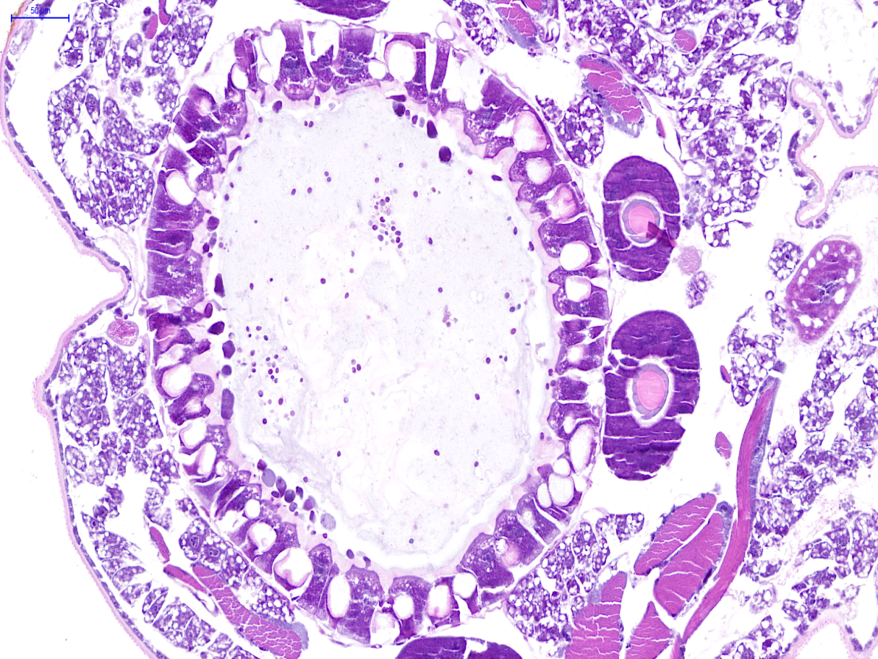
Control
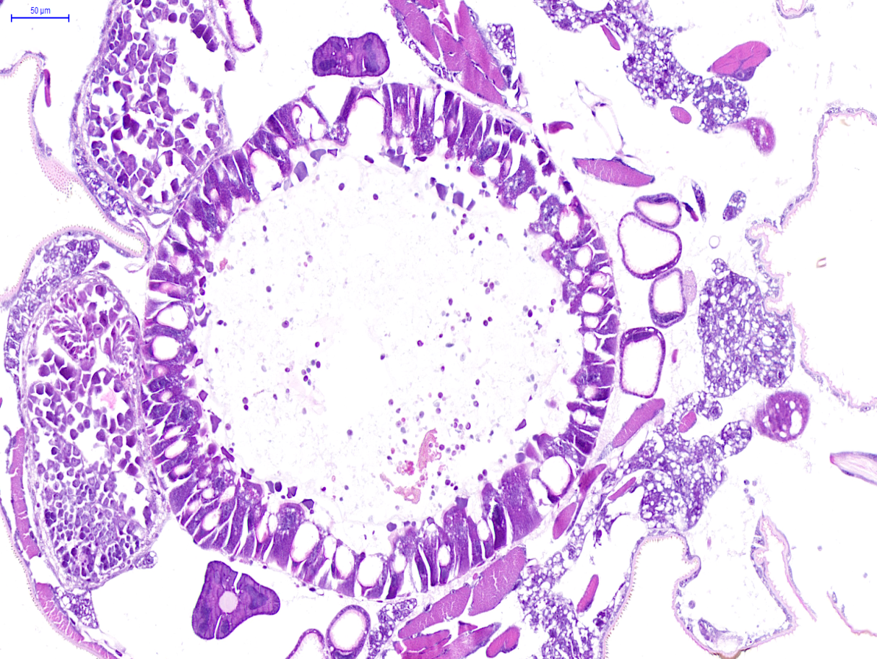
DMNT

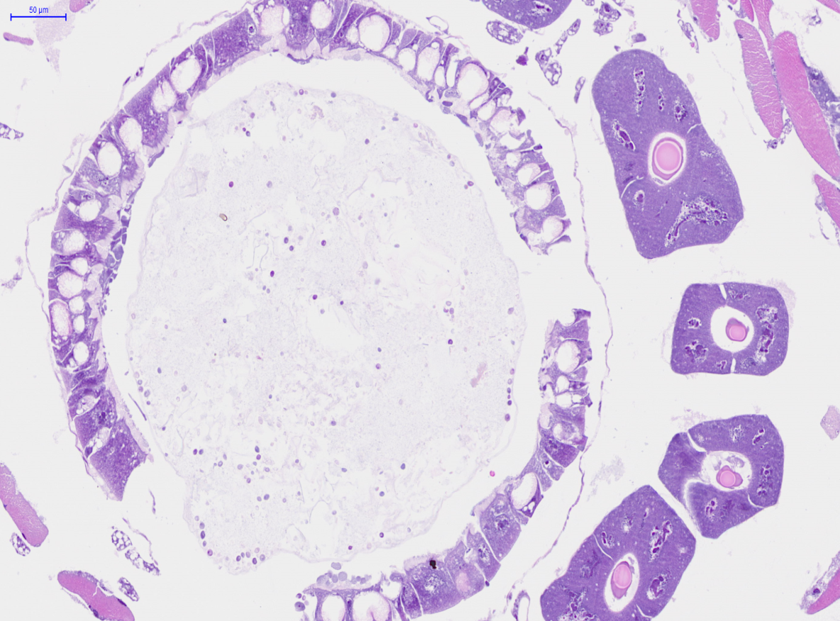
Antibiotics
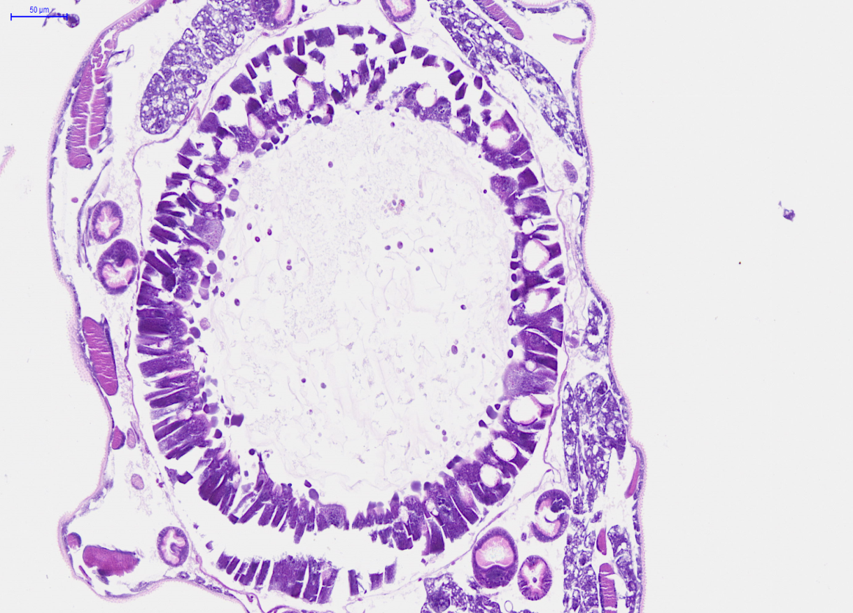
DMNT+antibiotics

Figure 5I-J Enterococcus faecalis (E. f) can invade gut cells when the PM is disrupted by DMNT treatment
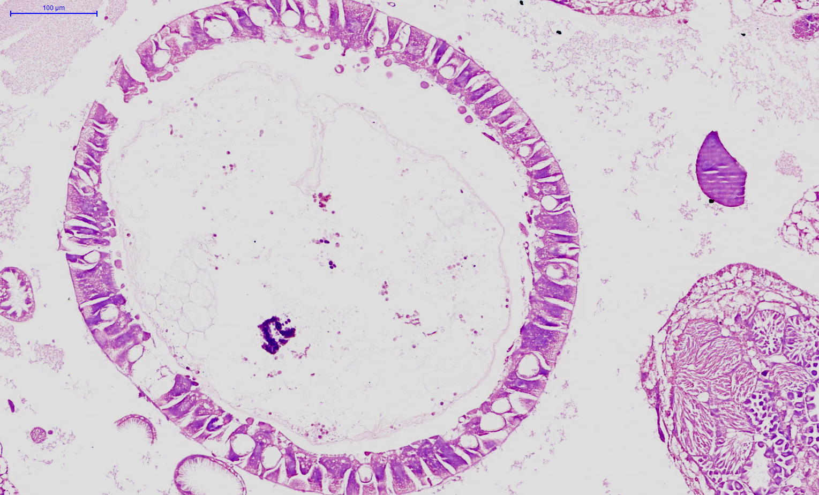
Control
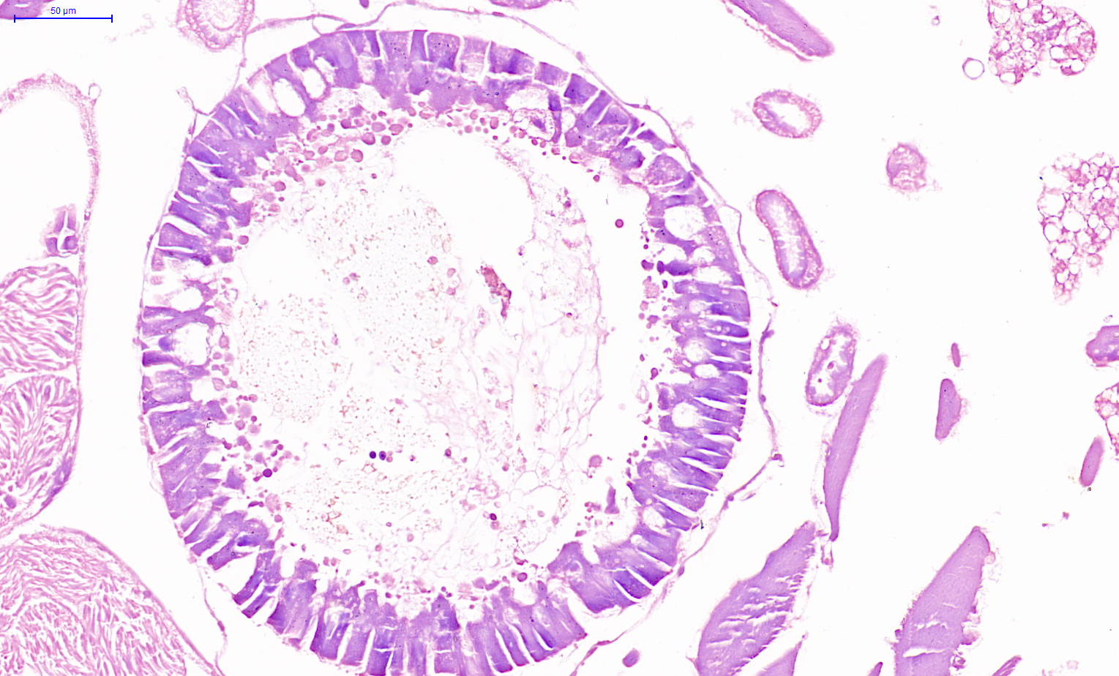
DMNT+E. f

