Figure 2–source data 2
Figure 2–source data 2. Quantification of (p)ppGpp

22/01/2020

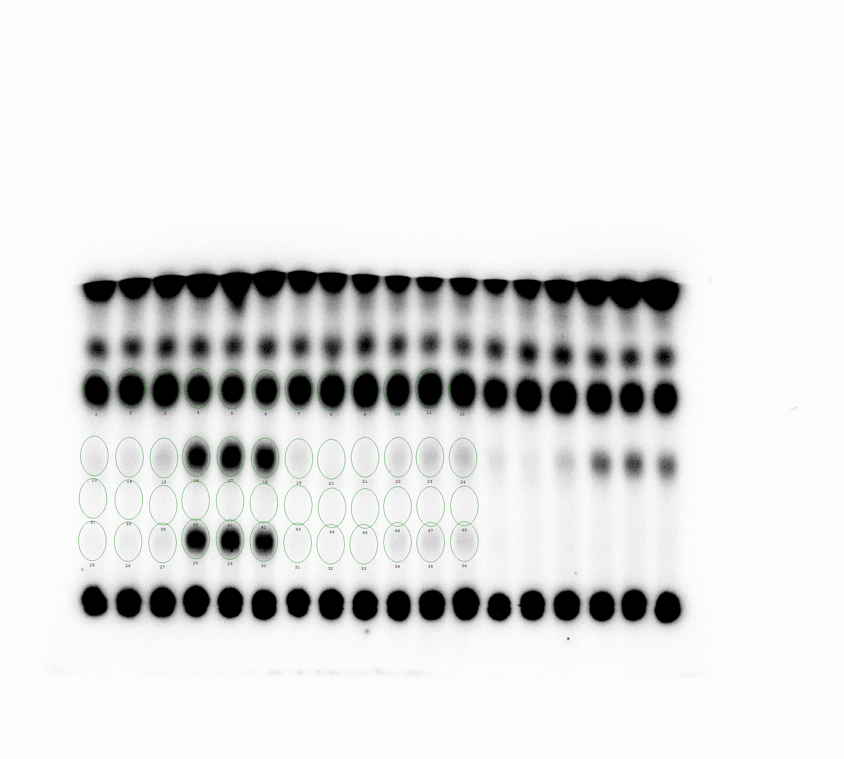

 | pEG25 |  |  |  |  |  | pEG25-nirD
 | 0 | 15 | 30 | 35 | 45 | 60 | 0 | 15 | 30 | 35 | 45 | 60
GTP | 2097.23 | 2368.47 | 2742.34 | 1936.42 | 1880.41 | 1757.14 | 2174.28 | 2590.57 | 2999.31 | 2491.82 | 2657.78 | 2826.16
ppGpp | 128.78 | 148.31 | 236.09 | 1212.74 | 1429.89 | 1254.02 | 159.09 | 98.24 | 117.00 | 176.69 | 235.22 | 260.65
pppGpp | 70.74 | 95.32 | 130.05 | 1122.37 | 1196.75 | 990.67 | 83.24 | 72.56 | 82.87 | 135.21 | 173.86 | 184.11
Blank | 70.43 | 75.58 | 80.57 | 113.85 | 115.93 | 114.40 | 62.34 | 68.31 | 76.22 | 74.77 | 82.97 | 85.02

(p)ppGpp / Total G =((ppGpp-Blank)+(pppGpp-Blank))/((GTP-Blank)+(ppGpp-Blank)+(pppGpp-Blank))

 | pEG25 |  |  |  |  |  | pEG25-nirD
 | 0 | 15 | 30 | 35 | 45 | 60 | 0 | 15 | 30 | 35 | 45 | 60
(p)ppGpp / Total G | 0.03 | 0.04 | 0.07 | 0.54 | 0.58 | 0.55 | 0.05 | 0.01 | 0.02 | 0.06 | 0.09 | 0.09

05/02/2020

 | pEG25 |  |  |  |  |  | pEG25-nirD
 | 0 | 15 | 30 | 35 | 45 | 60 | 0 | 15 | 30 | 35 | 45 | 60
GTP | 2014.00 | 2307.54 | 2393.48 | 1552.09 | 1501.79 | 1421.73 | 1799.67 | 2097.57 | 2273.13 | 1961.81 | 1966.05 | 2027.40
ppGpp | 154.39 | 136.82 | 198.06 | 1010.56 | 1111.08 | 1044.29 | 134.31 | 60.12 | 78.87 | 149.19 | 177.29 | 201.07
pppGpp | 70.10 | 83.07 | 100.50 | 933.86 | 987.40 | 853.81 | 60.94 | 42.18 | 48.64 | 102.45 | 124.03 | 131.93
Blank | 53.10 | 60.75 | 70.50 | 101.63 | 99.99 | 94.87 | 48.65 | 52.73 | 56.50 | 59.56 | 64.79 | 68.37

(p)ppGpp / Total G =((ppGpp-Blank)+(pppGpp-Blank))/((GTP-Blank)+(ppGpp-Blank)+(pppGpp-Blank))

 | pEG25 |  |  |  |  |  | pEG25-nirD
 | 0 | 15 | 30 | 35 | 45 | 60 | 0 | 15 | 30 | 35 | 45 | 60
(p)ppGpp / Total G | 0.06 | 0.04 | 0.06 | 0.55 | 0.58 | 0.56 | 0.05 | 0.00 | 0.01 | 0.07 | 0.08 | 0.09

12/07/2020

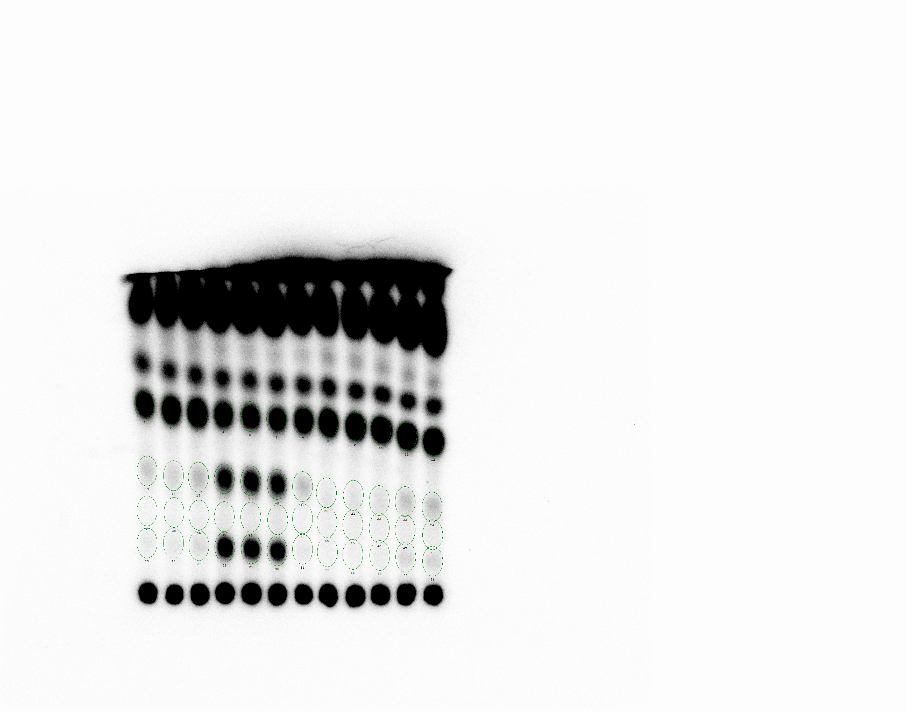

 | pEG25 |  |  |  |  |  | pEG25-nirD
 | 0 | 15 | 30 | 35 | 45 | 60 | 0 | 15 | 30 | 35 | 45 | 60
GTP | 833.28 | 1047.61 | 1246.63 | 833.74 | 746.59 | 727.07 | 907.37 | 1205.66 | 1299.78 | 1289.13 | 1473.00 | 1574.83
ppGpp | 78.23 | 66.79 | 104.43 | 482.03 | 515.87 | 479.67 | 89.24 | 44.98 | 48.93 | 55.47 | 86.15 | 96.06
pppGpp | 36.41 | 40.75 | 57.88 | 546.14 | 511.23 | 455.10 | 38.47 | 30.18 | 30.33 | 36.22 | 58.13 | 61.81
Blank | 23.07 | 29.16 | 36.78 | 51.85 | 54.21 | 56.30 | 31.27 | 36.61 | 37.29 | 38.51 | 43.85 | 46.58

(p)ppGpp / Total G =((ppGpp-Blank)+(pppGpp-Blank))/((GTP-Blank)+(ppGpp-Blank)+(pppGpp-Blank))

 | pEG25 |  |  |  |  |  | pEG25-nirD
 | 0 | 15 | 30 | 35 | 45 | 60 | 0 | 15 | 30 | 35 | 45 | 60
(p)ppGpp / Total G | 0.08 | 0.05 | 0.07 | 0.54 | 0.57 | 0.55 | 0.07 | 0.00 | 0.00 | 0.01 | 0.04 | 0.04

Means

 | pEG25 |  |  |  |  |  | pEG25-nirD
 | 0 | 15 | 30 | 35 | 45 | 60 | 0 | 15 | 30 | 35 | 45 | 60
(p)ppGpp / Total G | 0.05 | 0.04 | 0.07 | 0.54 | 0.57 | 0.55 | 0.06 | 0.00 | 0.01 | 0.05 | 0.07 | 0.07

SDs

 | pEG25 |  |  |  |  |  | pEG25-nirD
 | 0 | 15 | 30 | 35 | 45 | 60 | 0 | 15 | 30 | 35 | 45 | 60
(p)ppGpp / Total G | 0.03 | 0.00 | 0.00 | 0.00 | 0.00 | 0.01 | 0.01 | 0.01 | 0.01 | 0.03 | 0.03 | 0.03

