Figure 3–source data 3
Figure 3–source data 3. Quantification of (p)ppGpp

20/08/2020

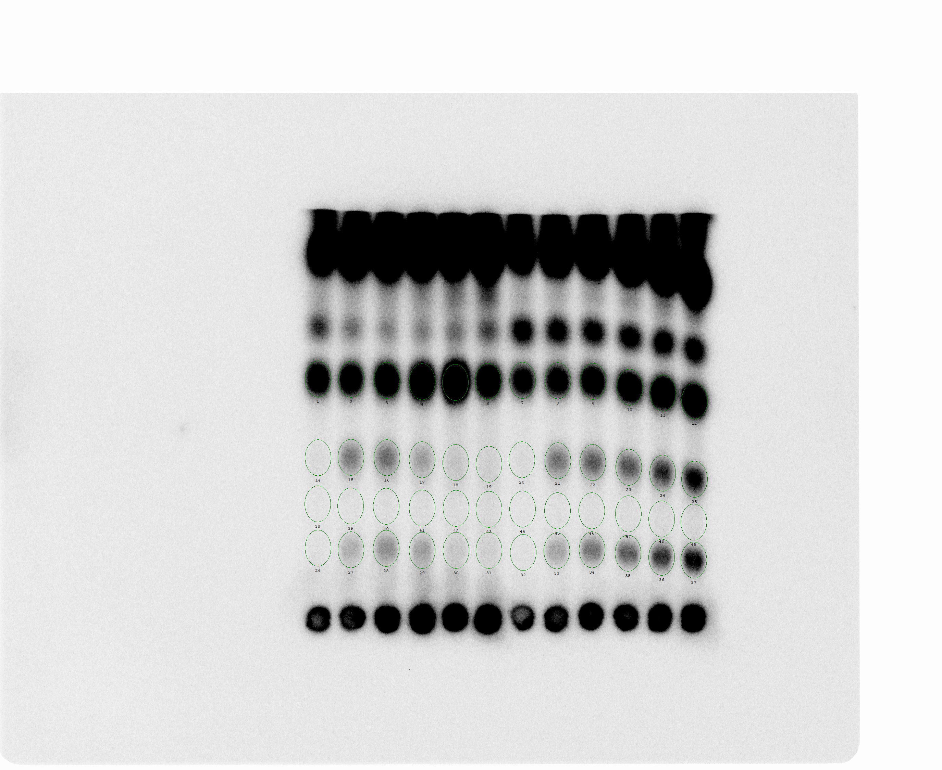

 | pEG25-nirD |  |  |  |  |  | pEG25-nirDE50K
 | 0 | 15 | 30 | 35 | 45 | 60 | 0 | 15 | 30 | 35 | 45 | 60
GTP | 925.18 | 896.31 | 1095.96 | 1548.02 | 2372.74 | 1159.97 | 732.07 | 772.49 | 917.46 | 1019.49 | 1189.38 | 1361.58
ppGpp | 103.01 | 281.67 | 309.95 | 218.18 | 153.58 | 133.56 | 105.01 | 295.97 | 339.58 | 346.65 | 416.90 | 518.92
pppGpp | 92.22 | 180.14 | 239.57 | 210.33 | 145.01 | 129.81 | 92.41 | 192.89 | 273.84 | 310.48 | 376.93 | 462.82
Blank | 87.05 | 93.63 | 100.69 | 103.28 | 105.99 | 111.22 | 87.65 | 95.58 | 101.64 | 105.58 | 113.57 | 121.43

(p)ppGpp / Total G =((ppGpp-Blank)+(pppGpp-Blank))/((GTP-Blank)+(ppGpp-Blank)+(pppGpp-Blank))

 | pEG25-nirD |  |  |  |  |  | pEG25-nirDE50K
 | 0 | 15 | 30 | 35 | 45 | 60 | 0 | 15 | 30 | 35 | 45 | 60
(p)ppGpp / Total G | 0.02 | 0.25 | 0.26 | 0.13 | 0.04 | 0.04 | 0.03 | 0.31 | 0.33 | 0.33 | 0.35 | 0.37

21/08/2020

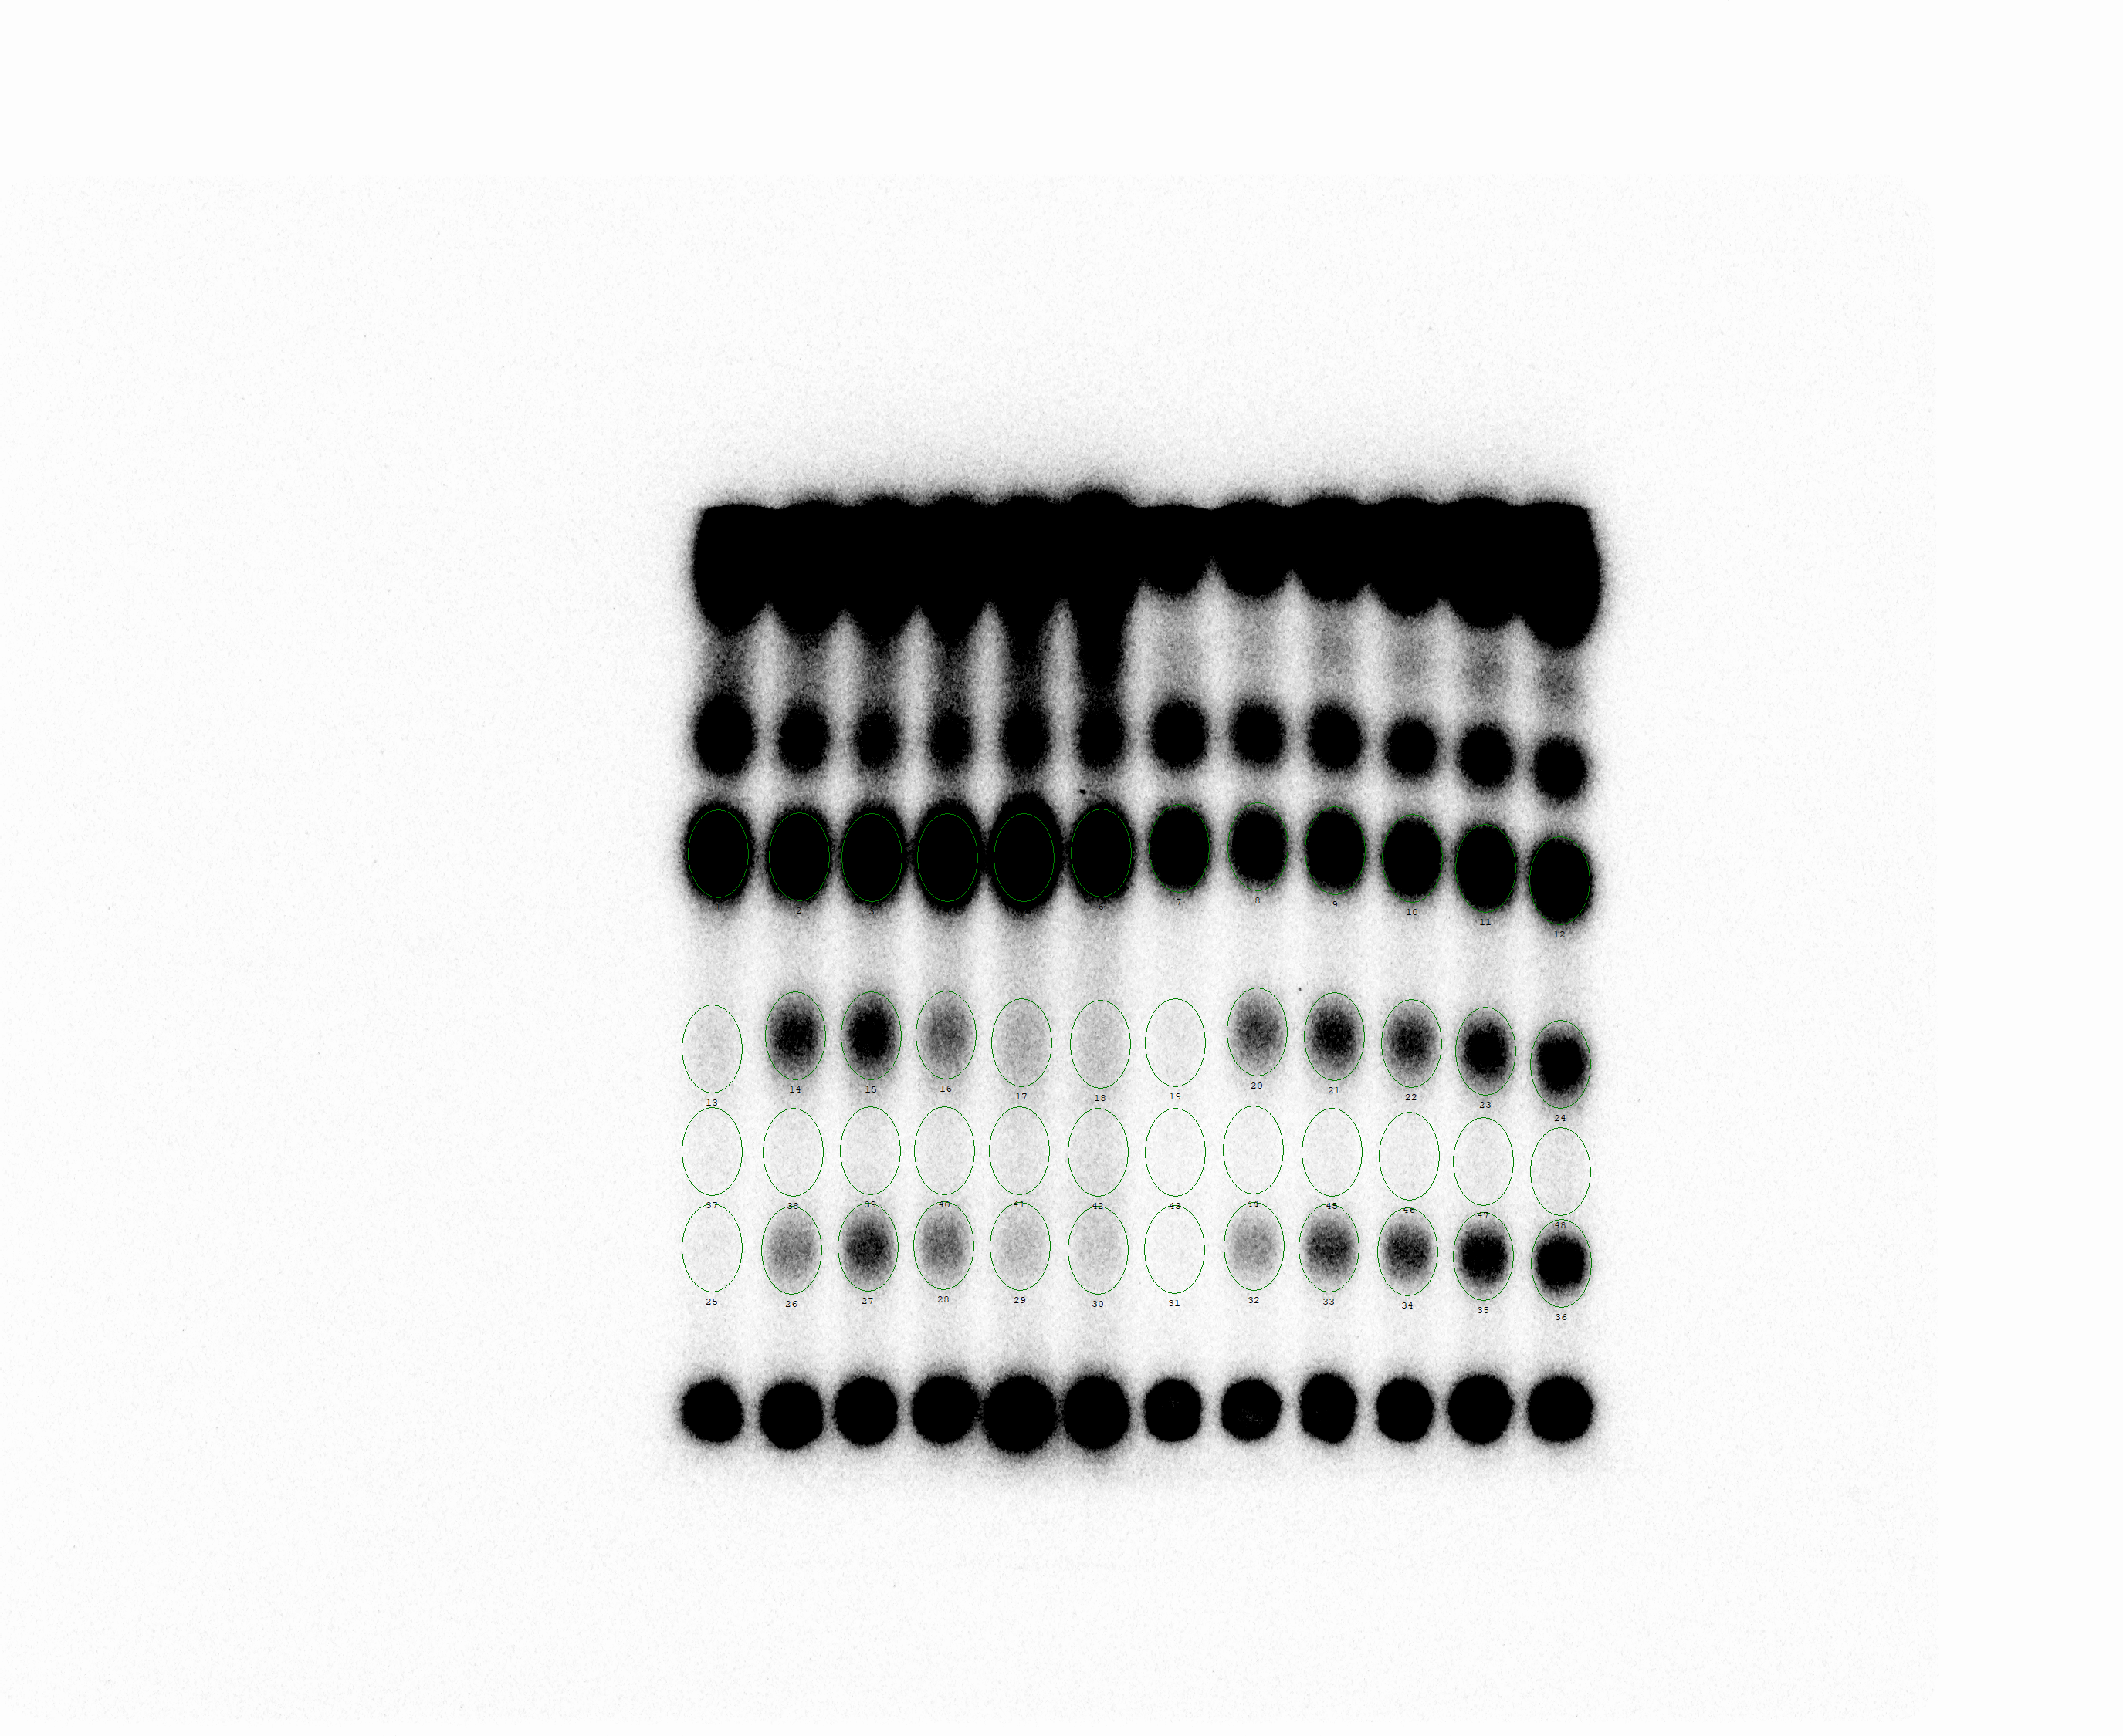

 | pEG25-nirD |  |  |  |  |  | pEG25-nirDE50K
 | 0 | 15 | 30 | 35 | 45 | 60 | 0 | 15 | 30 | 35 | 45 | 60
GTP | 892.24 | 730.09 | 890.40 | 1211.76 | 1632.56 | 863.63 | 529.93 | 381.86 | 492.39 | 481.70 | 623.78 | 689.10
ppGpp | 31.82 | 174.95 | 202.39 | 113.21 | 64.49 | 49.12 | 20.47 | 119.10 | 158.75 | 141.88 | 195.74 | 239.19
pppGpp | 16.82 | 84.60 | 134.84 | 93.68 | 49.34 | 39.90 | 11.61 | 64.86 | 118.90 | 122.86 | 175.37 | 223.94
Blank | 15.90 | 20.31 | 24.37 | 24.19 | 27.24 | 29.93 | 11.16 | 13.29 | 16.37 | 16.93 | 20.55 | 24.26

(p)ppGpp / Total G =((ppGpp-Blank)+(pppGpp-Blank))/((GTP-Blank)+(ppGpp-Blank)+(pppGpp-Blank))

 | pEG25-nirD |  |  |  |  |  | pEG25-nirDE50K
 | 0 | 15 | 30 | 35 | 45 | 60 | 0 | 15 | 30 | 35 | 45 | 60
(p)ppGpp / Total G | 0.02 | 0.24 | 0.25 | 0.12 | 0.04 | 0.03 | 0.02 | 0.30 | 0.34 | 0.33 | 0.35 | 0.38

22/08/2020

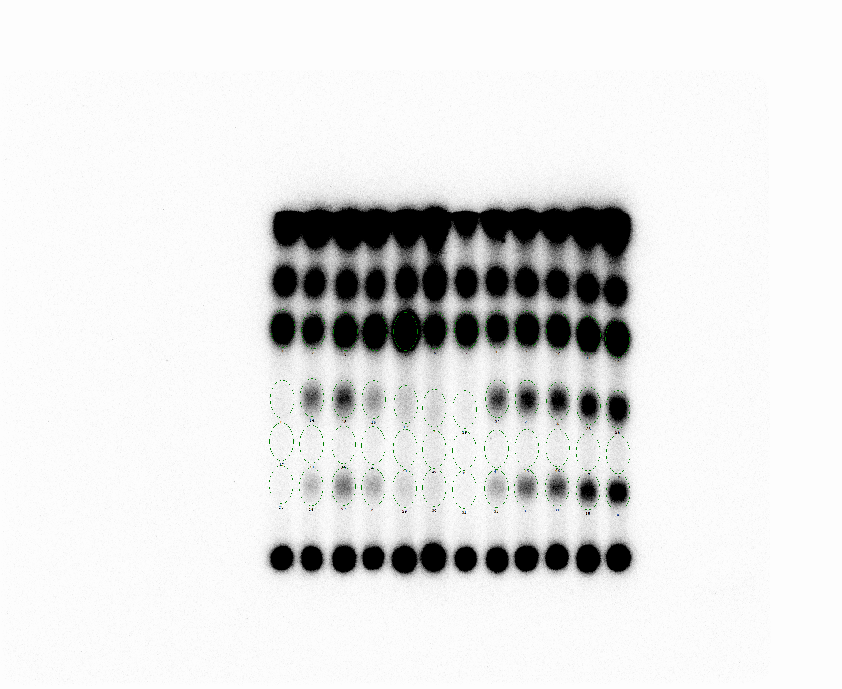

 | pEG25-nirD |  |  |  |  |  | pEG25-nirDE50K
 | 0 | 15 | 30 | 35 | 45 | 60 | 0 | 15 | 30 | 35 | 45 | 60
GTP | 568.50 | 394.16 | 562.17 | 671.13 | 1273.83 | 475.56 | 523.70 | 398.89 | 549.97 | 630.00 | 750.20 | 862.90
ppGpp | 20.85 | 120.64 | 158.24 | 78.62 | 53.15 | 41.16 | 21.32 | 138.47 | 177.96 | 191.88 | 233.55 | 286.28
pppGpp | 12.85 | 47.60 | 92.14 | 58.36 | 38.07 | 31.71 | 13.55 | 56.53 | 106.94 | 131.25 | 170.83 | 228.80
Blank | 13.09 | 16.63 | 21.07 | 19.72 | 22.81 | 25.92 | 12.31 | 17.98 | 21.61 | 22.95 | 26.95 | 30.31

(p)ppGpp / Total G =((ppGpp-Blank)+(pppGpp-Blank))/((GTP-Blank)+(ppGpp-Blank)+(pppGpp-Blank))

 | pEG25-nirD |  |  |  |  |  | pEG25-nirDE50K
 | 0 | 15 | 30 | 35 | 45 | 60 | 0 | 15 | 30 | 35 | 45 | 60
(p)ppGpp / Total G | 0.01 | 0.26 | 0.28 | 0.13 | 0.04 | 0.04 | 0.02 | 0.29 | 0.31 | 0.31 | 0.33 | 0.35

Means

 | pEG25-nirD |  |  |  |  |  | pEG25-nirDE50K
 | 0 | 15 | 30 | 35 | 45 | 60 | 0 | 15 | 30 | 35 | 45 | 60
(p)ppGpp / Total G | 0.02 | 0.25 | 0.26 | 0.13 | 0.04 | 0.04 | 0.02 | 0.30 | 0.33 | 0.32 | 0.34 | 0.37

SDs

 | pEG25-nirD |  |  |  |  |  | pEG25-nirDE50K
 | 0 | 15 | 30 | 35 | 45 | 60 | 0 | 15 | 30 | 35 | 45 | 60
(p)ppGpp / Total G | 0.01 | 0.01 | 0.01 | 0.01 | 0.00 | 0.01 | 0.01 | 0.01 | 0.01 | 0.01 | 0.01 | 0.02

