Figure 1-figure supplement 1
 | N-tat | H-tat
pH7 | 1 | 1
pH4 | 1 | 1
pH7 | 3.0426829268 | 3.3154362416
pH5 | 16.820895522 | 13.828358209
pH7 | 2.9983633388 | 2.9269521411
pH4 | 19.927169094 | 23.697867299
pH7 | 28.612111293 | 29.057934509
pH4 | 25.274224193 | 28.565165877
 |  | Ratio
 |  | N-tat | H-tat
Empty | pH7 | 1 | 1
 | pH4 | 1 | 1
VSV | pH7 | 3.0426829268 | 3.3154362416
 | pH5 | 16.820895522 | 13.828358209
CCHF | pH7 | 2.9983633388 | 2.9269521411
 | pH4 | 19.927169094 | 23.697867299
HBV | pH7 | 28.612111293 | 29.057934509
 | pH4 | 25.274224193 | 28.565165877

 | N-tat | H-tat
pH7 | 1 | 1
pH4 | 1 | 1
pH7 | 3.4612442631 | 2.9891831406
pH5 | 17.708628006 | 16.163157895
pH7 | 9.3531283139 | 8.2903474903
pH4 | 28.034220532 | 30.613850997
pH7 | 39.086956522 | 36.88957529
pH4 | 37.073193916 | 33.580272823
 |  | Ratio
 |  | N-tat | H-tat
Empty | pH7 | 1 | 1
 | pH4 | 1 | 1
VSV | pH7 | 3.4612442631 | 2.9891831406
 | pH5 | 17.708628006 | 16.163157895
CCHF | pH7 | 9.3531283139 | 8.2903474903
 | pH4 | 28.034220532 | 30.613850997
HBV | pH7 | 39.086956522 | 36.88957529
 | pH4 | 37.073193916 | 33.580272823

 | N-tat | H-tat
pH7 | 1 | 1
pH4 | 1 | 1
pH7 | 8.7306439489 | 8.5974440895
pH5 | 19.367427223 | 22.171394327
pH7 | 13.795986622 | 13.689932886
pH4 | 62.735872236 | 63.165435746
pH7 | 90.85606927 | 79.193848047
pH4 | 81.13882738 | 89.79548198
 |  | Ratio
 |  | N-tat | H-tat
Empty | pH7 | 1 | 1
 | pH4 | 1 | 1
VSV | pH7 | 8.7306439489 | 8.5974440895
 | pH5 | 19.367427223 | 22.171394327
CCHF | pH7 | 13.795986622 | 13.689932886
 | pH4 | 62.735872236 | 63.165435746
HBV | pH7 | 90.85606927 | 79.193848047
 | pH4 | 81.13882738 | 89.79548198

Figure 1-figure supplement 2
 |  | Post-incubation |  |  |  |  |  | Post-treatment
 | time of incubation h | % survie |  |  | ecart type |  |  | % survie |  |  | ecart type
 |  | assay 1 | assay 2 | MOYENNE | assay 1 | assay 2 | MOYENNE | assay 1 | assay 2 | MOYENNE | assay 1 | assay 2 | MOYENNE
No cell control |  | 100 | 100 | 100 | 0 | 0 | 0 | 100 | 100 | 100 | 0 | 0 | 0
Untreated cell control |  | 99.532999514 | 100 | 99.77 | 0 | 0 | 0 | 97.02 | 100 | 98.51 | 0 | 0 | 0
Maximum LDH release control |  | 0 | 0 | 0 | 0 | 0 | 0 | 0 | 0 | 0 | 0 | 0 | 0
DMSO | 24 |  | 100.040 | 100.04 |  | 0.66 | 0.66 |  | 99.92 | 99.92 |  | 0.72 | 0.72
PBS | 24 |  | 101.132 | 101.13 |  | 0.55 | 0.55 |  | 101.42 | 101.42 |  | 1.00 | 1.00
H2O | 24 |  | 101.343 | 101.34 |  | 0.70 | 0.70 |  | 101.59 | 101.59 |  | 0.27 | 0.27
Heparin 100µg/mL | 2 | 99.93 | 100.73 | 100.33 | 0.10 | 0.81 | 0.45 | 98.87 | 102.77 | 100.82 | 0.74 | 1.60 | 1.17
Heparin 200µg/mL | 2 | 100.65 | 100.63 | 100.64 | 0.21 | 1.50 | 0.85 | 99.07 | 102.24 | 100.65 | 0.71 | 1.72 | 1.22
Heparin 400µg/mL | 2 | 102.40 | 98.77 | 100.59 | 1.81 | 0.54 | 1.18 | 97.46 | 103.03 | 100.24 | 0.70 | 0.86 | 0.78
DTNB 0.5mM | 24 | 97.07 | 100.61 | 98.84 | 0.08 | 1.77 | 0.93 | 100.30 | 100.36 | 100.33 | 1.06 | 1.31 | 1.18
DTNB 1mM | 24 | 100.73 | 99.80 | 100.27 | 0.34 | 1.95 | 1.14 | 100.53 | 99.64 | 100.08 | 0.22 | 0.41 | 0.31
DTNB 2mM | 24 | 100.17 | 100.388 | 100.28 | 0.28 | 1.41 | 0.85 | 100.60 | 100.51 | 100.55 | 0.99 | 0.38 | 0.69
NTZ 30ug/mL | 24 | 100.11 | 98.77 | 99.44 | 0.46 | 2.95 | 1.70 | 96.41 | 98.87 | 97.64 | 0.64 | 0.92 | 0.78
EGCG 5µM | 24 | 99.30 | 99.90 | 99.60 | 0.10 | 2.43 | 1.27 | 99.33 | 100.73 | 100.03 | 0.10 | 0.63 | 0.37
Rutin 5µM | 24 | 98.98 | 102.70 | 100.84 | 0.06 | 1.66 | 0.86 | 99.43 | 101.44 | 100.44 | 0.44 | 0.35 | 0.40
Bacitracin 5mM | 24 | 92.97 | 98.87 | 95.92 | 1.21 | 0.58 | 0.90 | 95.74 | 102.71 | 99.22 | 6.39 | 0.57 | 3.48
PX-12 30µg/mL | 24 | 100.71 | 88.85 | 94.78 | 0.49 | 1.16 | 0.82 | 98.79 | 99.60 | 99.20 | 0.66 | 2.75 | 1.71

 |  | Post-incubation | Post-treatment
 | time of incubation h | % survie | % survie
No cell control |  | 100.00 | 100.00
Untreated cell control |  | 99.77 | 98.51
Maximum LDH release control |  | 0.00 | 0.00
DMSO | 24 | 100.04 | 99.92
PBS | 24 | 101.13 | 101.42
H2O | 24 | 101.34 | 101.59
Heparin 100µg/mL | 2 | 100.33 | 100.82
Heparin 200µg/mL | 2 | 100.64 | 100.65
Heparin 400µg/mL | 2 | 100.59 | 100.24
DTNB 0.5mM | 24 | 98.84 | 100.33
DTNB 1mM | 24 | 100.27 | 100.08
DTNB 2mM | 24 | 100.28 | 100.55
NTZ 30ug/mL | 24 | 99.44 | 97.64
EGCG 5µM | 24 | 99.60 | 100.03
Rutin 5µM | 24 | 100.84 | 100.44
Bacitracin 5mM | 24 | 95.92 | 99.22
PX-12 30µg/mL | 24 | 94.78 | 99.20

Figure 1-figure supplement 3
Virus Production
noGP | 8455.0411409
Wt | 6167975952.5
noM | 4372400486.2
Virus Production
 |  |  |  | Mean | std
noGP | 5.13E+03 | 1.04E+04 | 9.80E+03 | 8.46E+03 | 2364.0834827
Wt | 8.48E+09 | 7.27E+08 | 9.30E+09 | 6.17E+09 | 3.86E+09
noM | 5.88E+09 | 3.19E+09 | 4.05E+09 | 4.37E+09 | 1.12E+09

Infectivity
noGP | 13916.533299
Wt | 114184083.91
noM | 44057149.613
Infectivity
 |  |  |  | Mean | std
noGP | 1.10E+03 | 1.43E+03 | 3.92E+04 | 1.39E+04 | 17893.744757
Wt | 9.22E+07 | 1.43E+08 | 1.08E+08 | 1.14E+08 | 2.12E+07
noM | 5.88E+07 | 7.19E+07 | 1.50E+06 | 4.41E+07 | 3.06E+07

Figure 1-figure supplement 4
L | 0.87556279083
M | 1.0813288533
S | 0.95678723441
noM | 1.0072482806
Wt | 1
Murex
Wt
T303C
G308C
TG/CC
L M S noM Wt
Murex
Total protein expression
 |  |  |  |  | Mean | std
 | L | 1.0009269915 | 0.883231296 | 0.742530085 | 0.87556279083 | 0.10562936713
 | M | 1.1232964019 | 1.13536962 | 0.9853205381 | 1.0813288533 | 0.06806682057
 | S | 0.97094044921 | 0.954185871 | 0.94523538303 | 0.95678723441 | 0.010654042286
 | noM | 1.1624189605 | 0.995892437 | 0.86343344438 | 1.0072482806 | 0.1223241625
 | Wt | 1 | 1 | 1 | 1 | 0

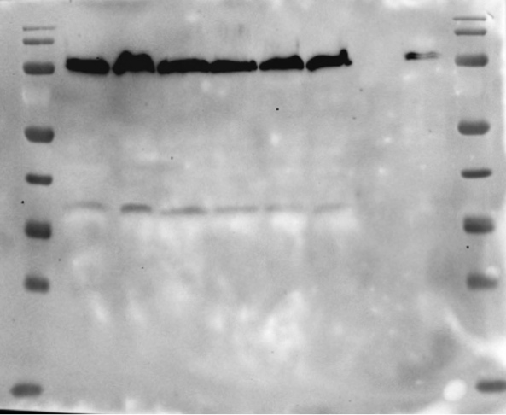
α-Calnexin
Wt
T303C
G308C
TG/CC
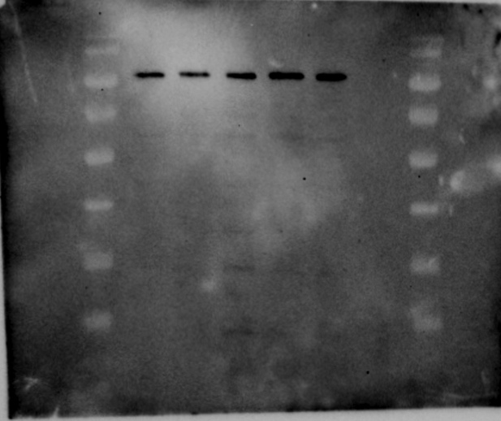
L M S noM Wt
α-Calnexin

wt | 1
T301C | 0.98755844906
G308C | 1.113089759
TG/CC | 1.1346042936
TGCC Total protein expression
 |  |  |  |  | Mean | std
 | wt | 1 | 1 | 1 | 1 | 0
 | T303C | 1.1316030454 | 0.838637293 | 0.99243500874 | 0.98755844906 | 0.11965246523
 | G308C | 1.3530528592 | 0.968182755 | 1.0180336626 | 1.113089759 | 0.17089567066
 | TG/CC | 1.1722430078 | 0.986462662 | 1.245107211 | 1.1346042936 | 0.1088936952

 |  |  |  |  |  |  | the vertical bars correspond to samples that were not used in the part of the study; therefore the lanes were suppressed in the final figure.

Figure 2-figure supplement 1
A

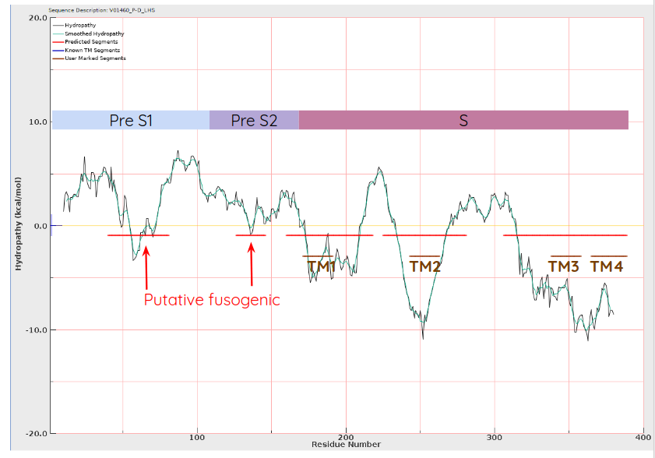
Hydropathy
Smoothed Hydropathy
Predicted segments
Known TM Segments
User Marked Segments

B

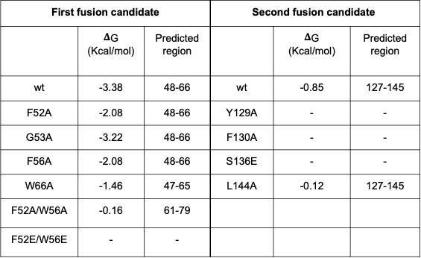

Figure 2-figure supplement 2
peptide PreS1-Total
Wt | 1
F52A | 0.91427633921
G53A | 0.7711179252
F56A | 0.82047692024
W66A | 0.79706453738
FW/AA | 0.77628665327
FW/EE | 0.80330446729
Figure 2-figure supplement 2A and 2B
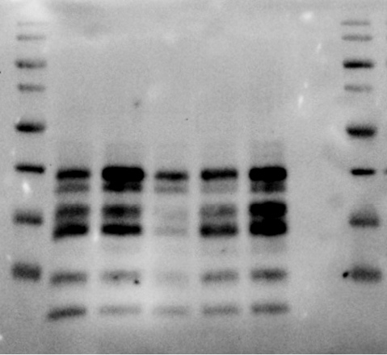
Murex
Wt
F130A
S136E
L144A
Y129A
Pres1 Total protein expression
 |  |  |  |  | Mean | std
 | Wt | 1 | 1 | 1 | 1 | 0
Wt
G53A
F56A
W66A
FW/AA
FW/EE
F52A
Murex
 | F52A | 0.78298038962 | 0.84467421975 | 1.1151744083 | 0.91427633921 | 0.14427186786
 | G53A | 0.60287431747 | 0.749585036 | 0.96089442214 | 0.7711179252 | 0.14695202806
 | F56A | 0.77342957598 | 0.76945355139 | 0.91854763334 | 0.82047692024 | 0.069365460997
 | W66A | 0.87435257646 | 0.70485732096 | 0.81198371474 | 0.79706453738 | 0.069995698913
 | FW/AA | 0.76650086143 | 0.66319237156 | 0.89916672681 | 0.77628665327 | 0.096584316789
 | FW/EE | 0.74968486204 | 0.76438350424 | 0.89584503558 | 0.80330446729 | 0.065710628801

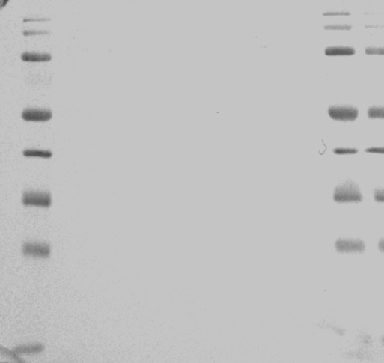
α-Calnexin
Wt
F130A
S136E
L144A
Y129A
Wt
G53A
F56A
W66A
FW/AA
FW/EE
F52A
α-Calnexin

peptide PreS2-Total
Wt | 1
Y129A | 0.84423186086
F130A | 0.79091701626
S136E | 0.82734637652
L144A | 0.85321090247
Pres2 Total protein expression
 |  |  |  |  | Mean | std
 | Wt | 1 | 1 | 1 | 1 | 0
 | Y129A | 0.93633877589 | 0.734229447 | 0.8621273597 | 0.84423186086 | 0.083475472905
 | F130A | 0.68593308297 | 0.791303298 | 0.89551466782 | 0.79091701626 | 0.085561759711
 | S136E | 0.83195387471 | 0.696657012 | 0.95342824286 | 0.82734637652 | 0.10487703285
 | L144A | 0.90853148083 | 0.694486798 | 0.95661442858 | 0.85321090247 | 0.11393857547

Figure 2-figure supplement 2C and 2D

Murex
Wt
F130A
S136E
L144A
Y129A
Wt
G53A
F56A
W66A
FW/AA
FW/EE
F52A
Murex

Wt
G53A
F56A
W66A
FW/AA
FW/EE
F52A
α-Calnexin
α-Calnexin
Wt
F130A
S136E
L144A
Y129A

Figure 3-figure supplement 1
Infectivity in DTNB at 0h and 16h

 | 20190506 | 20190620 | 20190805 | 20200804 | 20200807 | mean | std
 | 0H
0 mM | 6.46E+05 | 2.04E+06 | 1.66E+06 | 1.75E+06 | 2.11E+06 | 1.64E+06 | 525379.36712
0.125 mM | 4.32E+05 |  |  | 6.37E+05 | 1.23E+06 | 7.66E+05 | 337307.44165
0.25 mM | 8.35E+04 |  |  | 3.30E+05 | 3.34E+05 | 2.49E+05 | 117088.10143
0.5 mM | 4.23E+04 |  |  | 1.27E+05 | 2.27E+05 | 1.32E+05 | 75565.238034
1 mM | 4.71E+03 | 4.84E+03 | 5.67E+03 | 3.95E+04 | 3.56E+04 | 1.81E+04 | 15958.426043

 | 20190506 | 20190620 | 20190805 | 20200804 | 20200807 | mean | std
 | 16H
0 mM | 6.16E+05 | 2.04E+06 | 1.66E+06 | 1.25E+06 | 1.95E+06 | 1.51E+06 | 523780.96215
0.125 mM | 5.06E+05 |  |  | 2.74E+06 | 1.43E+06 | 1.56E+06 | 916857.64946
0.25 mM | 2.40E+05 |  |  | 1.80E+06 | 3.67E+06 | 1.90E+06 | 1401659.6495
0.5 mM | 8.09E+05 |  |  | 1.95E+06 | 2.66E+06 | 1.80E+06 | 761155.16436
1 mM | 8.45E+05 | 1.10E+06 | 1.33E+06 | 1.75E+06 | 1.33E+06 | 1.27E+06 | 297293.15688

 | 0H | 16H
0 mM | 1642361.0748 | 1505032.3019
0.125 mM | 765706.64277 | 1559723.3666
0.25 mM | 249048.49597 | 1901483.0824
0.5 mM | 132158.99541 | 1562197.7773
1 mM | 18059.680518 | 1119756.6879

 | mean |  | STD
DTNB | 0H | 16H | 0H | 16H
0 mM | 1.64E+06 | 1.51E+06 | 525379.36712 | 523780.96215
0.125 mM | 7.66E+05 | 1.56E+06 | 337307.44165 | 916857.64946
0.25 mM | 2.49E+05 | 1.90E+06 | 117088.10143 | 1401659.6495
0.5 mM | 1.32E+05 | 1.56E+06 | 75565.238034 | 1086599.9496
1 mM | 1.81E+04 | 1.12E+06 | 15958.426043 | 557507.8177

Figure 7-figure supplement 1
Figure 7-figure supplement 1B
Figure 7-figure supplement 1C
Figure 7-figure supplement 1A

100
130
α-Calnexin
sh3/4 NT
sh1 sh2 NT
sh1 sh2 NT
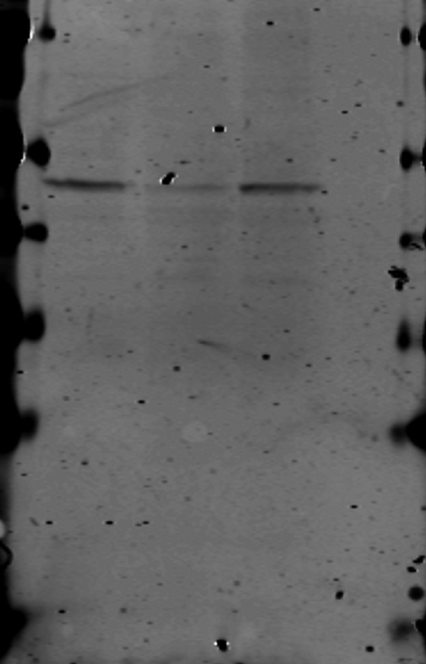
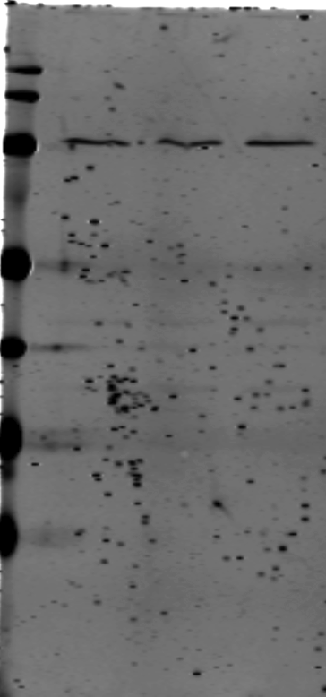
α-ERp57
75
55
45
sh3 sh4 NT
α-Calnexin
130
100
sh3 sh4 NT
75
55
100
α-ERp72
sh3/4 NT
α-Calnexin
130
55
100
α-ERp46
45

35

Figure 9-figure supplement 1
kinetics inhnitors

 | DMSO | NTZ
2h- | 1935318.7538 | 72774.592732
0h | 1556646.4047 | 37164.126277
4h+ | 4274480.3436 | 5008615.2473
16h+ | 3468367.3186 | 3555979.5221
 |  | mean |  | std
 |  | DMSO | NTZ | DMSO | NTZ
2019.10.09 | 2h- | 1.94E+06 | 7.28E+04 | 1.11E+04 | 2.62E+04
2019.09.24 | 0h | 1.56E+06 | 3.72E+04 | 3.92E+04 | 2.75E+04
2019.10.09 | 4h+ | 4.27E+06 | 5.01E+06 | 8.59E+06 | 2.77E+05
2019.08.20 | 16h+ | 3.47E+06 | 3.56E+06 | 1.88E+06 | 1.23E+06

Group #1: HBV-DMSO
 | 211 / 050 | 785 | 722 | 532 | 229
P0 | 1.9393150927 | 309.31367203 | 428.44494117 | 219.45989692 | 95.036558922
P1 | 2305.2970367 | 16.423595574 | 926.65502259 | 7184.9901525 | 11606.420121
P2 | 28305.210354 | 282.53049712 | 15748.81833 | 8942939.3376 | 115384.58255
P3 | 10055261.68 | 231.24172517 | 5213630.2145 | 4223426.4688 | 14543128.188
HBV-DMSO
 | P0 | P1 | P2 | P3
211 / 050 | 1.94E+00 | 2.31E+03 | 2.83E+04 | 1.01E+07
785 | 3.09E+02 | 1.64E+01 | 2.83E+02 | 2.31E+02
722 | 4.28E+02 | 9.27E+02 | 1.57E+04 | 5.21E+06
532 | 2.19E+02 | 7.18E+03 | 8.94E+06 | 4.22E+06
229 | 9.50E+01 | 1.16E+04 | 1.15E+05 | 1.45E+07
Mean | 2.11E+02 | 4.41E+03 | 1.82E+06 | 6.81E+06
std | 151.11135645 | 4367.0583339 | 3561427.8409 | 5018857.7104
HBV_NTZ
 | P0 | P1 | P2 | P3
585 | 5.97E+01 | 2.14E+03 | 2.35E+02 | 3.66E+06
249 | 5.02E+02 | 2.75E+03 | 1.85E+03 | 8.48E+06
Group #2: HBV-NTZ
 | 585 | 249 | 711 | 509 | 232
P0 | 59.734542643 | 502.31326123 | 533.60240011 | 59.125849579 | 90.791815201
P1 | 2135.2105716 | 2748.6597856 | 237.9928221 | 133.82167846 | 434.28264247
P2 | 235.2991711 | 1849.5717488 | 63.95400019 | 2243.6618434 | 706.46334389
P3 | 3655393.7925 | 8480643.4057 | 329323.04794 | 889.26160117 | 1634925.7675
711 | 5.34E+02 | 2.38E+02 | 6.40E+01 | 3.29E+05
509 | 5.91E+01 | 1.34E+02 | 2.24E+03 | 8.89E+02
232 | 9.08E+01 | 4.34E+02 | 7.06E+02 | 1.63E+06
Mean | 2.49E+02 | 1.14E+03 | 1.02E+03 | 2.82E+06
std | 220.03159139 | 1086.4859879 | 873.34093598 | 3107926.1333

NTZ
 | P0 | P1 | P2 | P3
522 / 002 | 2.89E+02 | 1.62E+01 | 2.65E+01 | 5.17E+01
377 | 2.89E+01 | 2.62E+01
795 | 4.78E+01 | 2.80E+01 | 5.76E+01 | 5.21E+00
530 | 1.26E+02 | 6.77E+01
Mean | 1.23E+02 | 3.45E+01 | 4.20E+01 | 2.85E+01
std | 102.62777828 | 19.693602645 | 15.550575397 | 23.264983412
Group #3: NTZ
 | 522 / 002 | 377 | 795 | 530
P0 | 289.14334882 | 28.883686446 | 47.787069434 | 126.37260349
P1 | 16.173729136 | 26.206937412 | 28.025032094 | 67.738604758
P2 | 26.492418884 |  | 57.593569677
P3 | 51.738892839 |  | 5.2089260159

DMSO
 | P0 | P1 | P2 | P3
245 | 6.19E+01 | 3.19E+01 | 1.21E+01
546 | 7.01E+01 | 7.96E+01 | 3.41E+01 | 2.90E+01
510 | 1.16E+02 | 1.09E+01 | 5.19E+01 | 6.29E+01
Mean | 8.27E+01 | 4.08E+01 | 3.27E+01 | 4.60E+01
std | 23.85167031 | 28.745583938 | 16.25647149 | 16.95162748

Group #4: DMSO
 | 245 | 546 | 510
P0 | 61.887303142 | 70.121360676 | 116.09634741
P1 | 31.902562165 | 79.613813286 | 10.912718957
P2 | 12.111836772 | 34.064819564 | 51.859456122
P3 |  | 29.010996116 | 62.914251076

