Overall_values_Palau
Variables | PalauNorth | PalauSouth | Aimeliik |  | PalauNorth | PalauSouth | Aimeliik | Outside
Major 1, Lat | 7.9527777778 | 7.43 | 7.505 | %Days Bleached Inside | 3.3759124088 | 3.558394161 | 3.3338701884
Major 1, Long | 134.54444444 | 134.43 | 134.444 | %Days>29.5 Inside | 27.874087591 | 37.75851582 | 36.253825093 | 32.101581509
Major 2, Lat | 7.8422222222 | 7.19 | 7.448 | %Days>30 Inside | 9.7931873479 | 17.01642336 | 15.493638267 | 11.602798054
Major 2, Long | 134.64083333 | 134.29 | 134.4 | %Days>30.5 Inside | 1.9616788321 | 4.562043796 | 3.9136736995 | 2.1289537713
Minor 1, Lat | 7.9333333333 | 7.35 | 7.49 | %Days>31 Inside | 0.25851581509 | 0.684306569 | 0.46706393944 | 0.31934306569
Minor 1, Long | 134.63777778 | 134.316 | 134.41 | %days bleach inside using outside MMM | 2.8436739659 | 4.957420925 | 3.8653567402 | 3.4367396594
Minor 2, Lat | 7.87 | 7.3 | 7.47 | Degree Days Inside | 302.75352333 | 318.688664 | 293.73315289 | 308.45370679
Minor 2, Long | 134.55416667 | 134.41 | 134.436 | Max Mean Summer Monthly Inside (Celsius) | 29.859968675 | 30.05813746 | 30.004227287 | 29.907992343
Center, Lat | 7.8995833333 | 7.3175 | 7.47825 | Average Run Length Inside (Days) | 5.6625 | 5.325842697 | 5.3053892216 | 5
Center, Long | 134.59430556 | 134.3615 | 134.4225 | Average Degree Days/ Run Inside | 1.8922095208 | 1.790385753 | 1.758881155 | 1.7136317044
Longitude Shift | 0.2 | 0.4 | 0.4 | Multi Day Runs Inside | 125 | 147 | 126 | 130
Bleaching Threshold (Celsius) | 0.5 | 0.5 | 0.5
Degree Day Threshold | 0 | 0 | 0
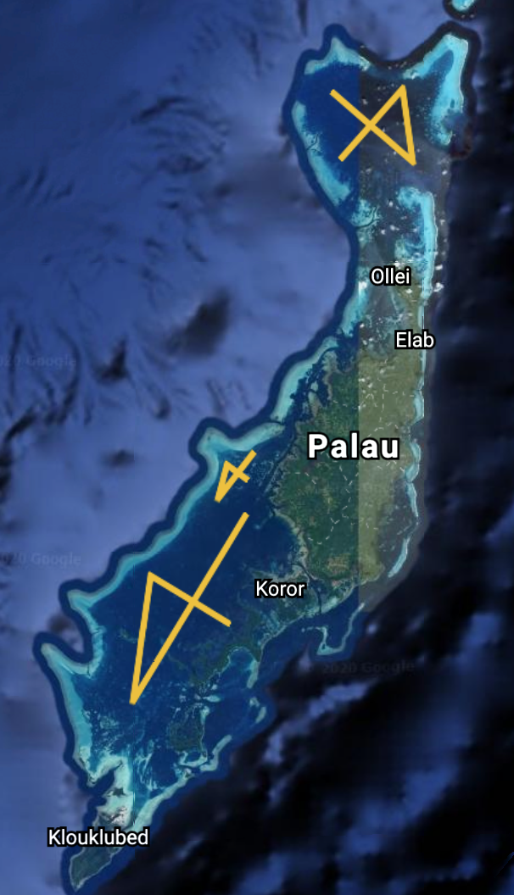
#of Days Inside | 6576 | 6576 | 6209
#of Days Outside | 6576 | 6576 | 6209
%Days Bleached Inside | 3.3759124088 | 3.558394161 | 3.3338701884
%Days Bleached Outside | 3.4367396594 | 3.193430657 | 3.1728136576
%Days>29.5 Inside | 27.874087591 | 37.75851582 | 36.253825093
%Days>29.5 Outside | 32.101581509 | 33.24209246 | 33.20985666
%Days>30 Inside | 9.7931873479 | 17.01642336 | 15.493638267
%Days>30 Outside | 11.602798054 | 12.72810219 | 13.528748591
%Days>30.5 Inside | 1.9616788321 | 4.562043796 | 3.9136736995
%Days>30.5 Outside | 2.1289537713 | 2.843673966 | 2.7540666774
%Days>31 Inside | 0.25851581509 | 0.684306569 | 0.46706393944
%Days>31 Outside | 0.31934306569 | 0.334549878 | 0.22547914318
%days bleach inside using outside MMM | 2.8436739659 | 4.957420925 | 3.8653567402
Degree Days Inside | 302.75352333 | 318.688664 | 293.73315289
Degree Days Outside | 308.45370679 | 307.3682641 | 284.09141462
Degree Days Inside using outside MMM | 261.42541874 | 433.6034028 | 326.92812005
Max Mean Summer Monthly Inside (Celsius) | 29.859968675 | 30.05813746 | 30.004227287
Max Mean Summer Monthly Outside (Celsius) | 29.907992343 | 29.94875461 | 29.968116721
Average Run Length Inside (Days) | 5.6625 | 5.325842697 | 5.3053892216
Average Run Length Outside (Days) | 5 | 5.63253012 | 5.4390243902
Average Run Length Inside using outside MMM (Days) | 5.2792207792 | 5.776119403 | 5.395480226
Average Degree Days/ Run Inside | 1.8922095208 | 1.790385753 | 1.758881155
Average Degree Days/ Run Outside | 1.7136317044 | 1.851616049 | 1.7322647233
Average Degree Days/ Run Inside using outside MMM | 1.6975676542 | 2.15723086 | 1.8470515257
Multi Day Runs Inside | 125 | 147 | 126
Multi Day Runs Outside | 130 | 132 | 133
Multi Day Runs Inside using outside MMM | 116 | 166 | 140
Ellipse Area (Functional, sq.km) | 148.87585446 | 286.2690572 | 22.856848777
Ellipse Area (Points, sq.km) | 146.6199 | 289.5435 | 20.9457

