HH20e2
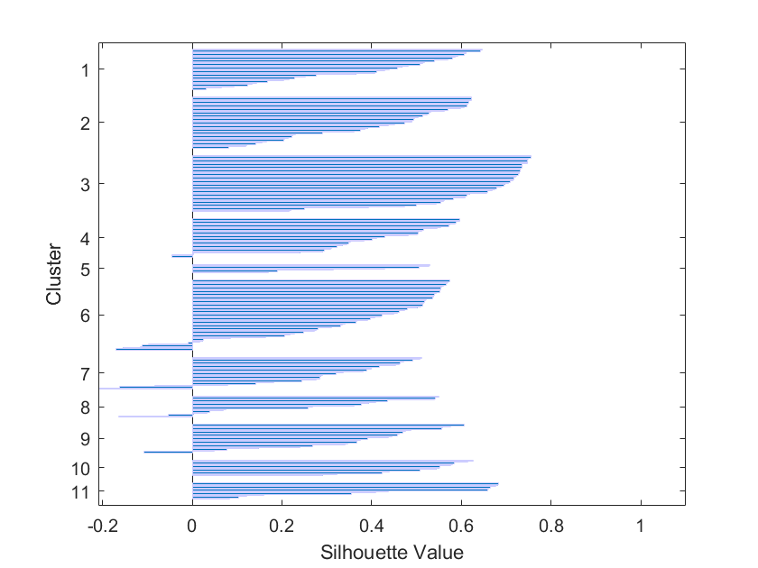
ALL CELLS |  |  |  |  |  |  |  | Non clone cells (silhouette <0.4) |  |  |  |  |  |  |  |  | Clone cells (silhouette >0.4)
Cell Type | Cell ID | C1 | C2 | C3 | Y | Clone nb (idx11) | silhouette_idx11 | Cell Type | Cell ID | C1 | C2 | C3 | Y | Clone nb | silhouette_idx11 | Axis level | Cell Type | Cell ID | C1 | C2 | C3 | Y | Clone nb | silhouette_idx11 | Axis level | Assigned Clone type
1 | 1 | 59.124304135 | 18.282512878 | 22.593182986 | 3400.59 | 2 | 0.48930569564 | 2 | 3 | 37.737122291 | 22.134329726 | 40.128547983 | 153.75 | 7 | -0.20915162206 | 4.4982445875 | 1 | 38 | 67.203067119 | 19.250860873 | 13.546072008 | 1576.12 | 1 | 0.40781618633 | 46.112346401 | NM
1 | 2 | 62.290618309 | 18.69834105 | 19.011040641 | 3406.24 | 2 | 0.41769588762 | 2 | 104 | 3.6073894211 | 73.320394733 | 23.072215846 | 389.41 | 6 | -0.16977956994 | 11.392919836 | 2 | 72 | 69.197575647 | 15.347810339 | 15.454614014 | 3322.94 | 1 | 0.41049083333 | 97.218841428
1 | 3 | 60.207356126 | 19.225564842 | 20.567079031 | 3406.31 | 2 | 0.61216756585 | 1 | 11 | 41.015458918 | 31.938908376 | 27.045632706 | 2826.33 | 8 | -0.16477425102 | 82.689584552 | 1 | 43 | 65.12884249 | 17.871616536 | 16.999540974 | 1280.2 | 1 | 0.42982546722 | 37.454651843
1 | 4 | 58.753065244 | 16.804737136 | 24.44219762 | 3407.77 | 2 | 0.2300472079 | 2 | 55 | 40.150686171 | 17.083650667 | 42.765663162 | 2404.85 | 7 | -0.16103682846 | 70.358396723 | 2 | 68 | 68.998001785 | 14.76595337 | 16.236044845 | 3370.26 | 1 | 0.43840873591 | 98.60327677
1 | 5 | 63.447023073 | 17.528040338 | 19.024936589 | 3417.33 | 2 | 0.22312005561 | 2 | 170 | 4.7788961514 | 72.776249901 | 22.444853948 | 3084.73 | 6 | -0.15478567859 | 90.249561147 | 2 | 86 | 65.220085298 | 17.921463017 | 16.858451685 | 3316.36 | 1 | 0.45665724373 | 97.026331188
1 | 6 | 56.9674033 | 16.150838781 | 26.881757918 | 3414.48 | 9 | 0.26882334986 | 2 | 137 | 2.6291931097 | 41.44090262 | 55.929904271 | 2517.53 | 6 | -0.1158932519 | 73.655061439 | 1 | 80 | 65.7 | 17.0 | 17.3 | 478.69 | 1 | 0.46826528571 | 14.004973669
1 | 7 | 38.504785063 | 44.121636398 | 17.37357854 | 2816.96 | 11 | 0.082911681248 | 2 | 101 | 2.6157741302 | 73.415568028 | 23.968657842 | 403.86 | 6 | -0.11225450971 | 11.815681685 | 2 | 99 | 65.224017742 | 18.430607867 | 16.345374391 | 381.85 | 1 | 0.48103207212 | 11.171737858
1 | 8 | 37.79185016 | 43.229790131 | 18.978359709 | 2817.62 | 8 | -0.053716930272 | 1 | 14 | 57.486110139 | 18.4912786 | 24.022611261 | 2135 | 9 | -0.10806795251 | 62.463428906 | 2 | 65 | 68.406822679 | 16.493782506 | 15.099394815 | 3369.74 | 1 | 0.50821452199 | 98.588063195
1 | 9 | 27.486270268 | 43.813369937 | 28.700359795 | 2830.24 | 8 | 0.5492138558 | 2 | 97 | 3.0830551042 | 73.174302756 | 23.74264214 | 333.85 | 6 | -0.097431949318 | 9.7674078408 | 2 | 78 | 65.399256398 | 18.602593055 | 15.998150547 | 3308.16 | 1 | 0.51404395154 | 96.78642481
1 | 10 | 29.167579012 | 42.85809487 | 27.974326118 | 2834.4 | 8 | 0.54028738847 | 2 | 4 | 39.370916129 | 17.550347788 | 43.078736084 | 149.05 | 7 | -0.083293826279 | 4.3607372733 | 2 | 79 | 66.987149671 | 15.564551805 | 17.448298524 | 3308.82 | 1 | 0.51780047318 | 96.805734348
1 | 11 | 41.015458918 | 31.938908376 | 27.045632706 | 2826.33 | 8 | -0.16477425102 | 1 | 8 | 37.79185016 | 43.229790131 | 18.978359709 | 2817.62 | 8 | -0.053716930272 | 82.434757168 | 1 | 40 | 65.698224408 | 19.247721862 | 15.05405373 | 1167.07 | 1 | 0.53910718816 | 34.144821533
1 | 12 | 35.177958364 | 50.17366691 | 14.648374726 | 2801.69 | 8 | 0.0385067797 | 1 | 22 | 49.969565453 | 18.232008002 | 31.798426545 | 1936.28 | 4 | -0.046084933123 | 56.649502633 | 1 | 47 | 67.703909544 | 17.407026051 | 14.889064405 | 1293.85 | 1 | 0.57058833191 | 37.854008192
1 | 13 | 52.024509491 | 18.471166835 | 29.504323674 | 2112.45 | 9 | 0.46899971408 | 2 | 58 | 48.118438893 | 22.214464137 | 29.66709697 | 3317.93 | 4 | -0.045517605328 | 97.072264482 | 1 | 78 | 67.629360923 | 17.425283333 | 14.945355744 | 613.89 | 1 | 0.58020483537 | 17.960503218
1 | 14 | 57.486110139 | 18.4912786 | 24.022611261 | 2135 | 9 | -0.10806795251 | 2 | 181 | 17.485335913 | 66.049867973 | 16.464796114 | 3364 | 6 | -0.0099558912247 | 98.42012873 | 2 | 85 | 67.736677561 | 16.969014491 | 15.294307948 | 3313.46 | 1 | 0.58621452691 | 96.941486249
1 | 15 | 46.142504627 | 20.297837848 | 33.559657524 | 2160.79 | 4 | 0.50416912542 | 1 | 21 | 50.388879166 | 16.931569868 | 32.679550966 | 1949.66 | 4 | 0.0021808251046 | 57.040959626 | 2 | 63 | 66.125401244 | 17.694494007 | 16.180104748 | 3377.49 | 1 | 0.59259891748 | 98.814803979
1 | 16 | 47.301346845 | 17.878618508 | 34.820034647 | 2139.85 | 4 | 0.48194391293 | 1 | 102 | 17.7 | 53.3 | 29.0 | 454.31 | 8 | 0.0036887708611 | 13.291691047 | 1 | 67 | 66.2 | 18.1 | 15.8 | 691.48 | 1 | 0.60699746599 | 20.230544178
1 | 17 | 25.004767154 | 25.636370725 | 49.358862121 | 2129.93 | 7 | 0.47173320219 | 2 | 132 | 5.9623086074 | 71.445318751 | 22.592372641 | 1552.64 | 6 | 0.016527777074 | 45.425394968 | 2 | 81 | 66.729557847 | 18.311791945 | 14.958650207 | 3323.31 | 1 | 0.61015645451 | 97.229666472
1 | 18 | 26.813772849 | 28.165030017 | 45.021197133 | 2157.73 | 7 | 0.38019058923 | 2 | 151 | 3.0286997698 | 72.641409759 | 24.329890471 | 2871.44 | 6 | 0.024043275376 | 84.0093622 | 2 | 82 | 67.042590439 | 17.996228664 | 14.961180898 | 3351.69 | 1 | 0.61056568282 | 98.059976594
1 | 19 | 37.149227791 | 26.40875074 | 36.442021469 | 2144.14 | 4 | 0.29456694412 | 2 | 153 | 4.5972265547 | 72.012591101 | 23.390182344 | 2896.36 | 6 | 0.025601781343 | 84.738443534 | 1 | 61 | 66.914683578 | 17.548252165 | 15.537064257 | 926.16 | 1 | 0.64283490772 | 27.096547689
1 | 20 | 45.066713375 | 20.796995901 | 34.136290724 | 2039.48 | 4 | 0.55461936391 | 1 | 75 | 69.185534398 | 18.17388595 | 12.640579652 | 720.28 | 1 | 0.031137791923 | 21.073142188 | 2 | 77 | 66.782198582 | 17.448794653 | 15.769006765 | 3270.37 | 1 | 0.64661475425 | 95.68080749
1 | 21 | 50.388879166 | 16.931569868 | 32.679550966 | 1949.66 | 4 | 0.0021808251046 | 1 | 85 | 36.8 | 44.9 | 18.4 | 375.05 | 8 | 0.032261679989 | 10.972791106 | 1 | 2 | 62.290618309 | 18.69834105 | 19.011040641 | 3406.24 | 2 | 0.41769588762 | 99.655939146 | NM
1 | 22 | 49.969565453 | 18.232008002 | 31.798426545 | 1936.28 | 4 | -0.046084933123 | 1 | 12 | 35.177958364 | 50.17366691 | 14.648374726 | 2801.69 | 8 | 0.0385067797 | 81.968695143 | 2 | 6 | 60.803380708 | 15.238810653 | 23.957808639 | 315.52 | 2 | 0.43699310292 | 9.2311293154
1 | 23 | 22.635389673 | 10.571109111 | 66.793501215 | 1795.93 | 5 | 0.31405670832 | 2 | 15 | 58.754940947 | 13.920683189 | 27.324375865 | 314.39 | 9 | 0.048605600284 | 9.1980690462 | 2 | 87 | 58.889506321 | 18.427921482 | 22.682572197 | 3297.32 | 2 | 0.45190083375 | 96.469280281
1 | 24 | 16.480538701 | 9.7773660607 | 73.742095239 | 1814.89 | 5 | 0.52949558084 | 2 | 67 | 69.412548426 | 17.576275907 | 13.011175667 | 3351.3 | 1 | 0.065700449166 | 98.048566413 | 1 | 45 | 62.508291488 | 17.443428056 | 20.048280456 | 1265.93 | 2 | 0.47311514433 | 37.037156232
1 | 25 | 17.19274997 | 9.4573831261 | 73.349866904 | 1837.29 | 5 | 0.52783787082 | 2 | 48 | 37.721345964 | 37.243531076 | 25.03512296 | 2738.3 | 8 | 0.068685665612 | 80.114101814 | 1 | 1 | 59.124304135 | 18.282512878 | 22.593182986 | 3400.59 | 2 | 0.48930569564 | 99.4906378
1 | 26 | 18.801095237 | 9.9753318037 | 71.223572959 | 1794.6 | 5 | 0.5057309465 | 2 | 123 | 22.313515877 | 59.197571633 | 18.488912491 | 1033.02 | 8 | 0.075427806071 | 30.22293739 | 2 | 70 | 61.816269431 | 18.909406248 | 19.274324321 | 3370.38 | 2 | 0.48931316019 | 98.606787595
1 | 27 | 43.857264262 | 18.144468521 | 37.998267217 | 1934.24 | 4 | 0.58789945868 | 2 | 88 | 56.938866073 | 18.644758393 | 24.416375534 | 3340.04 | 9 | 0.077653014587 | 97.719133996 | 1 | 71 | 61.678005703 | 19.087588191 | 19.234406106 | 713.6 | 2 | 0.49375847174 | 20.877706261
1 | 28 | 13.640048892 | 54.046587701 | 32.313363407 | 1711.13 | 6 | 0.22809020879 | 1 | 59 | 41.1844387 | 13.019980941 | 45.795580359 | 945.12 | 7 | 0.078563444857 | 27.651258046 | 2 | 33 | 61.972845391 | 18.540512085 | 19.486642524 | 1549.55 | 2 | 0.49617565286 | 45.334991223
1 | 29 | 14.876979435 | 54.137630108 | 30.985390457 | 1711.51 | 6 | 0.16328231088 | 1 | 64 | 62.706310609 | 20.128623514 | 17.165065877 | 668.23 | 2 | 0.082209220514 | 19.550321826 | 1 | 44 | 62.382595006 | 17.214409084 | 20.40299591 | 1243.87 | 2 | 0.50357965012 | 36.391749561
1 | 30 | 15.978345318 | 59.44215611 | 24.579498572 | 1678.57 | 6 | 0.27972762039 | 1 | 7 | 38.504785063 | 44.121636398 | 17.37357854 | 2816.96 | 11 | 0.082911681248 | 82.41544763 | 2 | 18 | 59.563784685 | 17.528180192 | 22.908035122 | 393.26 | 2 | 0.51295831961 | 11.505558806
1 | 31 | 25.437502581 | 21.907933825 | 52.654563594 | 1762.74 | 7 | 0.49174634499 | 2 | 103 | 2.0893935399 | 72.628253061 | 25.282353399 | 351.28 | 6 | 0.085115860101 | 10.277355178 | 1 | 36 | 62.020481358 | 15.746689549 | 22.232829093 | 1616.17 | 2 | 0.52306401432 | 47.28408426
1 | 32 | 35.142567515 | 16.905448843 | 47.951983642 | 1710.02 | 7 | 0.41679832079 | 1 | 93 | 68.9 | 8.6 | 22.5 | 33.51 | 1 | 0.093956537948 | 0.9803978935 | 2 | 10 | 59.299103744 | 20.466648908 | 20.234247348 | 313.57 | 2 | 0.52719577787 | 9.1740784084
1 | 33 | 58.27073492 | 19.585424082 | 22.143840998 | 1637.38 | 2 | 0.37454999059 | 2 | 62 | 52.322255824 | 29.671219969 | 18.006524206 | 3315.33 | 11 | 0.10441592798 | 96.996196606 | 2 | 90 | 60.128326343 | 16.849095332 | 23.022578325 | 3303.18 | 2 | 0.53184140115 | 96.640725571
1 | 34 | 15.302413649 | 60.095201046 | 24.602385305 | 1663.78 | 6 | 0.33402290213 | 2 | 75 | 63.58548813 | 17.845484541 | 18.56902733 | 3263.12 | 2 | 0.11890652829 | 95.468695143 | 1 | 49 | 61.588683351 | 18.412967449 | 19.998349199 | 1271.73 | 2 | 0.56187843795 | 37.206846109
1 | 35 | 63.183378561 | 15.054851474 | 21.761769965 | 1618.34 | 2 | 0.38440430994 | 2 | 29 | 45.574948433 | 30.445491021 | 23.979560545 | 1191.28 | 11 | 0.12090795509 | 34.853130486 | 2 | 16 | 61.431886496 | 16.136942234 | 22.43117127 | 377.12 | 2 | 0.56983447899 | 11.033352838
1 | 36 | 62.020481358 | 15.746689549 | 22.232829093 | 1616.17 | 2 | 0.52306401432 | 2 | 31 | 56.196316388 | 24.544694355 | 19.258989258 | 1178.51 | 2 | 0.12177818555 | 34.479520187 | 2 | 45 | 61.484780786 | 17.829209334 | 20.686009881 | 2764.39 | 2 | 0.5979159422 | 80.877413692
1 | 37 | 63.329537898 | 20.880077175 | 15.790384927 | 1606.12 | 1 | 0.14449795618 | 1 | 86 | 65.4 | 15.2 | 19.4 | 376.44 | 1 | 0.12361558111 | 11.013458163 | 1 | 66 | 61.399133342 | 17.347918528 | 21.25294813 | 715.34 | 2 | 0.60671085025 | 20.928613224
1 | 38 | 67.203067119 | 19.250860873 | 13.546072008 | 1576.12 | 1 | 0.40781618633 | 1 | 77 | 70.068477998 | 15.660534245 | 14.270987756 | 571.08 | 1 | 0.13276031849 | 16.708016384 | 1 | 69 | 60.2 | 17.6 | 22.2 | 715 | 2 | 0.61135716027 | 20.918665886
1 | 39 | 74.663406956 | 13.76857326 | 11.568019784 | 1222.9 | 10 | 0.54446966388 | 1 | 103 | 58.6 | 25.9 | 15.5 | 568.16 | 2 | 0.14112217926 | 16.622586308 | 1 | 3 | 60.207356126 | 19.225564842 | 20.567079031 | 3406.31 | 2 | 0.61216756585 | 99.657987127
1 | 40 | 65.698224408 | 19.247721862 | 15.05405373 | 1167.07 | 1 | 0.53910718816 | 2 | 42 | 35.015893904 | 22.794167432 | 42.189938664 | 2656.49 | 7 | 0.14152873287 | 77.72059684 | 2 | 59 | 61.270768238 | 17.692846518 | 21.036385244 | 3328.16 | 2 | 0.61432042039 | 97.371562317
1 | 41 | 69.758929906 | 16.230878469 | 14.010191625 | 1199.66 | 1 | 0.16698080545 | 1 | 37 | 63.329537898 | 20.880077175 | 15.790384927 | 1606.12 | 1 | 0.14449795618 | 46.990052662 | 2 | 84 | 60.31890318 | 17.478085701 | 22.203011119 | 3325.76 | 2 | 0.6169544228 | 97.301345816
1 | 42 | 73.577206059 | 15.739816302 | 10.682977638 | 1337.79 | 10 | 0.62643258963 | 1 | 91 | 53.0 | 14.1 | 33.0 | 37.39 | 9 | 0.14868567253 | 1.0939145699 | 2 | 28 | 60.812750039 | 18.633208039 | 20.554041923 | 1238.31 | 2 | 0.61724535616 | 36.229081334
1 | 43 | 65.12884249 | 17.871616536 | 16.999540974 | 1280.2 | 1 | 0.42982546722 | 1 | 70 | 57.778056442 | 18.523593813 | 23.698349745 | 724.47 | 2 | 0.15615910553 | 21.195728496 | 2 | 34 | 61.121363695 | 17.667734542 | 21.210901763 | 1548.97 | 2 | 0.6222089759 | 45.318022235
1 | 44 | 62.382595006 | 17.214409084 | 20.40299591 | 1243.87 | 2 | 0.50357965012 | 2 | 122 | 39.294509978 | 47.741084894 | 12.964405128 | 1022.26 | 11 | 0.15942633228 | 29.908133411 | 2 | 27 | 60.684426375 | 18.623470466 | 20.69210316 | 1234.73 | 2 | 0.62303664386 | 36.12434172
1 | 45 | 62.508291488 | 17.443428056 | 20.048280456 | 1265.93 | 2 | 0.47311514433 | 1 | 29 | 14.876979435 | 54.137630108 | 30.985390457 | 1711.51 | 6 | 0.16328231088 | 50.073434757 | 2 | 91 | 61.084486454 | 17.513216378 | 21.402297168 | 3288.66 | 2 | 0.62324422033 | 96.21591574
1 | 46 | 75.11960083 | 16.354065901 | 8.5263332692 | 1276.03 | 10 | 0.57624955403 | 2 | 71 | 61.000804251 | 22.621428949 | 16.377766799 | 3369.71 | 2 | 0.16644249505 | 98.587185489 | 2 | 108 | 2.5996220674 | 75.704305773 | 21.696072159 | 339.86 | 3 | 0.47328342376 | 9.9432416618 | NM
1 | 47 | 67.703909544 | 17.407026051 | 14.889064405 | 1293.85 | 1 | 0.57058833191 | 1 | 41 | 69.758929906 | 16.230878469 | 14.010191625 | 1199.66 | 1 | 0.16698080545 | 35.098303101 | 1 | 118 | 1.8 | 76.3 | 21.8 | 1594.35 | 3 | 0.50009662794 | 46.645699239
1 | 48 | 55.591312853 | 19.308844422 | 25.099842725 | 1251 | 9 | 0.36739959791 | 2 | 182 | 3.8297660845 | 38.08226993 | 58.087963986 | 3373.74 | 5 | 0.17025115075 | 98.705090696 | 1 | 97 | 2.6 | 76.3 | 21.1 | 239.39 | 3 | 0.54405478133 | 7.0038033938
1 | 49 | 61.588683351 | 18.412967449 | 19.998349199 | 1271.73 | 2 | 0.56187843795 | 1 | 52 | 41.010252253 | 11.604150221 | 47.385597526 | 942.65 | 7 | 0.18173723615 | 27.578993563 | 2 | 180 | 1.7826098856 | 90.997037009 | 7.2203531059 | 3340.54 | 3 | 0.55419464257 | 97.733762434
1 | 50 | 46.443204113 | 11.488296834 | 42.068499053 | 968.5 | 4 | 0.32258157285 | 2 | 178 | 1.7769919748 | 38.481134788 | 59.741873237 | 3337.31 | 5 | 0.1901373791 | 97.639262727 | 1 | 123 | 5.6 | 75.6 | 18.8 | 3136.2 | 3 | 0.56014210376 | 91.755412522
1 | 51 | 44.769737313 | 13.378083911 | 41.852178776 | 978.52 | 4 | 0.34521007227 | 2 | 76 | 63.649180912 | 17.092649649 | 19.258169439 | 3346.01 | 2 | 0.20341159014 | 97.893797542 | 2 | 112 | 3.7404924072 | 76.033074497 | 20.226433096 | 476.05 | 3 | 0.56267855552 | 13.927735518
1 | 52 | 41.010252253 | 11.604150221 | 47.385597526 | 942.65 | 7 | 0.18173723615 | 1 | 79 | 64.4 | 18.0 | 17.7 | 521.12 | 1 | 0.20456322786 | 15.246342891 | 2 | 169 | 6.3428003903 | 75.863147987 | 17.794051623 | 3085.59 | 3 | 0.58185750081 | 90.27472206
1 | 53 | 35.67471437 | 10.071713351 | 54.253572279 | 926.56 | 7 | 0.45337701436 | 2 | 89 | 57.511723556 | 19.948857835 | 22.539418609 | 3338.54 | 2 | 0.20524271689 | 97.675248683 | 2 | 118 | 3.35114496 | 76.663776069 | 19.985078971 | 1244.65 | 3 | 0.60750006657 | 36.414569924
1 | 54 | 34.861720082 | 10.163043561 | 54.975236357 | 970.89 | 7 | 0.46278996968 | 1 | 100 | 2.6 | 71.8 | 25.7 | 322.4 | 6 | 0.2068502255 | 9.4324166179 | 1 | 110 | 1.6 | 88.7 | 9.7 | 962.09 | 3 | 0.60809267695 | 28.147747221
1 | 55 | 38.3566009 | 10.725658492 | 50.917740608 | 950.45 | 7 | 0.3888541241 | 1 | 90 | 64.2 | 12.3 | 23.5 | 36.8 | 2 | 0.21465386298 | 1.0766530135 | 2 | 168 | 4.9802726981 | 76.31740895 | 18.702318352 | 3230.23 | 3 | 0.61219082938 | 94.506436513
1 | 56 | 38.129413369 | 10.608000112 | 51.262586519 | 915.81 | 7 | 0.39858712858 | 2 | 66 | 64.3386584 | 18.119422793 | 17.541918807 | 3373.89 | 1 | 0.21593531212 | 98.709479228 | 2 | 100 | 1.6421893899 | 77.739739737 | 20.618070873 | 385.22 | 3 | 0.61913465583 | 11.270333528
...

HH20e3
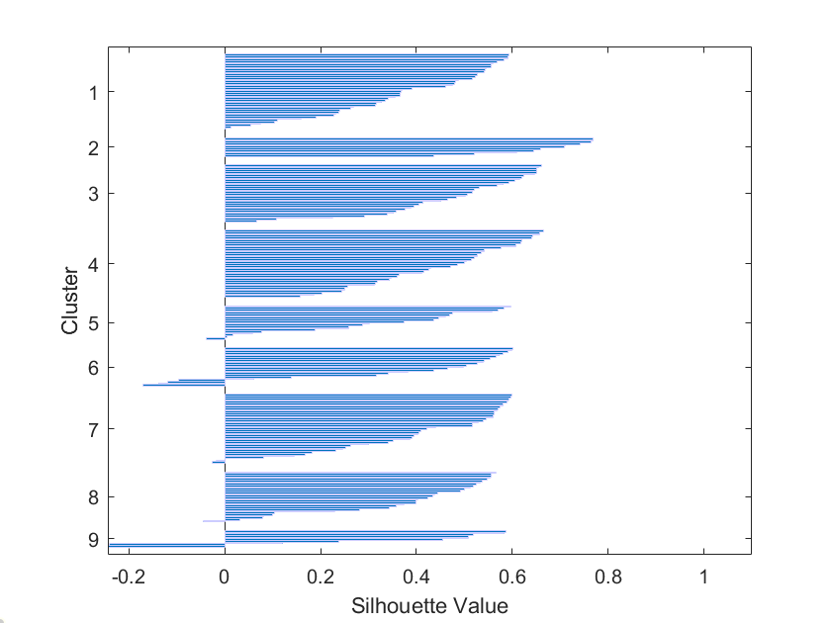
...
Y | Axis level | Clone nb | silhouette_idx9 | Assigned Clone type
3568.53 | 91.877703399 | 1 | 0.46099483624 | NM
3652.97 | 94.051750772 | 1 | 0.47598166999
3650.55 | 93.989443872 | 1 | 0.48059865162
3534.04 | 90.989701339 | 1 | 0.48149958281
3588.51 | 92.392121524 | 1 | 0.48731233672
3438.63 | 88.533213182 | 1 | 0.5174447235
3525.82 | 90.778063852 | 1 | 0.5237383577
3543.97 | 91.245365602 | 1 | 0.52752327864
3451 | 88.851699279 | 1 | 0.52797571576
3591.8 | 92.476828012 | 1 | 0.54058518812
3263.68 | 84.028836251 | 1 | 0.5435067892
3528.07 | 90.835993821 | 1 | 0.54527504901
3564.76 | 91.780638517 | 1 | 0.55561074593
3582.26 | 92.231204943 | 1 | 0.55702361022
3572.02 | 91.967559217 | 1 | 0.55921845885
3293.72 | 84.802265705 | 1 | 0.56885636246
3495.94 | 90.008753862 | 1 | 0.58194214392
3554.28 | 91.510813594 | 1 | 0.59054078825
3449.43 | 88.811277034 | 1 | 0.59170897358
3660.87 | 94.255149331 | 1 | 0.59234149009
1401.54 | 36.084963955 | 2 | 0.43571857454 | M
1425.98 | 36.714212152 | 2 | 0.52027834035
1324.96 | 34.113285273 | 2 | 0.60993444638
1291.9 | 33.262100927 | 2 | 0.64391264085
1429.97 | 36.816941298 | 2 | 0.65824916808
1250.03 | 32.184088568 | 2 | 0.70872136025
1397.36 | 35.977342945 | 2 | 0.71097925031
1288.1 | 33.164263646 | 2 | 0.74090884492
2901.59 | 74.70623069 | 2 | 0.76368331916
1421.31 | 36.593975283 | 2 | 0.76819794965
1405.3 | 36.18177137 | 2 | 0.7694606133
3276.51 | 84.359165808 | 3 | 0.40518650739 | NM
...

HH20e4
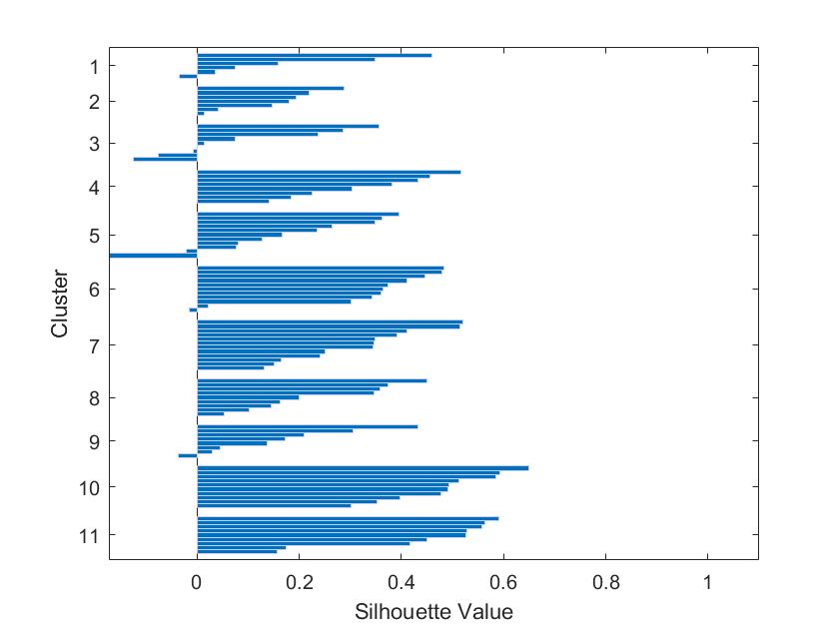
...
Y | Axis level | Clone nb | silhouette_idx11 | Assigned Clone type
181.6 | 4.6840340469 | 1 | 0.42716715408 | MP
3272.929 | 84.419112716 | 1 | 0.63545348204
180.68 | 4.660304359 | 1 | 0.71822934577
179.79 | 4.6373484653 | 1 | 0.74306196189
508.93 | 13.126902244 | 2 | 0.49101048298 | NM
472.25 | 12.180809905 | 2 | 0.49129139594
1187.13 | 30.619809131 | 2 | 0.58031713481
425.23 | 10.968016508 | 2 | 0.64659709535
502.52 | 12.961568223 | 2 | 0.68216615882
13 | 0.33531080733 | 2 | 0.68492285084
477.36 | 12.312612845 | 2 | 0.69506205283
470.02 | 12.123291205 | 2 | 0.70019955214
438.23 | 11.303327315 | 2 | 0.7295879752
483.49 | 12.470724787 | 2 | 0.73236351353
488.41 | 12.597627031 | 2 | 0.73435834056
3820.47 | 98.541913851 | 3 | 0.80254438316 | M
3876.66 | 99.991230333 | 3 | 0.84749832654
3871.88 | 99.867939128 | 3 | 0.88220893841
3828.84 | 98.757802425 | 3 | 0.88866519598
3827.4 | 98.720660304 | 3 | 0.89335089547
3858.01 | 99.51018829 | 3 | 0.89636850781
153.63 | 3.9625999484 | 4 | 0.51481341309 | NM
1032.06 | 26.620067062 | 4 | 0.52979149142
1363.73 | 35.174877483 | 4 | 0.54003064688
171.62 | 4.4266185195 | 4 | 0.54068655519
973.17 | 25.101109105 | 4 | 0.61343120902
490.16 | 12.642765025 | 5 | 0.42560998174 | MP
3536.93 | 91.228527212 | 5 | 0.43092779945
1369.83 | 35.332215631 | 5 | 0.47043768035
1019.69 | 26.301005932 | 5 | 0.48994738336
...

HH17e1
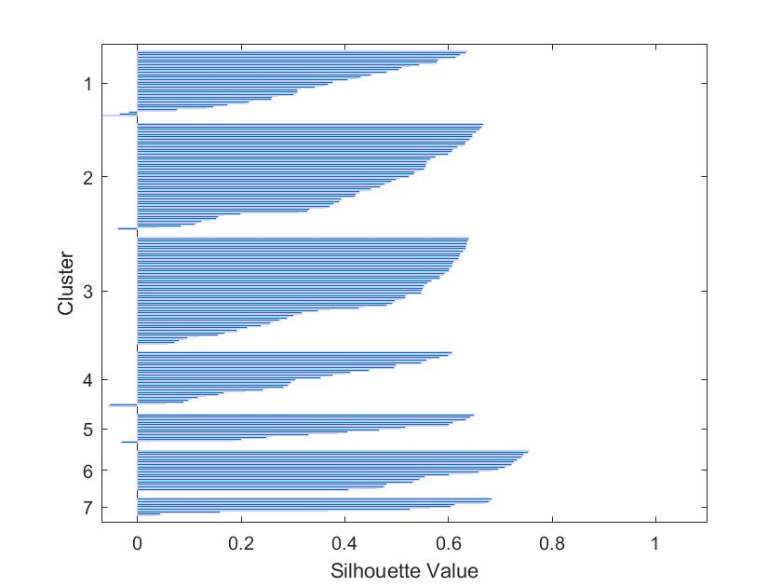
...
Y | Clone nb | silhouette_idx7 | Axis level | Assigned Clone type
4037.646 | 1 | 0.63719937041 | 81.060951616 | NM
4443.985 | 1 | 0.6344143306 | 89.218731178
2189.411 | 1 | 0.62213281093 | 43.95524995
4340.774 | 1 | 0.61932073729 | 87.146637221
2391.766 | 1 | 0.61399934318 | 48.017787593
3988.524 | 1 | 0.58510009952 | 80.074764104
4447.076 | 1 | 0.57990825169 | 89.280786991
4126.27 | 1 | 0.57744499014 | 82.840192732
1738.471 | 1 | 0.57010176644 | 34.902047782
4494.73 | 1 | 0.54298780316 | 90.23750251
4307.325 | 1 | 0.52566910819 | 86.475105401
2182.832 | 1 | 0.51009297687 | 43.823168039
2149.602 | 1 | 0.50500775029 | 43.156032925
3986.001 | 1 | 0.48417908847 | 80.024111624
4491.39 | 1 | 0.48136065508 | 90.170447701
3003.881 | 1 | 0.4535279891 | 60.306785786
2315.627 | 1 | 0.45099464193 | 46.489198956
4109.36 | 1 | 0.43099301937 | 82.50070267
4144.466 | 1 | 0.42296019981 | 83.205500903
2986.769 | 1 | 0.40522949209 | 59.963240313
3851.074 | 2 | 0.66786635311 | 77.315278057 | NM
4514.594 | 2 | 0.66486863193 | 90.636297932
2993.104 | 2 | 0.66384389365 | 60.09042361
4318.127 | 2 | 0.66014361796 | 86.691969484
3691.32 | 2 | 0.65652820179 | 74.10801044
3093.876 | 2 | 0.65373411087 | 62.113551496
4317.935 | 2 | 0.65016478667 | 86.688114836
3213.582 | 2 | 0.64660676713 | 64.516803855
1891.812 | 2 | 0.64579220417 | 37.980566151
3531.944 | 2 | 0.64355843962 | 70.90833166
3237.538 | 2 | 0.64042087355 | 64.997751456
3914.979 | 2 | 0.63896579964 | 78.598253363
...

HH17e2
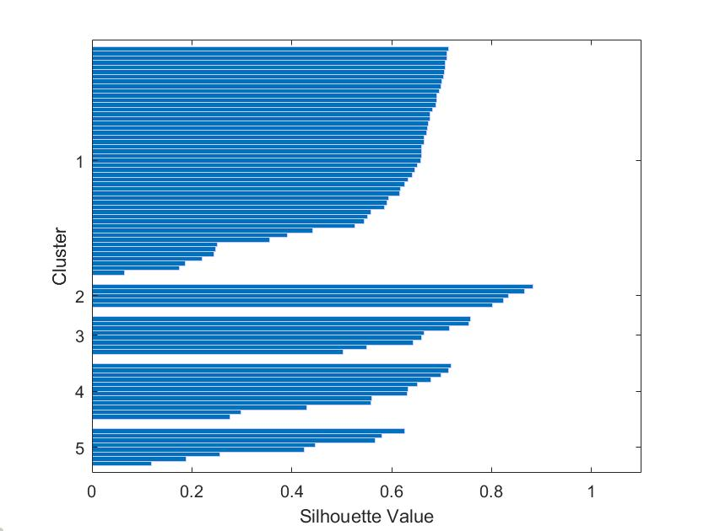
...
Y | Clone nb | silhouette_idx5 | Axis level | Assigned Clone type
3922.012 | 1 | 0.71313022104 | 90.997958237 | NM
3953.854 | 1 | 0.71030084144 | 91.73675174
940.268 | 1 | 0.70987073436 | 21.815962877
4300.676 | 1 | 0.70705440992 | 99.783665893
4257.202 | 1 | 0.70635020061 | 98.774988399
3861.589 | 1 | 0.70578023396 | 89.596032483
3861.189 | 1 | 0.70411820854 | 89.58675174
2333.566 | 1 | 0.69986564269 | 54.143062645
2920.271 | 1 | 0.69918771956 | 67.755707657
3918.862 | 1 | 0.69496906314 | 90.92487239
3744.915 | 1 | 0.69074884621 | 86.888979118
2343.794 | 1 | 0.69045486417 | 54.38037123
2354.022 | 1 | 0.68936185904 | 54.617679814
2358.978 | 1 | 0.68159954013 | 54.732668213
3893.867 | 1 | 0.67651738639 | 90.344941995
3541.317 | 1 | 0.67588922724 | 82.16512761
1053.559 | 1 | 0.67324810762 | 24.444524362
1206.309 | 1 | 0.67240099804 | 27.988607889
3886.686 | 1 | 0.66991181951 | 90.178329466
2347.156 | 1 | 0.6656415998 | 54.45837587
1227.287 | 1 | 0.66507064236 | 28.475336427
2124.95 | 1 | 0.66046529116 | 49.302784223
4286.23 | 1 | 0.66041969849 | 99.448491879
2133.525 | 1 | 0.65935556903 | 49.501740139
1344.774 | 1 | 0.65822320329 | 31.2012529
1011.279 | 1 | 0.65161591809 | 23.463549884
433.465 | 1 | 0.64635709703 | 10.057192575
3560.127 | 1 | 0.64183167963 | 82.601554524
1184.561 | 1 | 0.63294277534 | 27.484013921
849.162 | 1 | 0.62549240904 | 19.702134571
2364.625 | 1 | 0.61772387701 | 54.863689095
4055.422 | 1 | 0.61560245851 | 94.093317865
860.374 | 1 | 0.59342965219 | 19.962273782
...

HH17e3
...
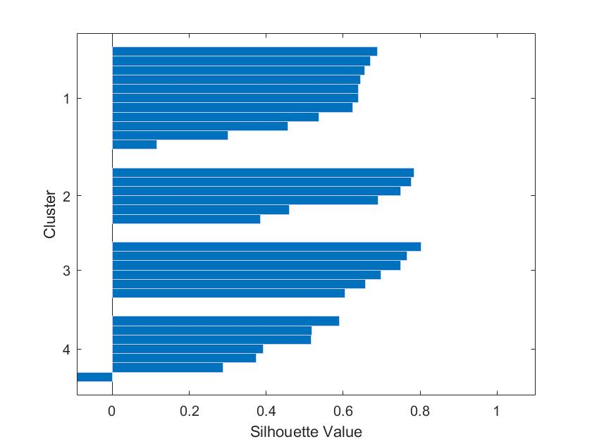
Y | Clone nb | silhouette_idx4 | Axis level | Assigned Clone type
1342.735 | 1 | 0.68864228118 | 74.596388889 | NM
1242.329 | 1 | 0.67100450072 | 69.018277778
1553.554 | 1 | 0.65550240024 | 86.308555556
1251.979 | 1 | 0.64531541481 | 69.554388889
1394.2 | 1 | 0.63990560619 | 77.455555556
1222.935 | 1 | 0.6395232208 | 67.940833333
1496.458 | 1 | 0.62425938231 | 83.136555556
1507.374 | 1 | 0.5375310398 | 83.743
1028.994 | 1 | 0.45654695054 | 57.166333333
1461.15 | 2 | 0.78495923152 | 81.175 | NM
121.909 | 2 | 0.77652077447 | 6.7727222222
1447.373 | 2 | 0.74860817439 | 80.409611111
1540.593 | 2 | 0.69076526755 | 85.5885
1580.043 | 2 | 0.45938156002 | 87.780166667
1405.033 | 3 | 0.80271775976 | 78.057388889 | M
1263.944 | 3 | 0.76494041234 | 70.219111111
1525.571 | 3 | 0.74933267156 | 84.753944444
1524.409 | 3 | 0.69795260991 | 84.689388889
1276.674 | 3 | 0.65702473099 | 70.926333333
1440.136 | 3 | 0.60432482726 | 80.007555556 | N
1297.02 | 4 | 0.58943129519 | 72.056666667
1412.592 | 4 | 0.51902770292 | 78.477333333
1261.824 | 4 | 0.51669657383 | 70.101333333
...

HH20e1
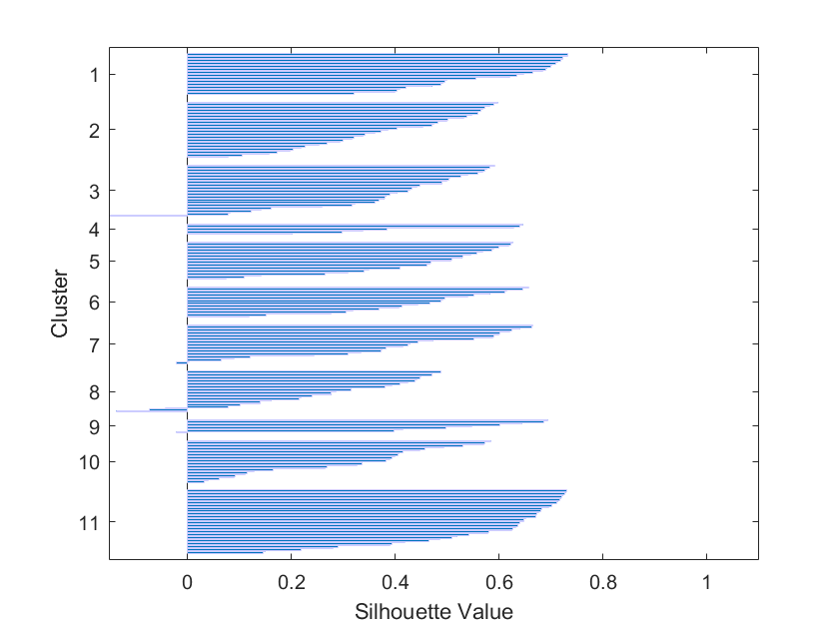
...
C3 | Cell Type | Cell ID | Axis level | Assigned Clone type
25.94103198 | 1 | 1 | 30.50996477 | NM
20.77753417 | 1 | 1 | 39.61227982
24.58858326 | 2 | 1 | 41.75888274
21.71448105 | 2 | 1 | 42.20941117
24.13579006 | 1 | 1 | 42.55103171
24.48933651 | 1 | 1 | 45.55400101
20.09261204 | 1 | 1 | 46.90125818
25.22206957 | 1 | 1 | 47.58389532
21.96703013 | 1 | 1 | 48.92818319
21.24951272 | 2 | 1 | 49.87377957
21.55415208 | 2 | 1 | 54.96869653
22.93648982 | 2 | 1 | 55.98973327
21.31784662 | 2 | 1 | 56.82984399
19.50162593 | 2 | 1 | 57.34031203
20.98670073 | 2 | 1 | 58.07463513
19.50193361 | 2 | 1 | 58.33220936
29.75559297 | 2 | 1 | 63.38948163
24.64020381 | 2 | 1 | 68.28777051
19.34896935 | 2 | 1 | 69.24539507
13.75856228 | 1 | 2 | 26.73774534 | NM
12.17205536 | 1 | 2 | 27.85133367
14.25030784 | 1 | 2 | 29.29481631
13.98682381 | 1 | 2 | 29.76200302
13.13309061 | 1 | 2 | 40.27574233
14.31707699 | 1 | 2 | 41.394615
11.55077975 | 2 | 2 | 43.39572219
10.12704648 | 2 | 2 | 43.54524409
13.37967591 | 2 | 2 | 43.81077001
8.099818611 | 2 | 2 | 89.85193759
7.929201858 | 2 | 2 | 90.77649723
11.91064123 | 2 | 2 | 91.57413186
9.588959278 | 2 | 2 | 91.79099144
...

