Figure 4 source data
Figure 4a |  |  |  |  |  |  | Figure 4b

time | Extracellular HCV RNA |  |  |  |  |  | time | Extracellular HCV RNA
 | NoCell exp1 |  | NoCell exp2 |  | average across experiments (graphed in figure 4A) |  |  | Mock (all exp data normalized to 1x10^7) | DCV Exp1 |  | DCV exp2 |  | DCV exp3 | NG exp1 |  | NG exp2 |  | average across experiments (graphed in figure 4B)
 | ave (4 replicates) | std dev | ave (4 replicates) | std dev | ave | std dev |  |  | AVE. (duplicates) | std dev | AVE. (duplicates) | std dev | DCV (singlet) | AVE. (duplicates) | std dev | AVE. (duplicates) | std dev | ave | std dev
6 | 6.99E+07 | 1.40E+07 | 5.90E+07 | 8.24E+06 | 6.45E+07 | 7.73E+06 | 0 | 1.00E+07 | 1.00E+07 | 1.33E+06 | 1.00E+07 | 1.96E+06 | 1.00E+07 | 1.00E+07 | 1.95E+06 | 1.00E+07 | 1.33E+06 | 1.00E+07 | 0.00E+00
9 | 5.23E+07 | 5.68E+06 | 6.36E+07 | 9.21E+06 | 5.79E+07 | 8.01E+06 | 2 | 1.00E+07 |  |  | 1.29E+07 | 2.16E+06 | 1.36E+07 | 1.67E+07 | 9.28E+06 |  |  | 1.44E+07 | 2.06E+06
12 | 3.77E+07 | 5.80E+06 | 6.43E+07 | 4.22E+07 | 5.10E+07 | 1.88E+07 | 4 | 1.00E+07 | 6.86E+06 | 9.82E+05 |  |  | 1.10E+07 | 1.61E+07 | 3.79E+06 | 4.87E+06 | 1.99E+06 | 9.72E+06 | 4.97E+06
15 | 5.13E+07 | 1.02E+07 | 4.51E+07 | 3.06E+06 | 4.82E+07 | 4.41E+06 | 6 | 1.00E+07 |  |  | 7.30E+06 | 4.28E+05 |  | 7.10E+06 | 3.17E+05 |  |  | 7.20E+06 | 1.40E+05
18 | 7.70E+07 | 8.86E+06 | 5.51E+07 | 3.03E+06 | 6.61E+07 | 1.55E+07 | 9 | 1.00E+07 | 5.90E+06 | 1.01E+06 | 8.59E+06 | 2.24E+06 | 4.72E+06 | 4.99E+06 | 2.34E+06 | 8.44E+06 | 5.70E+05 | 6.53E+06 | 1.87E+06
24 | 5.29E+07 | 1.73E+07 | 4.90E+07 | 9.48E+06 | 5.09E+07 | 2.73E+06 | 12 | 1.00E+07 | 7.33E+06 | 2.31E+06 | 8.92E+06 | 5.25E+06 | 5.60E+06 | 7.95E+06 | 1.99E+06 | 2.21E+06 | 4.83E+05 | 6.40E+06 | 2.64E+06
30 | 5.10E+07 | 2.75E+06 | 7.14E+07 | 2.95E+07 | 6.12E+07 | 1.44E+07 | 16 | 1.00E+07 | 4.97E+06 | 1.19E+06 | 5.20E+06 | 1.16E+06 | 5.20E+06 | 8.28E+06 | 2.59E+06 | 5.35E+06 | 4.30E+04 | 5.80E+06 | 1.39E+06
36 | 6.43E+07 | 1.05E+07 | 7.41E+07 | 7.65E+06 | 6.92E+07 | 6.98E+06 | 20 | 1.00E+07 | 5.41E+06 | 2.23E+06 | 3.31E+06 | 5.42E+05 | 6.81E+06 | 2.88E+06 | 1.85E+05 | 6.31E+06 | 6.83E+05 | 4.94E+06 | 1.77E+06
48 | 5.62E+07 | 5.93E+06 | 5.35E+07 | 1.99E+07 | 5.48E+07 | 1.89E+06 | 24 | 1.00E+07 | 2.74E+06 | 2.87E+05 |  |  |  |  |  | 1.90E+06 | (singlet) | 2.32E+06 | 5.94E+05
56 | 5.43E+07 | 1.23E+07 | 5.66E+07 | 6.04E+06 | 5.55E+07 | 1.62E+06 | 28 | 1.00E+07 | 3.41E+06 | 1.15E+06 | 2.39E+06 | 9.04E+05 | 4.43E+06 | 2.66E+06 | 1.49E+06 | 2.11E+06 | 3.00E+05 | 3.00E+06 | 9.36E+05
72 | 3.96E+07 | 6.75E+06 | 2.85E+07 | 5.09E+06 | 3.41E+07 | 7.86E+06 | 32 | 1.00E+07 | 3.09E+06 | (singlet) | 6.66E+05 | 2.27E+03 | 9.41E+05 | 1.08E+06 | 2.88E+04 | 1.44E+06 | 3.29E+05 | 1.44E+06 | 9.62E+05
80 |  |  | 3.99E+07 | 1.17E+07 | 3.99E+07 | 1.17E+07 | 36 | 1.00E+07 | 2.32E+06 | 4.20E+05 | 1.23E+06 | 4.31E+05 | 1.09E+06 | 1.56E+06 | 7.57E+05 | 1.54E+06 | 5.53E+05 | 1.55E+06 | 4.77E+05
96 |  |  | 3.15E+07 | 6.35E+06 | 3.15E+07 | 6.35E+06 | 42 | 1.00E+07 | 9.19E+05 | 2.94E+05 | 2.26E+06 | 7.53E+05 | 1.63E+06 | 1.82E+06 | 6.62E+05 | 6.11E+05 | 1.46E+04 | 1.45E+06 | 6.75E+05
120 |  |  | 3.01E+07 | 8.37E+06 | 3.01E+07 | 8.37E+06 | 48 | 1.00E+07 | 5.95E+05 | 1.24E+05 |  |  | 7.62E+05 |  |  | 1.12E+06 | 1.94E+05 | 8.26E+05 | 2.68E+05
144 |  |  | 2.67E+07 | 5.12E+06 | 2.67E+07 | 5.12E+06 | 54 | 1.00E+07 | 7.46E+05 | 1.55E+05 |  |  | 6.07E+05 |  |  | 3.41E+05 | 3.13E+04 | 5.65E+05 | 2.06E+05
152 |  |  | 1.99E+07 | 4.65E+06 | 1.99E+07 | 4.65E+06 | 60 | 1.00E+07 | 2.55E+05 | 8.78E+03 |  |  | 3.69E+05 |  |  | 7.57E+05 | 6.56E+04 | 4.60E+05 | 2.63E+05
176 |  |  | 2.76E+07 | 2.24E+06 | 2.76E+07 | 2.24E+06 | 66 | 1.00E+07 | 3.89E+05 | 6.78E+04 |  |  | 5.61E+05 |  |  | 6.07E+05 | 1.48E+05 | 5.19E+05 | 1.15E+05
192 |  |  | 1.78E+07 | 6.04E+06 | 1.78E+07 | 6.04E+06
216 |  |  | 1.74E+07 | 2.91E+06 | 1.74E+07 | 2.91E+06
HCV Decline in the Absence of Cells
 |  | NoCell exp1 | NoCell exp2
6 | 64462571.85 | 6.99E+07 | 5.90E+07
9 | 57938902.432 | 5.23E+07 | 6.36E+07
12 | 50983227.263 | 3.77E+07 | 6.43E+07
15 | 48220558.926 | 5.13E+07 | 4.51E+07
18 | 66071685.644 | 7.70E+07 | 5.51E+07
24 | 50932471.368 | 5.29E+07 | 4.90E+07
30 | 61212152.435 | 5.10E+07 | 7.14E+07
36 | 69208227.127 | 6.43E+07 | 7.41E+07
48 | 54836680.751 | 5.62E+07 | 5.35E+07
56 | 55497632.222 | 5.43E+07 | 5.66E+07
72 | 34074072.202 | 3.96E+07 | 2.85E+07
80 | 39882853.153 |  | 3.99E+07
96 | 31524367.12 |  | 3.15E+07
120 | 30134080.762 |  | 3.01E+07
144 | 26727157.704 |  | 2.67E+07
152 | 19862333.512 |  | 1.99E+07
176 | 27624908.7 |  | 2.76E+07
192 | 17849330.175 |  | 1.78E+07
216 | 17363019.292 |  | 1.74E+07
HCV Decline in the Presence of Infected Cells
 | DCV Exp1 | DCV Exp2 | DCV Exp3 | NG Exp1 | NG Exp2
0 | 10000000 | 1.00E+07 | 1.00E+07 | 1.00E+07 | 10000000 | 10000000
2 |  | 1.29E+07 | 1.36E+07 | 1.67E+07 |  | 14393961.977
4 | 6860000 |  | 1.10E+07 | 1.61E+07 | 4870000 | 9715106.3041
6 |  | 7.30E+06 |  | 7.10E+06 |  | 7201479.7689
9 | 5900000 | 8.59E+06 | 4.72E+06 | 4.99E+06 | 8440000 | 6527361.31
12 | 7330000 | 8.92E+06 | 5.60E+06 | 7.95E+06 | 2210000 | 6402613.4981
16 | 4970000 | 5.20E+06 | 5.20E+06 | 8.28E+06 | 5350000 | 5799344.7258
20 | 5410000 | 3.31E+06 | 6.81E+06 | 2.88E+06 | 6310000 | 4944564.5934
24 | 2740000 |  |  |  | 1900000 | 2320000
28 | 3410000 | 2.39E+06 | 4.43E+06 | 2.66E+06 | 2110000 | 3000562.841
32 | 3090000 | 6.66E+05 | 9.41E+05 | 1.08E+06 | 1440000 | 1443953.1001
36 | 2320000 | 1.23E+06 | 1.09E+06 | 1.56E+06 | 1540000 | 1547301.8838
42 | 919000 | 2.26E+06 | 1.63E+06 | 1.82E+06 | 611000 | 1450186.1003
48 | 595000 |  | 7.62E+05 |  | 1120000 | 825640.72669
54 | 746000 |  | 6.07E+05 |  | 341000 | 564786.27415
60 | 255000 |  | 3.69E+05 |  | 757000 | 460219.94648
66 | 389000 |  | 5.61E+05 |  | 607000 | 518983.01551

half-life calculations
Figure 4a |  | Using beta (regression) = |  |  | 111.51 |  | Figure 4b |  | Using beta (regression) = |  |  | 13.05
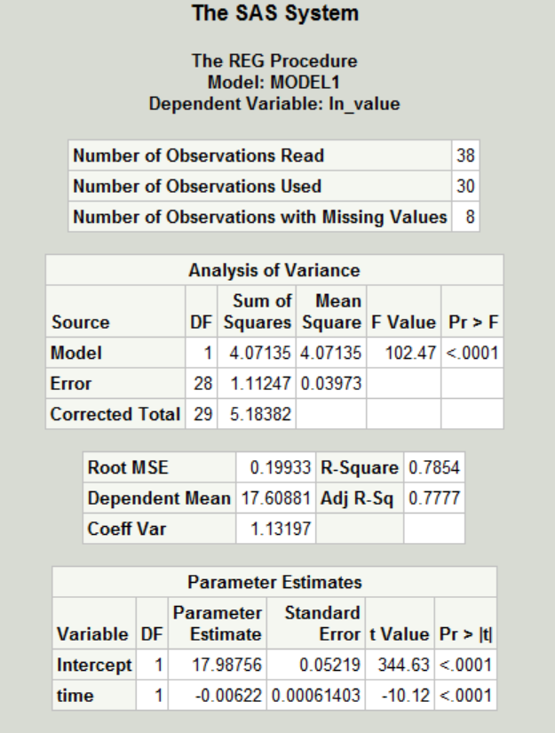
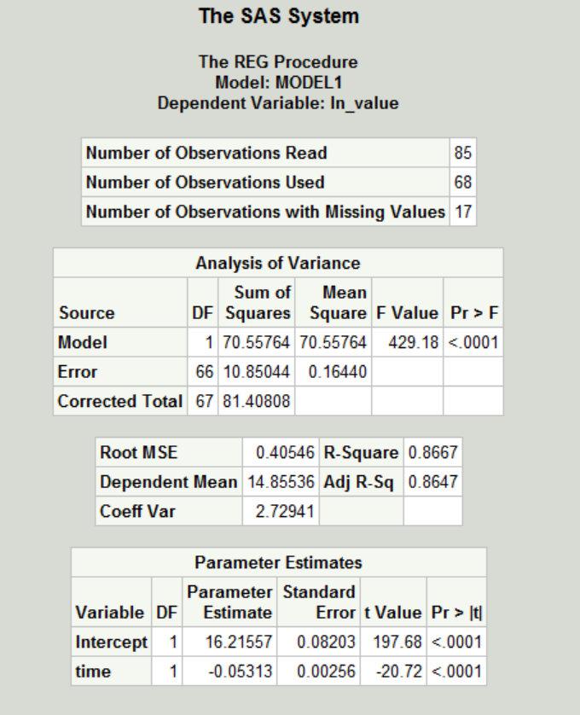

time | ln(predict) |  |  | predict |  |  | time | ln(predict) |  |  | predict
 | Predicted Value | LCL | UCL | Predicted Value | LCL | UCL |  | Predicted Value | LCL | UCL | Predicted Value | LCL | UCL
6 | 17.95 | 17.53 | 18.37 | 6.25E+07 | 4.10E+07 | 9.52E+07 | 0 | 16.22 | 15.39 | 17.04 | 1.10E+07 | 4.83E+06 | 2.52E+07
9 | 17.93 | 17.51 | 18.35 | 6.13E+07 | 4.03E+07 | 9.33E+07 | 2 | 16.11 | 15.28 | 16.93 | 9.91E+06 | 4.35E+06 | 2.26E+07
12 | 17.91 | 17.49 | 18.33 | 6.02E+07 | 3.96E+07 | 9.16E+07 | 4 | 16.00 | 15.18 | 16.83 | 8.91E+06 | 3.91E+06 | 2.03E+07
15 | 17.89 | 17.48 | 18.31 | 5.91E+07 | 3.89E+07 | 8.98E+07 | 6 | 15.90 | 15.08 | 16.72 | 8.01E+06 | 3.52E+06 | 1.82E+07
18 | 17.88 | 17.46 | 18.29 | 5.80E+07 | 3.82E+07 | 8.81E+07 | 9 | 15.74 | 14.92 | 16.56 | 6.83E+06 | 3.01E+06 | 1.55E+07
24 | 17.84 | 17.42 | 18.26 | 5.59E+07 | 3.68E+07 | 8.48E+07 | 12 | 15.58 | 14.76 | 16.40 | 5.83E+06 | 2.57E+06 | 1.32E+07
30 | 17.80 | 17.38 | 18.22 | 5.38E+07 | 3.55E+07 | 8.17E+07 | 16 | 15.37 | 14.55 | 16.18 | 4.71E+06 | 2.08E+06 | 1.07E+07
36 | 17.76 | 17.35 | 18.18 | 5.18E+07 | 3.42E+07 | 7.86E+07 | 20 | 15.15 | 14.34 | 15.97 | 3.81E+06 | 1.68E+06 | 8.61E+06
48 | 17.69 | 17.27 | 18.10 | 4.81E+07 | 3.18E+07 | 7.29E+07 | 24 | 14.94 | 14.13 | 15.76 | 3.08E+06 | 1.36E+06 | 6.96E+06
56 | 17.64 | 17.22 | 18.05 | 4.58E+07 | 3.02E+07 | 6.93E+07 | 28 | 14.73 | 13.91 | 15.54 | 2.49E+06 | 1.10E+06 | 5.63E+06
72 | 17.54 | 17.12 | 17.96 | 4.15E+07 | 2.74E+07 | 6.28E+07 | 32 | 14.52 | 13.70 | 15.33 | 2.01E+06 | 8.90E+05 | 4.55E+06
80 | 17.49 | 17.07 | 17.91 | 3.94E+07 | 2.60E+07 | 5.98E+07 | 36 | 14.30 | 13.49 | 15.12 | 1.63E+06 | 7.19E+05 | 3.69E+06
96 | 17.39 | 16.97 | 17.81 | 3.57E+07 | 2.35E+07 | 5.42E+07 | 42 | 13.98 | 13.16 | 14.80 | 1.18E+06 | 5.22E+05 | 2.69E+06
120 | 17.24 | 16.82 | 17.66 | 3.08E+07 | 2.02E+07 | 4.69E+07 | 48 | 13.67 | 12.84 | 14.49 | 8.61E+05 | 3.78E+05 | 1.96E+06
144 | 17.09 | 16.66 | 17.52 | 2.65E+07 | 1.73E+07 | 4.06E+07 | 54 | 13.35 | 12.52 | 14.18 | 6.26E+05 | 2.73E+05 | 1.43E+06
152 | 17.04 | 16.61 | 17.47 | 2.52E+07 | 1.64E+07 | 3.88E+07 | 60 | 13.03 | 12.19 | 13.86 | 4.55E+05 | 1.98E+05 | 1.05E+06
176 | 16.89 | 16.45 | 17.33 | 2.17E+07 | 1.40E+07 | 3.37E+07 | 66 | 12.71 | 11.87 | 13.55 | 3.31E+05 | 1.43E+05 | 7.67E+05
192 | 16.79 | 16.35 | 17.24 | 1.97E+07 | 1.26E+07 | 3.07E+07
216 | 16.65 | 16.19 | 17.10 | 1.69E+07 | 1.07E+07 | 2.68E+07

