Figure 2_Source data 11
Source data for Figure 2_figure supplement 1B

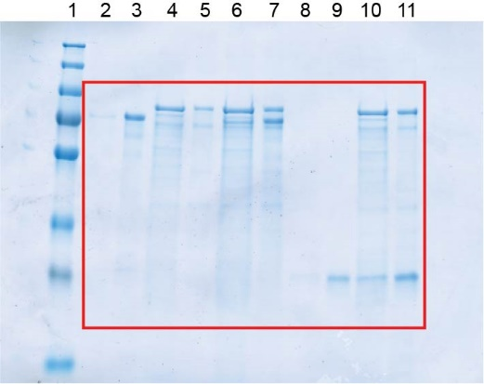
 |  | Lane
 |  | 1 | Marker
 |  | 2 | Supernatant | PomX-His6
 |  | 3 | Pellet | PomX-His6
 |  | 4 | Supernatant | PomY-His6
 |  | 5 | Pellet | PomY-His6
 |  | 6 | Supernatant | PomX-His6+PomY-His6
 |  | 7 | Pellet | PomX-His6+PomY-His6
 |  | 8 | Supernatant | PomXC-His6
 |  | 9 | Pellet | PomXC-His6
 |  | 10 | Supernatant | PomY-His6+PomXC-His6
 |  | 11 | Pellet | PomY-His6+PomXC-His6

 | Quantifications | Lane
 | PomX
 | Supernatant PomX-His6 | 2 | 750042 | 10738602 | 6.98
 | Pellet PomX-His6 | 3 | 9988560 |  | 93.02
 | Supernatant PomX-His6 + PomY-His6 | 6 | 1749284 | 6137196 | 28.50
 | Pellet PomX-His6 + PomY-His6 | 7 | 4387912 |  | 71.50

 | PomXC
 | Supernatant PomXC-His6 | 8 | 966305 | 10709643 | 9.02
 | Pellet PomXC-His6 | 9 | 9743338 |  | 90.98
 | Supernatant PomY-His6+PomXC-His6 | 10 | 4673882 | 19764341 | 23.65
 | Pellet PomY-His6+PomXC-His6 | 11 | 15090459 |  | 76.35

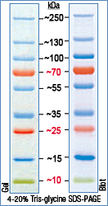
 | PomY
 | Supernatant PomY-His6 | 4 | 7429154 | 11392329 | 65.21
 | Pellet PomY-His6 | 5 | 3963175 |  | 34.79
 | Supernatant PomX-His6 + PomY-His6 | 6 | 7040054 | 13730865 | 51.27
 | Pellet PomX-His6 + PomY-His6 | 7 | 6690811 |  | 48.73
 | Supernatant PomY-His6+PomXC-His6 | 10 | 8521861 | 16252794 | 52.43
 | Pellet PomY-His6+PomXC-His6 | 11 | 7730933 |  | 47.57

