Figure 2_Source data 12
Source data for Figure 2_figure supplement 1C

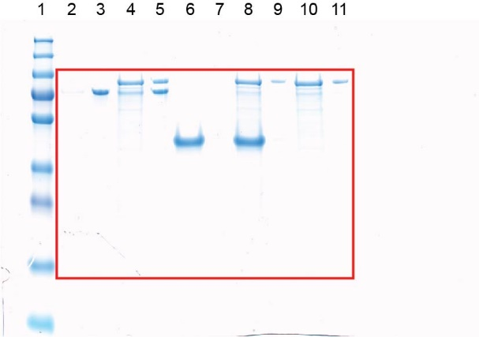
 | Lane
 | 1 | Marker
 | 2 | Supernatant | PomX-His6
 | 3 | Pellet | PomX-His6
 | 4 | Supernatant | PomX-His6+PomY-His6
 | 5 | Pellet | PomX-His6+PomY-His6
 | 6 | Supernatant | PomXN-His6
 | 7 | Pellet | PomXN-His6
 | 8 | Supernatant | PomY-His6+PomXN-His6
 | 9 | Pellet | PomY-His6+PomXN-His6
 | 10 | Supernatant | PomY-His6
 | 11 | Pellet | PomY-His6

 | Quantifications | Lane
 | PomXs |  |  | Summe (100%) | %
 | Supernatant PomX-His6 | 2 | 344.263 | 7468.66 | 4.61
 | Pellet PomX-His6 | 3 | 7124.397 |  | 95.39
 | Supernatant PomX-His6 + PomY-His6 | 4 | 950.87 | 6592.004 | 14.42
 | Pellet PomX-His6 + PomY-His6 | 5 | 5641.134 |  | 85.58

 | PomXN
 | Supernatant PomXN-His6 | 6 | 14539.045 | 14733.308 | 98.68
 | Pellet PomXN-His6 | 7 | 194.263 |  | 1.32
 | Supernatant PomY-His6+PomXN-His6 | 8 | 11669.933 | 11843.489 | 98.53
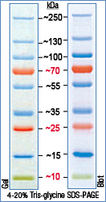
 | Pellet PomY-His6+PomXN-His6 | 9 | 173.556 |  | 1.47

 | PomY |  |  | Summe (100%) | %
 | Supernatant PomX-His6 + PomY-His6 | 4 | 3653.234 | 7028.811 | 51.98
 | Pellet PomX-His6 + PomY-His6 | 5 | 3375.577 |  | 48.02
 | Supernatant PomY-His6+PomXN-His6 | 8 | 4088.477 | 5386.69 | 75.90
 | Pellet PomY-His6+PomXN-His6 | 9 | 1298.213 |  | 24.10
 | Supernatant PomY-His6 | 10 | 4728.184 | 6673.519 | 70.85
 | Pellet PomY-His6 | 11 | 1945.335 |  | 29.15

