Figure 2_Source data 13
Source data for Figure 2-figure supplement 1D

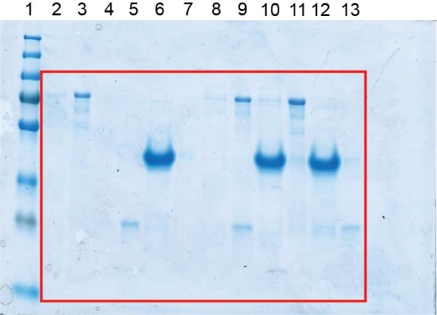
 |  | Lane
 |  | 1 | Marker
 |  | 2 | Supernatant | PomX-His6
 |  | 3 | Pellet | PomX-His6
 |  | 4 | Supernatant | PomXC-His6
 |  | 5 | Pellet | PomXC-His6
 |  | 6 | Supernatant | PomXN-His6
 |  | 7 | Pellet | PomXN-His6
 |  | 8 | Supernatant | PomX-His6+PomXC-His6
 |  | 9 | Pellet | PomX-His6+PomXC-His6
 |  | 10 | Supernatant | PomX-His6+PomXN-His6
 |  | 11 | Pellet | PomX-His6+PomXN-His6
 |  | 12 | Supernatant | PomXC-His6+PomXN-His6
 |  | 13 | Pellet | PomXC-His6+PomXN-His6

 | Quantifications | Lane
 | PomX
 | Supernatant PomX-His6 | 2 | 185556 | 3363690 | 5.52
 | Pellet PomX-His6 | 3 | 3178134 |  | 94.48
 | PomX-His6+PomXC-His6 | 8 | 338506 | 3294518 | 10.27
 | PomX-His6+PomXC-His6 | 9 | 2956012 |  | 89.73
 | PomX-His6+PomXN-His6 | 10 | 180728 | 4517054 | 4.00
 | PomX-His6+PomXN-His6 | 11 | 4336326 |  | 96.00

 | PomXC
 | Supernatant PomXC-His6 | 4 | 180263 | 1979518 | 9.11
 | Pellet PomXC-His6 | 5 | 1799255 |  | 90.89
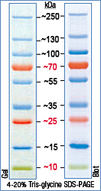
 | PomX-His6+PomXC-His6 | 8 | 134607 | 1638448 | 8.22
 | PomX-His6+PomXC-His6 | 9 | 1503841 |  | 91.78
 | PomXC-His6+PomXN-His6 | 12 | 196385 | 1403397 | 13.99
 | PomXC-His6+PomXN-His6 | 13 | 1207012 |  | 86.01

 | PomXN
 | PomXN-His6 | 6 | 17489167 | 17741966 | 98.58
 | PomXN-His6 | 7 | 252799 |  | 1.42
 | PomX-His6+PomXN-His6 | 10 | 15530560 | 16179380 | 95.99
 | PomX-His6+PomXN-His6 | 11 | 648820 |  | 4.01
 | PomXC-His6+PomXN-His6 | 12 | 17685581 | 19130221 | 92.45
 | PomXC-His6+PomXN-His6 | 13 | 1444640 |  | 7.55

