Figure 5-source data 3
Source data for Figure 5C
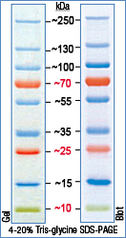
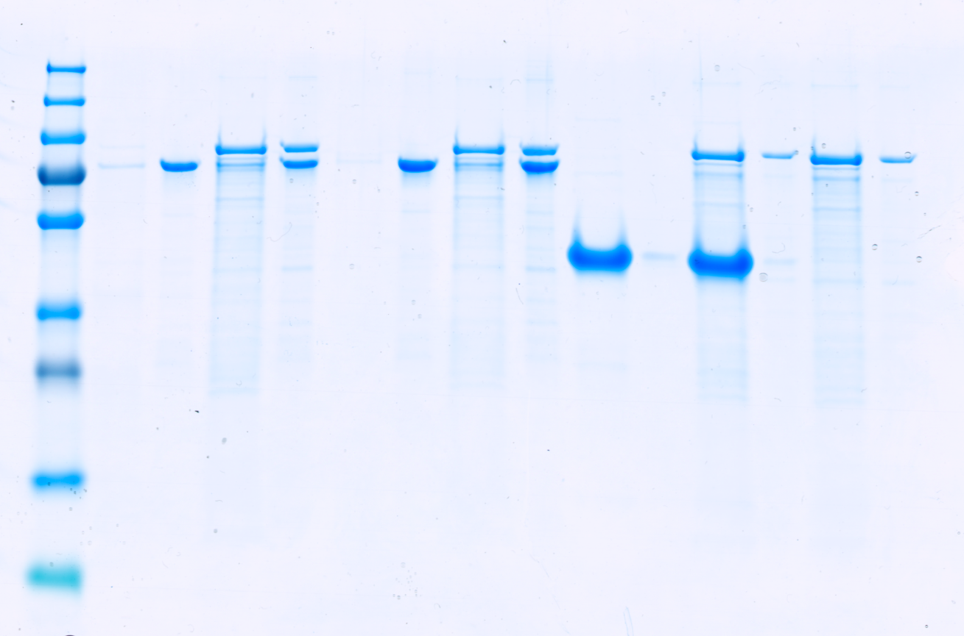
 |  | 1 | Marker
 |  | 2 | Supernatant | PomX-His6
 |  | 3 | Pellet | PomX-His6
 |  | 4 | Supernatant | PomX-His6+PomY-His6
 |  | 5 | Pellet | PomX-His6+PomY-His6
 |  | 6 | Supernatant | PomXK13AR15A-His6
 |  | 7 | Pellet | PomXK13AR15A-His6
 |  | 8 | Supernatant | PomXK13AR15A-His6+PomY-His6
 |  | 9 | Pellet | PomXK13AR15A-His6+PomY-His6
 |  | 10 | Supernatant | not relevant
 |  | 11 | Pellet | not relevant
 |  | 12 | Supernatant | not relevant
 |  | 13 | Pellet | not relevant
 |  | 14 | Supernatant | PomY-His6
 |  | 15 | Pellet | PomY-His6

 | Quantifications | Lane
 | PomX
 | Supernatant PomX-His6 | 2 | 489.335 | 9252.58 | 5.3
 | Pellet PomX-His6 | 3 | 8763.246 |  | 94.7
 | Supernatant PomX-His6 + PomY-His6 | 4 | 618.456 | 6562.49 | 9.4
 | Pellet PomX-His6 + PomY-His6 | 5 | 5944.033 |  | 90.6

 | PomXK13AR15A
 | Supernatant PomXK13AR15A-His6 | 6 | 321.627 | 12356.60 | 2.6
 | Pellet PomXK13AR15A-His6 | 7 | 12034.974 |  | 97.4
 | Supernatant PomXK13AR15A-His6+PomY-His6 | 8 | 623.991 | 8847.15 | 7.1
 | Pellet PomXK13AR15A-His6+PomY-His6 | 9 | 8223.154 |  | 92.9

 | PomY
 | Supernatant PomX-His6 + PomY-His6 | 4 | 3574.305 | 7769.73 | 46.0
 | Pellet PomX-His6 + PomY-His6 | 5 | 4195.426 |  | 54.0
 | Supernatant PomXK13AR15A-His6+PomY-His6 | 8 | 3338.719 | 7317.63 | 45.6
 | Pellet PomXK13AR15A-His6+PomY-His6 | 9 | 3978.912 |  | 54.4
 | Supernatant PomY-His6 | 14 | 5116.912 | 7776.73 | 65.8
 | Pellet PomY-His6 | 15 | 2659.82 |  | 34.2

