Fluorescence intensity of Hh
Mean fluorescence intensity of Hedgehog
Serial no | AntpGFPxw1118 | AntpGFPpxRel RNAi
1 | 59.276 | 108.292
2 | 51.986 | 110.87
Mean fluorescence intensity of Hedgehog protein in the niche.
3 | 60.341 | 105.611
4 | 51.82 | 101.13
5 | 54.595 | 107.868
6 | 49.901 | 107.688
7 | 46.232 | 97.459
8 | 48.686 | 104.059
9 | 57.845 | 97.504
10 | 47.38 | 101.273
11 | 44.467 | 106.147
12 | 65.335 | 115.116
13 | 41.149 | 106.291
14 | 35.76 | 103.618
15 | 55.995 | 107.24

AntpGFPXw1118
AntpGFPXRel RNAi
sum | 770.768 | 1580.166
average | 51.384533333 | 105.3444
standard deviation | 7.836607665 | 4.7388362013
Ttest | 2.5855539038E-17

Fluorescence intensity of Ph
 | Mean fluorescence intensity of Phalloidin

 | serial no | AntpGFPxw1118 | AntpGFPXRel RNAi
 | 1 | 85.499 | 215.797
 | 2 | 48.174 | 213.933
 | 3 | 78.315 | 200.317
Mean fluorescence intensity of Phalloidin in the niche.
 | 4 | 75.841 | 232.801
 | 5 | 66.152 | 231.666
 | 6 | 63.851 | 200.86
 | 7 | 38.104 | 198.839
 | 8 | 86.201 | 141.794
 | 9 | 58.169 | 215.539
 | 10 | 69.438 | 159.253
sum |  | 669.744 | 2010.799
average |  | 66.9744 | 201.0799
Standard deviation |  | 15.638414797 | 29.444029749
ttest |  | 5.6621830625E-09

AntpGFPXw1118
AntpGFPXRel RNAi

Fluorescence intensity ofsinged
Mean fluorescence intensity of singed

serial no | AntpGFPxw1118 | AntpGFPxRelRNAi
1 | 26.929 | 55.357
2 | 16.305 | 56.81
3 | 22.329 | 71.503
4 | 10.12 | 60.627
5 | 14.212 | 76.7
6 | 13.968 | 60.678
Mean fluorescence intensity of Singed in the niche.
7 | 19.878 | 59.358
8 | 17.697 | 55.857
9 | 14.054 | 42.304
10 | 17.318 | 43.244
11 | 9.47 | 51.22
12 | 7.694 | 55.242
13 | 12.51 | 46.819
14 | 13.564 | 65.997
15 | 13.401 | 58.089

sum | 229.449 | 859.805
average | 15.2966 | 57.320333333
standard deviation | 5.0285852001 | 9.4893037127
ttest | 7.0044476658E-13

AntpGFPXw1118
AntpGFPXRel RNAi

Fluorescence intensity of Ena
mean Fluorescence intensity of Enabled
Serial no | AntpGFPxw1118 | AntpGFPxRel RNAi
1 | 8.275 | 31.833
2 | 8.242 | 32.967
3 | 6.678 | 35.411
4 | 5.415 | 39.295
5 | 3.141 | 34.137
6 | 3.476 | 43.341
7 | 0.568 | 39.5
8 | 6.755 | 37.064
Mean fluorescence intensity of Enabled in the niche.
9 | 5.899 | 32.554
10 | 11.729 | 35.482
11 | 11.22 | 34.879
12 | 2.689 | 36.969
13 | 5.515 | 29.006
14 | 6.63 | 32.112
15 | 4.921 | 37.675

sum | 91.153 | 532.225
average | 6.0768666667 | 35.481666667
standard deviation | 3.0281501394 | 3.6415957583
ttest | 8.1745037211E-20

AntpGFPXw1118
AntpGFPXRel RNAi

Extracellular Hedgehog quantita
Control Antp>OreR |  | Experiment (Antp>UAS-relRNAi)
Distance_(pixels) | Gray_Value | Distance_(pixels) | Gray_Value
0 | 6.1333 | 0 | 3.44
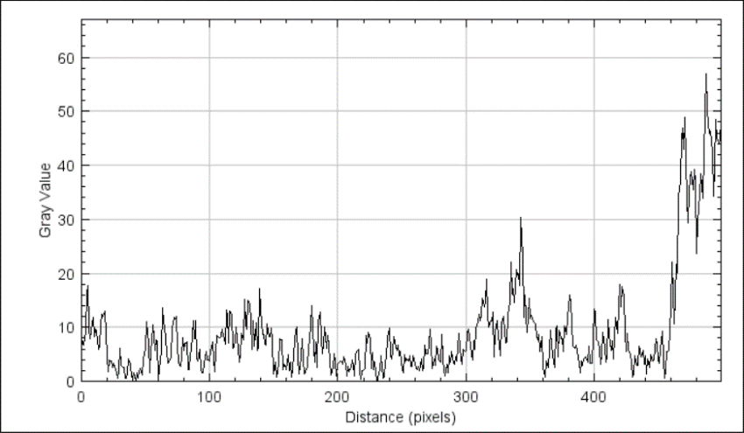
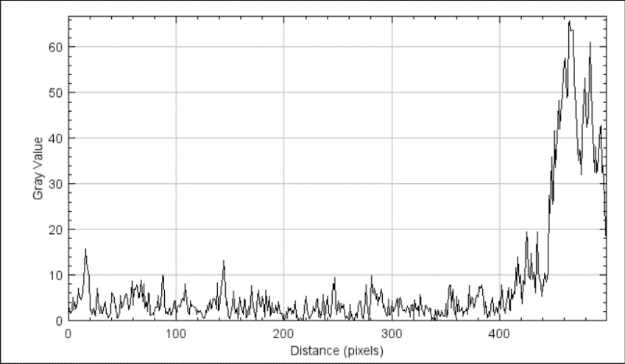
1 | 7.44 | 1 | 2.0533
2 | 6.7133 | 2 | 1.66
3 | 9.2533 | 3 | 2.1867
4 | 16.3533 | 4 | 5.1733
5 | 17.7933 | 5 | 2.3333
6 | 9.88 | 6 | 4.22
7 | 7.96 | 7 | 2.52
8 | 11.0267 | 8 | 4.2067
9 | 11.8267 | 9 | 7.1
10 | 8.2733 | 10 | 5.1933
11 | 9.6133 | 11 | 5.08
12 | 9.36 | 12 | 4.4533
13 | 5.86 | 13 | 6.2867
14 | 6.6067 | 14 | 9.1267
15 | 10.36 | 15 | 12.2467
16 | 12.4667 | 16 | 15.7467
17 | 12.08 | 17 | 12.7667
18 | 13.0467 | 18 | 10.3667
19 | 9.04 | 19 | 9.5667
20 | 4.3333 | 20 | 2.4333
21 | 1.76 | 21 | 2.34
22 | 3.8733 | 22 | 1.38
23 | 3.8333 | 23 | 2.7133
24 | 2.5867 | 24 | 1.6533
25 | 3.32 | 25 | 0.9267
26 | 2.6067 | 26 | 3.3867
27 | 2.14 | 27 | 7.14
28 | 0.5333 | 28 | 2.8133
29 | 1.9467 | 29 | 1.48
30 | 6.1467 | 30 | 3.22
31 | 2.88 | 31 | 1.5533
32 | 2.7733 | 32 | 1.6667
33 | 2.6133 | 33 | 3.4933
34 | 0.6667 | 34 | 4.0733
35 | 0.54 | 35 | 1.6267
36 | 1.5467 | 36 | 1.56
37 | 4.1067 | 37 | 0.58
38 | 3.2267 | 38 | 1.42
39 | 0.86 | 39 | 1.4867
40 | 0.78 | 40 | 6.0067
41 | 1.6667 | 41 | 5.9133
42 | 0.06 | 42 | 4.9933
43 | 1.56 | 43 | 2.74
44 | 0.5533 | 44 | 3.0867
45 | 1.7133 | 45 | 0.62
46 | 2.32 | 46 | 0.6533
47 | 1.1133 | 47 | 1.7733
48 | 4.2667 | 48 | 5.4933
49 | 4.8667 | 49 | 2.6533
50 | 6.1133 | 50 | 2.8533
51 | 11.0667 | 51 | 3.54
52 | 7.1133 | 52 | 5.38
53 | 1.56 | 53 | 5.82
54 | 6.0067 | 54 | 5.7867
55 | 7.5267 | 55 | 4.4467
56 | 10.36 | 56 | 2.3733
57 | 5.6267 | 57 | 3.96
58 | 7.7333 | 58 | 6.1733
59 | 7.2467 | 59 | 8.66
60 | 0.48 | 60 | 3.26
61 | 2.1467 | 61 | 6.9
62 | 5.6667 | 62 | 6.92
63 | 13.5867 | 63 | 7.88
64 | 10.7867 | 64 | 7.28
65 | 10.2467 | 65 | 4.96
66 | 7.76 | 66 | 5.28
67 | 3.4267 | 67 | 8.8667
68 | 3.76 | 68 | 6.26
69 | 4 | 69 | 4.0867
70 | 4.78 | 70 | 8.04
71 | 9.86 | 71 | 2.8133
72 | 11.74 | 72 | 4.0467
73 | 11.6 | 73 | 1.9133
74 | 12.1 | 74 | 6.1267
75 | 6.5733 | 75 | 5.8667
76 | 3.3667 | 76 | 1.2067
77 | 2.7467 | 77 | 1.32
78 | 4.54 | 78 | 1.6267
79 | 8.1467 | 79 | 1.26
80 | 5.8067 | 80 | 2.4467
81 | 7.1267 | 81 | 2.94
82 | 7.36 | 82 | 3.0333
83 | 2.2467 | 83 | 5.46
84 | 2.0933 | 84 | 2.1667
85 | 5.04 | 85 | 2.6867
86 | 5.8267 | 86 | 3.56
87 | 11.1467 | 87 | 10.0867
88 | 7.86 | 88 | 9.3
89 | 11.2 | 89 | 4.1867
90 | 4.3733 | 90 | 1.5467
91 | 3.7667 | 91 | 2.04
92 | 5.84 | 92 | 1.3333
93 | 1.9533 | 93 | 2.5533
94 | 1.5067 | 94 | 2.68
95 | 1.5533 | 95 | 1.1867
96 | 3.4467 | 96 | 1.4133
97 | 5.5 | 97 | 3.1467
98 | 3.8533 | 98 | 4.3067
99 | 3.92 | 99 | 4.3067
100 | 3.78 | 100 | 0.5867
101 | 5.7933 | 101 | 3.0267
102 | 7.2933 | 102 | 3.2867
103 | 3.9267 | 103 | 2.9
104 | 1.76 | 104 | 3.0667
105 | 5.4733 | 105 | 4.5933
106 | 8.5667 | 106 | 4.84
107 | 8.1133 | 107 | 4.3467
108 | 8.0867 | 108 | 8.04
109 | 8.4667 | 109 | 5.5933
110 | 9.7533 | 110 | 4.6267
111 | 8.52 | 111 | 1.8667
112 | 6.98 | 112 | 1.3867
113 | 13.3 | 113 | 4.2267
114 | 12.16 | 114 | 3.06
115 | 7.18 | 115 | 3.2667
116 | 12.9133 | 116 | 3.0867
117 | 12.4133 | 117 | 3.0067
118 | 6.1667 | 118 | 2.6867
119 | 6.2933 | 119 | 1.3533
120 | 7.4467 | 120 | 2.4
121 | 10.0667 | 121 | 1.74
122 | 6.02 | 122 | 2.1133
123 | 3.46 | 123 | 1.6267
124 | 4.6867 | 124 | 1.2133
125 | 8.7867 | 125 | 0.6133
126 | 7.5933 | 126 | 0.62
127 | 15.22 | 127 | 2.1867
128 | 10.7733 | 128 | 1.8267
129 | 9.58 | 129 | 3.26
130 | 14.9133 | 130 | 2.18
131 | 14.12 | 131 | 4.44
132 | 11.24 | 132 | 2.4667
133 | 5.9 | 133 | 2.94
134 | 11.2067 | 134 | 4.6867
135 | 6.5133 | 135 | 4.9
136 | 10.8333 | 136 | 4.1
137 | 5.7867 | 137 | 2.64
138 | 6.52 | 138 | 8.2933
139 | 17.1467 | 139 | 2.2267
140 | 13.2533 | 140 | 2.54
141 | 8.6333 | 141 | 6.42
142 | 8.72 | 142 | 8.8667
143 | 6.8667 | 143 | 9.2667
144 | 6.7 | 144 | 13.1733
145 | 10.64 | 145 | 10.4667
146 | 8.1867 | 146 | 3.2867
147 | 8.3133 | 147 | 4.1533
148 | 9.9267 | 148 | 1.0667
149 | 7.5667 | 149 | 0.6333
150 | 1.3333 | 150 | 0.4133
151 | 3.5333 | 151 | 2.6533
152 | 0.74 | 152 | 3.3533
153 | 1.9667 | 153 | 6.44
154 | 3.3933 | 154 | 3.1667
155 | 7.8867 | 155 | 1.5133
156 | 7.5933 | 156 | 2.7533
157 | 2.1933 | 157 | 0.4133
158 | 3.0933 | 158 | 2.3267
159 | 2.8733 | 159 | 5.0333
160 | 2.1133 | 160 | 3.5067
161 | 4.92 | 161 | 1.7
162 | 1.94 | 162 | 1.3667
163 | 3.5333 | 163 | 4.7
164 | 0.8467 | 164 | 4.4333
165 | 2.4267 | 165 | 0.68
166 | 7.48 | 166 | 1.3533
167 | 9.5733 | 167 | 3.1933
168 | 10.0533 | 168 | 1.46
169 | 4.28 | 169 | 3.8067
170 | 1.4133 | 170 | 7.6467
171 | 4.34 | 171 | 2.9333
172 | 7.82 | 172 | 2.2067
173 | 3.94 | 173 | 1.2333
174 | 1.4267 | 174 | 0.0467
175 | 1.7333 | 175 | 3.72
176 | 2.7 | 176 | 6.7467
177 | 6.2867 | 177 | 3.7867
178 | 7.98 | 178 | 2.9467
179 | 10.4133 | 179 | 3.36
180 | 14 | 180 | 5.3867
181 | 5.6667 | 181 | 3.0067
182 | 3.6067 | 182 | 0.7133
183 | 7.32 | 183 | 6.5933
184 | 2.58 | 184 | 4.3133
185 | 11.22 | 185 | 2.14
186 | 12.8933 | 186 | 5.2867
187 | 7.7867 | 187 | 0.9267
188 | 5.1 | 188 | 1.7733
189 | 6.9467 | 189 | 4.02
190 | 9.9867 | 190 | 1.8267
191 | 6.1733 | 191 | 1.8333
192 | 8.4333 | 192 | 3.4
193 | 6.6867 | 193 | 2.3733
194 | 3.9867 | 194 | 1.6333
195 | 1.16 | 195 | 4.2067
196 | 2.6533 | 196 | 1.6267
197 | 5.1 | 197 | 1.6133
198 | 3.5667 | 198 | 1.5867
199 | 0.9733 | 199 | 0.52
200 | 3.22 | 200 | 0
201 | 3.4533 | 201 | 0.7533
202 | 3.76 | 202 | 1.9533
203 | 3.5467 | 203 | 0.3867
204 | 3.2067 | 204 | 2.8867
205 | 4.5533 | 205 | 2.1867
206 | 2.8867 | 206 | 2.6933
207 | 1.0267 | 207 | 1.3667
208 | 2.6933 | 208 | 2.1333
209 | 1.7867 | 209 | 1.6333
210 | 2.84 | 210 | 4.3733
211 | 3.9267 | 211 | 0.6667
212 | 2.9267 | 212 | 1.1067
213 | 0.98 | 213 | 0.1533
214 | 5.1267 | 214 | 0.1667
215 | 5.72 | 215 | 0.5333
216 | 5.94 | 216 | 0.2867
217 | 1.7133 | 217 | 0.0267
218 | 0.3 | 218 | 0.08
219 | 1.9133 | 219 | 2.8533
220 | 2.1933 | 220 | 5.36
221 | 2.3867 | 221 | 2.2
222 | 8.5333 | 222 | 1.8267
223 | 7.0867 | 223 | 0.68
224 | 9.0333 | 224 | 0.3933
225 | 7.9733 | 225 | 1.3067
226 | 2.3467 | 226 | 1.48
227 | 5.26 | 227 | 3.1333
228 | 2.14 | 228 | 2.0733
229 | 3.6267 | 229 | 1.8867
230 | 0.04 | 230 | 4.7267
231 | 0.4333 | 231 | 4.7067
232 | 1.72 | 232 | 0.74
233 | 2.0333 | 233 | 2.1067
234 | 4.64 | 234 | 0.6467
235 | 0.56 | 235 | 2.56
236 | 0.76 | 236 | 5.6067
237 | 3.84 | 237 | 2.7533
...

Filopodia quantitation
...
6
2.87
1.606
0.413
0.951
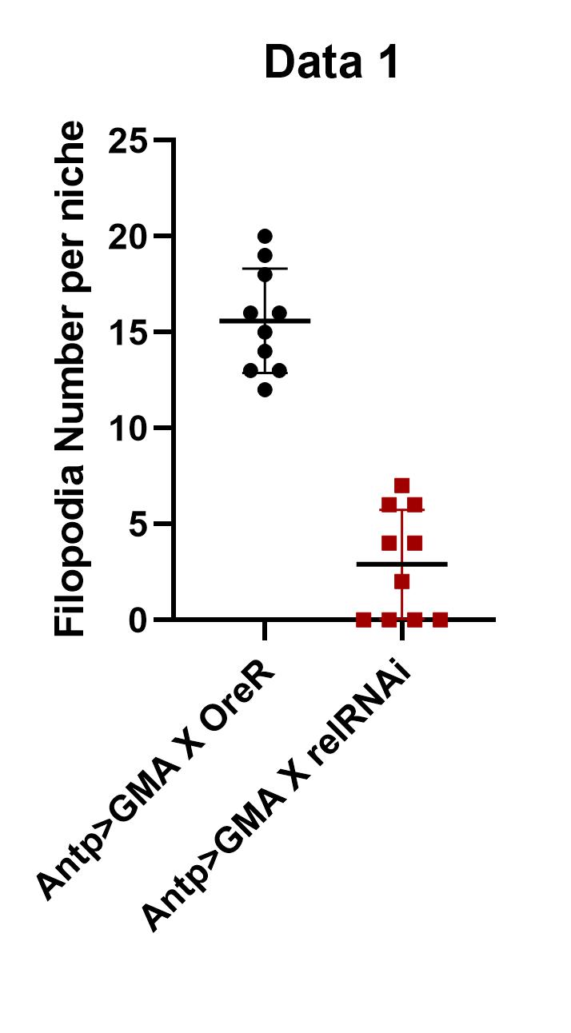
4.272
5.165
4.097
...
2.7677142857

Differentiation index Dia downr
 | pCol X UAS-diaRNAi
 | S.no. | Diff Cells | Total Cells | Diff Index
 | 1 | 14529.61 | 27454.96 | 0.52921621448
 | 2 | 17650.964 | 21692.905 | 0.81367451708
 | 3 | 9696.529 | 16194.602 | 0.59875068248
 | 4 | 9700.346 | 21088.532 | 0.45998204142
 | 0.37100597504
 | 0.60003792886
 | 5 | 13369.044 | 23797.368 | 0.56178666481
 | 6 | 15450.486 | 24003.164 | 0.64368539081
 | 7 | 10855.996 | 18618.691 | 0.5830697765
Differentiation index
 | 8 | 15602.722 | 23278.425 | 0.67026536374
 | 9 | 11532.786 | 25012.768 | 0.46107595929
 | 10 | 17922.756 | 26400.762 | 0.67887267799

 |  |  | AVERAGE | 0.60003792886
 |  |  | STD DEV | 0.10769660743
...
4.2855343854E-05

pCOLGAL4Xw1118
pColGAL4Xdia RNAi

Filopodia length in dia RNAi
...
2.119
1.704
3.546
4.675
7.308
2.02
1.585
3.556
1.428
4.426
 | 5.128136
 | 2.2396451613
2.032
1.684
Filopodial length per niche
2.887
2.887
3.274
2.525
2.385
1.442
6.735
3.943
2.571
3.633
5.683
4.856
2.179
2.569
2.263
3.249
AntpGAL4Xw1118
6.846
AntpGAL4XDia RNAi
4.285
2.913
2.913
3.733
4.042
2.412
4.474
5.578
15.688
12.485
2.978
3.03
...

Filopodia number in Dia RNAi
...
Filopodia number per niche
Filopodia per sample
 | 14
 | 6
 | 4 | Average | 15.625 | 7.75
 | 6 | Standard deviation | 3.961871852 | 3.2403703492
 | 8
 | 6
 | 7
 | 11
 | 62
 | 7.75
 | 3.2403703492
...
AntpGAL4Xw1118
AntpGAL4XDia RNAi

DE-Cad level in Dia RNAi
Progenitor index

 | 0.4422
 | 0.2473
 | Sl/No | AntpGFP/+ | AntpGFPXDia RNAi
 | 1 | 0.54 | 0.22
 | 2 | 0.468 | 0.235
Medullary zone area/Total area of the lymph glang
 | 3 | 0.36 | 0.405
 | 4 | 0.461 | 0.328
 | 5 | 0.377 | 0.303
 | 6 | 0.374 | 0.284
 | 7 | 0.477 | 0.243
 | 8 | 0.471 | 0.15
 | 9 | 0.426 | 0.143
 | 10 | 0.468 | 0.162
 | Sum | 4.422 | 2.473
 | Average | 0.4422 | 0.2473
 | Standard deviation | 0.056971337823 | 0.08456956374
 | Ttest | 1.8109968168E-05
AntpGFP/+
AntpGFPXDia RNAi

DE-Cad level in Ena Rescue
...
Medullary zone area/Total area of the lymph gland
 | Sl/no | AntpGFP/+ | AntpGFPXRel RNAi | AntpGFPXEna RNAi; Rel RNAi
 | 1 | 0.291 | 0.176 | 0.327
 | 2 | 0.425 | 0.067 | 0.263
 | 3 | 0.418 | 0.128 | 0.337
 | 4 | 0.332 | 0.204 | 0.406
 | 5 | 0.655 | 0.318 | 0.301
 | 6 | 0.523 | 0.212 | 0.353
 | 7 | 0.328 | 0.197 | 0.226
 | 8 | 0.572 | 0.254 | 0.237
 | 9 | 0.318 | 0.215 | 0.387
 | 10 | 0.428 | 0.06 | 0.422
sum |  | 4.29 | 1.831 | 3.259
average |  | 0.429 | 0.1831 | 0.3259
standard deviation |  | 0.12086447874 | 0.079879701218 | 0.068882266707
Ttest |  | 6.8502580678E-05 | 0.00046935621108 | 0.034048556327
AntpGFP/+
AntpGFP/Rel RNAi
AntpGFP/Ena RNAi;
Rel RNAi

Differentaition index in EnaKD
...
Differentiation index
Sl/no | AntpGFP/+ | AntpGFPXRel RNAi | AntpGFPXEna RNAi; Rel RNAi
1 | 0.345 | 0.803 | 0.491
2 | 0.477 | 0.746 | 0.578
3 | 0.672 | 0.785 | 0.742
4 | 0.428 | 0.94 | 0.734
5 | 0.682 | 0.84 | 0.596
6 | 0.572 | 0.717 | 0.58
7 | 0.32 | 0.722 | 0.514
8 | 0.195 | 0.714 | 0.661
9 | 0.266 | 0.729 | 0.479
10 | 0.38 |  | 0.593
11 |  |  | 0.7

AntpGFP/Rel RNAi
AntpGFP/+
AntpGFP/Ena RNAi;
Rel RNAi
 | 4.337 | 6.996 | 5.968
 | 0.4337 | 0.77733333333 | 0.5968
 | 0.16608368038 | 0.075113247833 | 0.092259055563
 | 5.5033941664E-05 | 0.00024493147251 | 0.011807148502

Ext Hh quantitation enai reli
...
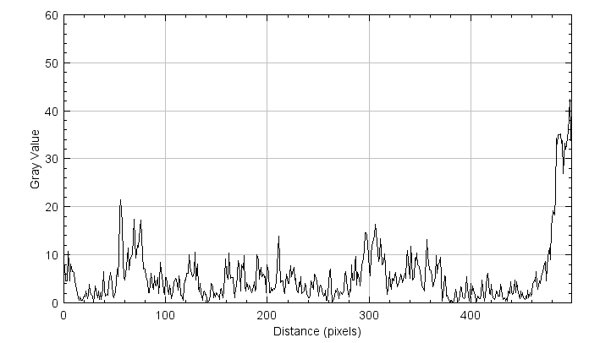
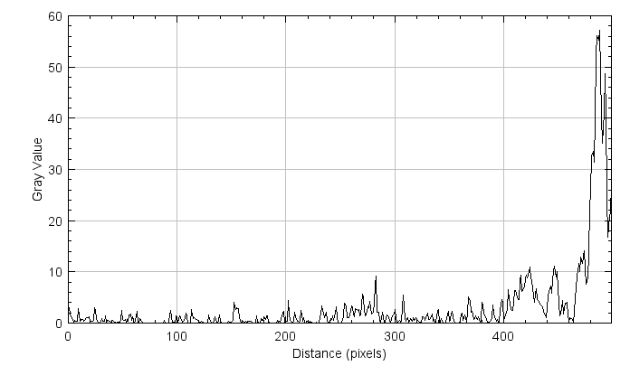
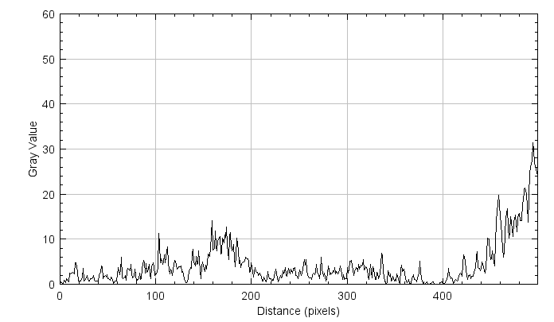
Antp-Gal4 X ena-RNAi; Rel-RNAi | Antp-Gal4/+ | Antp-Gal4 X Rel-RNAi | Antp-Gal4 X ena-RNAi; Rel-RNAi
Distance_(pixels),Gray_Value
0,0.8400
1,0.4000
2,0.3133
3,0.2533
4,0.8333
5,0.6800
6,0.4000
7,1.1533
8,0.6333
9,0.4533
10,2.4733
11,2.3067
12,2.4733
13,2.6933
14,2.4533
15,2.3000
16,4.7733
...

Ext Hh quantitation diai
...
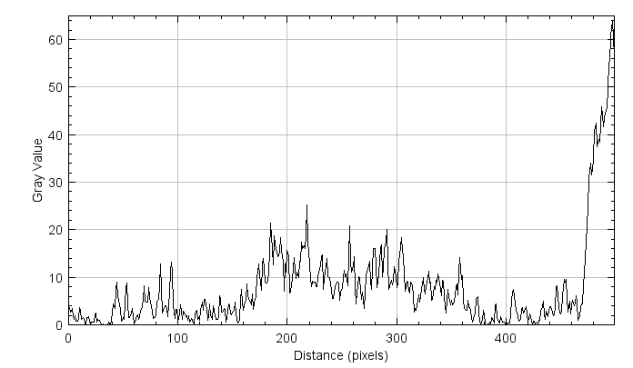
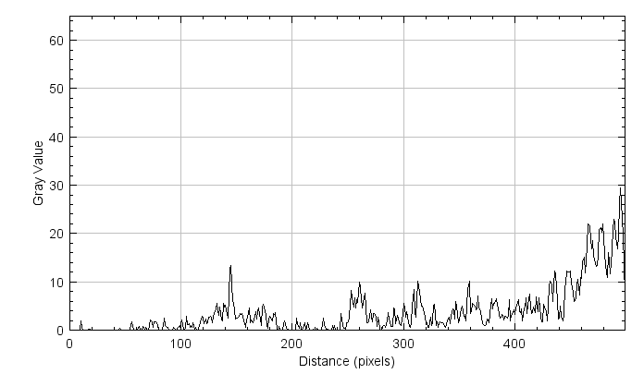
Antp-Gal4/+ | Antp-Gal4 X dia-RNAi | Antp-Gal4/+ | Antp-Gal4 X dia-RNAi
Distance_(pixels),Gray_Value | Distance_(pixels),Gray_Value
0,3.6733 | 0,0.0000
1,3.6600 | 1,0.0000
2,2.7133 | 2,0.0000
3,3.4800 | 3,0.0000
4,1.7533 | 4,0.0000
5,1.2067 | 5,0.0000
6,1.8933 | 6,0.0000
7,0.8400 | 7,0.0000
8,0.7267 | 8,0.0000
9,1.4000 | 9,0.1667
10,3.6933 | 10,1.9867
11,3.0667 | 11,0.3667
12,1.2333 | 12,0.0000
13,1.5733 | 13,0.0000
14,1.2933 | 14,0.0000
15,0.2000 | 15,0.0000
16,0.1333 | 16,0.0867
17,1.5000 | 17,0.1933
18,1.6533 | 18,0.1133
19,0.5267 | 19,0.0000
...

