TREGFP intensity analysis
Mean fluorecence intensity of TRE-GFP

serial no | AntpGFPXw1118 | AntpGFPxRelRNAi
1 | 1.209 | 51.858
2 | 0.748 | 47.375
3 | 2.723 | 53.995
4 | 0.971 | 49.214
5 | 0.419 | 57.042
6 | 1.652 | 53.237
7 | 3.285 | 46.402
8 | 4.389 | 55.464
Mean fluorescence intensity of TRE-GFP expression in the niche.
 | 1.9852666667
 | 52.3628
9 | 1.897 | 46.986
10 | 3.209 | 49.964
11 | 1.295 | 53.15
12 | 2.79 | 56.689
13 | 0.756 | 50.386
14 | 2.121 | 58.699
15 | 2.315 | 54.981

sum | 29.779 | 785.442
Average | 1.9852666667 | 52.3628
Standard deviation | 1.1340674877 | 3.8769442717
Ttest | 4.2451718419E-19

AntpGFPXw1118
AntpGFPXRel RNAi

niche proliferation in JNK loss
Niche cell proliferation Rescue

serial no | AntpGFPxw1118 | AntpGFPxRelRNAi | AntpGFPxbskDN | AntpGFPxBskDN;RelRNAi
1 | 50 | 192 | 52 | 104
2 | 44 | 154 | 47 | 85
3 | 54 | 195 | 53 | 70
4 | 47 | 205 | 50 | 75
5 | 44 | 143 | 41 | 80
6 | 42 | 154 | 50 | 73
Number of cells in the niche
7 | 52 | 168 | 60 | 101
8 | 45 | 136 | 55 | 85
9 | 42 | 188 | 46 | 91
10 | 52 | 150 | 55 | 88
11 | 47 |  | 43 | 90
12 | 51 |  | 60 | 95
13 | 47 |  |  | 105
 |  |  |  | 102
 |  |  |  | 80
 |  |  |  | 96

sum | 617 | 1685 | 612 | 1420
average | 47.461538462 | 168.5 | 51 | 88.75
standard devaition | 4.0128000327 | 24.577541691 | 6.0752852533 | 11.227941337
ttest | 5.6756615017E-08 | 8.0208598127E-07 | 0.10490335845
AntpGFP x w1118
AntpGFP x Rel RNAi
AntpGFP x BskDN
AntpGFP x BskDN; Rel RNAi

Differentiation index
Differentiation index

Area of P1 positive cells/total area of lymph gland
serial no | AntpGFPxw1118 | AntpGFPxRelRNAi | AntpGFPxbskDN | AntpGFPx bskDN;Reli
1 | 0.17722929041 | 0.523 | 0.13228218 | 0.228
2 | 0.1044048305 | 0.594 | 0.17127859 | 0.389
3 | 0.17262769446 | 0.562 | 0.10169282 | 0.185
4 | 0.2157015206 | 0.552 | 0.169818993 | 0.281
5 | 0.13218485611 | 0.575 | 0.260291365 | 0.309
6 | 0.16481557686 | 0.746 | 0.12249688 | 0.279
7 | 0.23180760029 | 0.641 | 0.161871416 | 0.337
8 | 0.13009865749 | 0.718 | 0.093464503 | 0.245
9 | 0.12630581696 | 0.526 | 0.105146321 | 0.149
10 |  | 0.7388 | 0.111387981 | 0.285

sum | 1.1987713692 | 6.1758 | 1.429731049 | 2.687
average | 0.17125305275 | 0.61758 | 0.1429731049 | 0.2687
standard deviation | 0.044190071437 | 0.087502302192 | 0.05028788609 | 0.070581788649
AntpGFPXw1118
ttest | 1.5527053621E-09 | 1.799977465E-08 | 0.39297932342
AntpGFPXRel RNAi
AntpGFPXBskDN
AntpGFPXBskDN;Rel RNAi

DE-cad level in JNK loss
Progenitor index
 | serial no | AntpGFPxw1118 | AntpGFPxRelRNAi | AntpGFPxBskDN | AntpGFPxBskDN;RelRNAi
 | 1 | 0.561 | 0.173 | 0.524 | 0.507
Area of proeitor cells/total area of lymph gland
 | 2 | 0.581 | 0.15 | 0.56 | 0.583
 | 3 | 0.48 | 0.321 | 0.511 | 0.584
 | 4 | 0.395 | 0.196 | 0.464 | 0.594
 | 5 | 0.491 | 0.259 | 0.435 | 0.512
 | 6 | 0.56 | 0.341 | 0.642 | 0.494
 | 7 | 0.453 | 0.328 | 0.549 | 0.395
 | 8 | 0.403 | 0.347 | 0.672 | 0.533
 | 9 | 0.417 | 0.133 | 0.521 | 0.712
 | 10 | 0.619 | 0.23 | 0.341 | 0.603

sum |  | 4.96 | 2.478 | 5.219 | 5.517
average |  | 0.496 | 0.2478 | 0.5219 | 0.5517
standard deviation |  | 0.08020529215 | 0.08285301577 | 0.095970423685 | 0.084293205209
ttest |  | 2.2688940981E-06 | 1.9479641306E-07 | 0.52110839444
AntpGFPXw1118
AntpGFPXBskDN
AntpGFPXRel RNAi
AntpGFPXBskDN;Rel RNAi

tak12 niche proliferation
Tak12 Niche prolifertion rescue
serial no | AntpGFPxw1118 | AntpGFPxRelRNAi | AntpGFPxtak12 | AntpGFPxtak12;RelRNAi
1 | 51 | 150 | 45 | 82
2 | 53 | 172 | 54 | 86
3 | 50 | 167 | 61 | 89
4 | 52 | 156 | 49 | 81
5 | 47 | 161 | 35 | 101
Number of cells in the niche
 | 49.2
 | 161
 | 54.8
 | 87
6 | 51 | 195 | 40 | 95
7 | 47 | 152 | 69 | 74
8 | 44 | 148 | 68 | 92
9 | 52 | 144 | 71 | 80
10 | 45 | 165 | 56 | 90

sum | 492 | 1610 | 548 | 870
Average | 49.2 | 161 | 54.8 | 87
Standard Deviation | 3.1902629637 | 14.959203782 | 12.55919318 | 8.0138768534
Ttest | 6.9080455031E-10 | 1.89586921E-09 | 0.20123235653

AntpGFPXw1118
AntpGFPXRel RNAi
AntpGFPX tak12 ; Rel RNAi

Differentiation index in tak12
Differentiation Rescue in Tak12 muutant

serial no | AntpGFPxw1118 | AntpGFPxRelRNAi | AntpGFPxtak12 | AntpGFPxtak12;Rel RNAi
1 | 0.36960697802 | 0.702 | 0.384 | 0.48985619897
2 | 0.3391047049 | 0.752 | 0.191 | 0.45115966081
3 | 0.58882890943 | 0.817 | 0.315 | 0.3587040504
4 | 0.55559273109 | 0.51 | 0.181 | 0.51678898739
5 | 0.2505194164 | 0.556 | 0.191 | 0.34661840969
6 | 0.22047184883 | 0.523 | 0.233 | 0.44411857791
7 | 0.50587626596 | 0.461 | 0.454 | 0.47263741871
Area of P1 positive cells/total area of lymph gland
8 | 0.49990770734 | 0.686 | 0.267 | 0.42858480298
9 | 0.5488581194 | 0.753 | 0.6 | 0.40112065136
10 | 0.21790427668 | 0.692 | 0.228 | 0.33549923223
11 | 0.45580023024 | 0.732
12 | 0.36108945858

sum | 4.9135606469 | 7.184 | 3.044 | 4.2450879905
Average | 0.40946338724 | 0.65309090909 | 0.3044 | 0.42450879905
Standard Deviation | 0.1345477891 | 0.11898357411 | 0.13722989632 | 0.062432711931
Ttest | 0.00015240706576 | 7.6919881549E-06 | 0.11534951292 | 4.7468054986E-05

AntpGFPXw1118
AntpGFPXRel RNAi
AntpGFPXTak12
AntpGFPX tak12 ; Rel RNAi

DE-cad level in tak1 loss
Progenitor index
 | serial no | AntpGFPxw1118 | AntpGFPxRelRNAi | AntpGFPxtak12 | AntpGFPxtak12;Reli
 | 1 | 0.561 | 0.173 | 0.534 | 0.473
 | 2 | 0.581 | 0.15 | 0.577 | 0.542
 | 3 | 0.48 | 0.321 | 0.547 | 0.358
 | 4 | 0.395 | 0.196 | 0.638 | 0.607
Area of proeitor cells/total area of lymph gland
 | 5 | 0.491 | 0.259 | 0.316 | 0.563
 | 6 | 0.56 | 0.341 | 0.494 | 0.359
 | 7 | 0.453 | 0.328 | 0.338 | 0.364
 | 8 | 0.403 | 0.347 | 0.428 | 0.334
 | 9 | 0.417 | 0.133 | 0.432 | 0.384
 | 10 | 0.619 | 0.23 | 0.722 | 0.36

Sum |  | 4.96 | 2.478 | 5.026 | 4.344
Average |  | 0.496 | 0.2478 | 0.5026 | 0.4344
Standard deviation |  | 0.08020529215 | 0.08285301577 | 0.12801840146 | 0.10221458909
Ttest |  | 2.2688940981E-06 | 0.0003151144853 | 0.89193974725

AntpGFPXw1118
AntpGFPXRel RNAi
AntpGFPXTak12
AntpGFPX tak12 ; Rel RNAi

niche proliferation in hep act
Niche cell proliferation in JNK overexpression

Serial no | AntpGFPXW1118 | AntpGFPXUAS hepact
1 | 57 | 70
2 | 40 | 75
3 | 61 | 68
4 | 56 | 96
Number of cells in the niche
5 | 61 | 110
6 | 45 | 85
7 | 56 | 72
8 | 43 | 81
9 | 48 | 66

sum | 467 | 723
average | 51.888888889 | 80.333333333
standard deviation | 7.9756574093 | 14.620191517
ttest | 0.00022835958635

AntpGFPXw1118
AntpGFPXUAS hep act

Differentiation index in Hepact
Differentiation index in Hep act
 | serial no | AntpGFPxw1118 | AntpGFPxUAS hep act
 | 1 | 0.58197839253 | 0.79237126429
 | 2 | 0.52825147677 | 0.69081982701
 | 3 | 0.53656577834 | 0.53689954017
 | 4 | 0.51966587333 | 0.7238677266
 | 5 | 0.5454357344 | 0.79572399395
 | 6 | 0.63380278643 | 0.68315632749
 | 7 | 0.5810585394 | 0.83854004983
Area of P1 positive cells/total area of lymph gland
 | 8 | 0.41826288249 | 0.50424542892
 | 9 | 0.52819307029 | 0.71197454585
 | 10 | 0.50750322151 | 0.62060315944

sum |  | 5.3807177555 | 6.8982018636
average |  | 0.53807177555 | 0.68982018636
standard deviation |  | 0.056586204559 | 0.10962517261
ttest |  | 0.0017467774195

AntpGFPXw1118
AntpGFPXUAS hep act

Fluorescence intensity of Ena
Mean Fluorescence intensity of Enabled

serial no | AntpGFPxw1118 | AntpGFPxUAS hepact
1 | 12.077 | 26.269
2 | 10.271 | 27.971
3 | 15.265 | 35.031
4 | 13.339 | 25.18
5 | 11.329 | 28.818
6 | 13.867 | 30.28
7 | 13.897 | 24.441
Mean fluorescence intensity of Enabled expression in the niche.
8 | 12.852 | 25.519
9 | 14.276 | 21.616
10 | 16.059 | 23.424

sum | 133.232 | 268.549
average | 13.3232 | 26.8549
standard deviation | 1.7592938482 | 3.8536652236
ttest | 2.1131003051E-07

AntpGFPXw1118
AntpGFPXUAS hep act

Niche proliferation rescue
Niche cell proliferation in JNK overexpression

Serial no | AntpGFPXW1118 | AntpGFPXUAS hepact | AntpGFPXUAS wg RNAi | AntpGFPxUAS hepact; wg RNAi
1 | 54 | 70 | 40 | 41
2 | 40 | 75 | 39 | 39
3 | 51 | 68 | 34 | 46
4 | 44 | 96 | 43 | 35
5 | 37 | 110 | 41 | 37
6 | 45 | 85 | 37 | 41
7 | 41 | 72 | 34 | 63
8 | 43 | 81 | 53 | 40
9 | 48 | 66 | 54 | 54
10 | 49 | 66 | 38 | 45

Sum | 452 | 789 | 413 | 441
Average | 45.2 | 78.9 | 41.3 | 44.1
Standard deviation | 5.287301349 | 14.510149704 | 7.024560089 | 8.530338016
ttest | 2.2027325141E-05 | 1.0877448063E-05 | 0.1789924893

AntpGFPXw1118
AntpGFPXUAS hep act
AntpGFPXUAS wg RNAi
AntpGFPXUAS hep act; wg RNAi

Filopodia quantitation
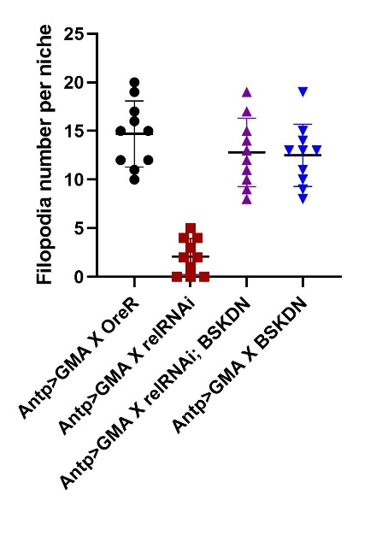
 | Control I |  |  |  | Experiment |  |  |  | Rescue |  |  |  | Control II
Antp>GMA X OreR |  |  |  | Antp>GMA X relRNAi |  |  |  | Antp>GMA X relRNAi; UAS BSKDN |  |  |  | Antp>GMA X UAS BSKDN
S. no. | Filopodia per sample |  |  | S. no. | Filopodia per sample |  |  | S. no. | Filopodia per sample |  |  | S. no. | Filopodia per sample
1 | 10 |  |  | 1 | 4 |  |  | 1 | 10 |  |  | 1 | 13
2 | 20 |  |  | 2 | 2 |  |  | 2 | 13 |  |  | 2 | 14
3 | 15 |  |  | 3 | 4 |  |  | 3 | 15 |  |  | 3 | 8
4 | 15 |  |  | 4 | 5 |  |  | 4 | 8 |  |  | 4 | 10
5 | 11 |  |  | 5 | 0 |  |  | 5 | 19 |  |  | 5 | 9
6 | 12 |  |  | 6 | 3 |  |  | 6 | 9 |  |  | 6 | 11
7 | 17 |  |  | 7 | 0 |  |  | 7 | 12 |  |  | 7 | 13
8 | 12 |  |  | 8 | 1 |  |  | 8 | 17 |  |  | 8 | 15
9 | 16 |  |  | 9 | 2 |  |  | 9 | 14 |  |  | 9 | 19
10 | 19 |  |  | 10 | 0 |  |  | 10 | 11 |  |  | 10 | 13
Average | 14.7 |  |  | Average | 2.1 |  |  | Average | 12.8 |  |  | Average | 12.5
Std Dev | 3.4009802508 |  |  | Std Dev | 1.8529256146 |  |  | Std Dev | 3.5213633723 |  |  | Std Dev | 3.2058973436
 |  | p-value | 6.9680601436E-08 |  |  | p-value | 8.1174975142E-07 |  |  | p-value | 0.15398667531

 | Antp>GMA X OreR |  |  |  |  |  |  | Antp>GMA X relRNAi |  |  |  |  |  |  | Antp>GMA X relRNAi; BSKDN |  |  |  |  |  | Antp>GMA X BSKDN
S. No. | 1 | 2 | 3 | 4 | 5 | 6 |  | 1 | 2 | 3 | 4 | 5 | 6 |  | 1 | 2 | 3 | 4 | 5 | 6 | 1 | 2 | 3 | 4 | 5 | 6
1 | 3.002 | 4.954 | 15.428 | 4.751 | 29.203 | 4.083 |  | 0.796 | 0.563 | 1.678 | 2.306 | 3.245 | 1.563 |  | 3.357 | 11.785 | 3.391 | 3.391 | 3.707 | 4.743 | 11.292 | 11.895 | 14.741 | 3.995 | 11.194 | 5.202
2 | 3.776 | 3.002 | 16.878 | 3.228 | 3.594 | 5.904 |  | 0.774 | 0.774 | 1.466 | 1.517 | 1.799 | 1.748 |  | 5.153 | 2.552 | 2.314 | 1.341 | 4.113 | 4.933 | 11.196 | 5.657 | 4.463 | 2.872 | 8.206 | 5.406
3 | 2.073 | 5.19 | 10.463 | 3.032 | 4.724 | 11.656 |  | 0.938 |  | 1.513 | 2.275 | 2.579 | 1.367 |  | 3.196 | 2.858 | 4.022 | 3.138 | 4.006 | 5.527 | 4.408 | 4.202 | 3.228 | 2.96 | 3.3 | 5.666
4 | 5.105 | 11.246 | 8.392 | 2.858 | 9.05 | 2.763 |  | 0.42 |  | 1.858 | 3.262 |  |  |  | 3.61 | 4.911 | 3.228 | 1.952 | 3.471 | 2.634 | 37.692 | 8.792 | 2.992 | 2.206 | 7.47 | 3.601
5 | 6.664 | 5.844 | 10.171 | 6.831 | 9.549 | 5.078 |  |  |  |  | 1.528 |  |  |  | 4.133 | 4.196 | 2.694 | 1.367 | 4.755 | 2.051 | 13.94 | 6.341 | 4.762 | 1.973 | 3.164 | 5.435
6 | 4.051 | 6.308 | 4.879 | 8.664 | 5.139 | 4.067 |  |  |  |  |  |  |  |  | 2.667 | 3.45 | 2.654 | 1.867 | 1.916 | 6.259 | 2.981 | 1.333 | 2.823 | 3.12 | 1.79 | 5.465
7 | 3.643 | 4.911 | 4.217 | 7.153 | 3.362 | 4.98 |  |  |  |  |  |  |  |  | 3.976 | 1.886 | 2.211 | 2.818 | 7.259 | 11.345 | 2.242 | 5.78 | 2.735 | 4.762 | 4.022 | 2.609
8 | 4.936 | 10.03 | 6.963 | 3.989 | 4.318 | 3.832 |  |  |  |  |  |  |  |  | 2.468 | 2.815 | 2.428 | 4.442 | 3.662 | 3.127 | 1.802 | 2.768 | 3.466 | 2.515 | 11.49 | 9.637
9 | 4.98 | 3.941 | 7.737 | 7.17 | 15.239 | 10.486 |  |  |  |  |  |  |  |  | 8.147 | 5.658 | 1.367 |  | 2.091 | 1.877 | 1.751 | 5.316 |  | 4.243 | 4.178 | 5.443
10 | 4.179 | 5.972 | 5.793 | 2.283 | 3.988 | 5.577 |  |  |  |  |  |  |  |  | 1.547 | 2.26 | 2.465 |  | 5.544 |  | 2.242 | 7.687 |  | 4.606 |  | 2.06
11 |  | 9.202 | 3.624 | 4.279 | 4.176 | 2.829 |  |  |  |  |  |  |  |  |  | 1.959 | 1.717 |  | 2.197 |  | 2.438 | 3.915 |  |  |  | 4.819
12 |  | 9.379 | 3.61 | 3.61 |  | 2.446 |  |  |  |  |  |  |  |  |  | 1.932 | 1.517 |  | 5.89 |  | 2.336 | 5.78
13 |  | 6.546 | 4.6 | 2.552 |  |  |  |  |  |  |  |  |  |  |  | 3.383 | 3.228 |  | 2.641 |  | 2.115 | 2.981
14 |  | 3.739 | 6.372 | 2.073 |  |  |  |  |  |  |  |  |  |  |  |  | 2.714 |  | 2.763 |  |  | 1.785
15 |  | 7.054 | 10.658 | 2.188 |  |  |  |  |  |  |  |  |  |  |  |  | 25.493 |  | 3.047
16 |  | 7.243 |  |  |  |  |  |  |  |  |  |  |  |  |  |  |  |  | 1.363
17 |  | 14.248 |  |  |  |  |  |  |  |  |  |  |  |  |  |  |  |  | 1.422
18 |  | 10.135 |  |  |  |  |  |  |  |  |  |  |  |  |  |  |  |  | 1.625
19 |  | 11.154 |  |  |  |  |  |  |  |  |  |  |  |  |  |  |  |  | 2.041
20 |  | 7.555

Average | 4.2409 | 7.38265 | 7.9856666667 | 4.3107333333 | 8.3947272727 | 5.3084166667 |  | 0.732 | 0.6685 | 1.62875 | 2.1776 | 2.541 | 1.5593333333 |  | 3.902 | 5.7316666667 | 3.2423333333 | 2.6233333333 | 3.942 | 5.0676666667 | 8.9653333333 | 7.2513333333 | 7.4773333333 | 3.2756666667 | 7.5666666667 | 5.4246666667

 |  |  |  |  |  |  |  |  |  |  |  |  |  |  |  |  |  |  |  |  |  |  |  |  |  | p-value | 0.22398763942

 |  |  |  |  |  | p-value | 2.7881614054E-16 |  |  |  |  |  | p-value | 1.8442696972E-06

Extracellular Hedgehog quantita
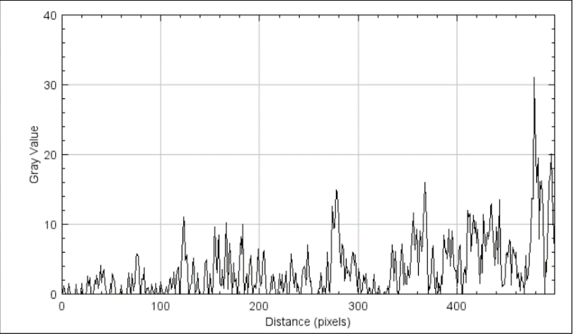
Control (Antp>OreR) |  | Experiment (Antp>relRNAi) |  | Rescue (Antp>relRNAi>UAS-bskDN)
Distance_(pixels) | Gray_Value | Distance_(pixels) | Gray_Value | Distance_(pixels) | Gray_Value
0 | 2.2 | 0 | 1.0867 | 0 | 0
1 | 3.48 | 1 | 0 | 1 | 0.48
2 | 2.14 | 2 | 0 | 2 | 1.22
3 | 1.5933 | 3 | 0 | 3 | 0
4 | 0.8267 | 4 | 1.16 | 4 | 0
5 | 5.0733 | 5 | 3.4 | 5 | 0
6 | 2.68 | 6 | 3.4 | 6 | 0.1467
7 | 7.4267 | 7 | 0 | 7 | 1.5267
8 | 13.02 | 8 | 0 | 8 | 0.0133
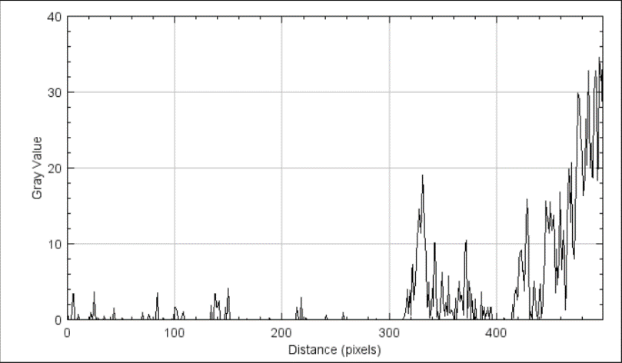
9 | 6.36 | 9 | 0 | 9 | 0
10 | 1.8933 | 10 | 0.7467 | 10 | 0
11 | 3.34 | 11 | 0 | 11 | 0
12 | 2.7133 | 12 | 0 | 12 | 0
13 | 3.96 | 13 | 0 | 13 | 0
14 | 3.8667 | 14 | 0 | 14 | 1.4133
15 | 5.06 | 15 | 0 | 15 | 0.2867
16 | 8.8333 | 16 | 0 | 16 | 0
17 | 5.3933 | 17 | 0 | 17 | 0
18 | 0.7 | 18 | 0 | 18 | 0
19 | 0 | 19 | 0 | 19 | 0.1
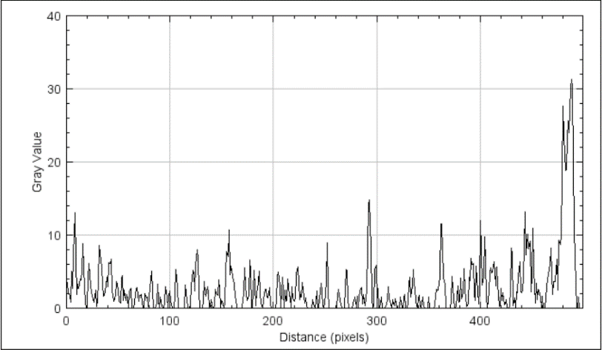
20 | 0.3 | 20 | 0 | 20 | 1.5533
21 | 4.2 | 21 | 0 | 21 | 0.0333
22 | 6.1133 | 22 | 0.9533 | 22 | 0
23 | 3.0867 | 23 | 0 | 23 | 0
24 | 2.1667 | 24 | 1.0867 | 24 | 0
25 | 1.7533 | 25 | 3.6067 | 25 | 0.6667
26 | 1.1533 | 26 | 0.54 | 26 | 2.5333
27 | 0.7667 | 27 | 0.1333 | 27 | 1.1667
28 | 2.4667 | 28 | 0.2667 | 28 | 2.4067
29 | 0.1867 | 29 | 0 | 29 | 0
30 | 1.1333 | 30 | 0 | 30 | 0
31 | 3.5867 | 31 | 0 | 31 | 0
32 | 8.56 | 32 | 0 | 32 | 0
33 | 6.52 | 33 | 0 | 33 | 1.9667
34 | 5.7 | 34 | 0.4733 | 34 | 1.44
35 | 3.2867 | 35 | 0 | 35 | 2.6733
36 | 1.6267 | 36 | 0 | 36 | 1.8333
37 | 1.7733 | 37 | 0 | 37 | 0.8133
38 | 3.0333 | 38 | 0 | 38 | 2.3667
39 | 4.18 | 39 | 0 | 39 | 4.0733
40 | 2.8933 | 40 | 0 | 40 | 1.6067
41 | 6.24 | 41 | 0 | 41 | 2.8733
42 | 6.1067 | 42 | 0 | 42 | 3.48
43 | 6.76 | 43 | 1.5667 | 43 | 1.2533
44 | 2.3 | 44 | 0.34 | 44 | 1.1133
45 | 1.74 | 45 | 0 | 45 | 0
46 | 0.9133 | 46 | 0 | 46 | 0
47 | 1.74 | 47 | 0 | 47 | 0
48 | 3.5933 | 48 | 0 | 48 | 0.0067
49 | 3.2733 | 49 | 0 | 49 | 1.48
50 | 2.38 | 50 | 0 | 50 | 0.2267
51 | 0.92 | 51 | 0.2667 | 51 | 2.94
52 | 0.6933 | 52 | 0 | 52 | 1.9733
53 | 4.08 | 53 | 0 | 53 | 1.8733
54 | 4.4467 | 54 | 0 | 54 | 0
55 | 1.0133 | 55 | 0 | 55 | 0
56 | 2.4867 | 56 | 0 | 56 | 0
57 | 1.04 | 57 | 0 | 57 | 0
58 | 1.8933 | 58 | 0 | 58 | 0
59 | 1.3067 | 59 | 0 | 59 | 0.36
60 | 0 | 60 | 0 | 60 | 1.3467
61 | 2.3933 | 61 | 0 | 61 | 0
62 | 2.68 | 62 | 0 | 62 | 0
63 | 0 | 63 | 0 | 63 | 0
64 | 0 | 64 | 0 | 64 | 0
65 | 0 | 65 | 0 | 65 | 0
66 | 0.98 | 66 | 0 | 66 | 0.1
67 | 2.74 | 67 | 0 | 67 | 3.0933
68 | 2.8067 | 68 | 0 | 68 | 1.76
69 | 1.7333 | 69 | 0 | 69 | 0.18
70 | 0.8933 | 70 | 0.8867 | 70 | 0
71 | 1.74 | 71 | 0 | 71 | 2.94
72 | 1.9333 | 72 | 0 | 72 | 0.4467
73 | 0.8 | 73 | 0 | 73 | 1.48
74 | 0.1 | 74 | 0 | 74 | 1.5867
75 | 0.04 | 75 | 0 | 75 | 5.22
76 | 2 | 76 | 0.68 | 76 | 5.8
77 | 1.3667 | 77 | 0 | 77 | 5.2533
78 | 1.5267 | 78 | 0 | 78 | 2.78
79 | 0.18 | 79 | 0 | 79 | 0
80 | 1.5533 | 80 | 0 | 80 | 0.1933
81 | 2.8 | 81 | 0 | 81 | 2.2333
82 | 5.1133 | 82 | 0 | 82 | 2.1067
83 | 2.4067 | 83 | 2.3067 | 83 | 3.76
84 | 0 | 84 | 3.5333 | 84 | 0.24
85 | 0 | 85 | 0 | 85 | 0
86 | 0 | 86 | 0 | 86 | 0.8067
87 | 0.7533 | 87 | 0 | 87 | 0.8933
88 | 3.2533 | 88 | 0 | 88 | 0
89 | 1.0867 | 89 | 0.2 | 89 | 0
90 | 0 | 90 | 0 | 90 | 0
91 | 1.5267 | 91 | 0 | 91 | 1.4267
92 | 0.1867 | 92 | 0 | 92 | 0.2733
93 | 0 | 93 | 0 | 93 | 0
94 | 0 | 94 | 0 | 94 | 0.0067
95 | 0.8 | 95 | 0 | 95 | 1.5133
96 | 2.94 | 96 | 0 | 96 | 0.1867
97 | 1.36 | 97 | 0.1333 | 97 | 0
98 | 0.0733 | 98 | 0 | 98 | 0
99 | 1.7467 | 99 | 0 | 99 | 0.62
100 | 2.3467 | 100 | 1.7 | 100 | 1.74
101 | 0.9867 | 101 | 1.7 | 101 | 1.04
102 | 0 | 102 | 1.0867 | 102 | 0
103 | 0 | 103 | 0 | 103 | 0
104 | 0.1667 | 104 | 0 | 104 | 0
105 | 1.72 | 105 | 0 | 105 | 0.6333
106 | 5.3467 | 106 | 0 | 106 | 1.0667
107 | 2.96 | 107 | 0.7467 | 107 | 0
108 | 0 | 108 | 1.02 | 108 | 0.6667
109 | 0 | 109 | 0 | 109 | 2.08
110 | 0 | 110 | 0 | 110 | 2.3333
111 | 0 | 111 | 0 | 111 | 0.6867
112 | 0 | 112 | 0 | 112 | 1.5467
113 | 0 | 113 | 0 | 113 | 3.1533
114 | 0.12 | 114 | 0 | 114 | 1.42
115 | 3.14 | 115 | 0 | 115 | 0
116 | 2.1733 | 116 | 0 | 116 | 2.5867
117 | 0.1533 | 117 | 0 | 117 | 3.7267
118 | 0 | 118 | 0 | 118 | 3.9
119 | 0 | 119 | 0 | 119 | 0
120 | 0.6133 | 120 | 0 | 120 | 0.9867
121 | 3.06 | 121 | 0 | 121 | 3.5067
122 | 5.2267 | 122 | 0 | 122 | 8.3
123 | 4.88 | 123 | 0 | 123 | 11
124 | 2.3867 | 124 | 0 | 124 | 9.9667
125 | 5.9267 | 125 | 0 | 125 | 4.8733
126 | 7.9933 | 126 | 0 | 126 | 5.6467
127 | 6.78 | 127 | 0 | 127 | 3.1733
128 | 2.2 | 128 | 0 | 128 | 0.16
129 | 0.0533 | 129 | 0 | 129 | 0
130 | 0 | 130 | 0 | 130 | 1.2933
131 | 0 | 131 | 0 | 131 | 1.5067
132 | 1.1067 | 132 | 0 | 132 | 3.9867
133 | 3.7 | 133 | 0.2667 | 133 | 5.2
134 | 2.02 | 134 | 1.9 | 134 | 2.9733
135 | 1.66 | 135 | 0 | 135 | 0.08
136 | 2.9 | 136 | 0 | 136 | 0.6733
137 | 2.2 | 137 | 3.4 | 137 | 3.0267
138 | 0.02 | 138 | 3.4 | 138 | 1.4133
139 | 0.34 | 139 | 1.6333 | 139 | 0
140 | 1.1933 | 140 | 1.7 | 140 | 0
141 | 0 | 141 | 2.4467 | 141 | 0
142 | 0 | 142 | 0 | 142 | 0
143 | 0.4733 | 143 | 0 | 143 | 0
144 | 2.6467 | 144 | 0 | 144 | 0.7333
145 | 1.9867 | 145 | 0 | 145 | 4.4467
146 | 1.82 | 146 | 0 | 146 | 4.94
147 | 3.92 | 147 | 1.7 | 147 | 1.74
148 | 2.74 | 148 | 0 | 148 | 0
149 | 0 | 149 | 1.7 | 149 | 0.0133
150 | 1.06 | 150 | 4.1467 | 150 | 2.9333
151 | 0.6333 | 151 | 0 | 151 | 0.44
152 | 0 | 152 | 0 | 152 | 0
153 | 0.8533 | 153 | 0 | 153 | 1.7533
154 | 4.8133 | 154 | 0 | 154 | 7.0733
155 | 7.7667 | 155 | 0 | 155 | 9.6333
156 | 7.0467 | 156 | 0 | 156 | 3.8933
157 | 10.74 | 157 | 0 | 157 | 3.0733
158 | 4.5467 | 158 | 0 | 158 | 7.0333
159 | 5.7333 | 159 | 0 | 159 | 8.4933
160 | 5 | 160 | 0 | 160 | 1.5
161 | 3.72 | 161 | 0 | 161 | 1.1867
162 | 3.4533 | 162 | 0 | 162 | 3.5
163 | 1.36 | 163 | 0 | 163 | 1.5467
164 | 1.16 | 164 | 0 | 164 | 0.7733
165 | 0 | 165 | 0 | 165 | 3.6
166 | 0 | 166 | 0 | 166 | 10.2333
167 | 0 | 167 | 0.1333 | 167 | 5.6733
168 | 0 | 168 | 0 | 168 | 0.7267
169 | 0 | 169 | 0 | 169 | 4.6933
170 | 0.2533 | 170 | 0 | 170 | 7.34
171 | 2.1133 | 171 | 0 | 171 | 3.2533
172 | 5.4933 | 172 | 0 | 172 | 0
173 | 2.9933 | 173 | 0 | 173 | 1.8133
174 | 1.74 | 174 | 0 | 174 | 4.4333
175 | 1.06 | 175 | 0 | 175 | 1.76
176 | 1.7867 | 176 | 0 | 176 | 2.2133
177 | 6.5867 | 177 | 0 | 177 | 0
178 | 5.2067 | 178 | 0 | 178 | 0.02
...

