Sheet2
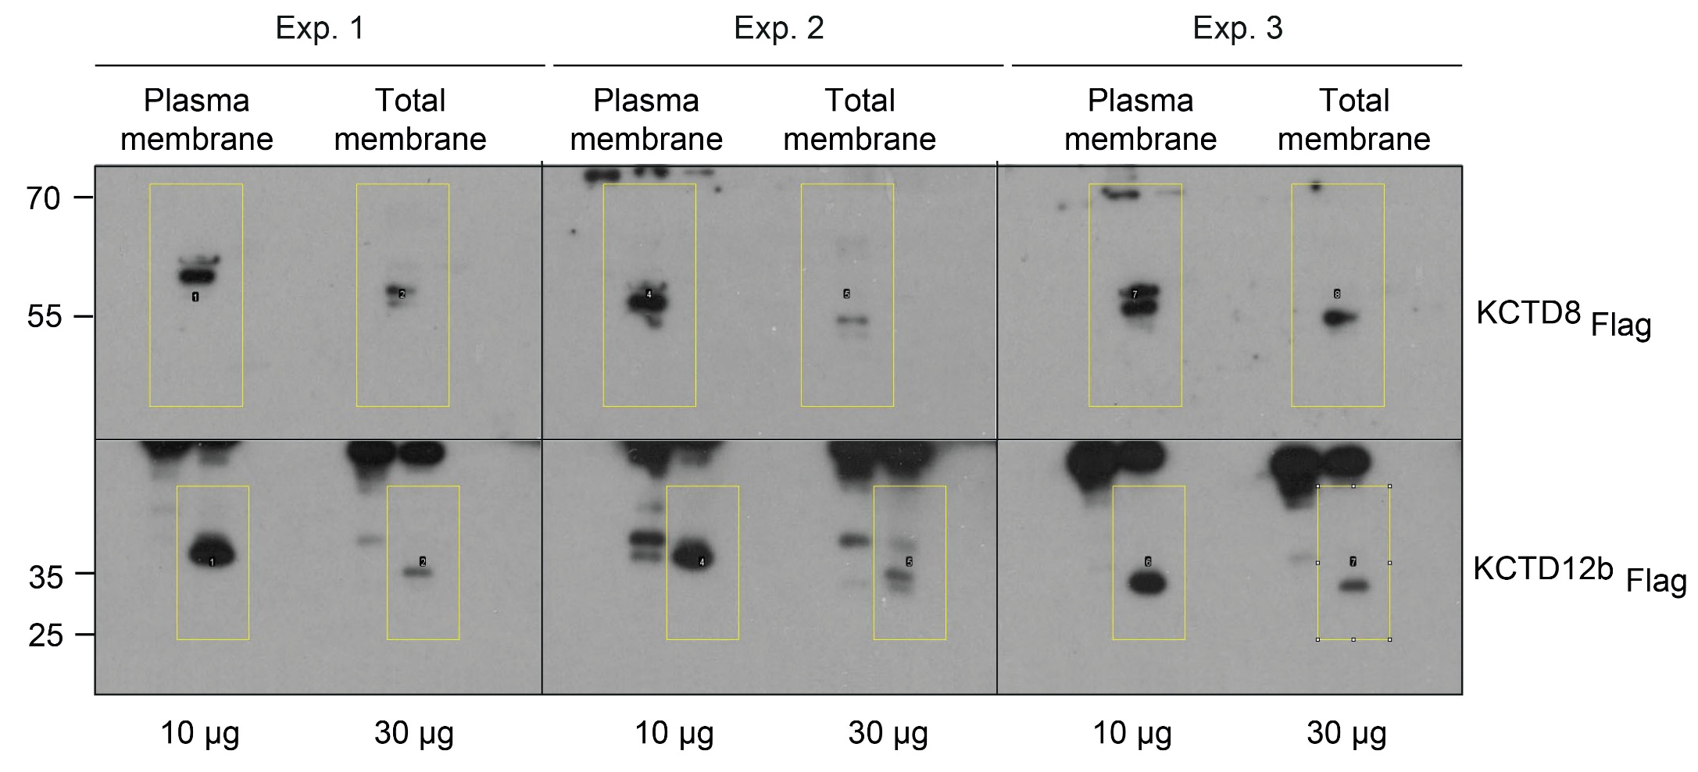

1 | Raw values (PM = Plasma membrane, TM = total membrane)

Exp. 1 |  | Exp. 1 | Exp. 2 | Exp. 2 | Exp. 3 | Exp. 3
Plasma |  | Total | Plasma | Total | Plasma | Total
membrane |  | membrane | membrane | membrane | membrane | membrane

10561.3 |  | 3853.3 | 13076.7 | 1549.7 | 15104.8 | 5484.0 | KCTD8-Flag

35819.543 |  | 5088.246 | 30888.099 | 8924.137 | 23451.38 | 7262.782 | KCTD12b-Flag

2 | ug of total membrane protein used for Western Blotting (protein concentration determined by Bradford analysis of the points)

Exp. 1 |  | Exp. 1 | Exp. 2 | Exp. 2 | Exp. 3 | Exp. 3
Plasma |  | Total | Plasma | Total | Plasma | Total
membrane |  | membrane | membrane | membrane | membrane | membrane

10.0 |  | 30.0 | 10.0 | 30.0 | 10.0 | 30.0 | KCTD8-Flag

10.0 |  | 30.0 | 10.0 | 30.0 | 10.0 | 30.0 | KCTD12b-Flag

3 | Normalized values 1: Raw values divided per ug total protein

Exp. 1 |  | Exp. 1 | Exp. 2 | Exp. 2 | Exp. 3 | Exp. 3
Plasma |  | Total | Plasma | Total | Plasma | Total
membrane |  | membrane | membrane | membrane | membrane | membrane

1056.1 |  | 128.4 | 1307.7 | 51.7 | 1510.5 | 182.8 | KCTD8-Flag

3582.0 |  | 169.6 | 3088.8 | 297.5 | 2345.1 | 242.1 | KCTD12b-Flag

4 | Average of all "Total membrane" points (Exp. 1 - 3):

121.0 |  | KCTD8-Flag

236.4 |  | KCTD12b-Flag

4 | Fold-increase of KCTD signal at the plasma membrane (PM) compared to the averaged KCTD signal in total membrane (TM)

Exp. 1 |  | Exp. 1 | Exp. 2 | Exp. 2 | Exp. 3 | Exp. 3
Plasma |  | Total | Plasma | Total | Plasma | Total
membrane |  | membrane | membrane | membrane | membrane | membrane

8.7 |  | 1.1 | 10.8 | 0.4 | 12.5 | 1.5 | KCTD8-Flag

15.2 |  | 0.7 | 13.1 | 1.3 | 9.9 | 1.0 | KCTD12b-Flag

