M2020091501#
CamKII is not good
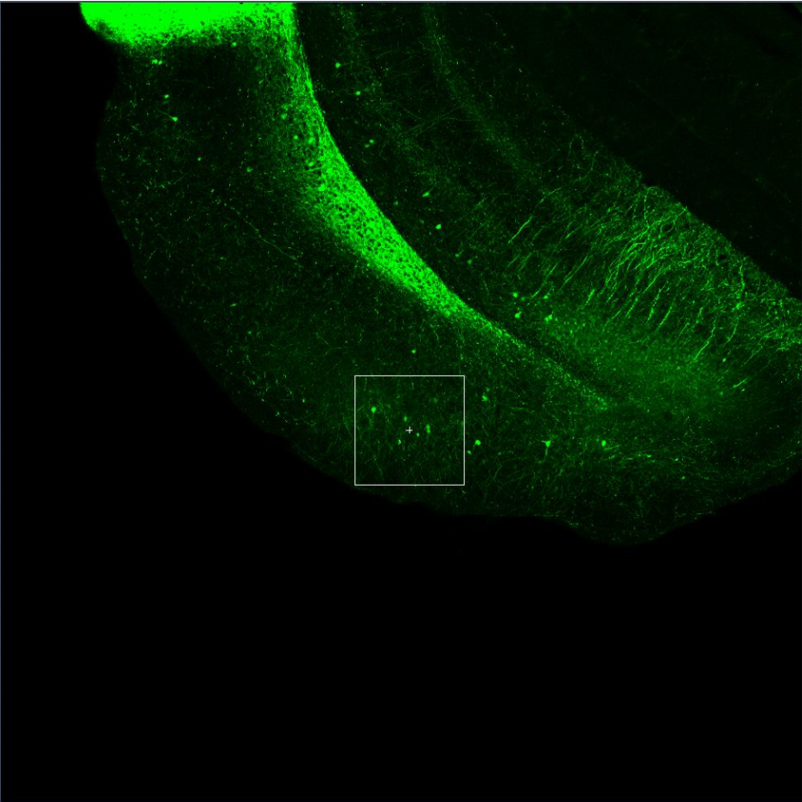

 |  |  | EYFP+ | GAD+ | Double+
Slice | Scope | Slice | Type 1 | Type 2 | Type 3 | Type 4 | Type 5 | Type 6 | Type 7 | Type 8 |  | C-pos | Z-pos | T-pos
1 | 1 | 1 | 0 | 12 | 0 | 0 | 0 | 0 | 0 | 0 | 1 | 1 | 1
 |  | 2 | 0 | 0 | 0 | 0 | 0 | 0 | 0 | 0 | 2 | 1 | 1
 |  | 3 | 10 | 0 | 0 | 0 | 0 | 0 | 0 | 0 | 3 | 1 | 1
 |  |  |  |  |  |  |  |  |  |  |  |  |  |  | M2020091501#
 |  | Total | 10 | 12 | 0 | 0 | 0 | 0 | 0 | 0 |  |  |  |  | Slice | Scope | GAD+ EYFP+ / EYFP+
 |  |  |  |  |  |  |  |  |  |  |  |  |  |  | 1 | 1 | 0
 |  | GAD+ EYFP+ / EYFP+ |  | 0 |  |  |  |  |  |  |  |  |  |  | 2 | 1 | 0

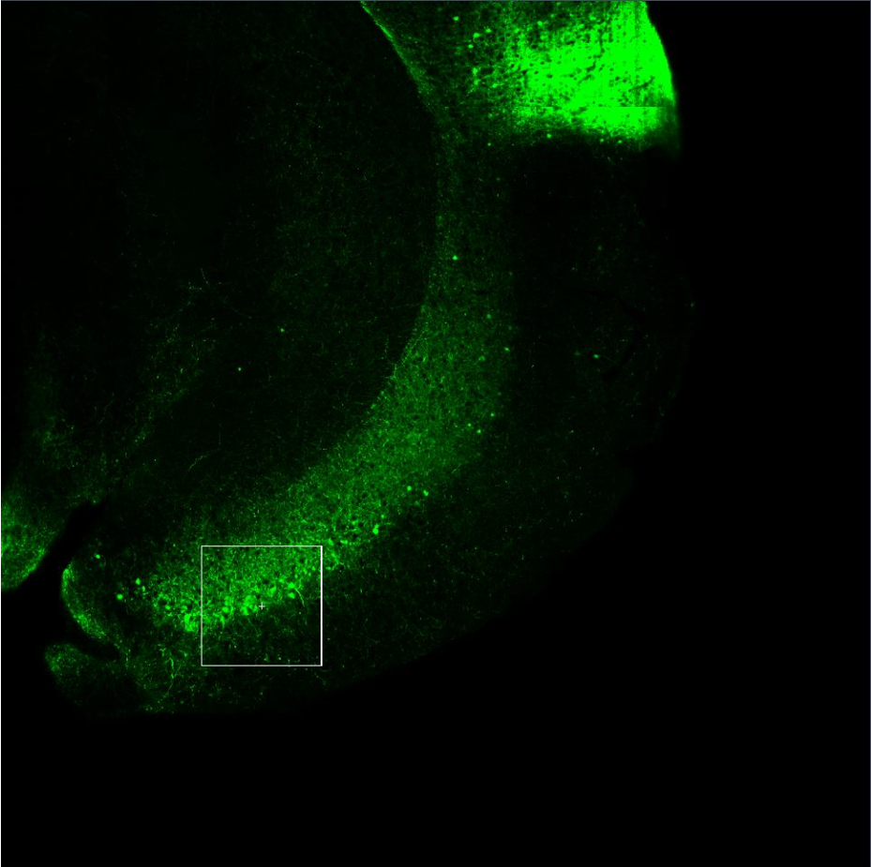
 |  |  | EYFP+ | GAD+ | Double+
Slice | Scope | Slice | Type 1 | Type 2 | Type 3 | Type 4 | Type 5 | Type 6 | Type 7 | Type 8 |  | C-pos | Z-pos | T-pos
2 | 1 | 1 | 17 | 0 | 0 | 0 | 0 | 0 | 0 | 0 | 1 | 1 | 1
 |  | 2 | 0 | 10 | 0 | 0 | 0 | 0 | 0 | 0 | 2 | 1 | 1
 |  | 3 | 0 | 0 | 0 | 0 | 0 | 0 | 0 | 0 | 3 | 1 | 1

 |  | Total | 17 | 10 | 0 | 0 | 0 | 0 | 0 | 0

 |  | GAD+ EYFP+ / EYFP+ |  | 0

M2020091502#
 |  | CamKII not good
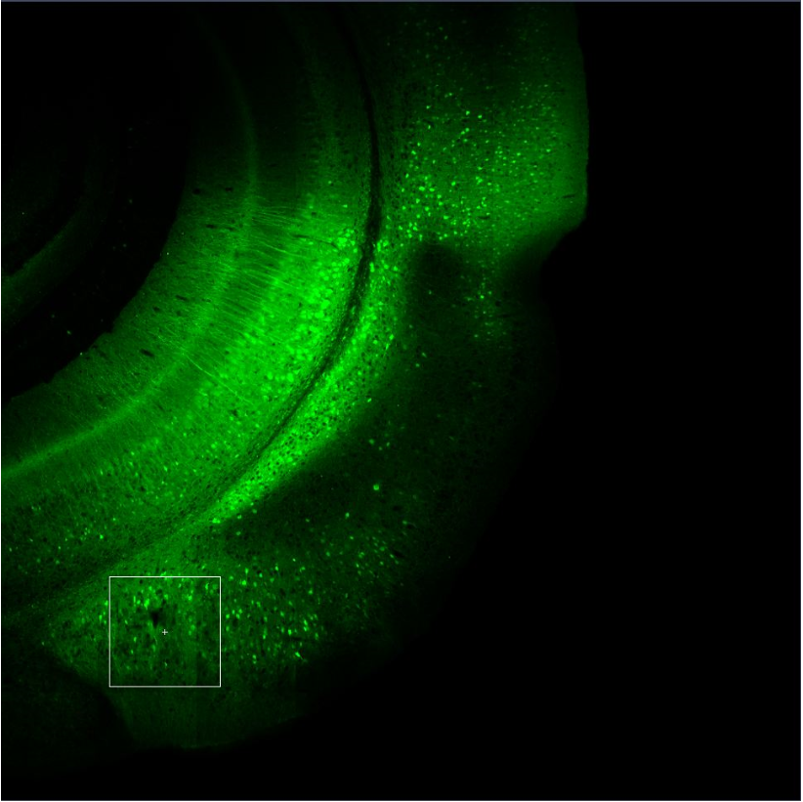
 |  |  | EYFP+ | GAD+ | Double+
Slice | Scope | Slice | Type 1 | Type 2 | Type 3 | Type 4 | Type 5 | Type 6 | Type 7 | Type 8 |  | C-pos | Z-pos | T-pos
1 | 1 | 1 | 0 | 0 | 0 | 0 | 0 | 0 | 0 | 0 | 1 | 1 | 1
 |  | 2 | 81 | 0 | 0 | 0 | 0 | 0 | 0 | 0 | 2 | 1 | 1
 |  | 3 | 1 | 25 | 0 | 0 | 0 | 0 | 0 | 0 | 3 | 1 | 1

 |  | Total | 82 | 25 | 0 | 0 | 0 | 0 | 0 | 0
 |  | GAD+EYFP+/EYFP+ |  | 0

 |  |  | EYFP+ |  | GAD+ |  | GAD/EYFP
Slice | Scope | Slice | Type 1 | Type 2 | Type 3 | Type 4 | Type 5 | Type 6 | Type 7 | Type 8 |  | C-pos | Z-pos | T-pos
1 | 2 | 1 | 1 | 0 | 0 | 0 | 2 | 0 | 0 | 0 | 1 | 1 | 1
 |  | 2 | 0 | 0 | 37 | 0 | 0 | 0 | 0 | 0 | 2 | 1 | 1
 |  | 3 | 100 | 0 | 0 | 0 | 0 | 0 | 0 | 0 | 3 | 1 | 1

 |  | Total | 101 | 40 | 37 | 22 | 2 | 0 | 0 | 0
 |  | GAD+EYFP+/EYFP+ |  | 0.019801980198

 |  |  | EYFP+ |  | GAD | GAD/EYFP
Slice | Scope | Slice | Type 1 | Type 2 | Type 3 | Type 4 | Type 5 | Type 6 | Type 7 | Type 8 |  | C-pos | Z-pos | T-pos
1 | 3 | 1 | 57 | 0 | 0 | 0 | 0 | 0 | 0 | 0 | 1 | 1 | 1
 |  | 2 | 0 | 0 | 14 | 1 | 0 | 0 | 0 | 0 | 2 | 1 | 1
 |  | 3 | 0 | 0 | 0 | 0 | 0 | 0 | 0 | 0 | 3 | 1 | 1

 |  | Total | 57 | 18 | 14 | 1 | 0 | 0 | 0 | 0
 |  | GAD+EYFP+/EYFP+ |  | 0.017543859649

Slice | Total | Double | EYFP+ | Ratio
1 |  | 3 | 240 | 0.0125

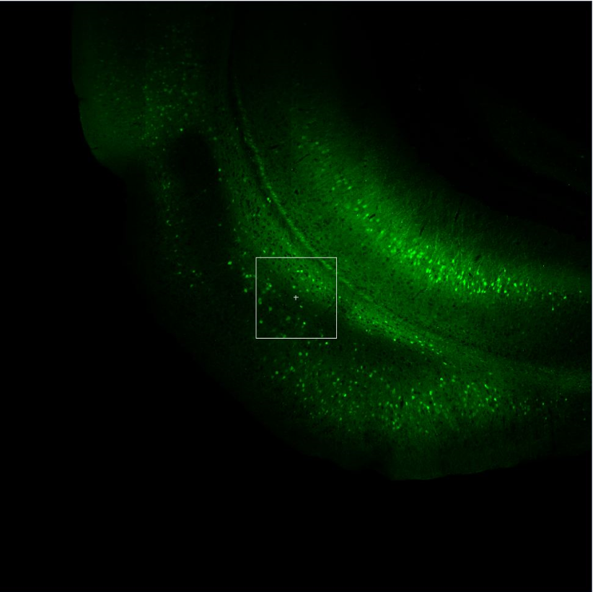
 |  |  | EYFP+ |  | GAD | GAD/EYFP
Slice | Scope | Slice | Type 1 | Type 2 | Type 3 | Type 4 | Type 5 | Type 6 | Type 7 | Type 8 |  | C-pos | Z-pos | T-pos
2 | 1 | 1 | 0 | 0 | 0 | 0 | 0 | 0 | 0 | 0 | 1 | 1 | 1
 |  | 2 | 0 | 0 | 34 | 2 | 0 | 0 | 0 | 0 | 2 | 1 | 1
 |  | 3 | 34 | 0 | 0 | 0 | 0 | 0 | 0 | 0 | 3 | 1 | 1

 |  | Total | 34 | 11 | 34 | 2 | 0 | 0 | 0 | 0
 |  | GAD+EYFP+/EYFP+ |  | 0.058823529412

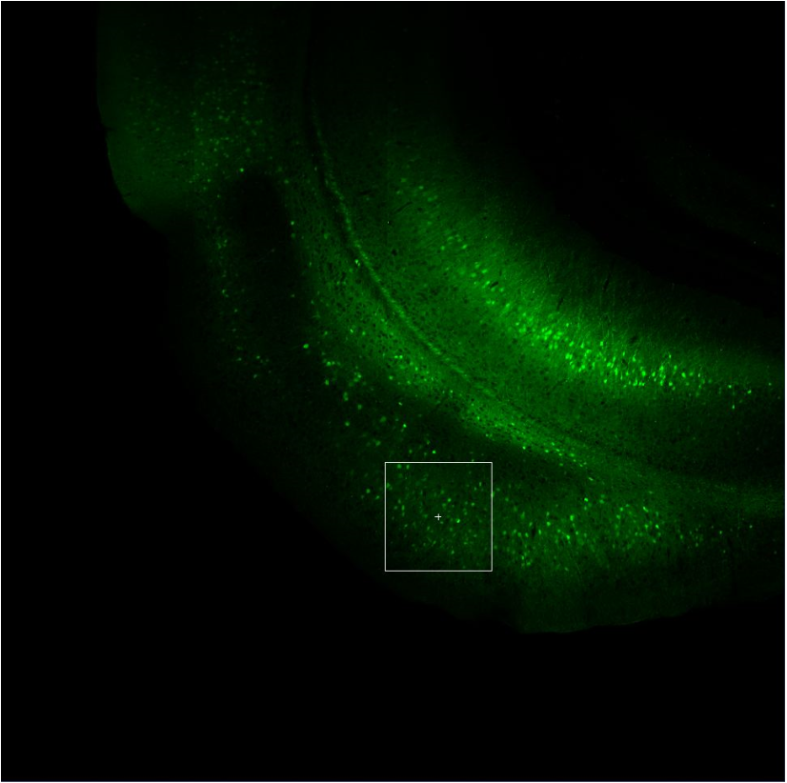
 |  |  | EYFP+ |  | GAD | GAD/EYFP
Slice | Scope | Slice | Type 1 | Type 2 | Type 3 | Type 4 | Type 5 | Type 6 | Type 7 | Type 8 |  | C-pos | Z-pos | T-pos
2 | 2 | 1 | 106 | 0 | 0 | 0 | 0 | 0 | 0 | 0 | 1 | 1 | 1
 |  | 2 | 0 | 0 | 36 | 0 | 0 | 0 | 0 | 0 | 2 | 1 | 1
 |  | 3 | 0 | 0 | 0 | 0 | 0 | 0 | 0 | 0 | 3 | 1 | 1

 |  | Total | 106 | 15 | 36 | 0 | 0 | 0 | 0 | 0
 |  | GAD+EYFP+/EYFP+ |  | 0

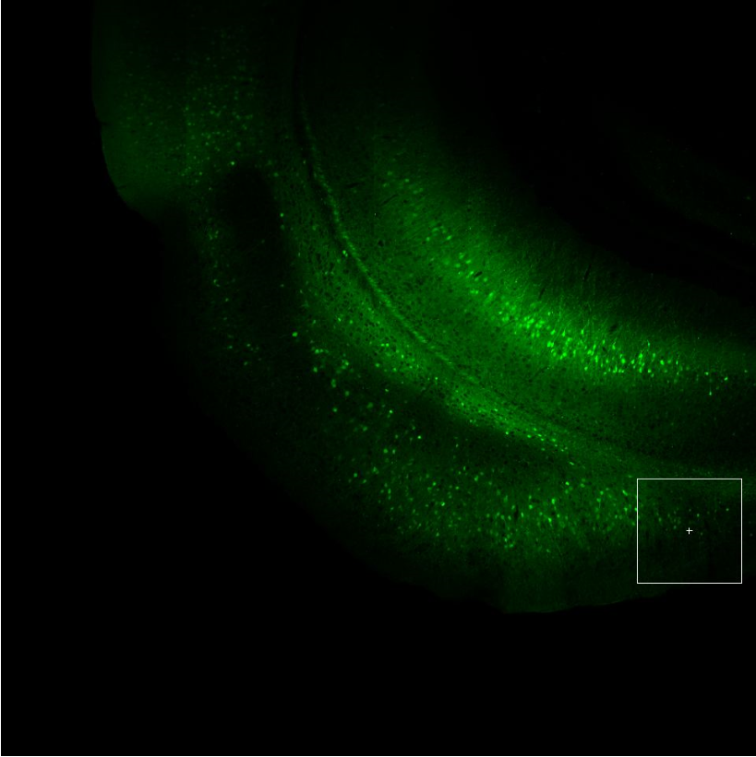
 |  |  | EYFP+ |  | GAD | GAD/EYFP
Slice | Scope | Slice | Type 1 | Type 2 | Type 3 | Type 4 | Type 5 | Type 6 | Type 7 | Type 8 |  | C-pos | Z-pos | T-pos
2 | 3 | 1 | 0 | 0 | 0 | 0 | 0 | 0 | 0 | 0 | 1 | 1 | 1
 |  | 2 | 0 | 0 | 34 | 0 | 0 | 0 | 0 | 0 | 2 | 1 | 1
 |  | 3 | 35 | 0 | 0 | 0 | 0 | 0 | 0 | 0 | 3 | 1 | 1

 |  | Total | 35 | 14 | 34 | 0 | 0 | 0 | 0 | 0
 |  | GAD+EYFP+/EYFP+ |  | 0

Slice | Total | Double | EYFP | Ratio
2 |  | 2 | 175 | 0.011428571429

 |  | Slice | No. Scope | GAD ratio
 |  | 1 | 3 | 0.0125
 |  | 2 | 3 | 0.011428571429

M2020091503#
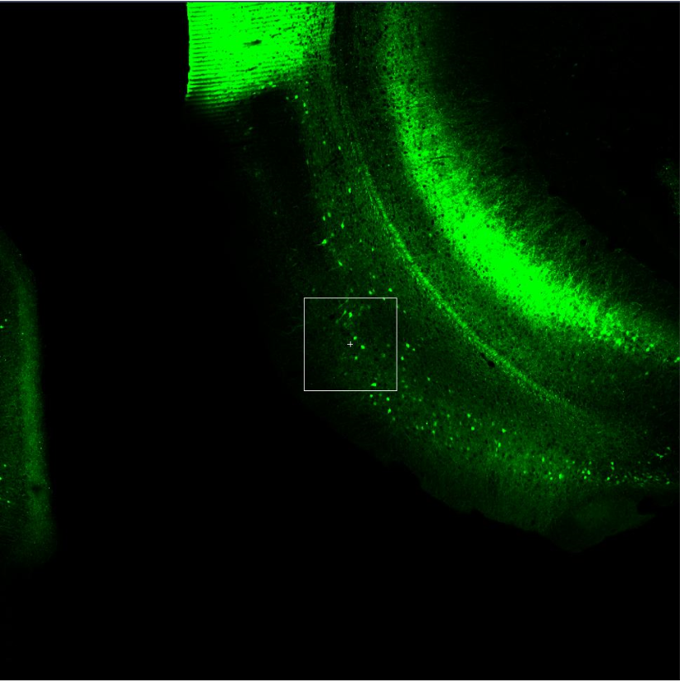
 |  |  | EYFP+ | CamKII+ | Double+ |  |  |  |  |  |  |  |  |  | Cropped | 200 x 200 microns
Slice | Scope | Slice | Type 1 | Type 2 | Type 3 | Type 4 | Type 5 | Type 6 | Type 7 | Type 8 |  | C-pos | Z-pos | T-pos | Slice | Type 1 | Type 2 | Type 3 | Type 4 | Type 5 | Type 6 | Type 7 | Type 8 |  | C-pos | Z-pos | T-pos
1 | 1 | 1 | 16 | 0 | 9 | 0 | 0 | 0 | 0 | 0 | 1 | 1 | 1 |  | 1 | 0 | 0 | 0 | 0 | 0 | 0 | 0 | 0 | 1 | 1 | 1
 |  | 2 | 0 | 107 | 2 | 0 | 0 | 0 | 0 | 0 | 2 | 1 | 1 |  | 2 | 10 | 9 | 0 | 0 | 0 | 0 | 0 | 0 | 2 | 1 | 1

 |  | Total | 16 | 107 | 11 | 0 | 0 | 0 | 0 | 0 |  |  |  |  | Total | 10 | 9 | 0 | 0 | 0 | 0 | 0 | 0
 |  | CamKII+ EYFP+ / EYFP+ |  | 0.6875 |  |  |  |  |  |  |  |  |  |  |  | eyfp | double
 |  |  |  |  |  |  |  |  |  |  |  |  |  |  | double/eyfp |  | 0.9 |  |  |  |  |  |  |  |  |  |  | M2020091503#
 |  |  |  |  |  |  |  |  |  |  |  |  |  |  |  |  |  |  |  |  |  |  |  |  |  |  |  | Slice | Scope | CamKII+ EYFP+/EYFP+
 |  |  |  |  |  |  |  |  |  |  |  |  |  |  |  |  |  |  |  |  |  |  |  |  |  |  |  | 1 | 1 | 0.6875
 |  |  |  |  |  |  |  |  |  |  |  |  |  |  |  |  |  |  |  |  |  |  |  |  |  |  |  | 1 | 2 | 0.58823529412
 |  |  |  |  |  |  |  |  |  |  |  |  |  |  |  |  |  |  |  |  |  |  |  |  |  |  |  | 1 | 3 | 0.57692307692
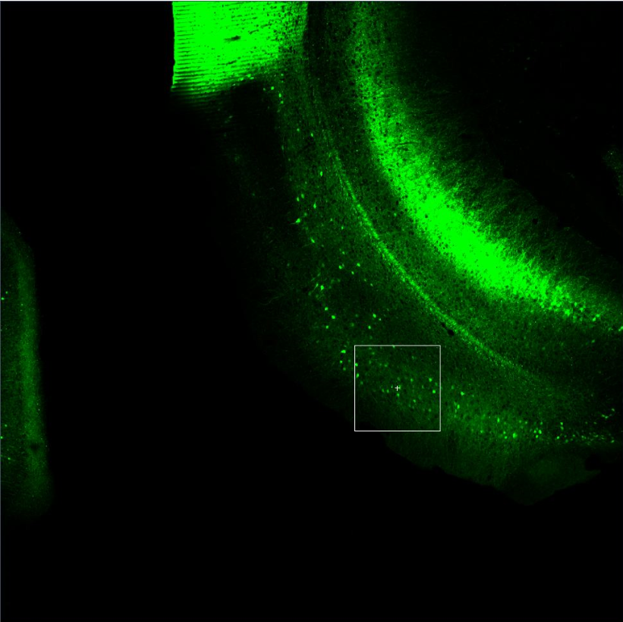
 |  |  |  |  |  |  |  |  |  |  |  |  |  |  | Cropped |  |  |  |  |  |  |  |  |  |  |  |  | 2 | 1 | 0.59090909091
 |  |  | EYFP+ | CamKII+ | Double+ |  |  |  |  |  |  |  |  |  | Slice | Type 1 | Type 2 | Type 3 | Type 4 | Type 5 | Type 6 | Type 7 | Type 8 |  | C-pos | Z-pos | T-pos | 2 | 2 | 0.67857142857
Slice | Scope | Slice | Type 1 | Type 2 | Type 3 | Type 4 | Type 5 | Type 6 | Type 7 | Type 8 |  | C-pos | Z-pos | T-pos | 1 | 16 | 16 | 0 | 0 | 0 | 0 | 0 | 0 | 1 | 1 | 1 |  | 2 | 3 | 0.34285714286
1 | 2 | 1 | 0 | 101 | 20 | 0 | 0 | 0 | 0 | 0 | 1 | 1 | 1 |  | 2 | 0 | 0 | 0 | 0 | 0 | 0 | 0 | 0 | 2 | 1 | 1 |  | 2 | 4 | 0.28333333333
 |  | 2 | 34 | 0 | 0 | 0 | 0 | 0 | 0 | 0 | 2 | 1 | 1
 |  |  |  |  |  |  |  |  |  |  |  |  |  |  | Total | 16 | 16 | 0 | 0 | 0 | 0 | 0 | 0
 |  | Total | 34 | 101 | 20 | 0 | 0 | 0 | 0 | 0 |  |  |  |  |  | eyfp | double
 |  | CamKII+ EYFP+ / EYFP+ |  | 0.58823529412 |  |  |  |  |  |  |  |  |  |  | double/eyfp |  | 1

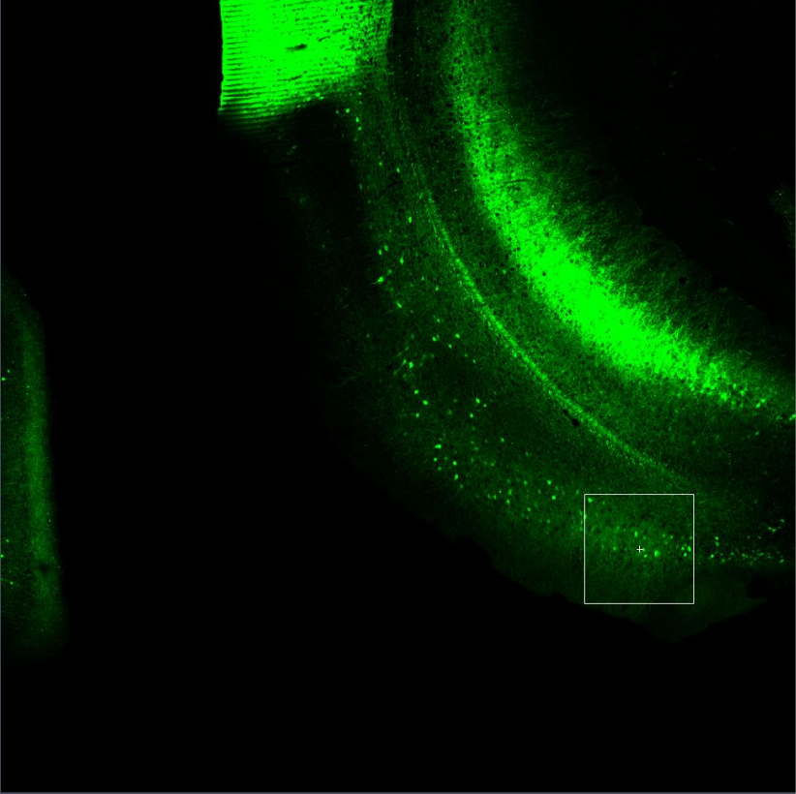
 |  |  | EYFP+ | CamKII+ | Double+ |  |  |  |  |  |  |  |  |  | Cropped
slice | scope | Slice | Type 1 | Type 2 | Type 3 | Type 4 | Type 5 | Type 6 | Type 7 | Type 8 |  | C-pos | Z-pos | T-pos | Slice | Type 1 | Type 2 | Type 3 | Type 4 | Type 5 |  | C-pos | Z-pos | T-pos
1 | 3 | 1 | 52 | 0 | 0 | 0 | 0 | 0 | 0 | 0 | 1 | 1 | 1 |  | 1 | 0 | 0 | 0 | 0 | 0 | 1 | 1 | 1
 |  | 2 | 0 | 126 | 30 | 0 | 0 | 0 | 0 | 0 | 2 | 1 | 1 |  | 2 | 26 | 22 | 0 | 0 | 0 | 2 | 1 | 1

 |  | Total | 52 | 126 | 30 | 0 | 0 | 0 | 0 | 0 |  |  |  |  | Total | 26 | 22 | 0 | 0 | 0
 |  | CamKII+ EYFP+ / EYFP+ |  | 0.57692307692
 |  |  |  |  |  |  |  |  |  |  |  |  |  |  | double/eyfp |  | 0.84615384615

 |  |  |  |  |  |  |  |  |  |  |  |  |  |  | Slice | No. Scope | EYFP | Double |  | CamKII Ratio
 |  |  |  |  |  |  |  |  |  |  |  |  |  |  | 1 | 3 | 52 | 47 |  | 0.90384615385

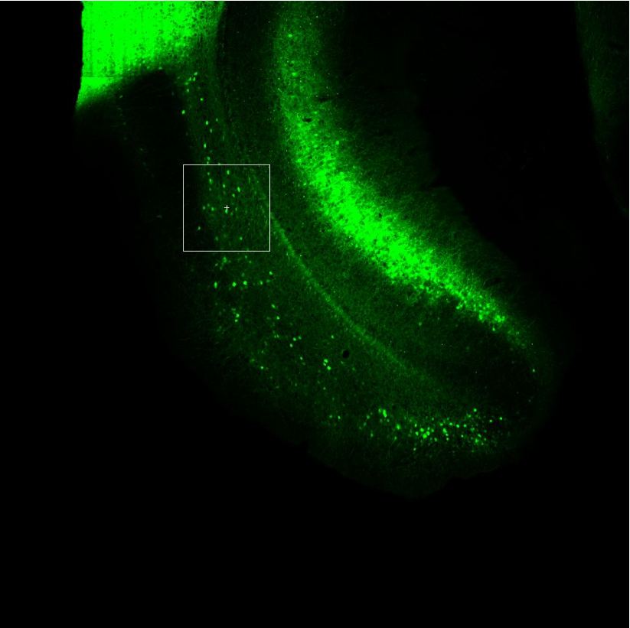
 |  |  | EYFP+ | CamKII+ | Double+
slice | scope | Slice | Type 1 | Type 2 | Type 3 | Type 4 | Type 5 | Type 6 | Type 7 | Type 8 |  | C-pos | Z-pos | T-pos | Cropped
2 | 1 | 1 | 0 | 107 | 13 | 0 | 0 | 0 | 0 | 0 | 1 | 1 | 1 |  | Slice | Type 1 | Type 2 | Type 3 | Type 4 | Type 5 |  | C-pos | Z-pos | T-pos
 |  | 2 | 22 | 0 | 0 | 0 | 0 | 0 | 0 | 0 | 2 | 1 | 1 |  | 1 | 0 | 0 | 0 | 0 | 0 | 1 | 1 | 1
 |  |  |  |  |  |  |  |  |  |  |  |  |  |  | 2 | 9 | 8 | 0 | 0 | 0 | 2 | 1 | 1
 |  | Total | 22 | 107 | 13 | 0 | 0 | 0 | 0 | 0
 |  | CamKII+ EYFP+ / EYFP+ |  | 0.59090909091 |  |  |  |  |  |  |  |  |  |  | Total | 9 | 8 | 0 | 0 | 0

 |  |  |  |  |  |  |  |  |  |  |  |  |  |  | double/eyfp |  | 0.88888888889

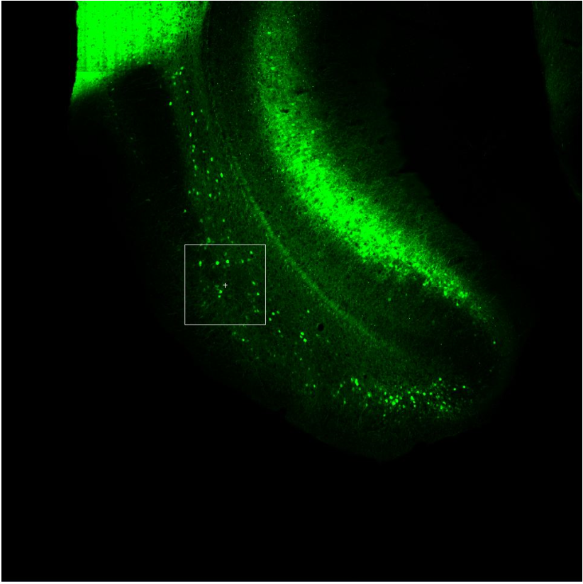
 |  |  |  |  |  |  |  |  |  |  |  |  |  |  | Cropped
 |  |  | EYFP+ | CamKII+ | Double+ |  |  |  |  |  |  |  |  |  | Slice | Type 1 | Type 2 | Type 3 | Type 4 | Type 5 |  | C-pos | Z-pos | T-pos
slice | scope | Slice | Type 1 | Type 2 | Type 3 | Type 4 | Type 5 | Type 6 | Type 7 | Type 8 |  | C-pos | Z-pos | T-pos | 1 | 10 | 9 | 0 | 0 | 0 | 1 | 1 | 1
2 | 2 | 1 | 28 | 0 | 0 | 0 | 0 | 0 | 0 | 0 | 1 | 1 | 1 |  | 2 | 0 | 0 | 0 | 0 | 0 | 2 | 1 | 1
 |  | 2 | 0 | 154 | 19 | 0 | 0 | 0 | 0 | 0 | 2 | 1 | 1
 |  |  |  |  |  |  |  |  |  |  |  |  |  |  | Total | 10 | 9 | 0 | 0 | 0
 |  | Total | 28 | 154 | 19 | 0 | 0 | 0 | 0 | 0
 |  | CamKII+ EYFP+ / EYFP+ |  | 0.67857142857 |  |  |  |  |  |  |  |  |  |  | double/eyfp |  | 0.9

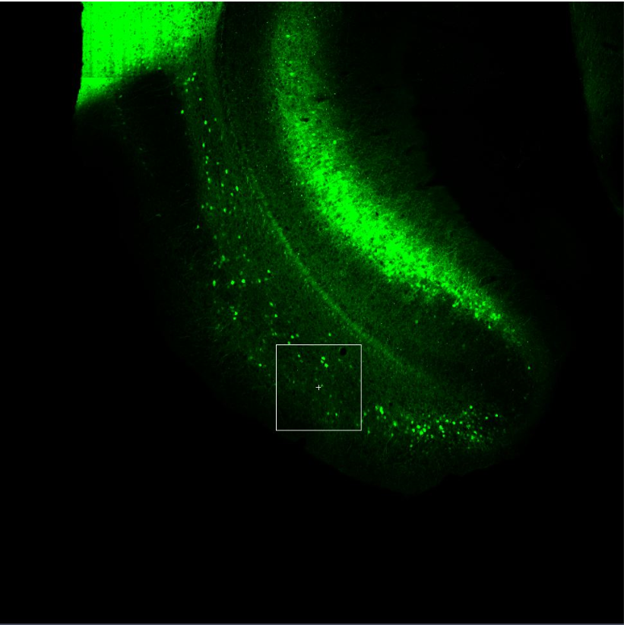
 |  |  | EYFP+ | CamKII+ | Double+ |  |  |  |  |  |  |  |  |  | Crop2
slice | scope | Slice | Type 1 | Type 2 | Type 3 | Type 4 | Type 5 | Type 6 | Type 7 | Type 8 |  | C-pos | Z-pos | T-pos | Slice | Type 1 | Type 2 | Type 3 | Type 4 | Type 5 |  | C-pos | Z-pos | T-pos
2 | 3 | 1 | 35 | 0 | 3 | 0 | 0 | 0 | 0 | 0 | 1 | 1 | 1 |  | 1 | 13 | 11 | 0 | 0 | 0 | 1 | 1 | 1
 |  | 2 | 0 | 88 | 9 | 0 | 0 | 0 | 0 | 0 | 2 | 1 | 1 |  | 2 | 0 | 0 | 0 | 0 | 0 | 2 | 1 | 1

 |  | Total | 35 | 88 | 12 | 0 | 0 | 0 | 0 | 0 |  |  |  |  | Total | 13 | 11 | 0 | 0 | 0
 |  | CamKII+ EYFP+ / EYFP+ |  | 0.34285714286
 |  |  |  |  |  |  |  |  |  |  |  |  |  |  | double/eyfp |  | 0.84615384615

 |  |  | EYFP+ | CamKII+ | Double+
slice | scope | Slice | Type 1 | Type 2 | Type 3 | Type 4 | Type 5 | Type 6 | Type 7 | Type 8 |  | C-pos | Z-pos | T-pos | Crop2
2 | 4 | 1 | 60 | 0 | 0 | 0 | 0 | 0 | 0 | 0 | 1 | 1 | 1 |  | Slice | Type 1 | Type 2 | Type 3 | Type 4 | Type 5 |  | C-pos | Z-pos | T-pos
 |  | 2 | 0 | 78 | 17 | 0 | 0 | 0 | 0 | 0 | 2 | 1 | 1 |  | 1 | 18 | 16 | 0 | 0 | 0 | 1 | 1 | 1
 |  |  |  |  |  |  |  |  |  |  |  |  |  |  | 2 | 0 | 0 | 0 | 0 | 0 | 2 | 1 | 1
 |  | Total | 60 | 78 | 17 | 0 | 0 | 0 | 0 | 0
 |  | CamKII+ EYFP+ / EYFP+ |  | 0.28333333333 |  |  |  |  |  |  |  |  |  |  | Total | 18 | 16 | 0 | 0 | 0

 |  |  |  |  |  |  |  |  |  |  |  |  |  |  | double/eyfp |  | 0.88888888889

 |  |  |  |  |  |  |  |  |  |  |  |  |  |  | slice | No. Scope | EYFP | Double | CamKII Ratio
 |  |  |  |  |  |  |  |  |  |  |  |  |  |  | 2 | 4 | 50 | 44 | 0.88

M2020091504#
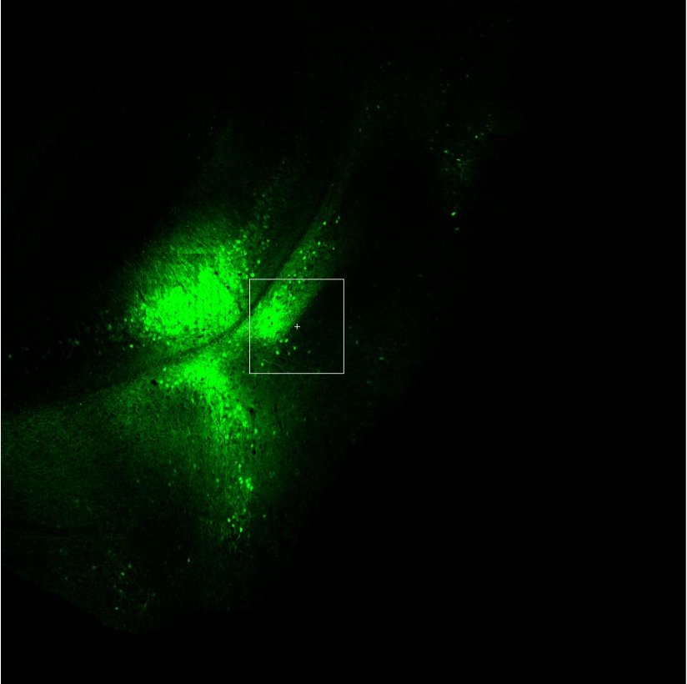
 |  |  | CamKII+ | EYFP+ | Double+ |  |  |  |  |  |  |  |  |  | Crop
Slice | Scope | Slice | Type 1 | Type 2 | Type 3 | Type 4 | Type 5 | Type 6 | Type 7 | Type 8 |  | C-pos | Z-pos | T-pos | Slice | Type 1 | Type 2 | Type 3 | Type 4 | Type 5 |  | C-pos | Z-pos | T-pos
1 | 1 | 1 | 0 | 104 | 0 | 0 | 0 | 0 | 0 | 0 | 1 | 1 | 1 |  | 1 | 0 | 0 | 0 | 0 | 0 | 1 | 1 | 1
 |  | 2 | 44 | 0 | 25 | 0 | 0 | 0 | 0 | 0 | 2 | 1 | 1 |  | 2 | 37 | 27 | 0 | 0 | 0 | 2 | 1 | 1

 |  | Total | 44 | 104 | 25 | 0 | 0 | 0 | 0 | 0 |  |  |  |  | Total | 37 | 27 | 0 | 0 | 0 |  |  |  |  | M2020091504#
 |  | CamKII+ EYFP+/ EYFP+ |  |  | 0.24038461538 |  |  |  |  |  |  |  |  |  |  |  |  |  |  |  |  |  |  |  | Slice | Scope | CamKII+ EYFP+/ EYFP+
 |  |  |  |  |  |  |  |  |  |  |  |  |  |  | double/eyfp |  | 0.72972972973 |  |  |  |  |  |  |  | 1 | 1 | 0.24038461538
 |  |  |  |  |  |  |  |  |  |  |  |  |  |  |  |  |  |  |  |  |  |  |  |  | 1 | 2 | 0.68421052632
 |  |  |  |  |  |  |  |  |  |  |  |  |  |  |  |  |  |  |  |  |  |  |  |  | 2 | 1 | 0.087719298246
 |  |  |  |  |  |  |  |  |  |  |  |  |  |  |  |  |  |  |  |  |  |  |  |  | 2 | 2 | 0.23529411765
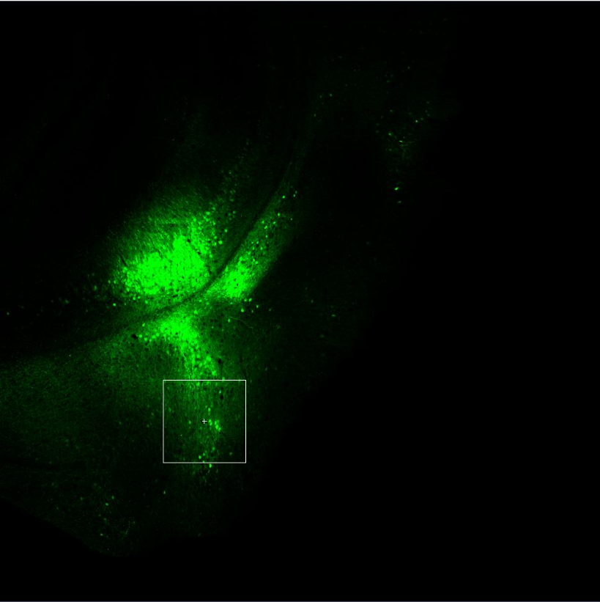
 |  |  | EYFP+ | CamKII+ | Double+ |  |  |  |  |  |  |  |  |  | Crop
Slice | Scope | Slice | Type 1 | Type 2 | Type 3 | Type 4 | Type 5 | Type 6 | Type 7 | Type 8 |  | C-pos | Z-pos | T-pos | Slice | Type 1 | Type 2 | Type 3 | Type 4 | Type 5 |  | C-pos | Z-pos | T-pos
1 | 2 | Total | 38 | 94 | 26 | 0 | 0 | 0 | 0 | 0 |  |  |  |  | 1 | 18 | 17 | 0 | 0 | 0 | 1 | 1 | 1
 |  | CamKII+ EYFP+/ EYFP+ |  |  | 0.68421052632 |  |  |  |  |  |  |  |  |  | 2 | 0 | 0 | 0 | 0 | 0 | 2 | 1 | 1

 |  |  |  |  |  |  |  |  |  |  |  |  |  |  | Total | 18 | 17 | 0 | 0 | 0

 |  |  |  |  |  |  |  |  |  |  |  |  |  |  | double/eyfp |  | 0.94444444444

 |  |  |  |  |  |  |  |  |  |  |  |  |  |  | slice | No. Scope | EYFP | Double | CamKII Ratio
 |  |  |  |  |  |  |  |  |  |  |  |  |  |  | 1 | 2 | 55 | 44 | 0.8

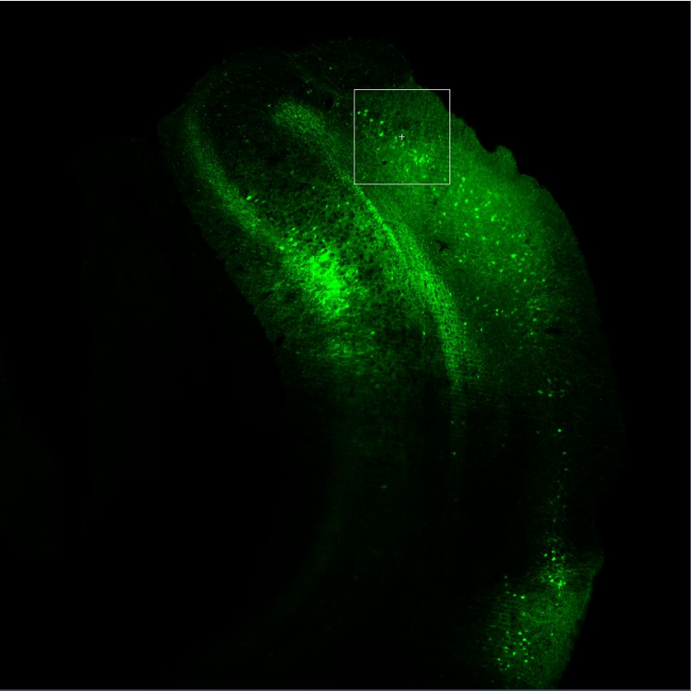
 |  |  | EYFP+ | CamKII+ | Double+ |  |  |  |  |  |  |  |  |  | crop
Slice | Scope | Slice | Type 1 | Type 2 | Type 3 | Type 4 | Type 5 | Type 6 | Type 7 | Type 8 |  | C-pos | Z-pos | T-pos | Slice | Type 1 | Type 2 | Type 3 | Type 4 | Type 5 |  | C-pos | Z-pos | T-pos
2 | 1 | 1 | 0 | 24 | 0 | 0 | 0 | 0 | 0 | 0 | 1 | 1 | 1 |  | 1 | 15 | 9 | 0 | 0 | 0 | 1 | 1 | 1
 |  | 2 | 57 | 0 | 5 | 0 | 0 | 0 | 0 | 0 | 2 | 1 | 1 |  | 2 | 0 | 0 | 0 | 0 | 0 | 2 | 1 | 1

 |  | Total | 57 | 24 | 5 | 0 | 0 | 0 | 0 | 0 |  |  |  |  | Total | 15 | 9 | 0 | 0 | 0
 |  | CamKII+ EYFP+/ EYFP+ |  |  | 0.087719298246
 |  |  |  |  |  |  |  |  |  |  |  |  |  |  | double/eyfp |  | 0.6

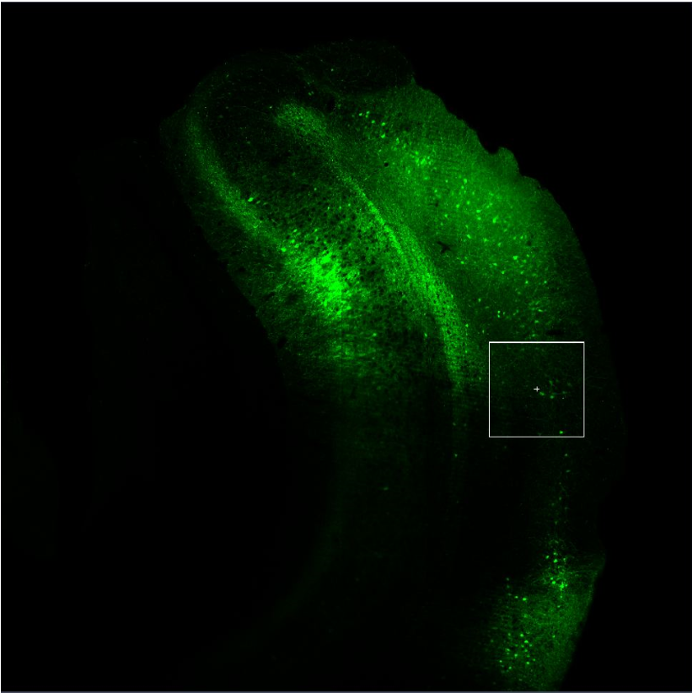
 |  |  | CamKII | EYFP | Double |  |  |  |  |  |  |  |  |  | Crop
Slice | Scope | Slice | Type 1 | Type 2 | Type 3 | Type 4 | Type 5 | Type 6 | Type 7 | Type 8 |  | C-pos | Z-pos | T-pos
2 | 2 | 1 | 0 | 17 | 1 | 0 | 0 | 0 | 0 | 0 | 1 | 1 | 1 |  | Slice | Type 1 | Type 2 | Type 3 | Type 4 | Type 5 |  | C-pos | Z-pos | T-pos
 |  | 2 | 0 | 0 | 0 | 0 | 0 | 0 | 0 | 0 | 2 | 1 | 1 |  | 1 | 8 | 6 | 0 | 0 | 0 | 1 | 1 | 1
 |  | 3 | 40 | 0 | 3 | 0 | 0 | 0 | 0 | 0 | 3 | 1 | 1 |  | 2 | 0 | 0 | 0 | 0 | 0 | 2 | 1 | 1

 |  | Total | 40 | 17 | 4 | 0 | 0 | 0 | 0 | 0 |  |  |  |  | Total | 8 | 6 | 0 | 0 | 0
 |  | CamKII+ EYFP+/ EYFP+ |  |  | 0.23529411765
 |  |  |  |  |  |  |  |  |  |  |  |  |  |  | double/eyfp |  | 0.75

 |  |  |  |  |  |  |  |  |  |  |  |  |  |  | slice | No.Scope | EYFP | Double | CamKII Ratio
 |  |  |  |  |  |  |  |  |  |  |  |  |  |  | 2 | 2 | 23 | 15 | 0.65217391304

M2020041702#GAD
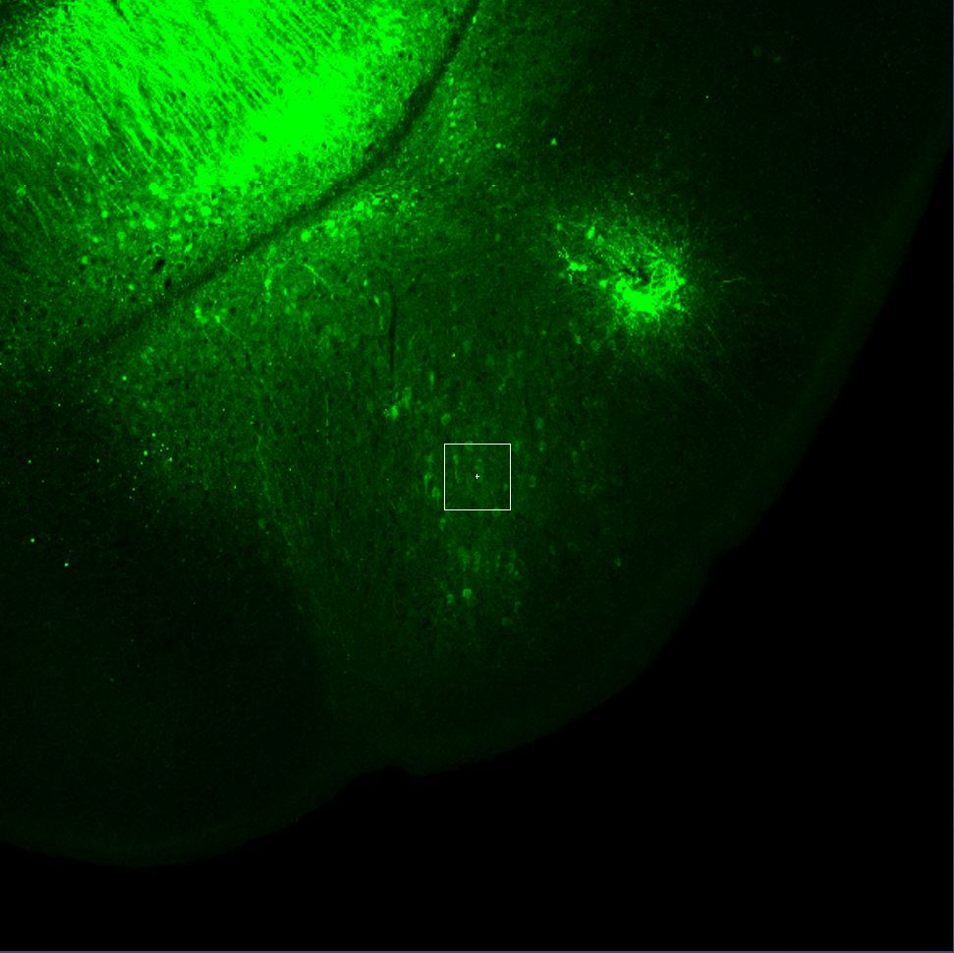
Batch | Subject | Description | Scope | Slice | Type 1 | Type 2 | Type 3 |  | C-pos | Z-pos | T-pos | Type3/Type2
IHC20200716 | M2020041702# | RetroGcamp/GAD647 | 1 | 1 | 0 | 4 | 0 | 1 | 1 | 1
 |  |  |  | 2 | 0 | 0 | 0 | 2 | 1 | 1
 |  | Type1 GAD67+ |  | 3 | 1 | 2 | 0 | 1 | 2 | 1
 |  | Type2 RetroGcamp+ |  | 4 | 0 | 0 | 0 | 2 | 2 | 1
 |  | Type3 Overlay+ |  | 5 | 0 | 1 | 1 | 1 | 3 | 1
 |  |  |  | 6 | 0 | 0 | 0 | 2 | 3 | 1
 |  |  |  | 7 | 0 | 1 | 0 | 1 | 4 | 1
 |  |  |  | 8 | 0 | 0 | 0 | 2 | 4 | 1
 |  |  |  | 9 | 0 | 2 | 0 | 1 | 5 | 1
 |  |  |  | 10 | 1 | 0 | 0 | 2 | 5 | 1
 |  |  |  | 11 | 0 | 3 | 0 | 1 | 6 | 1
 |  |  |  | 12 | 0 | 0 | 0 | 2 | 6 | 1
 |  |  |  | 13 | 0 | 0 | 0 | 1 | 7 | 1
 |  |  |  | 14 | 0 | 0 | 0 | 2 | 7 | 1
 |  |  |  | 15 | 0 | 0 | 0 | 1 | 8 | 1
 |  |  |  | 16 | 0 | 0 | 0 | 2 | 8 | 1
 |  |  |  | 17 | 0 | 1 | 0 | 1 | 9 | 1
 |  |  |  | 18 | 0 | 0 | 0 | 2 | 9 | 1
 |  |  |  | 19 | 0 | 0 | 0 | 1 | 10 | 1
 |  |  |  | 20 | 0 | 0 | 0 | 2 | 10 | 1
 |  |  |  | 21 | 0 | 1 | 0 | 1 | 11 | 1
 |  |  |  | 22 | 0 | 0 | 0 | 2 | 11 | 1
 |  |  |  | 23 | 0 | 2 | 0 | 1 | 12 | 1
 |  |  |  | 24 | 0 | 0 | 0 | 2 | 12 | 1

 |  |  |  | Total | 2 | 17 | 1 |  |  |  |  | 0.058823529412

 |  |  | Scope | Slice | Type 1 | Type 2 | Type 3 |  | C-pos | Z-pos | T-pos
 |  |  | 2 | 1 | 0 | 0 | 0 | 1 | 1 | 1
 |  |  |  | 2 | 0 | 0 | 0 | 2 | 1 | 1
 |  |  |  | 3 | 0 | 0 | 0 | 3 | 1 | 1
 |  |  |  | 4 | 0 | 0 | 0 | 1 | 2 | 1
 |  |  |  | 5 | 0 | 0 | 0 | 2 | 2 | 1
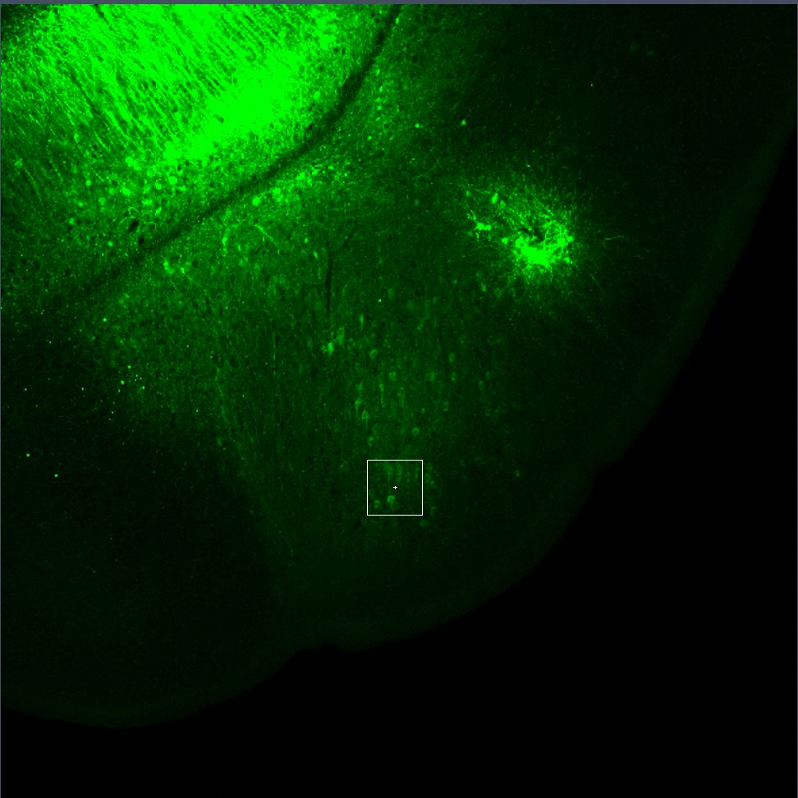
 |  |  |  | 6 | 0 | 10 | 0 | 3 | 2 | 1
 |  |  |  | 7 | 0 | 0 | 0 | 1 | 3 | 1
 |  |  |  | 8 | 0 | 0 | 0 | 2 | 3 | 1
 |  |  |  | 9 | 1 | 2 | 0 | 3 | 3 | 1
 |  |  |  | 10 | 0 | 0 | 0 | 1 | 4 | 1
 |  |  |  | 11 | 0 | 0 | 0 | 2 | 4 | 1
 |  |  |  | 12 | 0 | 1 | 0 | 3 | 4 | 1
 |  |  |  | 13 | 0 | 0 | 0 | 1 | 5 | 1
 |  |  |  | 14 | 0 | 0 | 0 | 2 | 5 | 1
 |  |  |  | 15 | 0 | 1 | 0 | 3 | 5 | 1
 |  |  |  | 16 | 0 | 0 | 0 | 1 | 6 | 1
 |  |  |  | 17 | 0 | 0 | 0 | 2 | 6 | 1
 |  |  |  | 18 | 0 | 0 | 0 | 3 | 6 | 1
 |  |  |  | 19 | 0 | 0 | 0 | 1 | 7 | 1
 |  |  |  | 20 | 0 | 0 | 0 | 2 | 7 | 1
 |  |  |  | 21 | 0 | 2 | 0 | 3 | 7 | 1
 |  |  |  | 22 | 0 | 0 | 0 | 1 | 8 | 1
 |  |  |  | 23 | 0 | 0 | 0 | 2 | 8 | 1
 |  |  |  | 24 | 0 | 4 | 0 | 3 | 8 | 1
 |  |  |  | 25 | 0 | 0 | 0 | 1 | 9 | 1
 |  |  |  | 26 | 0 | 0 | 0 | 2 | 9 | 1
 |  |  |  | 27 | 0 | 2 | 0 | 3 | 9 | 1
 |  |  |  | 28 | 0 | 0 | 0 | 1 | 10 | 1
 |  |  |  | 29 | 0 | 0 | 0 | 2 | 10 | 1
 |  |  |  | 30 | 0 | 0 | 0 | 3 | 10 | 1
 |  |  |  | 31 | 0 | 0 | 0 | 1 | 11 | 1
 |  |  |  | 32 | 0 | 0 | 0 | 2 | 11 | 1
 |  |  |  | 33 | 0 | 2 | 0 | 3 | 11 | 1
 |  |  |  | 34 | 0 | 0 | 0 | 1 | 12 | 1
 |  |  |  | 35 | 0 | 0 | 0 | 2 | 12 | 1
 |  |  |  | 36 | 0 | 1 | 0 | 3 | 12 | 1
 |  |  |  | 37 | 0 | 0 | 0 | 1 | 13 | 1
 |  |  |  | 38 | 0 | 0 | 0 | 2 | 13 | 1
 |  |  |  | 39 | 1 | 2 | 0 | 3 | 13 | 1

 |  |  |  | Total | 2 | 27 | 0 |  |  |  |  | 0

 |  |  | Scope | Slice | Type 1 | Type 2 | Type 3 |  | C-pos | Z-pos | T-pos
 |  |  | 3 | 1 | 0 | 14 | 0 | 1 | 1 | 1
 |  |  |  | 2 | 0 | 0 | 0 | 2 | 1 | 1
 |  |  |  | 3 | 0 | 0 | 0 | 3 | 1 | 1
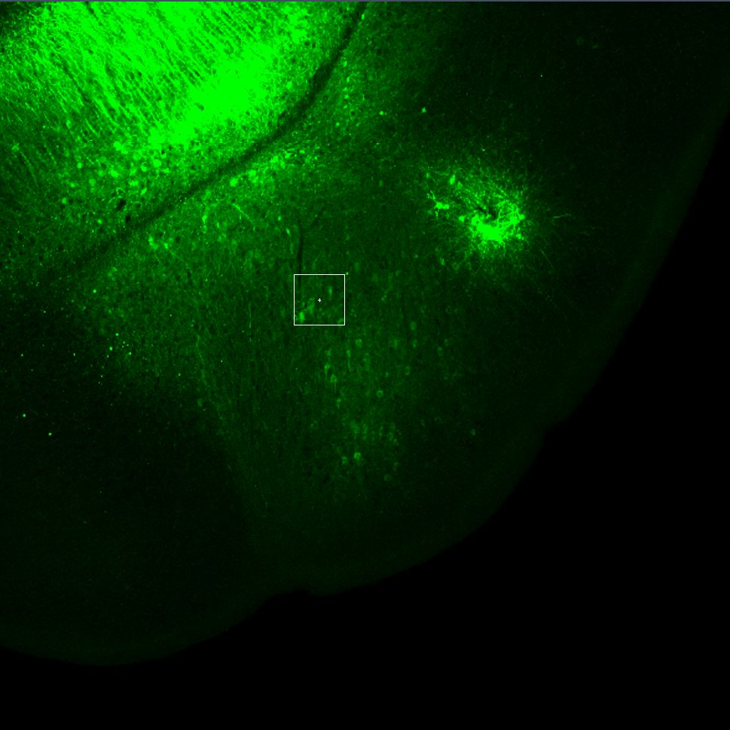
 |  |  |  | 4 | 0 | 0 | 0 | 1 | 2 | 1
 |  |  |  | 5 | 0 | 0 | 0 | 2 | 2 | 1
 |  |  |  | 6 | 0 | 0 | 0 | 3 | 2 | 1
 |  |  |  | 7 | 0 | 0 | 0 | 1 | 3 | 1
 |  |  |  | 8 | 0 | 0 | 0 | 2 | 3 | 1
 |  |  |  | 9 | 0 | 0 | 0 | 3 | 3 | 1
 |  |  |  | 10 | 1 | 2 | 0 | 1 | 4 | 1
 |  |  |  | 11 | 0 | 0 | 0 | 2 | 4 | 1
 |  |  |  | 12 | 0 | 0 | 0 | 3 | 4 | 1
 |  |  |  | 13 | 0 | 0 | 0 | 1 | 5 | 1
 |  |  |  | 14 | 0 | 0 | 0 | 2 | 5 | 1
 |  |  |  | 15 | 0 | 0 | 0 | 3 | 5 | 1
 |  |  |  | 16 | 0 | 0 | 0 | 1 | 6 | 1
 |  |  |  | 17 | 0 | 0 | 0 | 2 | 6 | 1
 |  |  |  | 18 | 0 | 0 | 0 | 3 | 6 | 1
 |  |  |  | 19 | 0 | 2 | 0 | 1 | 7 | 1
 |  |  |  | 20 | 0 | 0 | 0 | 2 | 7 | 1
 |  |  |  | 21 | 0 | 0 | 0 | 3 | 7 | 1
 |  |  |  | 22 | 0 | 3 | 0 | 1 | 8 | 1
 |  |  |  | 23 | 0 | 0 | 0 | 2 | 8 | 1
 |  |  |  | 24 | 0 | 0 | 0 | 3 | 8 | 1
 |  |  |  | 25 | 1 | 0 | 0 | 1 | 9 | 1
 |  |  |  | 26 | 0 | 0 | 0 | 2 | 9 | 1
 |  |  |  | 27 | 0 | 0 | 0 | 3 | 9 | 1
 |  |  |  | 28 | 0 | 1 | 0 | 1 | 10 | 1
 |  |  |  | 29 | 0 | 0 | 0 | 2 | 10 | 1
 |  |  |  | 30 | 0 | 0 | 0 | 3 | 10 | 1
 |  |  |  | 31 | 0 | 0 | 0 | 1 | 11 | 1
 |  |  |  | 32 | 0 | 0 | 0 | 2 | 11 | 1
 |  |  |  | 33 | 0 | 0 | 0 | 3 | 11 | 1
 |  |  |  | 34 | 1 | 1 | 0 | 1 | 12 | 1
 |  |  |  | 35 | 0 | 0 | 0 | 2 | 12 | 1
 |  |  |  | 36 | 0 | 0 | 0 | 3 | 12 | 1
 |  |  |  | 37 | 1 | 3 | 0 | 1 | 13 | 1
 |  |  |  | 38 | 0 | 0 | 0 | 2 | 13 | 1
 |  |  |  | 39 | 0 | 0 | 0 | 3 | 13 | 1

 |  |  |  | Total | 4 | 26 | 0 |  |  |  |  | 0

 |  |  | Scope | Slice | Type 1 | Type 2 | Type 3 |  | C-pos | Z-pos | T-pos
 |  |  | 4 | 1 | 1 | 0 | 0 | 1 | 1 | 1
 |  |  |  | 2 | 0 | 0 | 0 | 2 | 1 | 1
 |  |  |  | 3 | 0 | 0 | 0 | 3 | 1 | 1
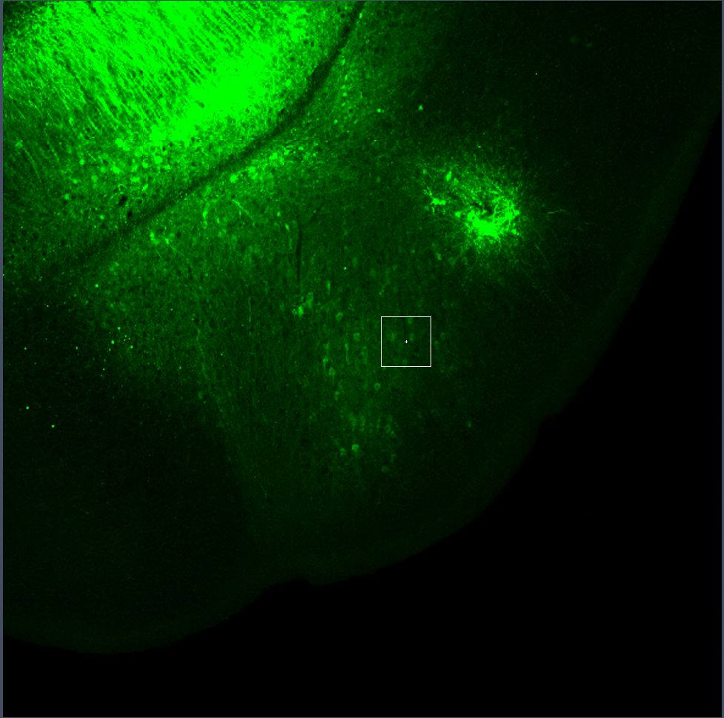
 |  |  |  | 4 | 0 | 7 | 0 | 1 | 2 | 1
 |  |  |  | 5 | 0 | 0 | 0 | 2 | 2 | 1
 |  |  |  | 6 | 0 | 0 | 0 | 3 | 2 | 1
 |  |  |  | 7 | 1 | 0 | 0 | 1 | 3 | 1
 |  |  |  | 8 | 0 | 0 | 0 | 2 | 3 | 1
 |  |  |  | 9 | 0 | 0 | 0 | 3 | 3 | 1
 |  |  |  | 10 | 0 | 1 | 0 | 1 | 4 | 1
 |  |  |  | 11 | 0 | 0 | 0 | 2 | 4 | 1
 |  |  |  | 12 | 0 | 0 | 0 | 3 | 4 | 1
 |  |  |  | 13 | 0 | 0 | 0 | 1 | 5 | 1
 |  |  |  | 14 | 0 | 0 | 0 | 2 | 5 | 1
 |  |  |  | 15 | 0 | 0 | 0 | 3 | 5 | 1
 |  |  |  | 16 | 0 | 1 | 0 | 1 | 6 | 1
 |  |  |  | 17 | 0 | 0 | 0 | 2 | 6 | 1
 |  |  |  | 18 | 0 | 0 | 0 | 3 | 6 | 1
 |  |  |  | 19 | 0 | 1 | 0 | 1 | 7 | 1
 |  |  |  | 20 | 0 | 0 | 0 | 2 | 7 | 1
 |  |  |  | 21 | 0 | 0 | 0 | 3 | 7 | 1
 |  |  |  | 22 | 0 | 3 | 0 | 1 | 8 | 1
 |  |  |  | 23 | 0 | 0 | 0 | 2 | 8 | 1
 |  |  |  | 24 | 0 | 0 | 0 | 3 | 8 | 1
 |  |  |  | 25 | 1 | 1 | 0 | 1 | 9 | 1
 |  |  |  | 26 | 0 | 0 | 0 | 2 | 9 | 1
 |  |  |  | 27 | 0 | 0 | 0 | 3 | 9 | 1
 |  |  |  | 28 | 0 | 0 | 0 | 1 | 10 | 1
 |  |  |  | 29 | 0 | 0 | 0 | 2 | 10 | 1
 |  |  |  | 30 | 0 | 0 | 0 | 3 | 10 | 1
 |  |  |  | 31 | 0 | 1 | 0 | 1 | 11 | 1
 |  |  |  | 32 | 0 | 0 | 0 | 2 | 11 | 1
 |  |  |  | 33 | 0 | 0 | 0 | 3 | 11 | 1
 |  |  |  | 34 | 0 | 1 | 0 | 1 | 12 | 1
 |  |  |  | 35 | 0 | 0 | 0 | 2 | 12 | 1
 |  |  |  | 36 | 0 | 0 | 0 | 3 | 12 | 1
 |  |  |  | 37 | 0 | 0 | 0 | 1 | 13 | 1
 |  |  |  | 38 | 0 | 0 | 0 | 2 | 13 | 1
 |  |  |  | 39 | 0 | 0 | 0 | 3 | 13 | 1

 |  |  |  | Total | 3 | 16 | 0 |  |  |  |  | 0

 |  |  |  |  | GAD | RetroGcamp | Double |  | Ratio
 |  |  | total |  | 11 | 86 | 1 |  | 0.011627906977

