FAS _EGFP_DIO_mCherry
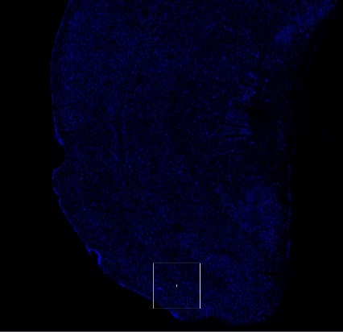
F:\Histology\Confocal\20201117\M2020050905#_FAS_EGFP_DIO_mCherry
 | EC_scope1 |  | EGFP | mCherry | Overlay
 |  | Slice | Type 1 | Type 2 | Type 3 | Type 4 | Type 5 | Type 6 | Type 7 |  | C-pos | Z-pos | T-pos
 |  | 1 | 0 | 33 | 4 | 0 | 0 | 0 | 0 | 1 | 1 | 1
 |  | 2 | 20 | 0 | 2 | 0 | 0 | 0 | 0 | 2 | 1 | 1
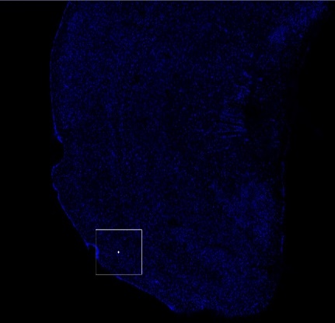
 |  | 3 | 0 | 0 | 0 | 0 | 0 | 0 | 0 | 3 | 1 | 1

 |  | Total | 20 | 33 | 6 | 0 | 0 | 0 | 0

 | EC_scope2 |  | EGFP | mCherry | Overlay
 |  | Slice | Type 1 | Type 2 | Type 3 | Type 4 | Type 5 | Type 6 | Type 7 |  | C-pos | Z-pos | T-pos
 |  | 1 | 0 | 45 | 0 | 0 | 0 | 0 | 0 | 1 | 1 | 1
 |  | 2 | 33 | 0 | 10 | 0 | 0 | 0 | 0 | 2 | 1 | 1
 |  | 3 | 0 | 0 | 1 | 0 | 0 | 0 | 0 | 3 | 1 | 1
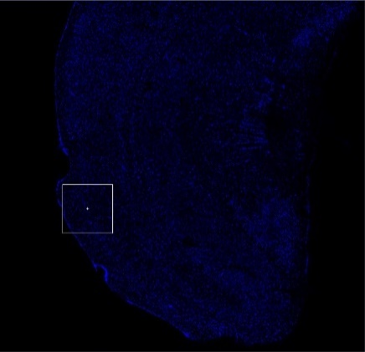
 |  | Total | 33 | 45 | 11 | 0 | 0 | 0 | 0

 | EC_scope3 |  | EGFP | mCherry | Overlay
 |  | Slice | Type 1 | Type 2 | Type 3 | Type 4 | Type 5 | Type 6 | Type 7 |  | C-pos | Z-pos | T-pos
 |  | 1 | 21 | 0 | 0 | 0 | 0 | 0 | 0 | 1 | 1 | 1
 |  | 2 | 0 | 43 | 0 | 0 | 0 | 0 | 0 | 2 | 1 | 1
 |  | 3 | 0 | 0 | 10 | 0 | 0 | 0 | 0 | 3 | 1 | 1

 |  | Total | 21 | 43 | 10 | 0 | 0 | 0 | 0

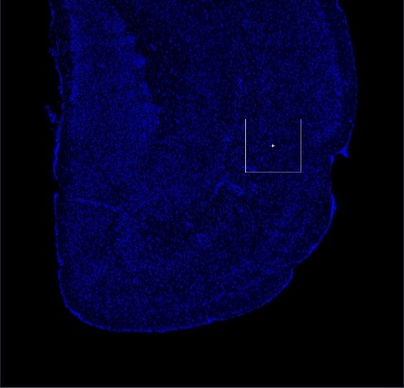
F:\Histology\Confocal\20201117\M2020050906#_FAS_EGFP_DIO_mCherry
 | EC_scope1 |  | EGFP | mCherry | Overlay
 |  | Slice | Type 1 | Type 2 | Type 3 | Type 4 | Type 5 | Type 6 | Type 7 |  | C-pos | Z-pos | T-pos
 |  | 1 | 32 | 0 | 0 | 0 | 0 | 0 | 0 | 1 | 1 | 1
 |  | 2 | 0 | 22 | 0 | 0 | 0 | 0 | 0 | 2 | 1 | 1
 |  | 3 | 0 | 0 | 3 | 0 | 0 | 0 | 0 | 3 | 1 | 1

 |  | Total | 32 | 22 | 3 | 0 | 0 | 0 | 0
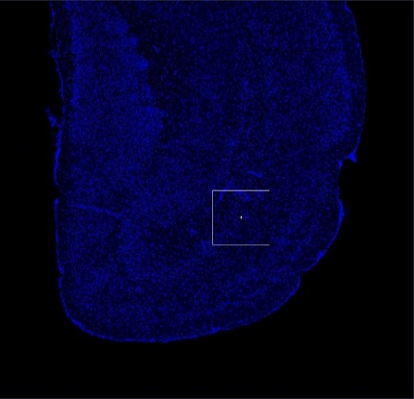

 | EC_scope2 |  | EGFP | mCherry | Overlay
 |  | Slice | Type 1 | Type 2 | Type 3 | Type 4 | Type 5 | Type 6 | Type 7 |  | C-pos | Z-pos | T-pos
 |  | 1 | 44 | 0 | 0 | 0 | 0 | 0 | 0 | 1 | 1 | 1
 |  | 2 | 0 | 21 | 0 | 0 | 0 | 0 | 0 | 2 | 1 | 1
 |  | 3 | 0 | 0 | 4 | 0 | 0 | 0 | 0 | 3 | 1 | 1

 |  | Total | 44 | 21 | 4 | 0 | 0 | 0 | 0

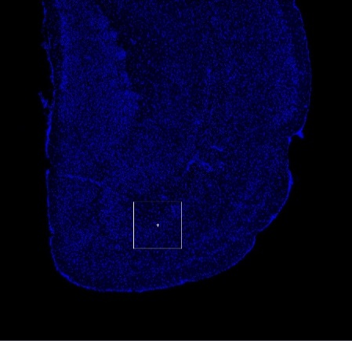
 | EC_scope3 |  | EGFP | mCherry | Overlay
 |  | Slice | Type 1 | Type 2 | Type 3 | Type 4 | Type 5 | Type 6 | Type 7 |  | C-pos | Z-pos | T-pos
 |  | 1 | 36 | 5 | 1 | 0 | 0 | 0 | 0 | 1 | 1 | 1
 |  | 2 | 0 | 0 | 0 | 0 | 0 | 0 | 0 | 2 | 1 | 1
 |  | 3 | 0 | 0 | 0 | 0 | 0 | 0 | 0 | 3 | 1 | 1

 |  | Total | 36 | 5 | 1 | 0 | 0 | 0 | 0

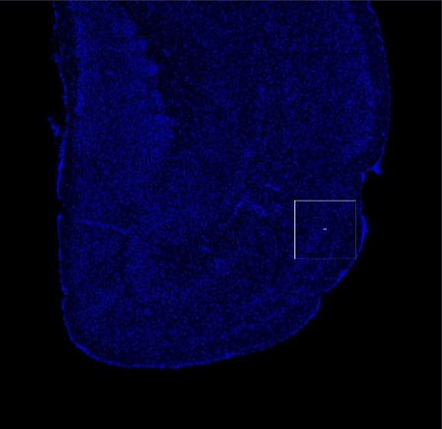
 | EC_scope4 |  | EGFP | mCherry | Overlay
 |  | Slice | Type 1 | Type 2 | Type 3 | Type 4 | Type 5 | Type 6 | Type 7 |  | C-pos | Z-pos | T-pos
 |  | 1 | 15 | 10 | 0 | 0 | 0 | 0 | 0 | 1 | 1 | 1
 |  | 2 | 0 | 0 | 0 | 0 | 0 | 0 | 0 | 2 | 1 | 1
 |  | 3 | 0 | 0 | 0 | 0 | 0 | 0 | 0 | 3 | 1 | 1

 |  | Total | 15 | 10 | 0 | 0 | 0 | 0 | 0

 |  |  |  |  |  |  |  |  |  |  | Ratio
 |  | Scope | EGFP | mCherry | Overlay |  | EGFP+ | mCherry+ | Double+ |  | EGFP+ | mCherry+ | Double+
 | 050905# | 1 | 20 | 33 | 6 |  | 14 | 27 | 6 |  | 0.29787234043 | 0.57446808511 | 0.12765957447
 |  | 2 | 33 | 45 | 11 |  | 22 | 34 | 11 |  | 0.32835820896 | 0.50746268657 | 0.16417910448
 |  | 3 | 21 | 43 | 10 |  | 11 | 33 | 10 |  | 0.2037037037 | 0.61111111111 | 0.18518518519
 | 050906# | 1 | 32 | 22 | 3 |  | 29 | 19 | 3 |  | 0.56862745098 | 0.37254901961 | 0.058823529412
 |  | 2 | 44 | 21 | 4 |  | 40 | 17 | 4 |  | 0.65573770492 | 0.27868852459 | 0.065573770492
 |  | 3 | 36 | 5 | 1 |  | 35 | 4 | 1 |  | 0.875 | 0.1 | 0.025
 |  | 4 | 15 | 10 | 0 |  | 15 | 10 | 0 |  | 0.6 | 0.4 | 0

 |  |  |  |  |  |  |  |  |  | avg | 0.50418562985 | 0.40632563243 | 0.089488737719
 |  |  |  |  |  |  |  |  |  | std | 0.23719693424 | 0.17876669058 | 0.070560595533
 |  |  |  |  |  |  |  |  |  | N | 7 | 7 | 7
 |  |  |  |  |  |  |  |  |  | sem | 0.089652014249 | 0.067567457998 | 0.026669398306

 |  |  |  |  |  |  |  |  |  | t-test | 0.55481064777

DO_mCherry_DIO_EGFP
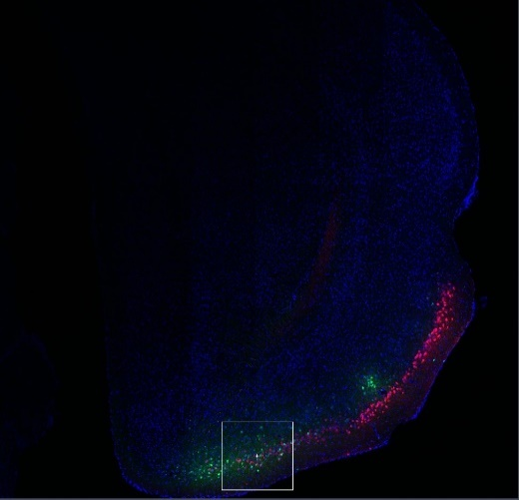
F:\Histology\Confocal\20201116\M2020050903#_CAG_DO_mCherry_DIO_EGFP
 | EC_scope1 |  | EGFP | mCherry | Overlay
 |  | Slice | Type 1 | Type 2 | Type 3 | Type 4 | Type 5 | Type 6 | Type 7 |  | C-pos | Z-pos | T-pos
 |  | 1 | 32 | 30 | 0 | 0 | 0 | 0 | 0 | 1 | 1 | 1
 |  | 2 | 0 | 0 | 0 | 0 | 0 | 0 | 0 | 2 | 1 | 1
 |  | 3 | 0 | 1 | 3 | 0 | 0 | 0 | 0 | 3 | 1 | 1

 |  | Total | 32 | 31 | 3 | 0 | 0 | 0 | 0

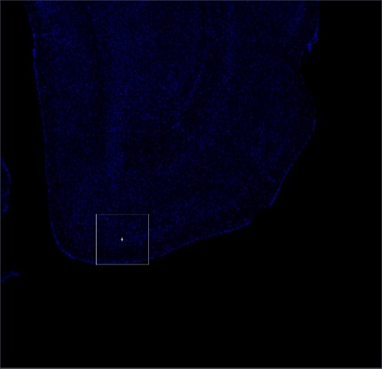
F:\Histology\Confocal\20201117\M2020050903#_CAG_DO_mCherry_DIO_EGFP
 | EC_scope1 |  | EGFP | mCherry | Overlay
 |  | Slice | Type 1 | Type 2 | Type 3 | Type 4 | Type 5 | Type 6 | Type 7 |  | C-pos | Z-pos | T-pos
 |  | 1 | 95 | 33 | 9 | 0 | 0 | 0 | 0 | 1 | 1 | 1
 |  | 2 | 0 | 0 | 0 | 0 | 0 | 0 | 0 | 2 | 1 | 1
 |  | 3 | 0 | 0 | 0 | 0 | 0 | 0 | 0 | 3 | 1 | 1

 |  | Total | 95 | 33 | 9 | 0 | 0 | 0 | 0
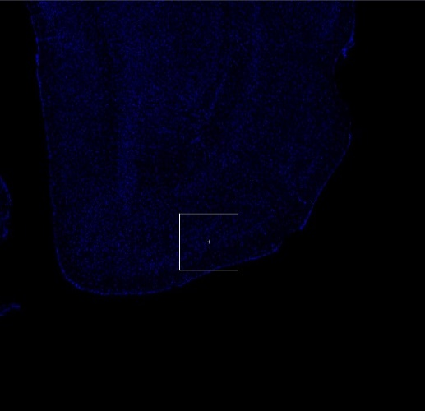

 | EC_scope2 |  | EGFP | mCherry | Overlay
 |  | Slice | Type 1 | Type 2 | Type 3 | Type 4 | Type 5 | Type 6 | Type 7 |  | C-pos | Z-pos | T-pos
 |  | 1 | 44 | 49 | 2 | 0 | 0 | 0 | 0 | 1 | 1 | 1
 |  | 2 | 0 | 0 | 0 | 0 | 0 | 0 | 0 | 2 | 1 | 1
 |  | 3 | 0 | 0 | 0 | 0 | 0 | 0 | 0 | 3 | 1 | 1

 |  | Total | 44 | 49 | 2 | 0 | 0 | 0 | 0

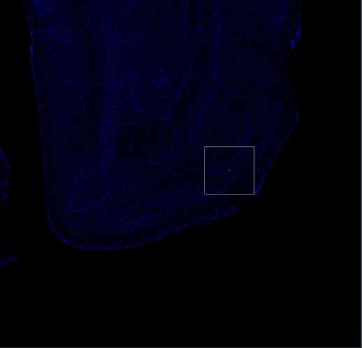
 | EC_scope3 |  | EGFP | mCherry | Overlay
 |  | Slice | Type 1 | Type 2 | Type 3 | Type 4 | Type 5 | Type 6 | Type 7 |  | C-pos | Z-pos | T-pos
 |  | 1 | 37 | 40 | 0 | 0 | 0 | 0 | 0 | 1 | 1 | 1
 |  | 2 | 0 | 0 | 0 | 0 | 0 | 0 | 0 | 2 | 1 | 1
 |  | 3 | 0 | 0 | 0 | 0 | 0 | 0 | 0 | 3 | 1 | 1

 |  | Total | 37 | 40 | 0 | 0 | 0 | 0 | 0

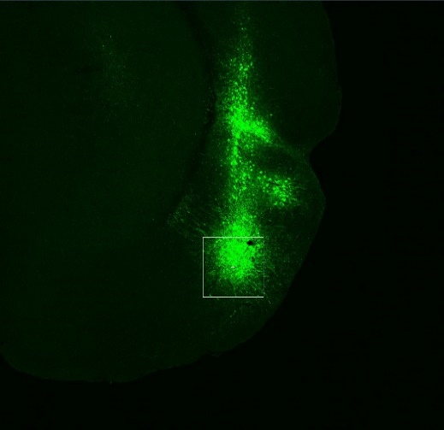
F:\Histology\Confocal\20201117\M2020050904#_CAG_DO_mCherry_DIO_EGFP
 | EC_scope1 |  | EGFP | mCherry | Overlay
 |  | Slice | Type 1 | Type 2 | Type 3 | Type 4 | Type 5 | Type 6 | Type 7 |  | C-pos | Z-pos | T-pos
 |  | 1 | 33 | 26 | 1 | 0 | 0 | 0 | 0 | 1 | 1 | 1
 |  | 2 | 0 | 0 | 0 | 0 | 0 | 0 | 0 | 2 | 1 | 1
 |  | 3 | 0 | 0 | 0 | 0 | 0 | 0 | 0 | 3 | 1 | 1

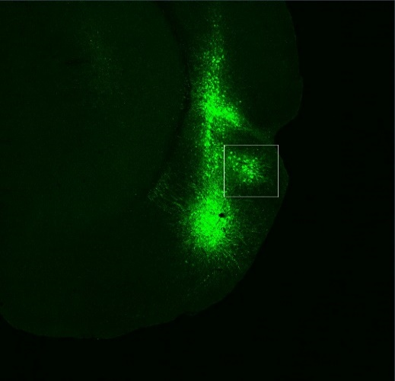
 |  | Total | 33 | 26 | 1 | 0 | 0 | 0 | 0

 | EC_scope2
 |  | Slice | Type 1 | Type 2 | Type 3 | Type 4 | Type 5 | Type 6 | Type 7 |  | C-pos | Z-pos | T-pos
 |  | 1 | 11 | 0 | 0 | 0 | 0 | 0 | 0 | 1 | 1 | 1
 |  | 2 | 40 | 27 | 0 | 0 | 0 | 0 | 0 | 2 | 1 | 1
 |  | 3 | 0 | 0 | 0 | 0 | 0 | 0 | 0 | 3 | 1 | 1

 |  | Total | 51 | 27 | 0 | 0 | 0 | 0 | 0

 | EC_scope3
 |  | Slice | Type 1 | Type 2 | Type 3 | Type 4 | Type 5 | Type 6 | Type 7 |  | C-pos | Z-pos | T-pos
 |  | 1 | 88 | 0 | 0 | 0 | 0 | 0 | 0 | 1 | 1 | 1
 |  | 2 | 0 | 26 | 0 | 0 | 0 | 0 | 0 | 2 | 1 | 1
 |  | 3 | 0 | 0 | 1 | 0 | 0 | 0 | 0 | 3 | 1 | 1

 |  | Total | 88 | 26 | 1 | 0 | 0 | 0 | 0

 |  |  |  |  |  |  |  |  |  |  | Ratio
 |  | Scope | EGFP | mCherry | Overlay |  | EGFP+ | mCherry+ | Double+ |  | EGFP+ | mCherry+ | Double+
20201116\M2020050903#_CAG_DO_mCherry_DIO_EGFP |  | 1 | 32 | 31 | 3 |  | 29 | 28 | 3 |  | 0.4833 | 0.4667 | 0.0500
20201117\M2020050903#_CAG_DO_mCherry_DIO_EGFP |  | 1 | 95 | 33 | 9 |  | 86 | 24 | 9 |  | 0.7227 | 0.2017 | 0.0756
 |  | 2 | 44 | 49 | 2 |  | 42 | 47 | 2 |  | 0.4615 | 0.5165 | 0.0220
 |  | 3 | 37 | 40 | 0 |  | 37 | 40 | 0 |  | 0.4805 | 0.5195 | 0.0000
20201117\M2020050904#_CAG_DO_mCherry_DIO_EGFP |  | 1 | 33 | 26 | 1 |  | 32 | 25 | 1 |  | 0.5517 | 0.4310 | 0.0172
 |  | 2 | 51 | 27 | 0 |  | 51 | 27 | 0 |  | 0.6538 | 0.3462 | 0.0000
 |  | 3 | 88 | 26 | 1 |  | 87 | 25 | 1 |  | 0.7699 | 0.2212 | 0.0088

 |  |  |  |  |  |  |  |  |  | avg | 0.5891 | 0.3861 | 0.0248
 |  |  |  |  |  |  |  |  |  | std | 0.12607942016 | 0.13296971651 | 0.028190855623
 |  |  |  |  |  |  |  |  |  | N | 7 | 7 | 7
 |  |  |  |  |  |  |  |  |  | sem | 0.047653541599 | 0.050257828826 | 0.010655141889
 |  |  |  |  |  |  |  |  |  | t-test | 0.082200296009

 |  |  |  |  |  |  |  |  |  |  | mean | sem
 |  |  |  |  |  |  |  |  |  | EGFP+ | 0.58908030675 | 0.047653541599
 |  |  |  |  |  |  |  |  |  | mCherry+ | 0.38610552027 | 0.050257828826
 |  |  |  |  |  |  |  |  |  | Double+ | 0.024814172987 | 0.010655141889

 |  |  |  |  |  |  |  |  |  |  | mean | sem
 |  |  |  |  |  |  |  |  |  | EGFP+ | 0.58908030675 | 0.047653541599
 |  |  |  |  |  |  |  |  |  | mCherry+ | 0.38610552027 | 0.050257828826
 |  |  |  |  |  |  |  |  |  | Double+ | 0.024814172987 | 0.010655141889

